Notes
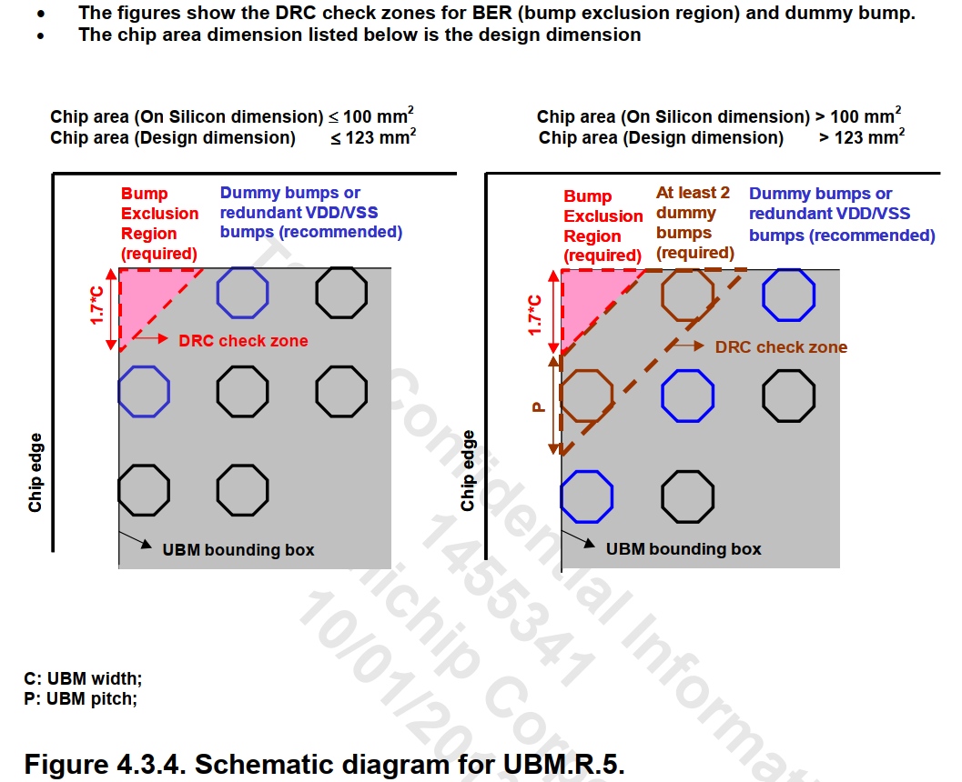
 |  | Notes
Bump type | PAD80APB_LF_BU
Bump Diameter | 93.3

Bump Pitch | 167 | This is based on the smallest chip category (less than 123 mm2).
 |  | Max spacing is 400um. Avoid isolated bump groups.
 |  | To achieve spacing with max density, use staggered placement.
 |  | Space between columns is 74.7 (168 pitch). Pitch is 84 for staggered columns.
 |  | Space between rows is 52.7 (146 pitch).

Bump Edge to Chip Edge (Q, Q1) | 55.6 | Max spacing is 300um. Chip Edge excludes Seal Ring.
 |  | IO Pad pin that connects to bumps is about 70um from chip edge.
 |  | For 80um AP route space between bump and pad pin, bump is 150um from chip edge.

Bump Edge to AP route | 2.2 | Signal routes need to hug signal bumps, to leave space for PG bumps to tap into mesh.
 |  | RV is NOT allowed on the bump itself.

BER zone rules | Leg = 151.13 | Bump Exclusion Region required on all corners, numbers use chip area < 123mm2.
 |  | BER triangle leg = 1.7 * C. C = 88.9 = UBM width (not bump width)
 |  | The bumps adjacent to the BER should be dummy or VDD/VSS bumps.

Bump Array | 22 rows | Height is 3600. Subtract 300 for bump-to-edge space, subtract 93.3 for first bump.
 | 53 columns total | Divide the rest by row pitch to get row count, add one back for the first bump.
 | 36 columns wo/DDR | (3600 - 300 - 93.3) / 146 + 1 = 22.9
 | 27 col wo/DDR+USB
 |  | Chip width is 4600. DDR is 1397 width. DDR bump from right edge has 46um to spare.
 |  | First bump edge can be 74.7 - 46 = 28.7 from the DDR edge, subtract bump width for first bump.
 |  | Divide by staggered pitch for columns, add one back for the first bump.
 |  | (4600 - 1397 - 28.7 - 93.3 - 55.6) / 84 + 1 = 37.01
 |  | Without DDR, columns do not worry about bump location inside DDR.
 |  | (4600 - 55.6 - 93.3 - 55.6) / 84 +1 = 53.3

DDR blockage | 18 rows | DDR from bottom to top bump edge is 2660.65 in height (with bottom snapcap row removed).
 | 17 columns | (2660.65 - 150 - 93.3 - 57.2) / 146 + 1 = 17.1
 |  | DDR from left to first core bump edge is 1397+28.7=1425.7 in width.
 |  | (1425.7 - 55.6 - 93.3) / 84 +1 = 16.2

USB blockage | 1.85 gap from DDR | Top bump center to bottom is 601.65. 601.65 + 93.3/2 = 648.3.
 | 1.6 from bottom | (648.3 - 150 - 93.3) / 146 + 1 = 3.77
 | 5 rows
 | 10 columns | Bottom bump edge is 54 from block bottom. 54 - 55.6 = -1.6 overhang on block edge.

 |  | USB width is 785. Left bump center to edge is 73.5. 73.5 - 93.3/2 = 26.85 from bump edge to block edge.
 |  | First bump must be 28.7 from DDR edge. 28.7 - 26.85 = 1.85 gap between DDR and USB.
 |  | Right bump center to edge is 43.5. 43.5 - 93.3/2 = -3.15. Right bump edge hangs over side by 3.15um.

