POWER CORD
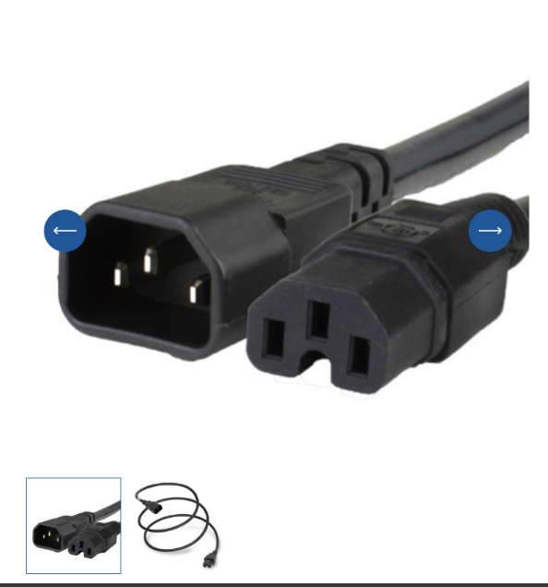

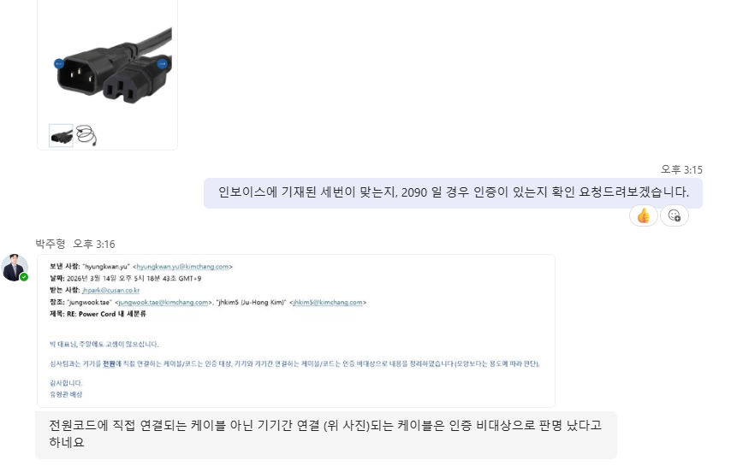

Sheet1
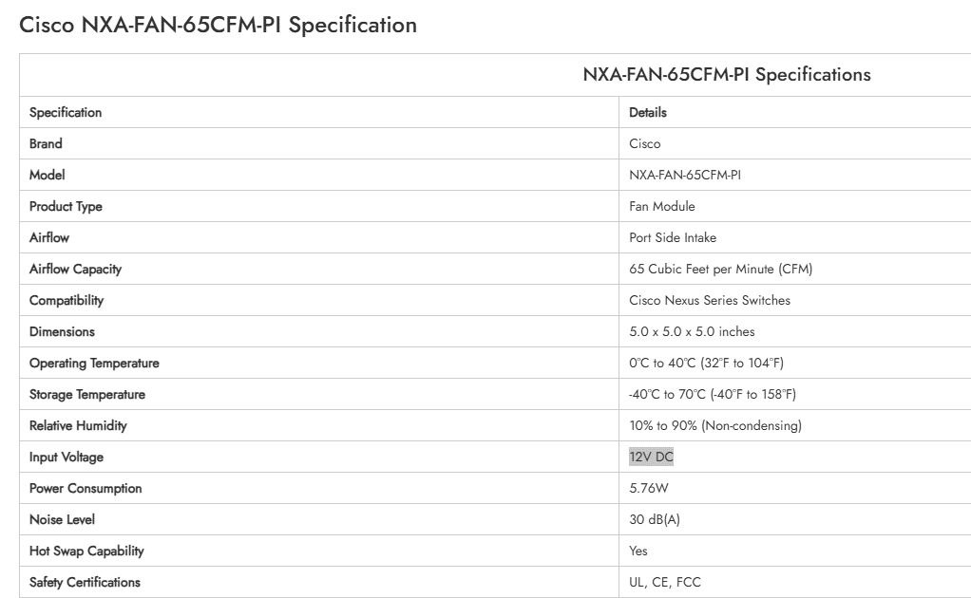
FAN-T2=
https://www.cisco.com/c/en/us/td/docs/switches/lan/catalyst9300/hardware/install/b_c9300_hig/Product-overview.html
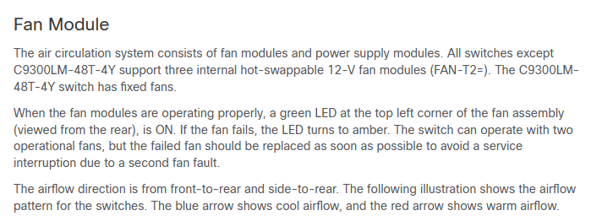

NXA-FAN-65CFM-PI

Sheet2
