Precision-Recall Data
Standard Recall | Google, interpolated precision (Q1) | Google, interpolated precision (Q2) | Google, interpolated precision (Q3) | Google, interpolated precision (Q4) | Google, Average Precision | Bing, interpolated precision (Q1) | Bing, interpolated precision (Q2) | Bing, interpolated precision (Q3) | Bing, interpolated precision (Q4) | Bing, Average Precision
0.1 | 0.74981604754 | 0.98028572256 | 0.89279757672 | 0.83946339368 | 0.86559068513 | 0.54881529394 | 0.69807076404 | 0.51375540845 | 0.86372816083 | 0.65609240682
0.2 | 0.66240745618 | 0.66239780813 | 0.62323344487 | 0.94647045831 | 0.72362729187 | 0.60351199264 | 0.76500891374 | 0.62468443044 | 0.70802720847 | 0.67530813632
0.3 | 0.8404460047 | 0.88322903112 | 0.60823379772 | 0.98796394086 | 0.8299681936 | 0.71868411174 | 0.57394178221 | 0.88783385111 | 0.81005312934 | 0.7476282186
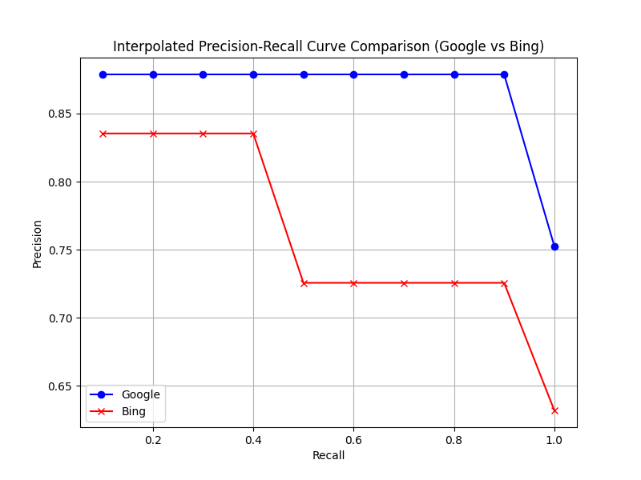
0.4 | 0.93297705632 | 0.68493564427 | 0.67272998688 | 0.67336180394 | 0.74100112285 | 0.87579957663 | 0.85793094017 | 0.73915999152 | 0.86874969401 | 0.83541005058
0.5 | 0.72169689718 | 0.80990257265 | 0.77277800746 | 0.71649165608 | 0.75521728334 | 0.53539700082 | 0.57839314497 | 0.51809091556 | 0.63013213231 | 0.56550329841
0.6 | 0.84474115789 | 0.65579754426 | 0.71685785941 | 0.74654473732 | 0.74098532472 | 0.65547091588 | 0.60853961271 | 0.83149500366 | 0.64270133068 | 0.68455171573
0.7 | 0.78242799369 | 0.91407038456 | 0.67986951286 | 0.80569377537 | 0.79551541662 | 0.61237380387 | 0.71707843326 | 0.55636968999 | 0.8208787923 | 0.67667517986
0.8 | 0.83696582754 | 0.61858016509 | 0.84301794076 | 0.66820964947 | 0.74169339572 | 0.52982025747 | 0.89475477464 | 0.80889790772 | 0.57948627261 | 0.70323980311
0.9 | 0.62602063719 | 0.9795542149 | 0.98625281323 | 0.92335893925 | 0.87879665114 | 0.50220884685 | 0.82618457138 | 0.78274293754 | 0.79160286722 | 0.72568480575
1 | 0.72184550767 | 0.6390688456 | 0.8736932106 | 0.7760609975 | 0.75266714034 | 0.80850813867 | 0.52961786069 | 0.64338629142 | 0.54634762381 | 0.63196497865

