Sheet3
State name | Total Sales
0 | 0
0 | 0
0 | 0
0 | 0
0 | 0
3rd | 0
Row Labels | Sum of Total Sales
Jan | 1174068.3133
Feb | 995644.93976
Mar | 927106.50602
Apr | 1167640.9639
May | 1294183.1325
Jun | 1181102.0482
Jul | 1512098.6747
Aug | 1481111.5663
Sep | 1253684.8193
Oct | 1028766.0241
Nov | 1087161.4458
Dec | 1375341.2048
Grand Total | 14477909.639
0 | 0
0 | 0
0 | 0
0 | 0
0 | 0
0 | 0
0 | 0
0 | 0
0 | 0
0 | 0
0 | 0
0 | 0
0 | 0
0 | 0
4th | 0
0 | 0
0 | 0
Row Labels | Sum of Total Sales
California | 1033796.1446
Florida | 942239.63855
New York | 1044634.2169
South Carolina | 432905.06024
Texas | 796671.20482
Grand Total | 4250246.2651
0 | 0
0 | 0

Sum of Operating Profit |  | Sum of Units Sold | Sum of Total Sales
4.00M |  | 2478861 | ₹ 14,477,909.64

 |  | TOTAL UNIT SOLD
 |  | 2478861

Sum of Total Sales
14.48M

14.48M

Top 3 Cities by Sales
 | Total
Charleston | 0.591M
San Francisco | 0.594M
New York | 0.684M

Dashboard

Sketchers Sales Analysis Dashboard (Year 2020-21)


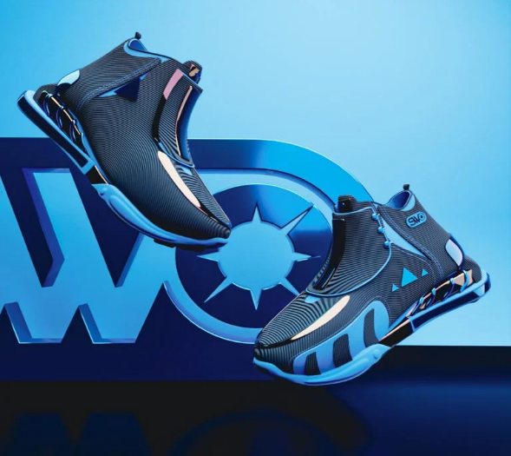
14.48M
Total Sales
Total Profit
4.002M
Profit Margin%
27.64%

$
$

Total Sales and Operating Profit
 | Sum of Total Sales | Sum of Operating Profit
Amazon | 1.217M | 0.347M
Foot Locker | 3.497M | 0.973M
Kohl's | 1.628M | 0.444M
Sports Direct | 2.966M | 0.896M
Walmart | 1.266M | 0.311M
West Gear | 3.905M | 1.032M
Monthwise Total Sales
 | Total
Jan | 1.17M
Feb | 1.00M
Mar | 0.93M
Apr | 1.17M
May | 1.29M
Jun | 1.18M
Jul | 1.51M
Aug | 1.48M
Sep | 1.25M
Oct | 1.03M
Nov | 1.09M
Dec | 1.38M
Top 3 Cities by Sales
 | Total
Charleston | 0.591M
San Francisco | 0.594M
New York | 0.684M

Total Sales By Region
 | Total
Midwest | 2.009M
Northeast | 3.021M
South | 2.482M
Southeast | 2.575M
West | 4.390M
Top 5 States by Sales
 | Sum of Total Sales | Sum of Operating Profit
California | 1.034M | 0.233M
Florida | 0.942M | 0.252M
New York | 1.045M | 0.281M
South Carolina | 0.433M | 0.136M
Texas | 0.797M | 0.225M
Sales By Product Category
 | Sum of Total Sales | Sum of Operating Profit
Apparel | 4.866M | 1.366M
Athletic Footwear | 4.204M | 1.094M
Street Footwear | 5.408M | 1.541M

ljj

Pivots
1st

Row Labels | Sum of Total Sales | Sum of Operating Profit
Amazon | 1.217M | 0.347M
Foot Locker | 3.497M | 0.973M
Kohl's | 1.628M | 0.444M
Sports Direct | 2.966M | 0.896M |  | Sum of Operating Profit
Walmart | 1.266M | 0.311M |  | 4.002M
West Gear | 3.905M | 1.032M
Grand Total | 14.478M | 4.002M
 |  |  |  | 4.002M

 |  |  | #VALUE!

 |  |  |  | 27.64%

2nd

Row Labels | Sum of Total Sales
Midwest | 2.009M
Northeast | 3.021M
South | 2.482M
Southeast | 2.575M
West | 4.390M
Grand Total | 14.478M

3rd
Row Labels | Sum of Total Sales
Jan | 1.17M
Feb | 1.00M
Mar | 0.93M
Apr | 1.17M
May | 1.29M
Jun | 1.18M
Jul | 1.51M
Aug | 1.48M
Sep | 1.25M
Oct | 1.03M
Nov | 1.09M
Dec | 1.38M
Grand Total | 14.48M

Top 5 City by Sales
 | Total
Charleston | 590876.14458
San Francisco | 593881.92771
New York | 683874.6988

4th

Row Labels | Sum of Total Sales | Sum of Operating Profit
California | 1.034M | 0.233M
Florida | 0.942M | 0.252M
New York | 1.045M | 0.281M
South Carolina | 0.433M | 0.136M
Texas | 0.797M | 0.225M
Grand Total | 4.250M | 1.127M

5th

Row Labels | Sum of Total Sales | Sum of Operating Profit
Apparel | 4.866M | 1.366M
Athletic Footwear | 4.204M | 1.094M
Street Footwear | 5.408M | 1.541M
Grand Total | 14.478M | 4.002M

6th | bottom 5 city
Row Labels | Sum of Operating Profit
Baltimore | $33,224.60
Des Moines | $31,990.57
Fargo | $32,391.80
Minneapolis | $32,171.44
Omaha | $29,391.31
Grand Total | $159,169.73

slicers

Row Labels | Sum of Total Sales
Charleston | 0.591M
San Francisco | 0.594M
New York | 0.684M
Grand Total | 1.869M

 | Series1 | Series2
In-store | 2379828.3133 | 1917084.3373
Online | 2930739.3976 | 2486809.6386
Outlet | 2494080.6024 | 2269367.3494

 | Row Labels | Sum of Total Sales
 | Charleston | 0.591M
 | San Francisco | 0.594M
 | New York | 0.684M
 | Grand Total | 1.869M

