Feature selection
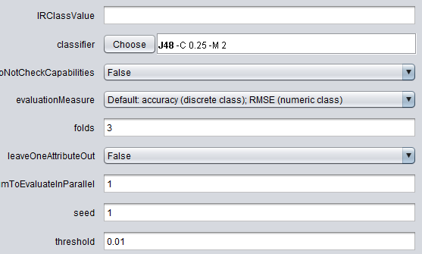
ClassifierAttributeEval

Base learner fro accuracy esimation: leafs=2 and confidence factor= 0.25

evaluation methods is Accuracy - tested with F-score but gave NaN
cross validation = 5

