Condition
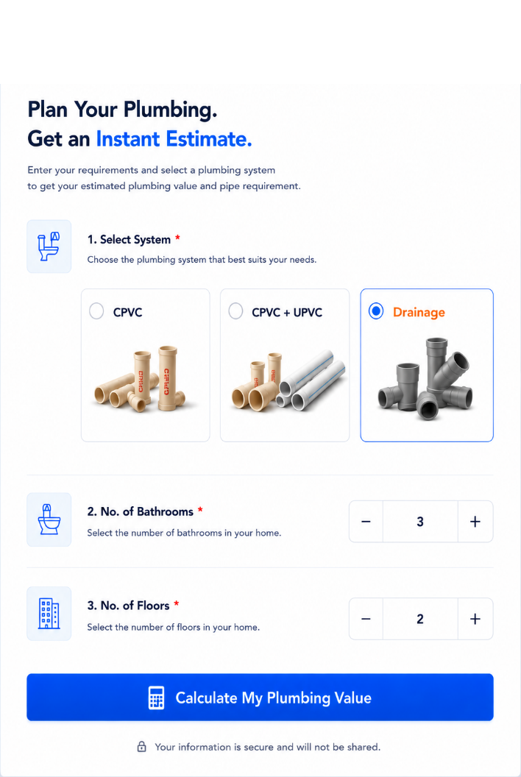
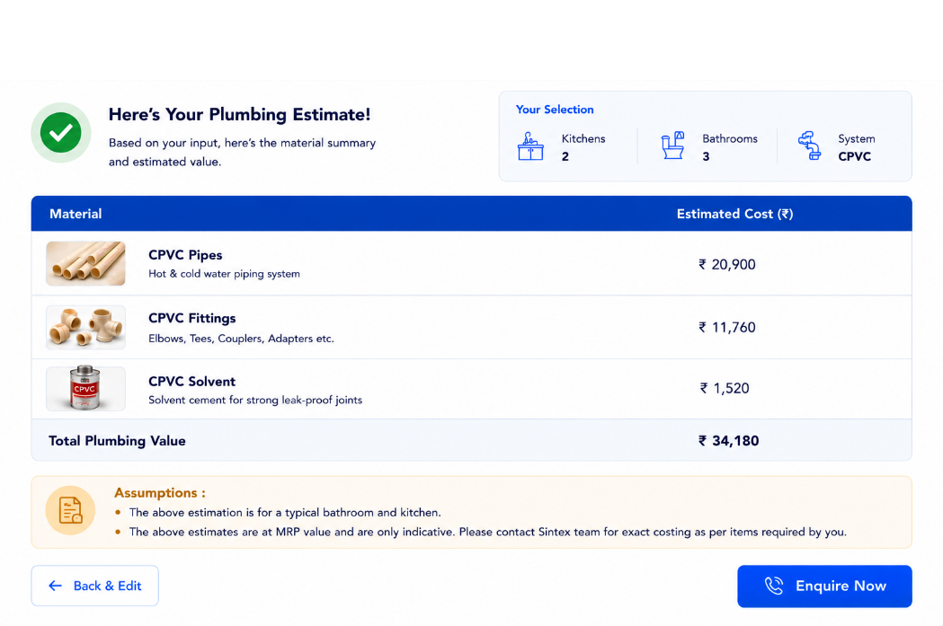
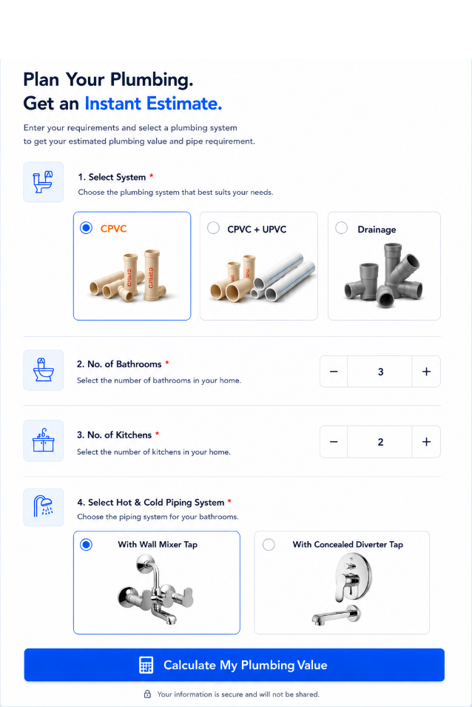

Bathroom type | L Shape | C Shape (L shape*10% extra)
Single Lever Diverter/Flush Valve | 11,236 | 12,533
Wall Mixer | 5,972 | 6,569

Bathroom size | 8 X 4
 | 10 X 4
 | 10 X 6

Sheet5
