ZeigeLetter
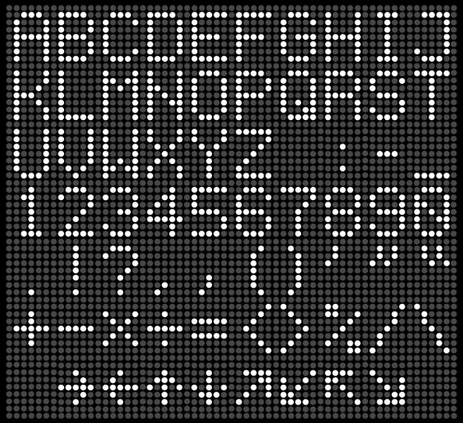
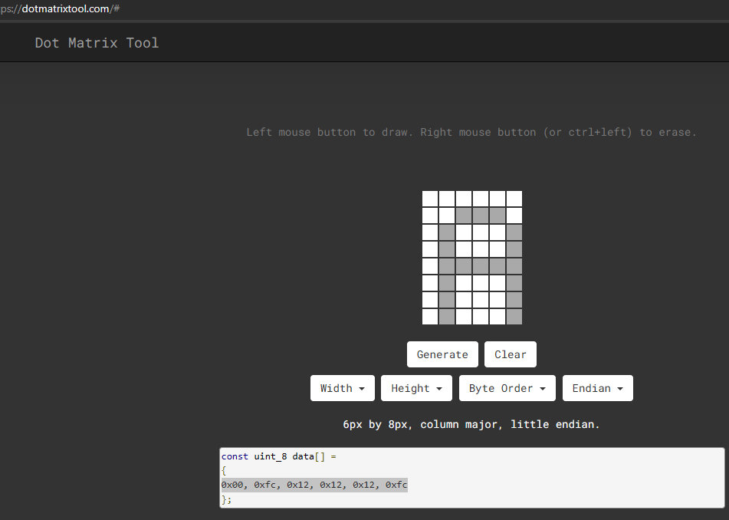
Letter |  |  | 1 | 2 | 3 | 4 | 5 | 6
, | 000080600000 | 8 | 0 | 0 | 0 | 0 | 0 | 0 | 00000000
44 |  | 7 | 0 | 0 | 0 | 0 | 0 | 0 | 00000000
0 |  | 6 | 0 | 0 | 0 | 0 | 0 | 0 | 10000000
1 |  | 5 | 0 | 0 | 0 | 0 | 0 | 0 | 01100000
 |  | 4 | 0 | 0 | 0 | 0 | 0 | 0 | 00000000
44 |  | 3 | 0 | 0 | 0 | 1 | 0 | 0 | 00000000
 |  | 2 | 0 | 0 | 0 | 1 | 0 | 0
 |  | 1 | 0 | 0 | 1 | 0 | 0 | 0

