ZeigeLetter
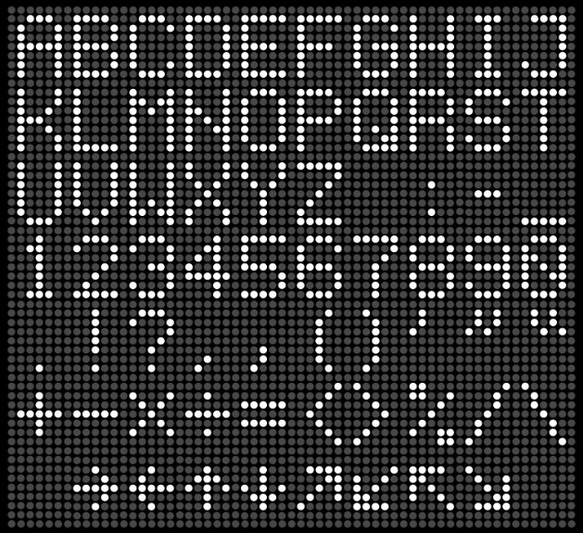
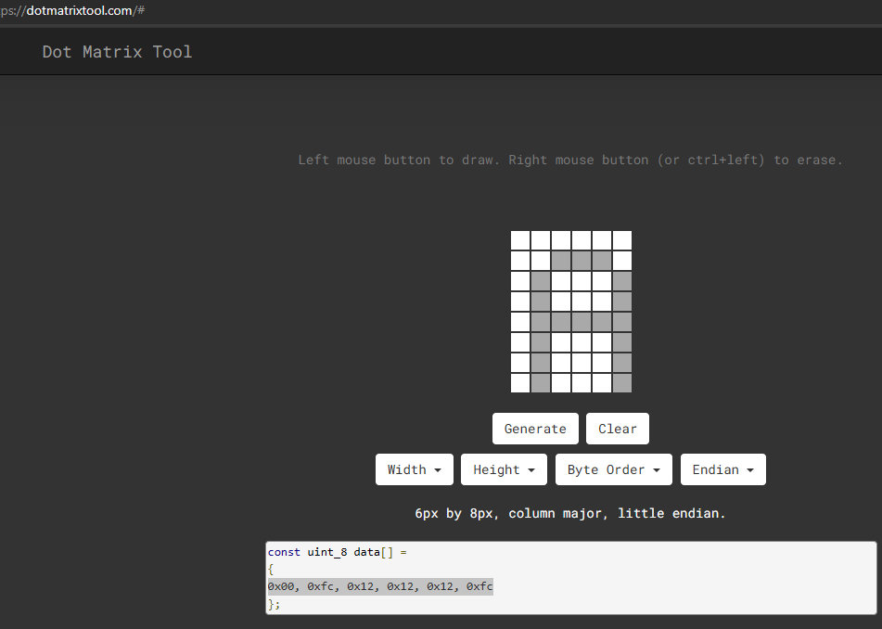
Letter |  |  | 1 | 2 | 3 | 4 | 5 | 6
A | 00fc121212fc | 8 | 0 | 0 | 0 | 0 | 0 | 0 | 00000000
65 |  | 7 | 0 | 0 | 1 | 1 | 1 | 0 | 11111100
0 |  | 6 | 0 | 1 | 0 | 0 | 0 | 1 | 00010010
1 |  | 5 | 0 | 1 | 0 | 0 | 0 | 1 | 00010010
 |  | 4 | 0 | 1 | 1 | 1 | 1 | 1 | 00010010
65 |  | 3 | 0 | 1 | 0 | 0 | 0 | 1 | 11111100
 |  | 2 | 0 | 1 | 0 | 0 | 0 | 1
 |  | 1 | 0 | 1 | 0 | 0 | 0 | 1

ZeigeLetter 4x8
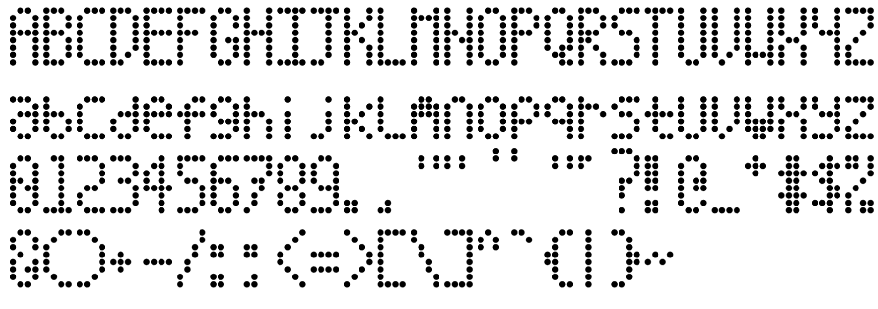
Letter |  |  | 1 | 2 | 3 | 4 | 5 | 6
7 | c222120e | 8 | 0 | 0 | 0 | 0 | 0 | 0 | 11000010
55 |  | 7 | 1 | 1 | 1 | 1 | 0 | 0 | 00100010
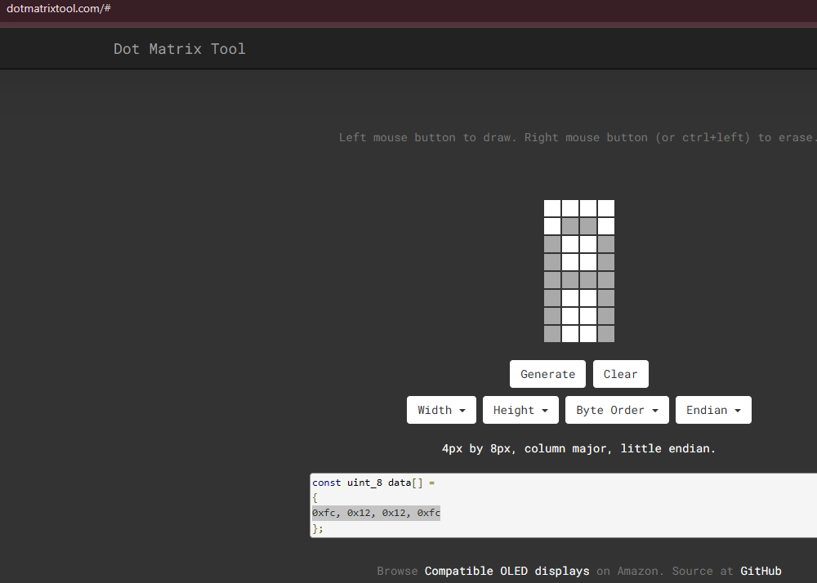
0 |  | 6 | 0 | 0 | 0 | 1 | 0 | 0 | 00010010
1 |  | 5 | 0 | 0 | 0 | 1 | 0 | 0 | 00001110
 |  | 4 | 0 | 0 | 1 | 0 | 0 | 0 | 00000000
55 |  | 3 | 0 | 1 | 0 | 0 | 0 | 0 | 00000000
 |  | 2 | 1 | 0 | 0 | 0 | 0 | 0
 |  | 1 | 1 | 0 | 0 | 0 | 0 | 0

