Data Cleaning
Data cleaning

1.Identify and handling missing values

note:
1.Choose mean or median while handling numeric missing values.
2.Take smallest among mean or median to repace null or blanks

mean | 2.5 | ❌
median | 2.5 | ✅

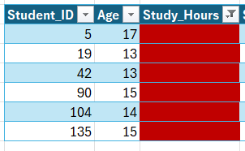
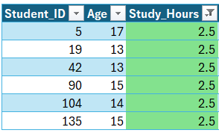

mean | 4.0 | ✅
median | 4.0 | ✅

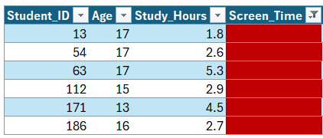
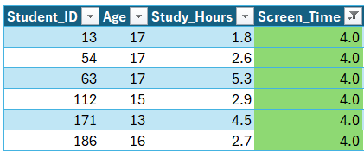

mean | 70.9 | ✅
median | 71.4 | ❌

Duplicates

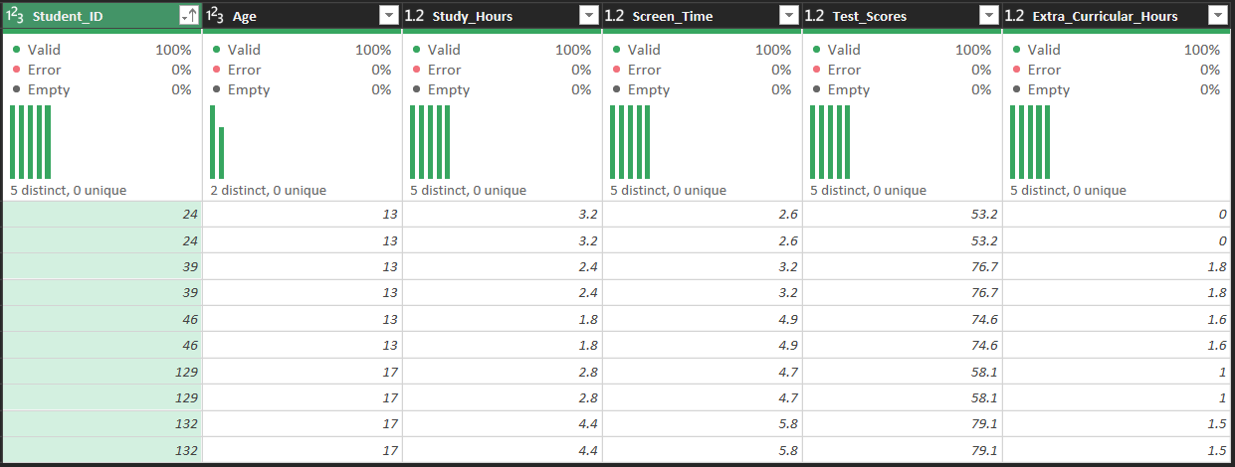

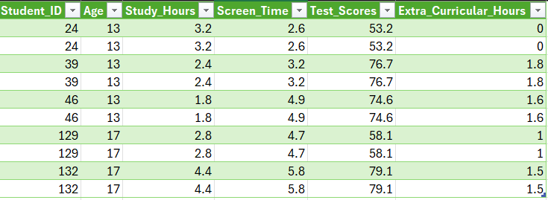
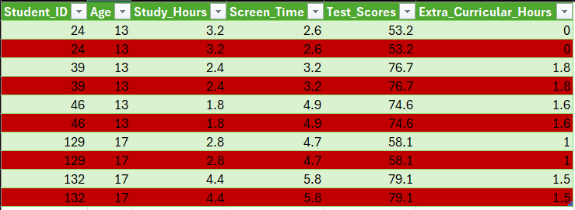

Ensure Consistent formatting

Data Transformation
Data Transformation

New Calculated fields : 1.Screen_Time_Status 2.Marks_Status 3.Grade

Pivot Tables
Pivot Tables

1. Average test scores by screen time category

note:
For Short Representation, values filtered.

Test_Scores | Sum of Screen_Time
34.3 | 2.8
48.6 | 3.5
51.2 | 2.8
60 | 7.6
70.1 | 10.5
75 | 6.6
80 | 3.3
90 | 9.4
100 | 5.7
Grand Total | 52.2

2. Screen time vs. extracurricular activity trends

note:
For Short Representation, values filtered.

Screen_Time | Sum of Extra_Curricular_Hours
0 | 2.5
0.5 | 1.1
1 | 0
2 | 6
3 | 9.2
4 | 9.8
5 | 9
6 | 4.6
7 | 1.8
7.9 | 1.5
Grand Total | 45.5

3. Age group-wise performance

Age | Test_Score %
16 | 24.39%
13 | 21.82%
15 | 18.51%
14 | 17.91%
17 | 17.37%
Grand Total | 100.00%

Charts
Charts

1. A scatter plot of Screen Time vs. Test Scores

Scoring Analysis
2.7 | 75
4 | 68.1
4.3 | 67.9
2.8 | 47.2
1.8 | 78
4.4 | 71.5
6.7 | 88
4.6 | 69.3
4.1 | 75.7
4.1 | 78.3
3.6 | 52.5
5.8 | 96.2
4 | 65.7
2 | 74.9
1.6 | 76.4
4.1 | 61.9
5.6 | 88.5
4.4 | 72.7
3.5 | 67.9
4.7 | 71.4
4.3 | 77.6
5.2 | 70.1
6 | 78.8
2.6 | 53.2
0.5 | 62.5
3.5 | 48.6
1.2 | 65.6
3.7 | 76.5
4.4 | 57.1
3.3 | 67.3
4.3 | 76.1
3.3 | 87.1
3.2 | 78.2
...
 |  | Screen_Time | Test_Scores
 |  | 2.7 | 75
 |  | 4 | 68.1
 |  | 4.3 | 67.9
 |  | 2.8 | 47.2
 |  | 1.8 | 78
 |  | 4.4 | 71.5
 |  | 6.7 | 88
 |  | 4.6 | 69.3
 |  | 4.1 | 75.7
 |  | 4.1 | 78.3
 |  | 3.6 | 52.5
 |  | 5.8 | 96.2
 |  | 4.0 | 65.7
 |  | 2 | 74.9
 |  | 1.6 | 76.4
 |  | 4.1 | 61.9
 |  | 5.6 | 88.5
 |  | 4.4 | 72.7
 |  | 3.5 | 67.9
 |  | 4.7 | 71.4
2.A bar chart comparing average test scores across screen time ranges
 |  | 4.3 | 77.6
 |  | 5.2 | 70.1
 |  | 6 | 78.8
 |  | 2.6 | 53.2
 |  | 0.5 | 62.5
 |  | 3.5 | 48.6
Average Test Scores
 | Test_Scores | Screen_Time
1 | 75 | 2.7
2 | 68.1 | 4
3 | 67.9 | 4.3
4 | 47.2 | 2.8
5 | 78 | 1.8
6 | 71.5 | 4.4
7 | 88 | 6.7
8 | 69.3 | 4.6
9 | 75.7 | 4.1
10 | 78.3 | 4.1
11 | 52.5 | 3.6
12 | 96.2 | 5.8
13 | 65.7 | 4
14 | 74.9 | 2
15 | 76.4 | 1.6
16 | 61.9 | 4.1
17 | 88.5 | 5.6
18 | 72.7 | 4.4
19 | 67.9 | 3.5
20 | 71.4 | 4.7
21 | 77.6 | 4.3
22 | 70.1 | 5.2
23 | 78.8 | 6
24 | 53.2 | 2.6
25 | 62.5 | 0.5
26 | 48.6 | 3.5
27 | 90 | 2.5
28 | 89.8 | 5.2
29 | 76.3 | 2.9
30 | 59.9 | 1.2
31 | 93.9 | 3.1
32 | 64 | 1.8
33 | 67.9 | 6.4
34 | 71.6 | 4.7
35 | 74.5 | 5
36 | 76.4 | 4.8
37 | 76.8 | 5.3
38 | 70.9 | 5.7
39 | 76.7 | 3.2
40 | 70.9 | 1.9
41 | 75.8 | 2.7
42 | 75 | 3.9
43 | 77.6 | 0.2
44 | 76.4 | 5.7
45 | 65.6 | 1.2
46 | 74.6 | 4.9
47 | 76.5 | 3.7
48 | 57.1 | 4.4
49 | 67.3 | 3.3
50 | 76.1 | 4.3
...
2.5 | 90
5.2 | 89.8
1.2 | 59.9
3.1 | 93.9
1.8 | 64
6.4 | 67.9
4.7 | 71.6
5 | 74.5
4.8 | 76.4
5.3 | 76.8
5.7 | 70.9
2.9 | 76.3
1.9 | 70.9
2.7 | 75.8
3.9 | 75
0.2 | 77.6
5.7 | 76.4
 |  | 1.2 | 65.6
 |  | 3.7 | 76.5
 |  | 4.4 | 57.1
 |  | 3.3 | 67.3
 |  | 4.3 | 76.1
 |  | 3.3 | 87.1
 |  | 3.2 | 78.2
 |  | 2.7 | 87.7
 |  | 4.0 | 66
 |  | 4.6 | 72.5
 |  | 4.3 | 78.1
 |  | 2.7 | 46.7
 |  | 3.6 | 70.9
 |  | 2.5 | 51.4
 |  | 3.3 | 80
 |  | 2.2 | 76.9
 |  | 6.4 | 46.6
 |  | 4.0 | 47.1
 |  | 2.7 | 70.9
 |  | 2 | 82.1
 |  | 2.8 | 61.2
 |  | 3.3 | 61.2
 |  | 3.9 | 75.1
 |  | 3 | 69.9
 |  | 1.6 | 80.5
 |  | 1.7 | 74.8
 |  | 5 | 85.8
 |  | 3.8 | 79.7
 |  | 5 | 77.2
 |  | 5.2 | 66.5
 |  | 4.2 | 65.7
 |  | 2.2 | 69.5
 |  | 4.3 | 88.4
 |  | 6.1 | 65.9
 |  | 3.3 | 72.6
 |  | 4.5 | 47.6
 |  | 4 | 76.8
 |  | 6.1 | 92.6
 |  | 3 | 60.7
 |  | 5.7 | 100
 |  | 3.4 | 71.8
 |  | 3 | 44.3
 |  | 4.2 | 66.1
 |  | 4.5 | 83.3
 |  | 6.9 | 90
 |  | 4.5 | 77.2
 |  | 4.3 | 85.7
 |  | 6.4 | 58.2
 |  | 4.9 | 63.2
 |  | 3 | 53.2
 |  | 6 | 63.9
 |  | 2.9 | 77.6
 |  | 3 | 72.1
 |  | 2.7 | 78.7
 |  | 2.6 | 60.6
 |  | 4.5 | 61.2
 |  | 3.6 | 72
 |  | 0 | 64
 |  | 3.6 | 83
 |  | 3.2 | 63.7
 |  | 5.3 | 65
 |  | 3.2 | 74.2
 |  | 7.8 | 66.1
 |  | 6.1 | 57.7
 |  | 3.4 | 59
 |  | 5.7 | 75.4
 |  | 4.0 | 56.4
 |  | 4.4 | 84
 |  | 5.2 | 63.1
 |  | 4.1 | 76.2
 |  | 4.4 | 63.7
 |  | 5.2 | 60.8
 |  | 7.1 | 72.5
 |  | 4.4 | 80.5
 |  | 3.3 | 67.5
 |  | 1 | 69.3
 |  | 6.9 | 78.1
 |  | 3.6 | 78.4
 |  | 4.8 | 69.6
 |  | 6.9 | 65.6
 |  | 4.3 | 70.8
 |  | 3.7 | 68.1
 |  | 6.1 | 73.1
 |  | 3.2 | 76.7
 |  | 4.9 | 72.8
 |  | 1.7 | 62.8
 |  | 4.6 | 63.3
 |  | 1.9 | 63.4
 |  | 4.7 | 74.5
 |  | 0.9 | 70.1
 |  | 7.5 | 92.8
 |  | 2.3 | 70.9
 |  | 6.4 | 71.1
 |  | 2.8 | 81.3
 |  | 4.8 | 64.2
 |  | 2.6 | 60.9
 |  | 5.5 | 61.3
 |  | 3.6 | 53.9
 |  | 4.7 | 83.5
 |  | 4 | 66.7
 |  | 2 | 65.5
 |  | 4.8 | 48.8
 |  | 3.2 | 55.7
 |  | 5.6 | 84.7
 |  | 3.6 | 73
 |  | 3.9 | 81.7
 |  | 6.5 | 80.4
 |  | 7.6 | 60
 |  | 5.2 | 94.3
 |  | 3.6 | 89.5
 |  | 3.4 | 64.4
 |  | 2.8 | 34.3
 |  | 3.1 | 66.4
 |  | 3.6 | 72.4
 |  | 6.9 | 64.3
 |  | 3.7 | 67.8
 |  | 2.2 | 61.7
 |  | 4.1 | 79.2
 |  | 4.3 | 70.6
 |  | 4.1 | 79.5
 |  | 5.2 | 82.2
 |  | 4.1 | 48.3
 |  | 5.2 | 62.3
 |  | 2.8 | 63.8
 |  | 4.0 | 95.7
 |  | 4.4 | 71.5
 |  | 4.6 | 70.9
 |  | 2.8 | 51.2
 |  | 4.7 | 71.4
 |  | 5 | 79.8
 |  | 2.2 | 78.6
 |  | 1.5 | 76.2
 |  | 4.4 | 70.1
 |  | 3.3 | 70.6
 |  | 4.4 | 53.1
 |  | 2.1 | 61
 |  | 1.7 | 72.3
 |  | 4.3 | 62.8
 |  | 3.5 | 76.9
 |  | 4.0 | 74.7
 |  | 6 | 83.7
 |  | 2 | 79.6
 |  | 7.9 | 72.3
 |  | 3.1 | 77.5
 |  | 4.6 | 80.1
 |  | 6.5 | 64.9
 |  | 6.2 | 66.7
 |  | 7 | 69
 |  | 1.7 | 65.2
 |  | 2.3 | 80.2
 |  | 4.3 | 63.7
 |  | 5.3 | 82.5
 |  | 4 | 66.3
 |  | 1.5 | 74.7
 |  | 4.9 | 74.6
 |  | 4.7 | 58.1
 |  | 5.8 | 79.1

Dashboard
Student Analysis

no.of students 200
Age Group 13 - 17
High screen time students 99
Highest marks status good
Highest Grade C

Scoring Analysis
2.7 | 75
4 | 68.1
4.3 | 67.9
2.8 | 47.2
1.8 | 78
4.4 | 71.5
6.7 | 88
4.6 | 69.3
4.1 | 75.7
4.1 | 78.3
3.6 | 52.5
5.8 | 96.2
4 | 65.7
2 | 74.9
1.6 | 76.4
4.1 | 61.9
5.6 | 88.5
4.4 | 72.7
3.5 | 67.9
4.7 | 71.4
4.3 | 77.6
5.2 | 70.1
6 | 78.8
2.6 | 53.2
0.5 | 62.5
3.5 | 48.6
1.2 | 65.6
3.7 | 76.5
4.4 | 57.1
3.3 | 67.3
4.3 | 76.1
3.3 | 87.1
3.2 | 78.2
...
Average Test Scores
 | Test_Scores | Screen_Time
1 | 75 | 2.7
2 | 68.1 | 4
3 | 67.9 | 4.3
4 | 47.2 | 2.8
5 | 78 | 1.8
6 | 71.5 | 4.4
7 | 88 | 6.7
8 | 69.3 | 4.6
9 | 75.7 | 4.1
10 | 78.3 | 4.1
11 | 52.5 | 3.6
12 | 96.2 | 5.8
13 | 65.7 | 4
14 | 74.9 | 2
15 | 76.4 | 1.6
16 | 61.9 | 4.1
17 | 88.5 | 5.6
18 | 72.7 | 4.4
19 | 67.9 | 3.5
20 | 71.4 | 4.7
21 | 77.6 | 4.3
22 | 70.1 | 5.2
23 | 78.8 | 6
24 | 53.2 | 2.6
25 | 62.5 | 0.5
26 | 48.6 | 3.5
27 | 90 | 2.5
28 | 89.8 | 5.2
29 | 76.3 | 2.9
30 | 59.9 | 1.2
31 | 93.9 | 3.1
32 | 64 | 1.8
33 | 67.9 | 6.4
34 | 71.6 | 4.7
35 | 74.5 | 5
36 | 76.4 | 4.8
37 | 76.8 | 5.3
38 | 70.9 | 5.7
39 | 76.7 | 3.2
40 | 70.9 | 1.9
41 | 75.8 | 2.7
42 | 75 | 3.9
43 | 77.6 | 0.2
44 | 76.4 | 5.7
45 | 65.6 | 1.2
46 | 74.6 | 4.9
47 | 76.5 | 3.7
48 | 57.1 | 4.4
49 | 67.3 | 3.3
50 | 76.1 | 4.3
...

Test_Scores | Sum of Screen_Time
34.3 | 2.8
48.6 | 3.5
51.2 | 2.8
60 | 7.6
70.1 | 10.5
75 | 6.6
80 | 3.3
90 | 9.4
100 | 5.7
Grand Total | 52.2

