Defect Report
Attribute | DEF-003 (Cart Quantity Edit) | DEF-004 (Reset Bug)
Defect identifier | DEF-001 | DEF-002
Defect summary | No option to edit/remove quantity in cart page | Reset App State does not reset Add to Cart button state
 | Expected: User should be able to edit item quantity in cart | Expected: After reset, all items should show "Add to Cart" button
 | Actual: No quantity edit option available, only remove entire item | Actual: Cart count resets to 0 but items still show "Remove" button
Test Id | TC_SD_012 | TC_SD_026
Test case name | Update Cart Quantity | Verify Menu - Reset App State
Module name | Cart Page | Menu Navigation
Reproducible | 1. Login to SauceDemo with valid credentials | 1. Login to SauceDemo with valid credentials
 | 2. Add any product to cart | 2. Add one or more products to cart
 | 3. Go to cart page | 3. Open menu and click "Reset App State"
 | 4. Try to edit/change quantity of added item | 4. Verify cart shows 0 items but product buttons still show "Remove"
Severity | Low | High
Priority | Medium | Medium
Raised by | Test Automation Team | Test Automation Team
Assigned to | Development Team | Development Team
Date of assignment | 2025-09-03 | 2025-09-03
Status | Open | Open
Snapshots | 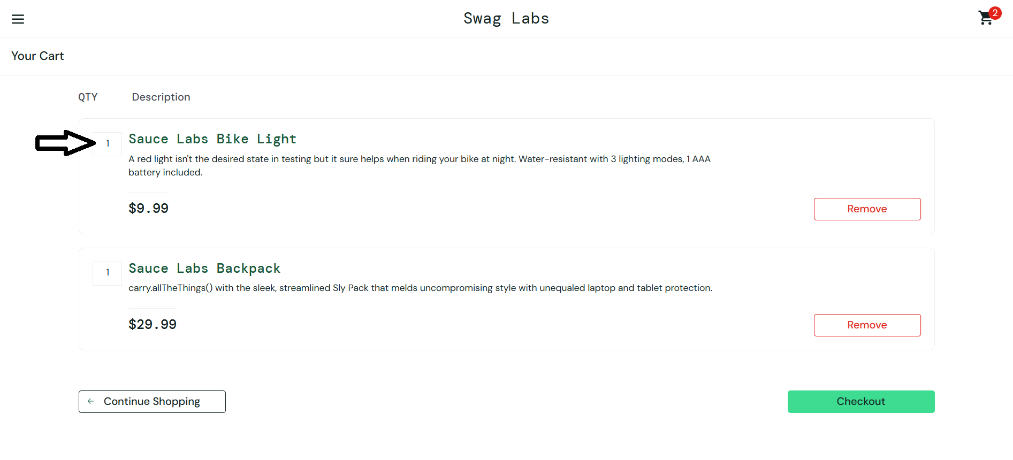 | 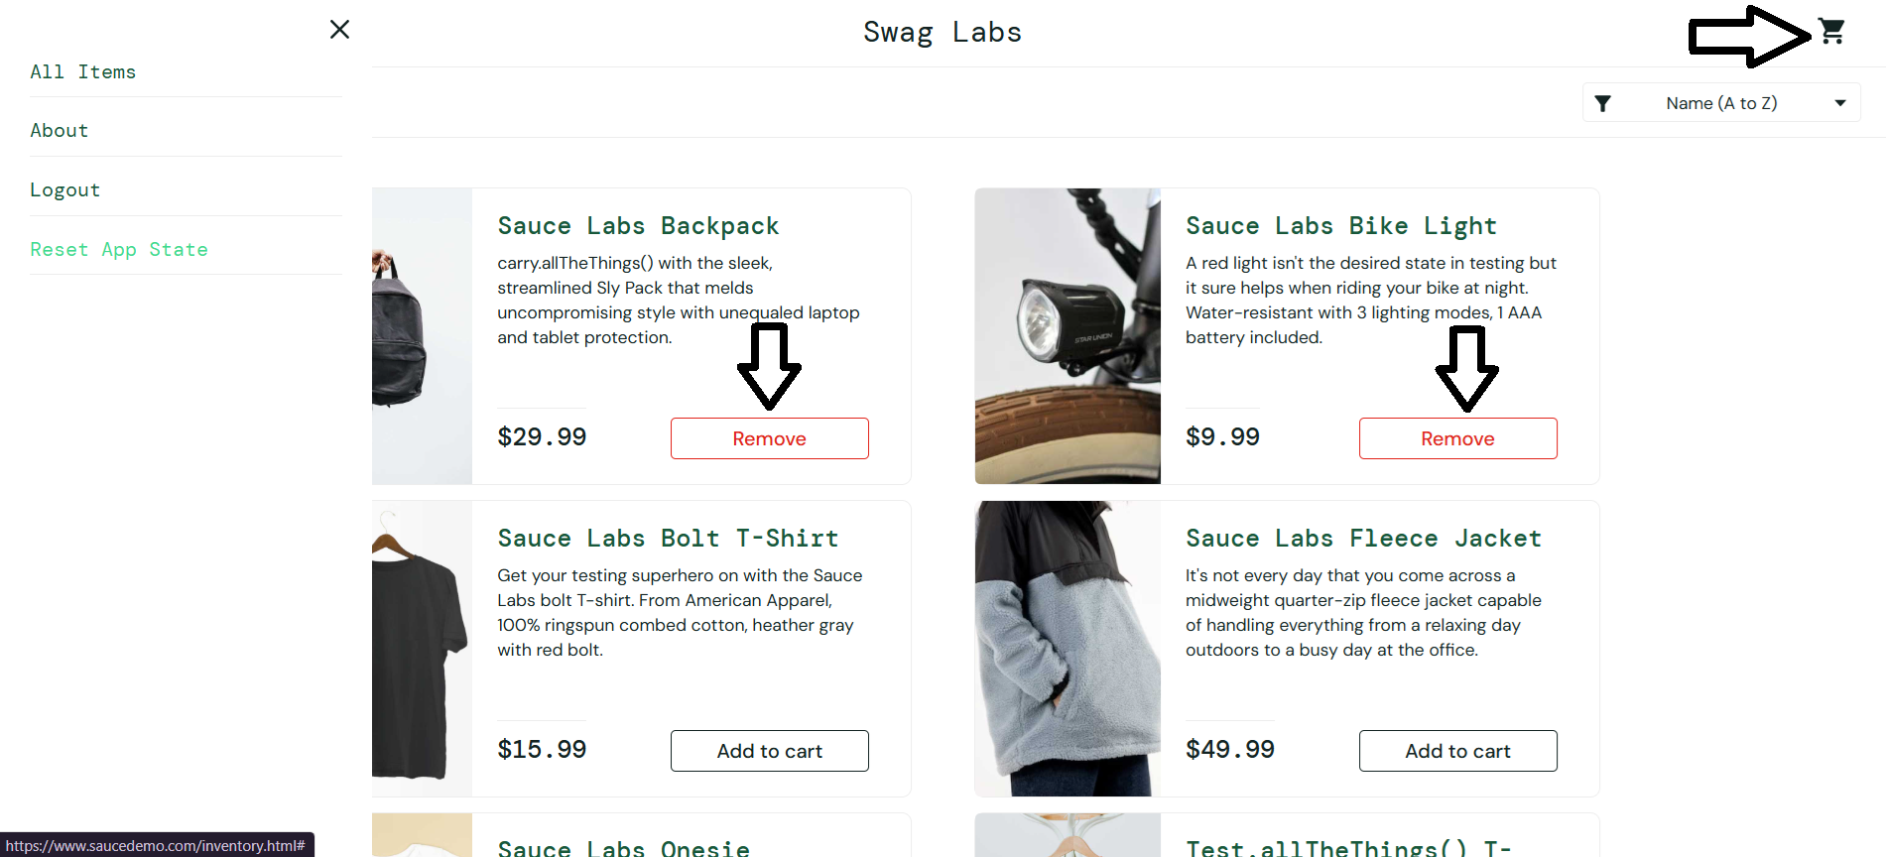
Fixed by
Date of fixing
Approvals (Manager)

