Cover_sheet
Great British Insulation Scheme (GBIS) Statistics
This spreadsheet contains a selection of data tables to provide an overview of the progression of the Great British Insulation scheme.
The Government announced the scheme at the end of March 2023. The £1 billion scheme aims to help the least energy efficient households across the country with the cost of installing new home insulation. The scheme is scheduled to run until March 2026. |  | 
GBIS will run alongside the current Energy Company Obligation scheme (ECO4). Legislation relating to the scheme came into force on 25 July 2023, with delivery on or after 30 March until 24 July 2023 being known as early delivery measures.
This release is based on data provided by Ofgem.

Publication dates
The data tables in this spreadsheet were published at 09:30am Thursday 21 November 2024.

Data Coverage
Data covered in this release is for delivery to the end of September 2024 and associated costs to the end of June 2024.
Data covered in this release is for Great Britain.

Units, notes and no data
Some cells in this workbook refer to notes, which can be found in the Notes worksheet. Note markers are presented in square brackets, for example [note 1].
Some cells of tables may be populated with the note marker [x] to indicate that no data is available or [z] to indicate not applicable. In Tables 5 and 6, certain cells have intentionally been left blank to enhance the readability of geography hierarchies in columns B, C and D of Table 5 and in columns B and C of Table 6 with an explanation given at the top of those worksheets.
Some column headings specify units. When this is the case, units are presented in round brackets to differentiate them from note markers.

Contact Details
Press Enquiries to the Press Officer: 020 7215 5975; or the news desk: 020 7215 1000
Responsible Statisticians: Isi Avbulimen and Mark Piatek
EnergyEfficiency.Stats@energysecurity.gov.uk
07927 579551

This workbook was updated on: | 2024-11-21
The next update for these statistics is: | 2024-12-19

Charts
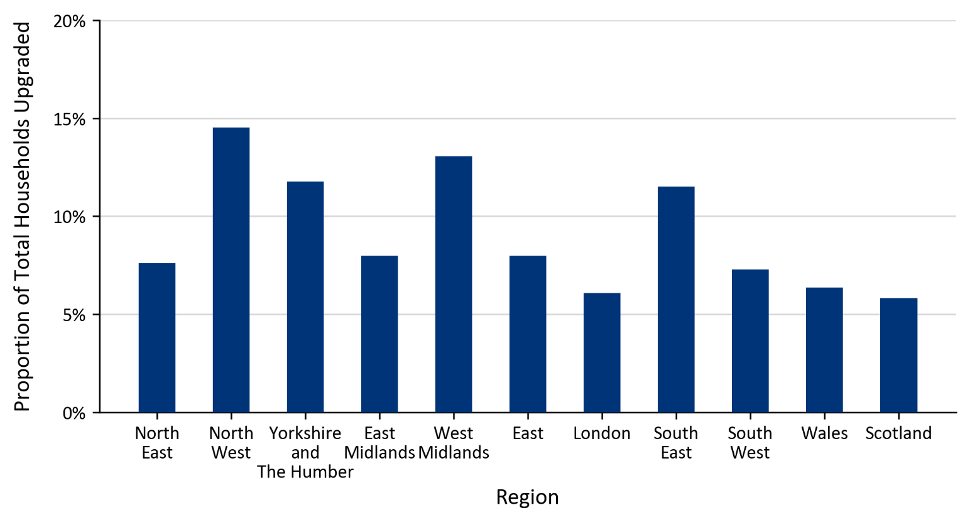
Charts visualising key statistics
This worksheet contains five charts that visualise some of the key statistics in the release.
This worksheet contains blank rows and columns to aid the presentation of the charts.
Chart 1: Number of Measures Installed by Installation Month | Chart 2: Number of Households Upgraded by First Installation Month
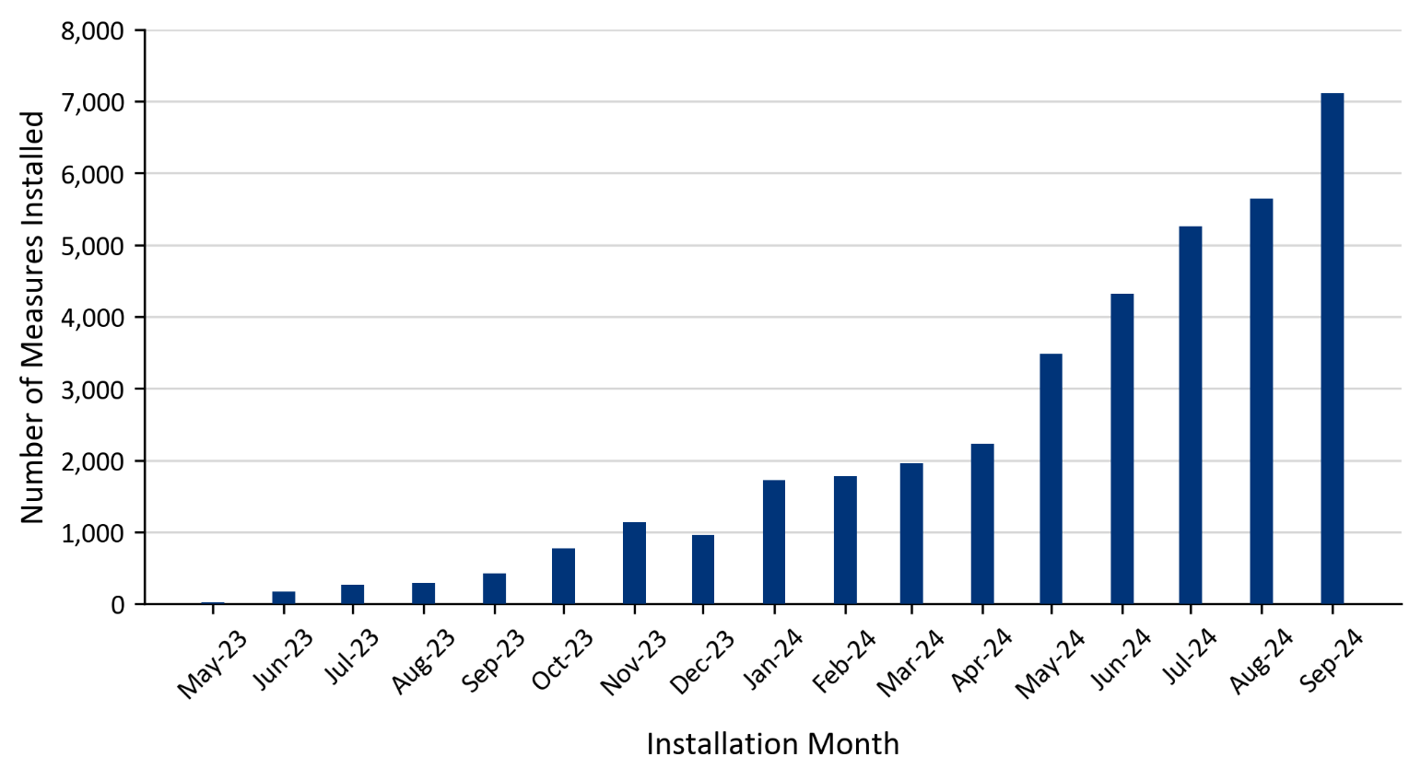 | 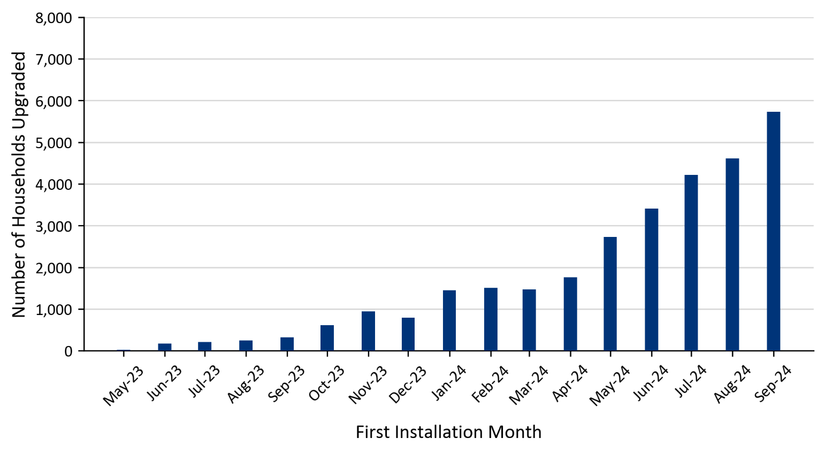
Chart 3: Number of Measures Installed by Measure Type (May 2023 to September 2024) | Chart 4: Proportion of Total Measures Installed by Region (May 2023 to September 2024)
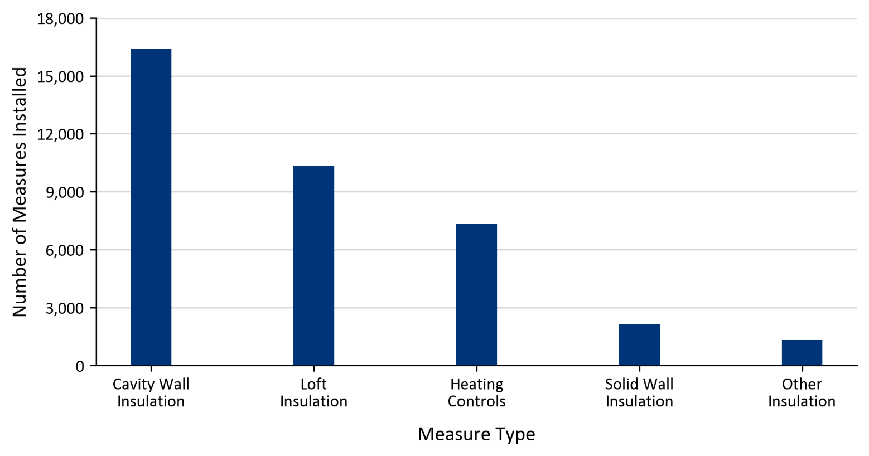 | 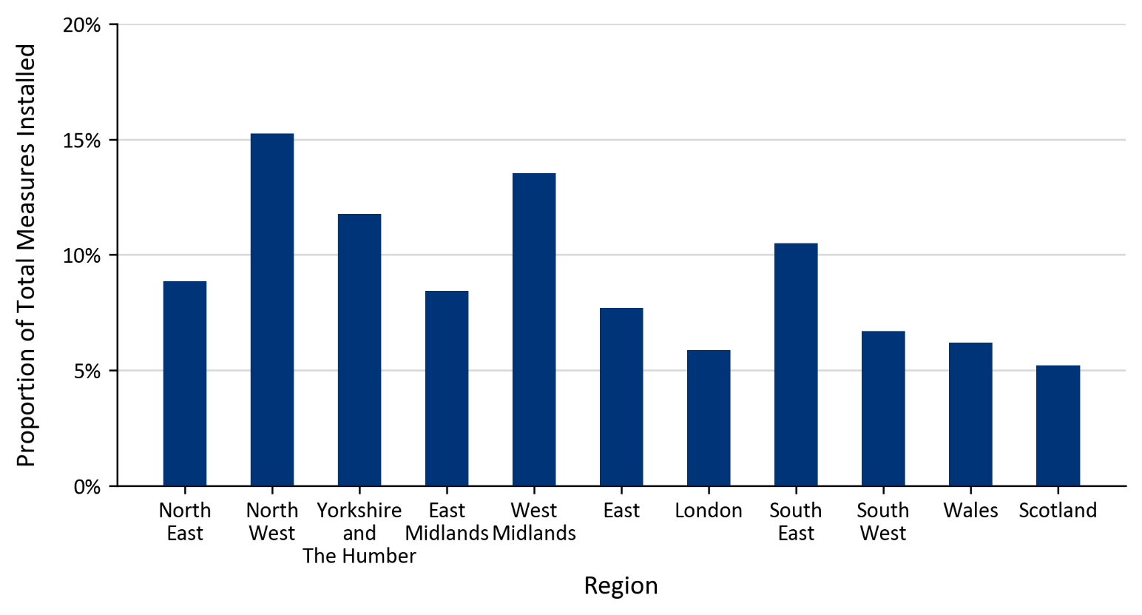
Chart 5: Proportion of Total Households Upgraded by Region (May 2023 to September 2024)

Map1
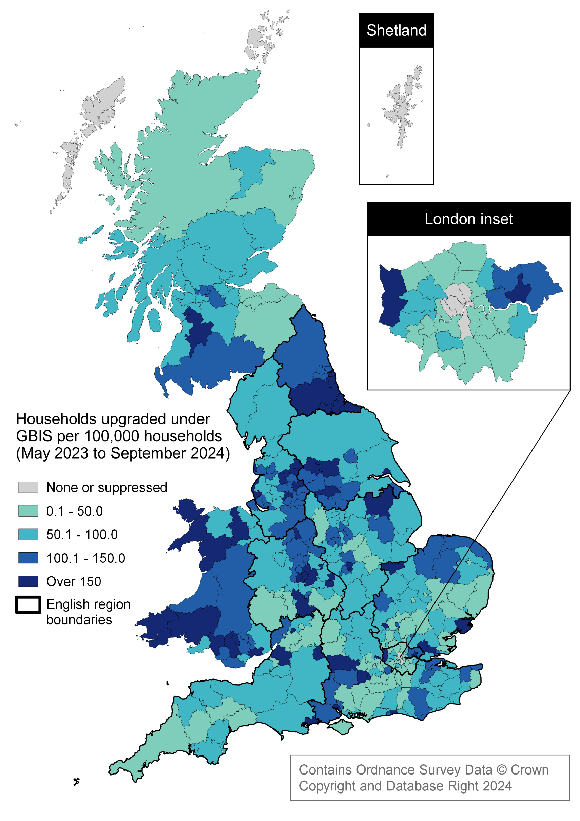
Map 1: Households upgraded under GBIS per 100,000 households by Local Authority (May 2023 to September 2024)
This worksheet contains a map showing, per each local authority area, the rate of households receiving a GBIS measure per 100,000 households from May 2023 to September 2024.

