Question_1
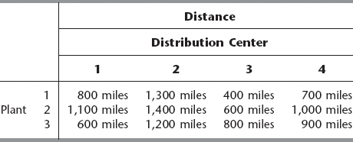
 |  |  |  |  |  |  | objective
 |  |  |  |  |  |  | 20200 | sumproduct *0.5 + 100(sum of variables)

 | 1 | 2 | 3 | 4
Plant 1 | 800 | 1300 | 400 | 700
plant 2 | 1100 | 1400 | 600 | 1000
plant 3 | 600 | 1200 | 800 | 900

 | 1 | 2 | 3 | 4
Plant 1 | 0 | 0 | 2 | 10 | 12 | = | 12 | sum of variables
plant 2 | 0 | 9 | 8 | 0 | 17 | = | 17
plant 3 | 10 | 1 | 0 | 0 | 11 | = | 11
 | 10 | 10 | 10 | 10
 | = | = | = | =
 | 10 | 10 | 10 | 10
 | sum of variables

