Problem_1
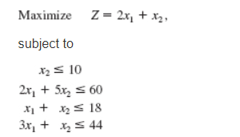
Decision variables |  |  |  |  | objective> maximum | objective function
 | x1 | x2
 | 13 | 5 |  |  | 31 | 2x1+x2

 |  |  | Resources utilized |  | Maximum Capacity | Equations
 |  |  | 51 | <= | 60 | 2x1+5x2
 |  |  | 18 | <= | 18 | x1+x2
 |  |  | 44 | <= | 44 | 3x1+x2
 |  |  | 5 | <= | 10 | x2<=10

