week7_session2_1
 |  |  |  |  |  | Objective
 |  |  |  |  |  | 29500

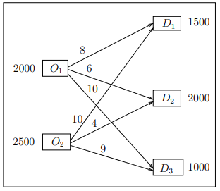
 | D1 | D2 | D3
O1 | 8 | 6 | 10
O2 | 10 | 4 | 9
 |  |  |  |  |  | supply

 | 1500 | 0 | 500 | 2000 | = | 2000
 | 0 | 2000 | 500 | 2500 | = | 2500
 | 1500 | 2000 | 1000
 | = | = | =
demand | 1500 | 2000 | 1000

week7_session_3
 |  |  |  |  |  |  | objective
 |  |  |  |  |  |  | 274
 | 1 | 2 | 3 | 4
A | 58 | 58 | 60 | 54
B | 66 | 70 | 70 | 78
C | 106 | 104 | 100 | 95
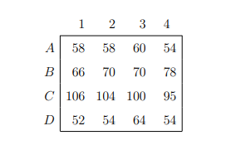
D | 52 | 54 | 64 | 54

 | 1 | 2 | 3 | 4
A | 0 | 0 | 0 | 1 | 1 | = | 1
B | 1 | 0 | 0 | 0 | 1 | = | 1
C | 0 | 0 | 1 | 0 | 1 | = | 1
D | 0 | 1 | 0 | 0 | 1 | = | 1
 | 1 | 1 | 1 | 1
 | = | = | = | =
 | 1 | 1 | 1 | 1

