Q1
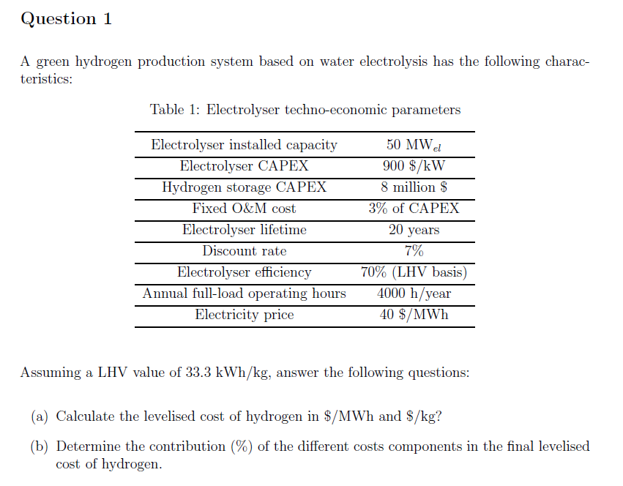

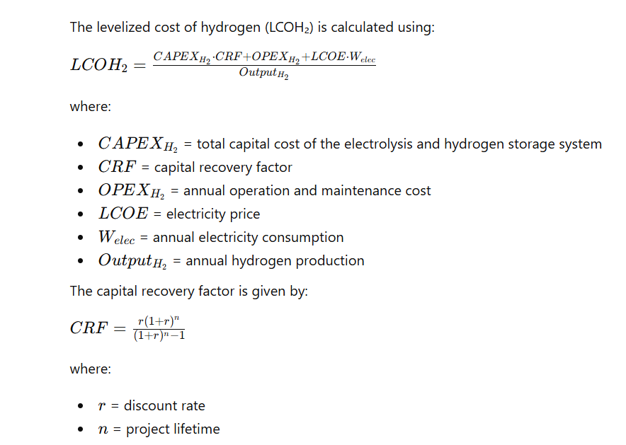

Input parameters
Electrolyzer capacity_el | 50 | MW
Electrolyzer CAPEX | 900 | $/kW
H2 storage CAPEX | 8 | M$
Fixed O&M | 3% | Total CAPEX
Lifetime | 20 | Years
Discount rate | 7%
Electrolyzer efficiency | 70% | (LHV basis)
Annual full-load operating hours | 4000 | h/years
Electricity_price | 40 | $/MWh

Calculate total system CAPEX
Total electrolyzer CAPEX | 45,000,000 | $
Total storage CAPEX | 8,000,000 | $
Total system CAPEX | 53,000,000 | $

Capital recovery factor
Capital recovery factor | 0.094392925743

Annualized (CAPEX + Fix O&M cost)
Annualized CAPEX | 5,002,825.06 | $
Annualized O&M cost | 150,085 | $ | Note: Multiply O&M with annual CAPEX rather than total CAPEX (error in the class), In the exam, it will be clear such as "X % of the annual CAPEX"
Total costs | 5152909.8163 | $

Annual electricity costs
Annual electricity consumption | 200000 | MWh
Annual electricity costs | 8000000 | $

Annual H2 production
H2 production | 140000 | MWh

LCOH2
LCOH2 | 93.949355831 | $/MWh
LCOH2 | 3.1285135492 | $/kg | 33.3 | kWh/kg

Distribution of cost component

CAPEX | 0.380 | 38.04 | %
OPEX | 0.011 | 1.14 | %
Elec | 0.608 | 60.82 | %

Q2
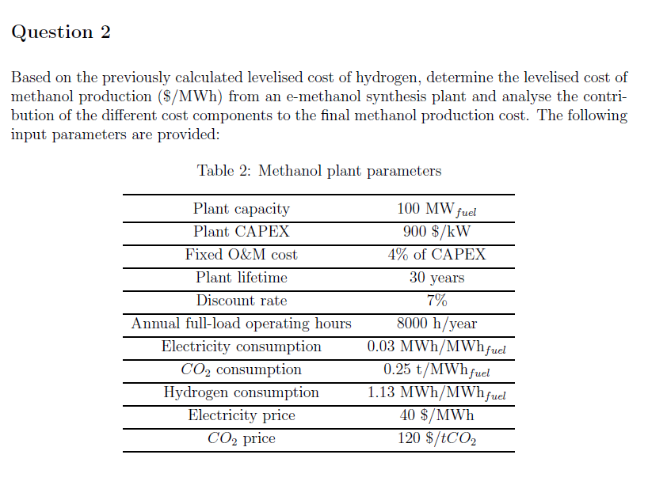
Parameter | Values | Methanol
Plant capacity (MW_fuel) | 100 | Calculate total system CAPEX
CAPEX ($/kW) | 900 | Total plant CAPEX | 90,000,000 | $
Fixed O&M (% CAPEX/year) | 4% | Total storage CAPEX | - | $
Electricity consumption (MWh/MWh_fuel) | 0.03 | Total system CAPEX | 90,000,000 | $
Hydrogen requirement (MWhH₂/MWh_fuel) | 1.13
CO₂ requirement (tCO₂/MWh_fuel) | 0.25 | Capital recovery factor
CO₂ price ($/tCO₂) | 120 | Capital recovery factor | 0.080586403511
Fuel LHV (MWh/ton) | 5.54
Operational hours | 8000 | Annualized CAPEX + Fix O&M cost
Electricity prices ($/MWh) | 40 | Annualized CAPEX | 7,252,776.32 | $
Discount rate | 7% | Annualized O&M cost | 290,111 | $
lifetime | 30 | Total costs | 7,542,887.37 | $
H2 cost ($/MWh) | 93.949355831
 |  | Annual electricity costs
 |  | Annual electricity consumption | 24000 | MWh
 |  | Annual electricity costs | 960000 | $

 |  | Annual H2 costs
 |  | H2 costs | 84930217.671 | MWh | 106.16277209 | $/MWh

 |  | Annual CO2 costs
 |  | CO2 | 24000000 | MWh | 30 | $/MWh

 |  | Fuel costs
 |  | Methanol costs | 146.79 | $/MWh

 |  | Cost distribution
 |  | CAPEX | 0.06 | 6.18 | %
 |  | OPEX | 0.00 | 0.25 | %
 |  | elec | 0.0081748668714 | 0.82 | %
 |  | H2 | 0.72322210711 | 72.32 | %
 |  | CO2 | 0.20437167179 | 20.44 | %

