Q1
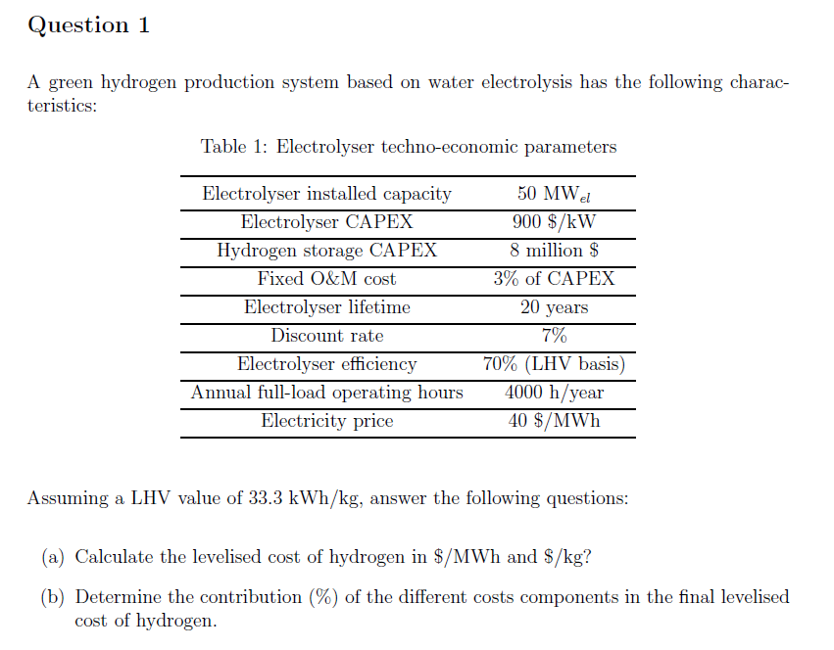
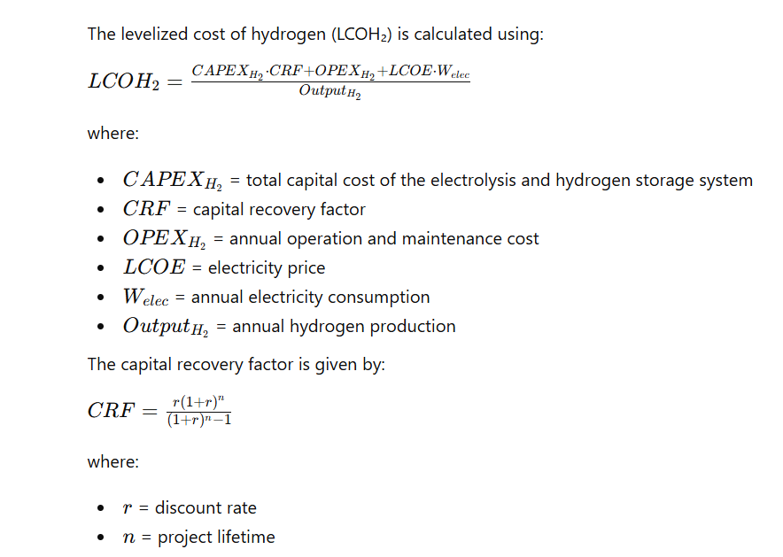

Input parameters
Electrolyzer capacity_el | 50 | MW
Electrolyzer CAPEX | 900 | $/kW
H2 storage CAPEX | 8 | M$
Fixed O&M | 3% | Total CAPEX
Lifetime | 20 | Years
Discount rate | 7%
Electrolyzer efficiency | 70% | (LHV basis)
Annual full-load operating hours | 4000 | h/years
Electricity_price | 40 | $/MWh

Calculate total system CAPEX
Total electrolyzer CAPEX |  | $
Total storage CAPEX |  | $
Total system CAPEX |  | $

Capital recovery factor
Capital recovery factor

Annualized (CAPEX + Fix O&M cost)
Annualized CAPEX | - | $
Annualized O&M cost | - | $
Total costs |  | $

Annual electricity costs
Annual electricity consumption |  | MWh
Annual electricity costs |  | $

Annual H2 production
H2 production |  | MWh

LCOH2
LCOH2 |  | $/MWh
LCOH2 |  | $/kg | 33.3 | kWh/kg

Distribution of cost component

CAPEX |  | %
OPEX |  | %
Elec |  | %

Q2
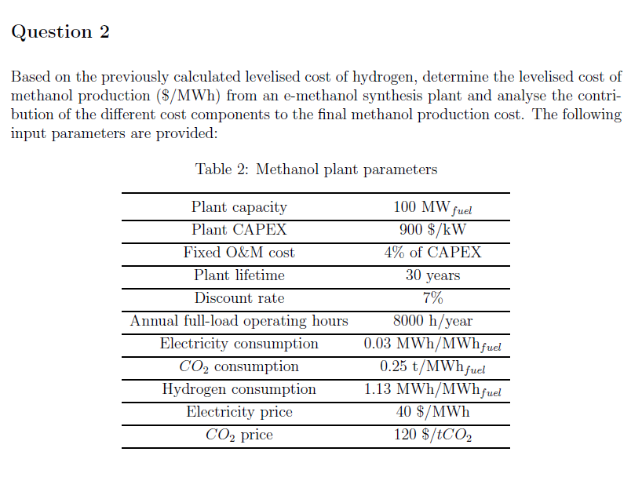
Parameter | Values | Methanol
Plant capacity (MW_fuel) | 100 | Calculate total system CAPEX
CAPEX ($/kW) | 900 | Total plant CAPEX | $
Fixed O&M (% CAPEX/year) | 4% | Total storage CAPEX | $
Electricity consumption (MWh/MWh_fuel) | 0.03 | Total system CAPEX | $
Hydrogen requirement (MWhH₂/MWh_fuel) | 1.13
CO₂ requirement (tCO₂/MWh_fuel) | 0.25 | Capital recovery factor
CO₂ price ($/tCO₂) | 120 | Capital recovery factor
Fuel LHV (MWh/ton) | 5.54
Operational hours | 8000 | Annualized CAPEX + Fix O&M cost
Electricity prices ($/MWh) | 40 | Annualized CAPEX | $
Discount rate | 7% | Annualized O&M cost | $
lifetime | 30 | Total costs | $
H2 cost ($/MWh) | 0
 |  | Annual electricity costs
 |  | Annual electricity consumption | MWh
 |  | Annual electricity costs | $

 |  | Annual H2 costs
 |  | H2 costs | MWh

 |  | Annual CO2 costs
 |  | CO2 | $/MWh

 |  | Fuel costs
 |  | Methanol costs | $/MWh

 |  | Cost distribution
 |  | CAPEX |  | %
 |  | OPEX |  | %
 |  | elec |  | %
 |  | H2 |  | %
 |  | CO2 |  | %

