Summary
Category | Count
Passed | 65
Failed | 0
Skipped | 0
Total | 65
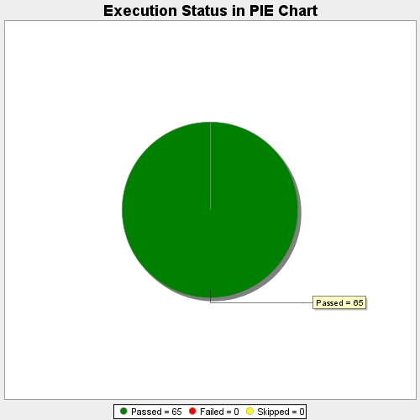
Start Time | 2022-02-01T11:16:01Z
End Time | 2022-02-01T11:46:55Z
Duration | 1853982 ms

