Sheet1
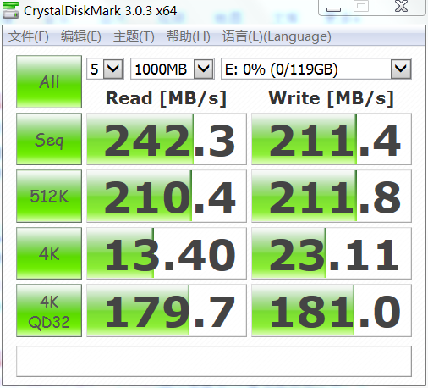
88

12
34
56
78

