Sheet1
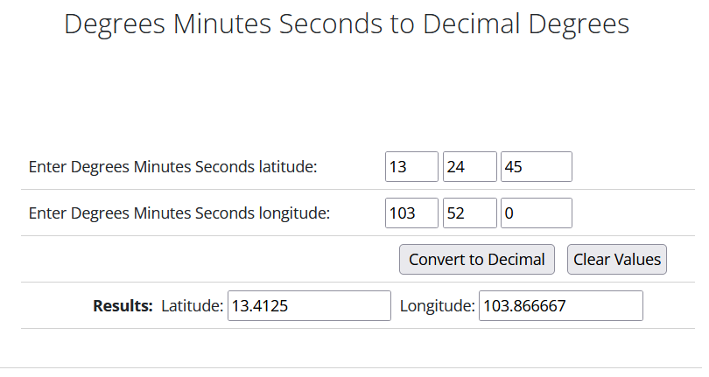
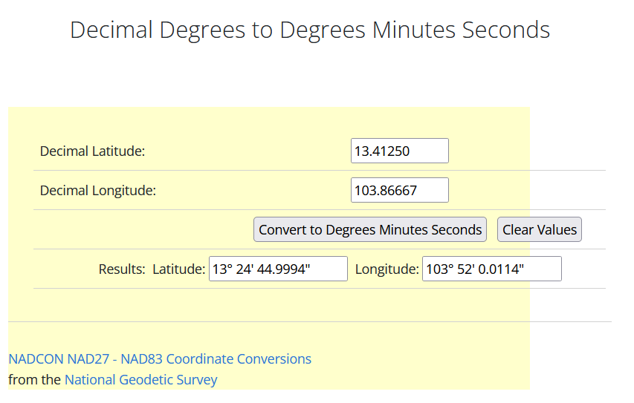
Degrees Minutes Seconds to Decimal Degrees |  |  |  | Decimal Degrees to Degrees Minutes Seconds

 | D | M | S | Enter Degree Minutes Seconds Latitude: | 13.7125
Enter Degree Minutes Seconds Latitude: | 13 | 24 | 45 | Enter Degree Minutes Seconds Longitude: | 103.86667
Enter Degree Minutes Seconds Longitude: | 103 | 52 | 0
 |  |  |  | Results: | Latitude: | 13° 42' 45.0000000000013''
Results: | Latitude: | 13.4125 |  |  | Or | 13° 42' 45.0000000000013'' N
 | Longitude: | 103.86666667 |  |  | Longitude: | 103° 52' 0.0119999999969878''
 |  |  |  |  | Or | 103° 52' 0.0119999999969878'' E

