Sheet1
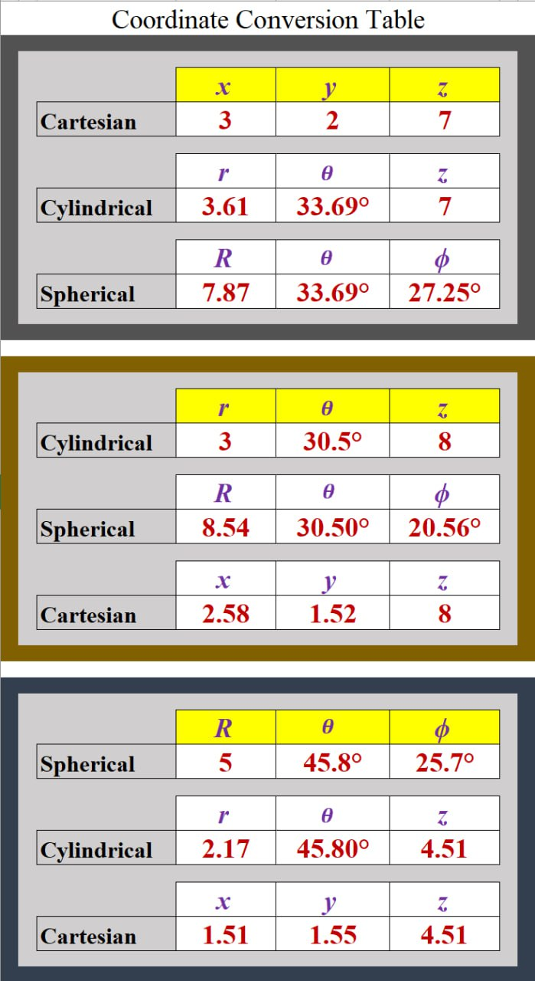
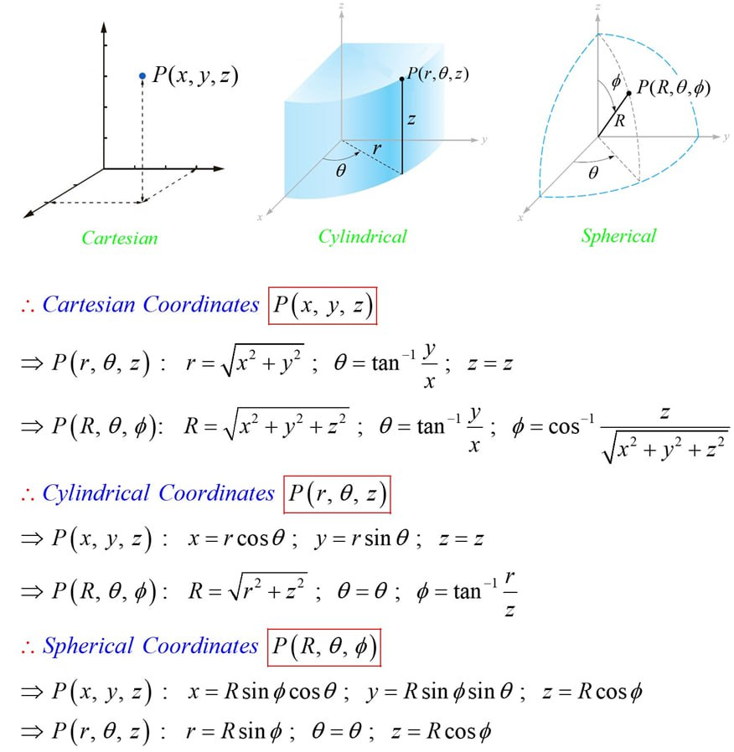
Coordinate Conversion Table

 |  | x | y | z
 | Cartesian | 3 | 2 | 7

 |  | r | 𝜃 | z
 | Cylindrical | 3.61 | 33.69° | 7

 |  | R | 𝜃 | ∅
 | Spherical | 7.87 | 33.69° | 27.25°

 |  | r | 𝜃 | z
 | Cylindrical | 3 | 30.50° | 8

 |  | x | y | z
 | Cartesian | 2.58 | 1.52 | 8

 |  | R | 𝜃 | ∅
 | Spherical | 8.54 | 30.5° | 20.56°

 |  | R | 𝜃 | ∅
 | Spherical | 5 | 45.80° | 25.70°

 |  | x | y | z
 | Cartesian | 1.51 | 1.55 | 4.51

 |  | r | 𝜃 | z
 | Cylindrical | 2.17 | 45.8° | 4.51

