Costs & Budget
BUDGET |  | COST |  | TIME
light upgrades | $500,000.00 | energy + network cost per kWh | $0.40 | Charged hours per light per day (unmetered) | 10
light maintenance | $50,000.00 | install a new solar pole | $8,000.00
 |  | replace bulb | $700.00
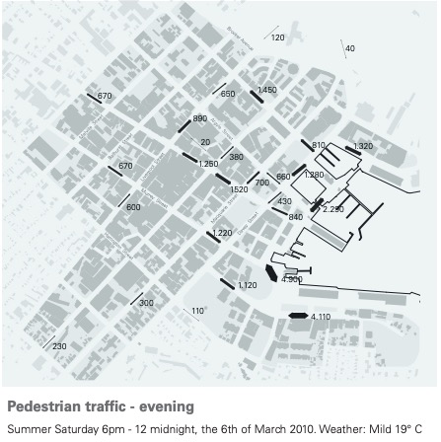
 |  |  |  | FORMULA for converting Watts (W) to Energy (kWh)
 |  |  |  | E(kWh) = P(W) × t(hr) / 1000

 |  |  |  | STREETS with high foot traffic after 6pm (in order from highest to lowest)
 |  |  |  | Morrison Street
 |  |  |  | Salamanca Place
 |  |  |  | Elizabeth Street Bus Mall
 |  |  |  | Elizabeth street Mall
 |  |  |  | Liverpool Street
 |  |  |  | Campbell Street
 |  |  |  | Franklin Warf
 |  |  |  | Davey Street
 |  |  |  | Murray Street
 |  |  |  | Brooker Avenue

 |  |  |  | ADDITIONAL INFORMATION
 |  |  |  | Solar poles have an expected life of 20 years.

