Moves
 |  |  | Detail | Detail | Zoom | Zoom | Glass | Glass
 |  |  | xpos | ypos | xpos | ypos | xpos | ypos
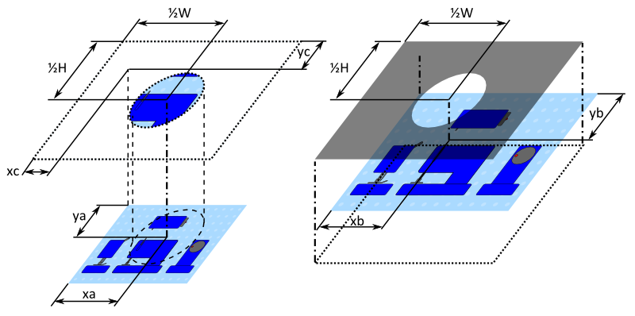
 | xa | ya | xb | yb | xc | yc | xc | yc
0.00 | 1200 | 1200 | -1200 | -1350 | 600 | 750 | 600.0 | 750.0
1.00 | 680 | 319 | -420 | -28.5 | 80 | -131 | 80.0 | -131.0
2.21 | 680 | 319 | -420 | -28.5 | 80 | -131 | 80.0 | -131.0
3.21 | 169 | 315 | 346.5 | -22.5 | -431 | -135 | -431.0 | -135.0
4.43 | 169 | 315 | 346.5 | -22.5 | -431 | -135 | -431.0 | -135.0
5.43 | 293 | 433 | 160.5 | -199.5 | -307 | -17 | -307.0 | -17.0
6.64 | 293 | 433 | 160.5 | -199.5 | -307 | -17 | -307.0 | -17.0
7.64 | 465 | 133 | -97.5 | 250.5 | -135 | -317 | -135.0 | -317.0
8.86 | 465 | 133 | -97.5 | 250.5 | -135 | -317 | -135.0 | -317.0
9.86 | 111 | 434 | 433.5 | -201 | -489 | -16 | -489.0 | -16.0
11.07 | 111 | 434 | 433.5 | -201 | -489 | -16 | -489.0 | -16.0
12.07 | 1200 | 1200 | -1200 | -1350 | 600 | 750 | 600.0 | 750.0

 | W | 1200 |  | W' | 800
 | H | 900 |  | H' | 600

 | Scale | 1.5 | 247 | 370.5 | 377 | -6.5
 |  |  | 356 | 534 | 462 | 72

