Switch Board
OLD LEGENDS CLUB
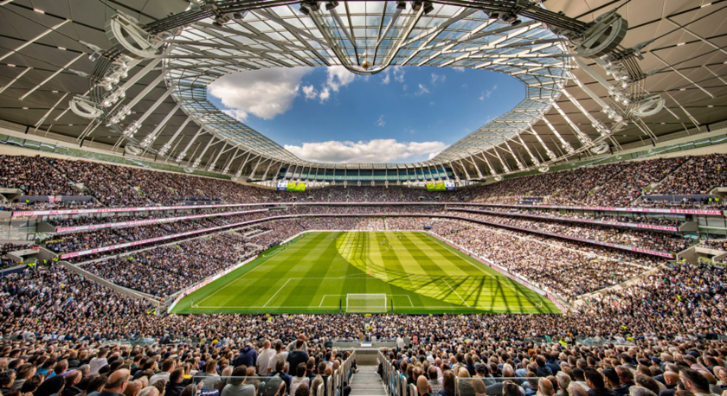

 |  |  | Lion's Roar Stand - 60 Seats
 | Seating Areas Types
 | Total Seats | 60 | Ticket Pricing | Regular | VIP
 | VIP Seats | 45 | Adult | £759 | £999
 | Regular Seating | 15 | Child | £498 | £665
 |  |  | Concession - OAP | £515 | £705
 |  |  | Student | £405 | £695

 |  |  | Seating Area
 |  |  | Regular | Area A | Area C
 |  |  | VIP | Area B

Summary of information
Summary Of Information
Total Number of Season-Ticket Applications
Metric | Value
Total Applications | 70
Total Applications
Total Succesful Applications | 55
Total Pending Application | 9
Total Unsuccessful Application | 6

Total Number of Season-Ticket Applications
Ticket type | Total Applications
Adult | 31
Child | 11
Concession - OAP | 13
Student | 15
Total | 70

Seating Area Allocation
Seating Area | Total Seats Allocated
Area A (Regular) | 21
Area B (Regular) | 22
Area C (VIP) | 12

Total Allocated vs. Unallocated Seats
Status | Count
Allocated | 55
Unallocated | 15

Breakdown Of The Ticket Types By Seating Areas
Ticket Type | Area A | Area B | Area C(VIP) | Total
Adult | 7 | 9 | 5 | 21
Child | 3 | 4 | 2 | 9
Concession -OAP | 6 | 4 | 3 | 13
Student | 5 | 5 | 2 | 12
Total | 21 | 22 | 12 | 55

Revenue Summary
Ticket Type | Regular Price | VIP Price | Ticket Sold (Regular) | Ticket Sold (VIP) | Total Revenue
Adult | 759 | 999 | 16 | 5 | £17,139.00
Child | 498 | 665 | 7 | 2 | £4,816.00
Concession - OAP | 515 | 705 | 10 | 3 | £7,265.00
Student | 405 | 695 | 10 | 2 | £4,747.00
Total | N/A | N/A | 43 | 12 | £33,967.00

