Coil 2 Resistance 6_15_26
C2
Current: 9.95 A | Voltage: 0.089V
Position | Voltage(mV) | dV | R (mOhm)
Handle | 0.106 | 0.106 | 0.011
C2 (Voltage: 0.089 V, Current: 9.95 A)
Bottom | 1.414 | 1.308 | 0.131
1 | 1.981 | 0.567 | 0.057
2 | 4.18 | 2.199 | 0.221
3 | 6.512 | 2.332 | 0.234
4 | 8.753 | 2.241 | 0.225
5 | 11.068 | 2.315 | 0.233
6 | 13.351 | 2.283 | 0.229
7 | 15.64 | 2.289 | 0.230
8 | 17.942 | 2.302 | 0.231
9 | 20.117 | 2.175 | 0.219
10 | 22.384 | 2.267 | 0.228
11 | 24.653 | 2.269 | 0.228
12 | 26.863 | 2.21 | 0.222
13 | 29.27 | 2.407 | 0.242
14 | 31.605 | 2.335 | 0.235
15 | 34.004 | 2.399 | 0.241
16 | 36.259 | 2.255 | 0.227
17 | 38.491 | 2.232 | 0.224
18 | 40.873 | 2.382 | 0.239
19 | 43.121 | 2.248 | 0.226
20 | 45.332 | 2.211 | 0.222
21 | 47.687 | 2.355 | 0.237
22 | 49.982 | 2.295 | 0.231
23 | 52.289 | 2.307 | 0.232
24 | 54.522 | 2.233 | 0.224
25 | 56.796 | 2.274 | 0.229
26 | 59.041 | 2.245 | 0.226
27 | 61.279 | 2.238 | 0.225
28 | 63.514 | 2.235 | 0.225
29 | 66.056 | 2.542 | 0.255
30 | 68.237 | 2.181 | 0.219
31 | 70.449 | 2.212 | 0.222
32 | 72.763 | 2.314 | 0.233
Handle | 73.266 | 0.503 | 0.051
End | 73.401 | 0.135 | 0.014

Coil 1 Resistance 6_15_26
C1
Current: 9.95 A | Voltage: 0.084 V
Position | Voltage(mV) | dV | R (mOhm)
Handle | 0.113 | 0.113 | 0.011
Bottom | 1.326 | 1.213 | 0.122
C1(Voltage: 0.084 V, Current: 9.95 A)
1 | 2.009 | 0.683 | 0.069
2 | 4.33 | 2.321 | 0.233
3 | 6.632 | 2.302 | 0.231
4 | 8.883 | 2.251 | 0.226
5 | 11.175 | 2.292 | 0.230
6 | 13.43 | 2.255 | 0.227
7 | 15.733 | 2.303 | 0.231
8 | 18.075 | 2.342 | 0.235
9 | 20.987 | 2.912 | 0.293
10 | 23.234 | 2.247 | 0.226
11 | 25.561 | 2.327 | 0.234
12 | 27.867 | 2.306 | 0.232
13 | 30.168 | 2.301 | 0.231
14 | 32.44 | 2.272 | 0.228
15 | 34.713 | 2.273 | 0.228
16 | 37.015 | 2.302 | 0.231
17 | 39.376 | 2.361 | 0.237
18 | 41.758 | 2.382 | 0.239
19 | 44.147 | 2.389 | 0.240
20 | 46.453 | 2.306 | 0.232
21 | 48.742 | 2.289 | 0.230
22 | 51.067 | 2.325 | 0.234
23 | 53.253 | 2.186 | 0.220
24 | 55.475 | 2.222 | 0.223
25 | 57.909 | 2.434 | 0.245
26 | 60.282 | 2.373 | 0.238
27 | 62.454 | 2.172 | 0.218
28 | 64.675 | 2.221 | 0.223
29 | 67.136 | 2.461 | 0.247
30 | 69.327 | 2.191 | 0.220
31 | 71.678 | 2.351 | 0.236
32 | 73.949 | 2.271 | 0.228
Handle | 74.442 | 0.493 | 0.050
End | 74.55 | 0.108 | 0.011

Resistance 2_19_26
 | C1 |  | C2 |  | Summary
Position | Voltage (mV) | Resistance (mΩ) | Voltage (mV) | Resistance (mΩ) | Position | C1 | C2
input | 0.464 | 0.15466666667 | 0.037 | 0.012333333333 | 0 | 0.14366666667 | 0.142
handle (in) | 0.495 | 0.010333333333 | 0.058 | 0.007 | 1 | 0.070333333333 | 0.12133333333
0 | 0.926 | 0.14366666667 | 0.484 | 0.142 | 2 | 0.24133333333 | 0.33233333333
1 | 1.137 | 0.070333333333 | 0.848 | 0.12133333333 | 3 | 0.257 | 0.27866666667
2 | 1.861 | 0.24133333333 | 1.845 | 0.33233333333 | 4 | 0.21433333333 | 0.27
3 | 2.632 | 0.257 | 2.681 | 0.27866666667 | 5 | 0.22833333333 | 0.26666666667
4 | 3.275 | 0.21433333333 | 3.491 | 0.27 | 6 | 0.249 | 0.453
5 | 3.96 | 0.22833333333 | 4.291 | 0.26666666667 | 7 | 0.24033333333 | 0.258
6 | 4.707 | 0.249 | 5.65 | 0.453 | 8 | 0.22933333333 | 0.26266666667
Resistance
7 | 5.428 | 0.24033333333 | 6.424 | 0.258 | 9 | 0.23766666667 | 0.27766666667
8 | 6.116 | 0.22933333333 | 7.212 | 0.26266666667 | 10 | 0.24233333333 | 0.27466666667
9 | 6.829 | 0.23766666667 | 8.045 | 0.27766666667 | 11 | 0.26833333333 | 0.274
10 | 7.556 | 0.24233333333 | 8.869 | 0.27466666667 | 12 | 0.26733333333 | 0.34266666667
11 | 8.361 | 0.26833333333 | 9.691 | 0.274 | 13 | 0.34833333333 | 0.28
12 | 9.163 | 0.26733333333 | 10.719 | 0.34266666667 | 14 | 0.254 | 0.31433333333
13 | 10.208 | 0.34833333333 | 11.559 | 0.28 | 15 | 0.251 | 0.27033333333
14 | 10.97 | 0.254 | 12.502 | 0.31433333333 | 16 | 0.23566666667 | 0.26333333333
15 | 11.723 | 0.251 | 13.313 | 0.27033333333 | 17 | 0.256 | 0.30233333333
16 | 12.43 | 0.23566666667 | 14.103 | 0.26333333333 | 18 | 0.21666666667 | 0.25733333333
17 | 13.198 | 0.256 | 15.01 | 0.30233333333 | 19 | 0.27266666667 | 0.297
18 | 13.848 | 0.21666666667 | 15.782 | 0.25733333333 | 20 | 0.24833333333 | 0.338
19 | 14.666 | 0.27266666667 | 16.673 | 0.297 | 21 | 0.264 | 0.66133333333
20 | 15.411 | 0.24833333333 | 17.687 | 0.338 | 22 | 0.28266666667 | 0.28133333333
21 | 16.203 | 0.264 | 19.671 | 0.66133333333 | 23 | 0.28133333333 | 0.27066666667
22 | 17.051 | 0.28266666667 | 20.515 | 0.28133333333 | 24 | 0.26366666667 | 0.33966666667
23 | 17.895 | 0.28133333333 | 21.327 | 0.27066666667 | 25 | 0.32066666667 | 0.47
24 | 18.686 | 0.26366666667 | 22.346 | 0.33966666667 | 26 | 0.41433333333 | 0.28566666667
25 | 19.648 | 0.32066666667 | 23.756 | 0.47 | 27 | 0.22133333333 | 0.438
26 | 20.891 | 0.41433333333 | 24.613 | 0.28566666667 | 28 | 0.227 | 0.266
27 | 21.555 | 0.22133333333 | 25.927 | 0.438 | 29 | 0.26433333333 | 0.241
28 | 22.236 | 0.227 | 26.725 | 0.266 | 30 | 0.25733333333 | 0.242
29 | 23.029 | 0.26433333333 | 27.448 | 0.241 | 31 | 0.28033333333 | 0.25866666667
30 | 23.801 | 0.25733333333 | 28.174 | 0.242
31 | 24.642 | 0.28033333333 | 28.95 | 0.25866666667
handle (out) | 25.5 | 0.286 | 29.837 | 0.29566666667
output | 25.5535 | 0.017833333333 | 29.873 | 0.012

total |  | 8.3631666667 |  | 9.9453333333

Coil 1 Resistance 7_29_25 (UTD)
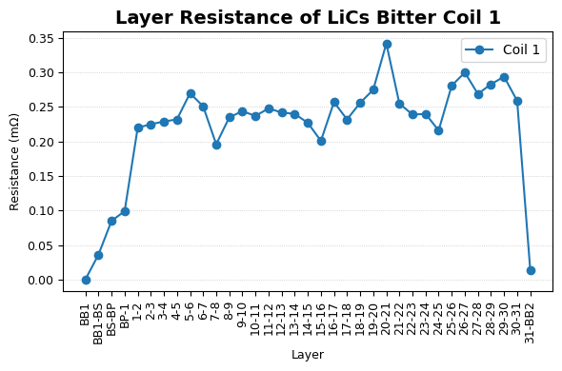
 | Total Resistance (mΩ) | Layer Resistance (mΩ)

Layer
BB1 | 0 | 0
BB1-BS | 0.036 | 0.036
BS-BP | 0.121 | 0.085
BP-1 | 0.22 | 0.099
2025-01-02 | 0.44 | 0.22
2025-02-03 | 0.665 | 0.225
2025-03-04 | 0.894 | 0.229
2025-04-05 | 1.126 | 0.232
2025-05-06 | 1.396 | 0.27
2025-06-07 | 1.647 | 0.251
2025-07-08 | 1.843 | 0.196
2025-08-09 | 2.078 | 0.235
2025-09-10 | 2.322 | 0.244
2025-10-11 | 2.559 | 0.237
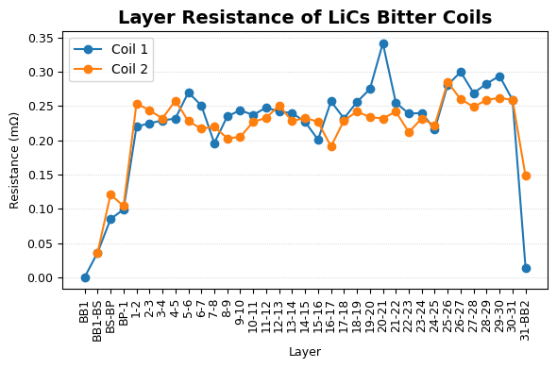
2025-11-12 | 2.807 | 0.248
2025-12-13 | 3.049 | 0.242
13-14 | 3.289 | 0.24
14-15 | 3.516 | 0.227
15-16 | 3.717 | 0.201
16-17 | 3.974 | 0.257
17-18 | 4.206 | 0.232
18-19 | 4.462 | 0.256
19-20 | 4.737 | 0.275
20-21 | 5.079 | 0.342
21-22 | 5.334 | 0.255
22-23 | 5.573 | 0.239
23-24 | 5.813 | 0.24
24-25 | 6.029 | 0.216
25-26 | 6.31 | 0.281
26-27 | 6.61 | 0.3
27-28 | 6.879 | 0.269
28-29 | 7.162 | 0.283
29-30 | 7.456 | 0.294
30-31 | 7.715 | 0.259
31-BB2 | 7.729 | 0.014

 |  |  | Important Coil Layer Resistance Statistics (for (1-2)-(30-31))

 |  |  |  | Coil 1 | Coil 2 | Both Coils
 |  |  | Minimum | 0.196 | 0.191 | 0.191
 |  |  | Average | 0.2498333333 | 0.2356666667 | 0.24275
 |  |  | Median | 0.246 | 0.2325 | 0.23925
 |  |  | Standard Deviation | 0.05433799522 | 0.02027285145 | 0.037305423335
 |  |  | Maximum | 0.342 | 0.285 | 0.342

Coil 2 Resistance 8_01_25 (UTD)
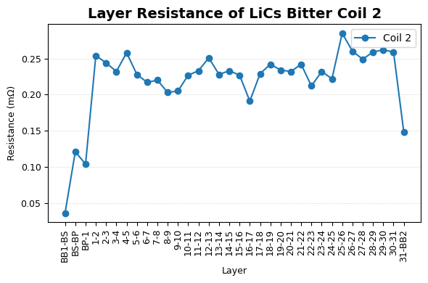
Layer | Total Resistance (mΩ) | Layer Resistance (m Ω)

BB1 | 0
BB1-BS | 0.036 | 0.036
BS-BP | 0.157 | 0.121
BP-1 | 0.261 | 0.104
2025-01-02 | 0.515 | 0.254
2025-02-03 | 0.759 | 0.244
2025-03-04 | 0.991 | 0.232
2025-04-05 | 1.249 | 0.258
2025-05-06 | 1.477 | 0.228
2025-06-07 | 1.694 | 0.217
2025-07-08 | 1.914 | 0.22
2025-08-09 | 2.117 | 0.203
2025-09-10 | 2.322 | 0.205
2025-10-11 | 2.549 | 0.227
2025-11-12 | 2.782 | 0.233
2025-12-13 | 3.033 | 0.251
13-14 | 3.261 | 0.228
14-15 | 3.494 | 0.233
15-16 | 3.721 | 0.227
16-17 | 3.912 | 0.191
17-18 | 4.141 | 0.229
18-19 | 4.383 | 0.242
19-20 | 4.617 | 0.234
20-21 | 4.849 | 0.232
21-22 | 5.091 | 0.242
22-23 | 5.303 | 0.212
23-24 | 5.535 | 0.232
24-25 | 5.757 | 0.222
25-26 | 6.042 | 0.285
26-27 | 6.302 | 0.26
27-28 | 6.551 | 0.249
28-29 | 6.81 | 0.259
29-30 | 7.072 | 0.262
30-31 | 7.331 | 0.259
31-BB2 | 7.479 | 0.148

 |  |  | Important Coil Layer Resistance Statistics (for (1-2)-(30-31)) | Coil 1 | Coil 2 | Both Coils
 |  |  | Minimum | 0.196 | 0.191 | 0.191
 |  |  | Average | 0.2498333333 | 0.2356666667 | 0.24275
 |  |  | Median | 0.246 | 0.2325 | 0.23925
 |  |  | Standard Deviation | 0.05433799522 | 0.02027285145 | 0.037305423335
 |  |  | Maximum | 0.342 | 0.285 | 0.342

Coil 1 B-Field 8_04_25 (UTD)
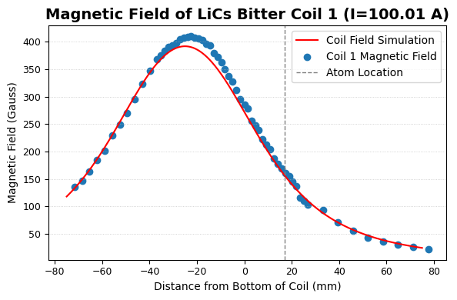
Distance from Coil Bottom (mm) | Magnetic Field (Gauss)

-74.8538 | 126.29
-71.6788 | 135.67
-68.5038 | 146.96
-65.3288 | 163.47
-62.1538 | 184.83
-58.9788 | 200.84
-55.8038 | 229.51
-52.6288 | 249.33
-49.4538 | 269.53
-46.2788 | 296.01
-43.1038 | 323.04
-39.9288 | 346.7
-36.7538 | 367.53
-35.1663 | 375.06
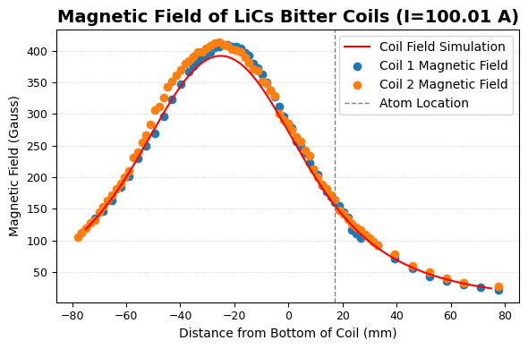
-33.5788 | 383.87
-31.9913 | 390.44
-30.4038 | 394.05
-28.8163 | 397.55
-27.2288 | 404.8
-25.6413 | 406.91
-24.0538 | 408.93
-22.4663 | 410.04
-20.8788 | 407.14
-19.2913 | 406.01
-17.7038 | 403.18
-16.1163 | 396.48
-14.5288 | 392.8
-12.9413 | 380.07
-11.3538 | 372.77
-9.7663 | 362.85
-8.1788 | 349.47
-6.5913 | 337.49
-5.0038 | 327.16 | Coil Bottom Approximately Here: 2.947 inches from the top
-3.4163 | 311.56
-1.8288 | 295.7
-0.2413 | 285.49
1.3462 | 278.37
2.9337 | 256.37
4.5212 | 247.98
6.1087 | 238.64
7.6962 | 222.79
9.2837 | 213.2
10.8712 | 203.95 |  |  | Atoms approximately here 17 mm from coil bottom
12.4587 | 186.77
14.0462 | 178.21
15.6337 | 169.18
17.2212 | 161.04
18.8087 | 155.28
20.3962 | 145.65
21.9837 | 136.9
23.5712 | 116.13
25.1587 | 110.88
26.7462 | 103.46
33.0962 | 92.88
39.4462 | 71.55
45.7962 | 55.47
52.1462 | 42.79
58.4962 | 35.77
64.8462 | 30.08
71.1962 | 26.48
77.5462 | 22.1
90.2462 | 16.94
102.9462 | 12.93 |  | Important Fields |  | Measured for Coil 1 | Measured for Coil 2 | Simulated
115.6462 | 11.25 |  | Top of Plastic Piece (74.85 mm above bottom)
128.3462 | 9.7 |  |  |  | 126.29 G | 119.2 G | 118.63

 |  |  | Max Field (22.4663 mm above Coil Bottom) |  | 410.04 G | 413.44 G (at 25.6413 mm above Coil Bottom) | 390.28 | (Sim max is 391.87 G at 25.167 mm above the coil bottom)

 |  |  | Bottom of Coil (technically 0.2413 mm above) |  | 285.49 G | 285.69 G | 273.82

 |  |  | Atom Location (atoms actually at 17 mm, but measurement location at 17.2212 mm below Coil Bottom) |  | 161.04 G | 164.34 G | 156.3

Coil 2 B-Field 8_13_25 (UTD)
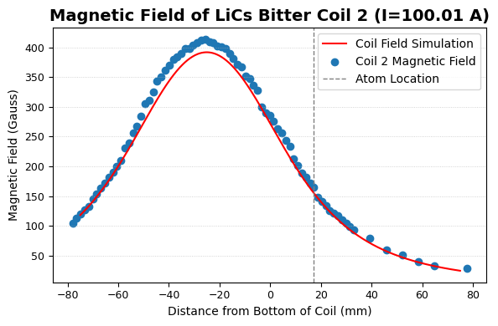
Distance from Coil Bottom (mm) | Magnetic Field (Gauss)

-79.6163 | 98.79
-78.0288 | 104.86
-76.4413 | 112.4
-74.8538 | 119.2
-73.2663 | 127.44
-71.6788 | 132.88
-70.0913 | 144.48
-68.5038 | 154.14
-66.9163 | 163.87
-65.3288 | 172.25
-63.7413 | 181.39
-62.1538 | 190.27
-60.5663 | 199.76
-58.9788 | 209.41
-57.3913 | 231.55
-55.8038 | 239.2
-54.2163 | 255.77
-52.6288 | 267.24
-51.0413 | 283.88
-49.4538 | 305.75
-47.8663 | 311.62
-46.2788 | 325.51
-44.6913 | 342.95
-43.1038 | 350.83
-41.5163 | 361.31
-39.9288 | 370.16
-38.3413 | 380.05
-36.7538 | 384.39
-35.1663 | 390.41
-33.5788 | 398.06
-31.9913 | 398.46
-30.4038 | 404.21
-28.8163 | 408.35
-27.2288 | 412.55
-25.6413 | 413.44
-24.0538 | 409.41
-22.4663 | 407.67
-20.8788 | 402.25
-19.2913 | 400.35
-17.7038 | 397.63
-16.1163 | 389.53
-14.5288 | 381.38
-12.9413 | 371.62
-11.3538 | 367.72
-9.7663 | 352.06
-8.1788 | 348.06
-6.5913 | 336.82
-5.0038 | 328.29
-3.4163 | 299.92
-1.8288 | 290.24
-0.2413 | 285.69
1.3462 | 275.77
2.9337 | 263.71
4.5212 | 256.64
6.1087 | 242.87
7.6962 | 233.66
9.2837 | 212.33
10.8712 | 200.75
12.4587 | 188.22
14.0462 | 181.13
15.6337 | 171.22
17.2212 | 164.34
18.8087 | 147.48
20.3962 | 141.58
21.9837 | 133.43
23.5712 | 125.95
25.1587 | 120.67
26.7462 | 117.34
28.3337 | 110.3
29.9212 | 104.34
31.5087 | 98.81
33.0962 | 92.84
39.4462 | 78.39
45.7962 | 59.61
52.1462 | 50.43
58.4962 | 39.94
64.8462 | 33.05
77.5462 | 28.15
90.2462 | 20.25
102.9462 | 15.47
115.6462 | 11.44
128.3462 | 9.37

 |  | Important Fields | Measured for Coil 2 | Measured for Coil 1 | Simulated

 |  | Top of Plastic Piece (74.85 mm above bottom) | 119.2 G | 126.29 G | 118.63

 |  |  |  | 410.04 G (at 22.4663 mm above Coil Bottom)

 |  | Max Field (25.6413 mm above Coil Bottom for Coil 2) | 413.44 |  | 391.8 | (Sim max is 391.87 G at 25.167 mm above the coil bottom)
 |  | Bottom of Coil (technically 0.2413 mm above) | 285.69 | 285.49 | 273.82
 |  | Atom Location (atoms actually at 17 mm, but measurement location at 17.2212 mm below Coil Bottom)

 |  |  | 164.34 | 161.04 | 156.3

Coil 1 Temps 8_7_25 PC (UTD)
Current | Voltage | Power | Inlet tube | BB1 | BB2 (top, non water cooled part) | Screw | BP | Coil Low Outer (Tape layer to not ruin thermocouple BP measurement) | Coil High Inner | Outlet tube | Notes
0 | 0 | 0 | 18.6 | 17.5 | 17.9 | 17.8 | 16.9 | 17 | 17.2 | 20 | No Parallel Cooling
0 | 0 | 0 | 16.5 | 15.4 | 16.3 | 17.5 | 15 | 17.7 | 15.6 | 17.3 | Cooling On
50.11 | 0.401 | 19.407612521 | 17.2 | 15.7 | 16.6 | 18 | 16 | 17.8 | 15.8 | 17
100.01 | 0.805 | 77.305458773 | 17.4 | 15.9 | 17.4 | 18.3 | 16.9 | 18.6 | 16.1 | 17.4
150.03 | 1.217 | 173.97206796 | 17.8 | 16 | 17.9 | 18.7 | 18.4 | 19 | 16.5 | 17.5
200.04 | 1.63 | 309.28367637 | 17.6 | 16.2 | 18.7 | 18.9 | 20.6 | 20.5 | 17.3 | 18
250.04 | 2.029 | 483.21709237 | 17.9 | 16.5 | 19.6 | 19.4 | 23.3 | 22.9 | 18.4 | 18.5
275.07 | 2.272 | 584.80322937 | 17.7 | 16.2 | 20.1 | 19.7 | 24.4 | 23.6 | 18.5 | 18.5
300.08 | 2.489 | 695.98104147 | 18.1 | 16.5 | 20.7 | 20 | 26.4 | 24.8 | 19.3 | 18.9

Total Temperature Change (°C) |  |  | 1.6 | 1.1 | 4.4 | 2.5 | 11.4 | 7.1 | 3.7 | 1.6
Experiment Details

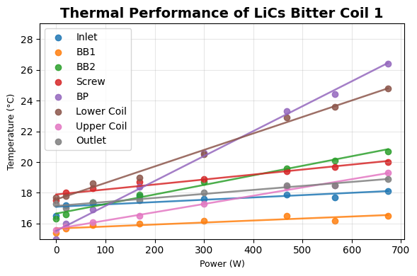
Cooling System: Parallel
Water Flow: 1.75 gal/min
Flow to Coil: 1.28 gal/min
Flow to Bus Bars 0.47 gal/min
Inward Pressure: 25 PSI
Outward Pressure: 10 PSI
Cooling Source: Chiller set to 14°C
Time Between Tempeatures: 6 minutes

Coil 2 Temps 8_7_25 PC (UTD)
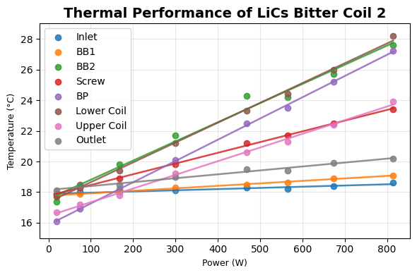
Current | Voltage | Power | Inlet tube | BB1 | BB2 (top, non water cooled part) | Screw | BP | Coil Low Outer (Tape layer to not ruin thermocouple BP measurement) | Coil High Inner | Outlet tube | Notes
0 | 0 | 0 | 21.9 | 21.6 | 21.6 | 21.6 | 21.2 | 21.4 | 21.5 | 22.1 | No Cooling
0 | 0 | 0 | 16.2 | 15.1 | 16.2 | 16.4 | 14.5 | 16 | 15.6 | 17.6 | Cooling On
50.11 | 0.384 | 18.779859496 | 17.9 | 17.8 | 17.4 | 17.9 | 16.1 | 17.7 | 16.7 | 18.1
100.01 | 0.774 | 74.804958748 | 18 | 17.9 | 18.3 | 18.3 | 16.9 | 18.5 | 17.2 | 18.4
150.03 | 1.169 | 168.34481773 | 18 | 18 | 19.8 | 18.9 | 18.2 | 19.4 | 17.8 | 18.5
200.04 | 1.538 | 299.27967597 | 18.1 | 18.3 | 21.7 | 19.8 | 20.1 | 21.2 | 19.2 | 19
250.06 | 1.981 | 467.66189692 | 18.3 | 18.5 | 24.3 | 21.2 | 22.5 | 23.3 | 20.6 | 19.5
275.07 | 2.176 | 565.88735315 | 18.2 | 18.6 | 24.2 | 21.7 | 23.5 | 24.4 | 21.3 | 19.4
300.08 | 2.376 | 673.46903987 | 18.4 | 18.9 | 25.7 | 22.5 | 25.2 | 26 | 22.4 | 19.9
330 | 2.697 | 814.4631 | 18.6 | 19.1 | 27.6 | 23.4 | 27.2 | 28.2 | 23.9 | 20.2

Total Temperature Change (°C) |  |  | 2.4 | 4 | 11.4 | 7 | 12.7 | 12.2 | 8.3 | 2.6
Experiment Details

Cooling System: Parallel
Water Flow: 1.75 gal/min
Flow to Coil: 1.28 gal/min
Flow to Bus Bars 0.47 gal/min
Inward Pressure: 25 PSI
Outward Pressure: 10 PSI
Cooling Source: Chiller set to 14°C
Time Between Tempeatures: 6 minutes

Bitter Coil Impedance 1_25_24
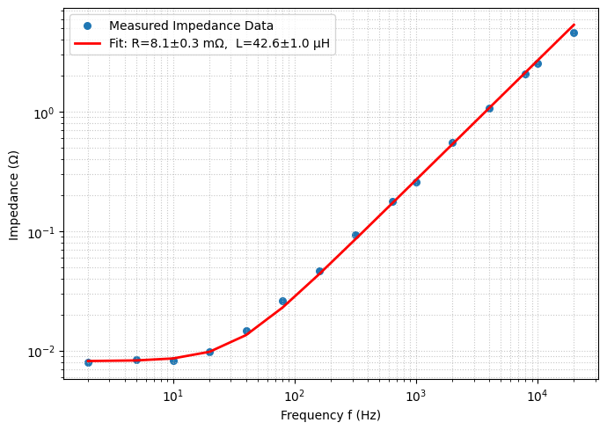
Frequency (Hz) | Impedence (Ω) | Coil Voltage (mv) | 100 Ohm Resistor Voltage (mv) | Angular Frequency (rad/s)
2 | 0.007966101695 | 18.8 | 236 | 12.56637061
5 | 0.008333333333 | 20.0 | 240 | 31.41592654
10 | 0.008253968254 | 20.8 | 252 | 62.83185307
20 | 0.009836065574 | 24.0 | 244 | 125.6637061
40 | 0.01466666667 | 35.2 | 240 | 251.3274123
80 | 0.026 | 62.4 | 240 | 502.6548246
160 | 0.04666666667 | 112 | 240 | 1005.309649
320 | 0.09333333333 | 224 | 240 | 2010.619298
640 | 0.1770491803 | 432 | 244 | 4021.238597
1000 | 0.2591666667 | 622 | 240 | 6283.185307
2000 | 0.55 | 1320 | 240 | 12566.37061
4000 | 1.066666667 | 2560 | 240 | 25132.74123
8000 | 2.0625 | 5280 | 256 | 50265.48246
10000 | 2.545454545 | 6720 | 264 | 62831.85307
20000 | 4.609375 | 11800 | 256 | 125663.7061

Fitted Inductance: |  | 42.6 ±1.0 µH
Fitted Resistance: |  | 8.1 ±0.3 mΩ

