CIFAR_10(MobileNetV2)
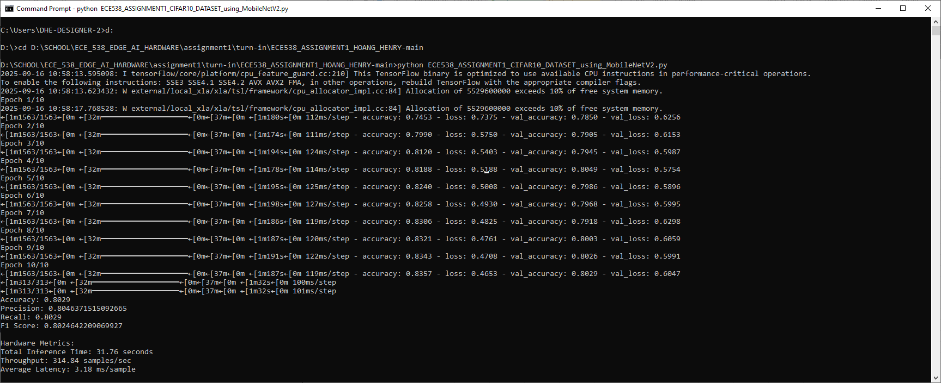
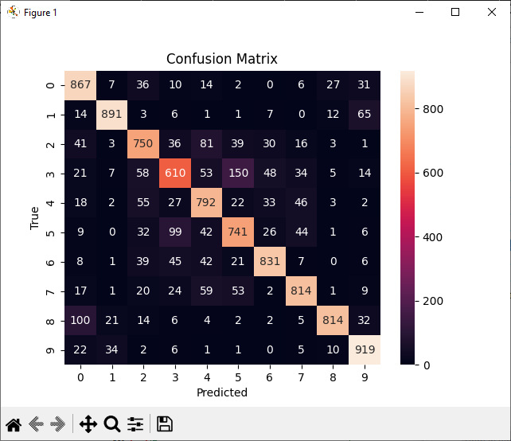
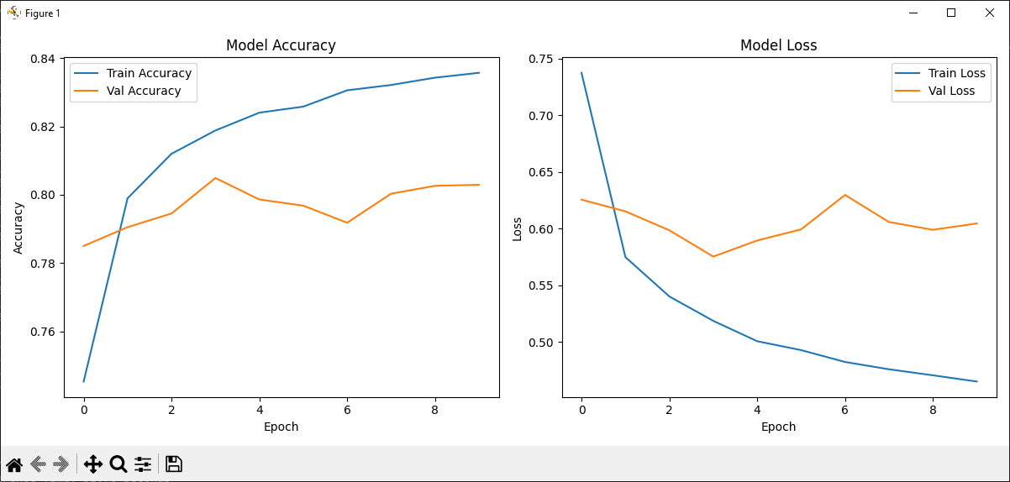
Evaluation Metrics (MobileNETV2 Model) | CIFAR-10 | Hardware Metrics: | CIFAR-10
Accuracy | 0.8029 | Total Inference Time | 31.76 seconds
Precision | 0.80463715151 | Throughput | 314.84 samples/sec
Recall | 0.8029 | Average Latency | 3.18 ms/sample
F1 Score | 0.80246422091

TF_FLOWER(MobileNetV2)
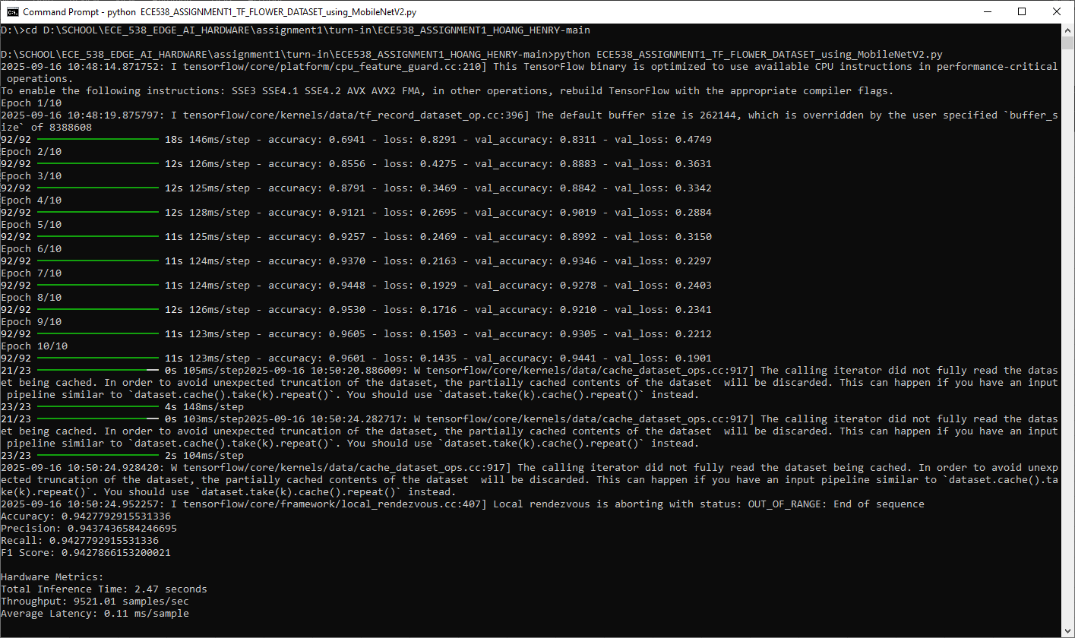
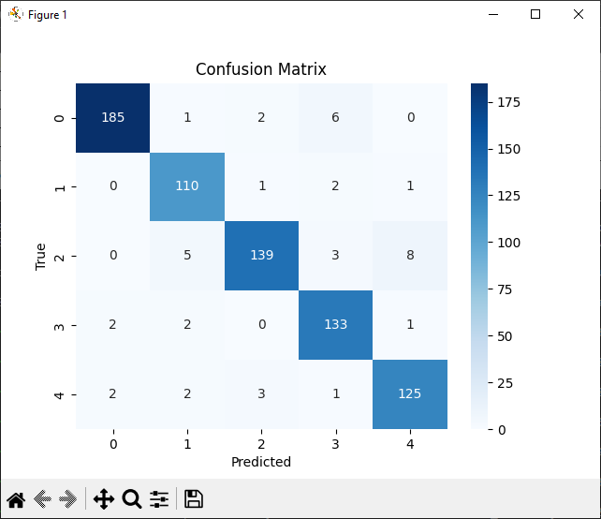
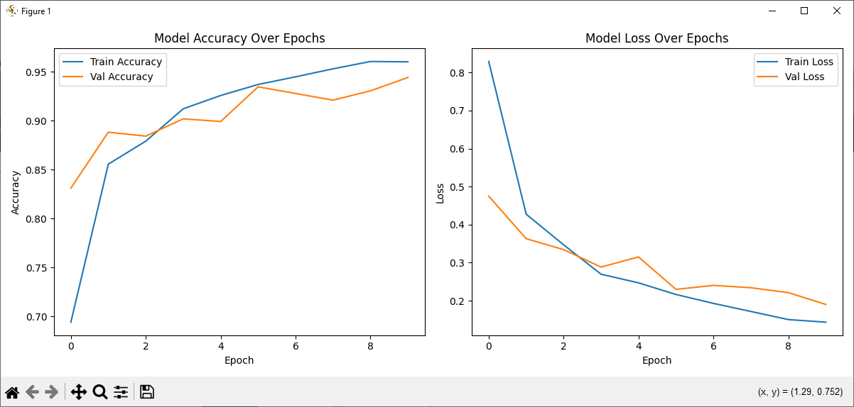
Evaluation Metrics (MobileNETV2 Model) | TF-FLOWER | Hardware Metrics: | TF-FLOWER
Accuracy | 0.94277929155 | Total Inference Time | 2.47 seconds
Precision | 0.94374365842 | Throughput | 9521.01 samples/sec
Recall | 0.94277929155 | Average Latency | 0.11 ms/sample
F1 Score | 0.94278661532

CIFAR_10(EfficientNetV2B0)
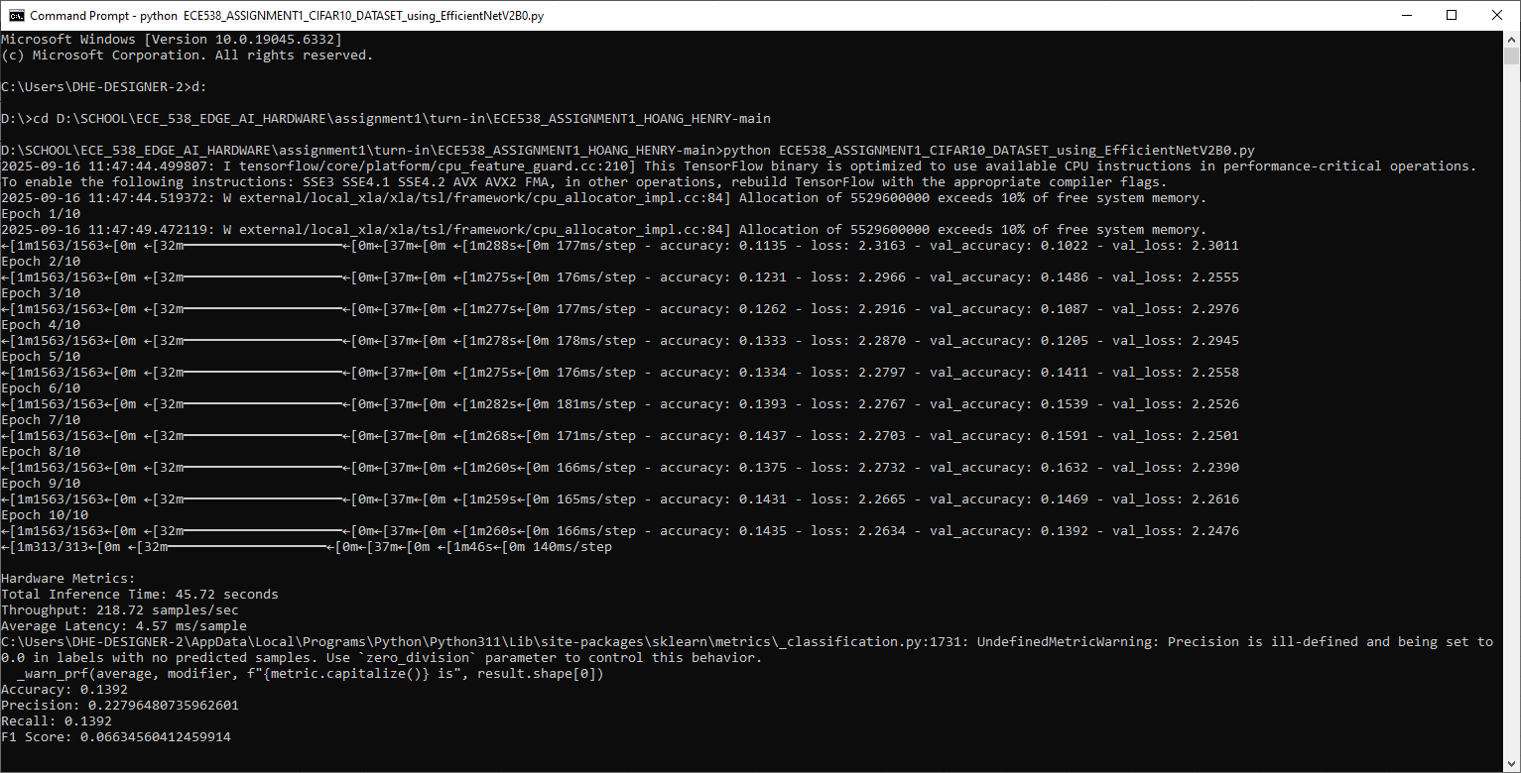
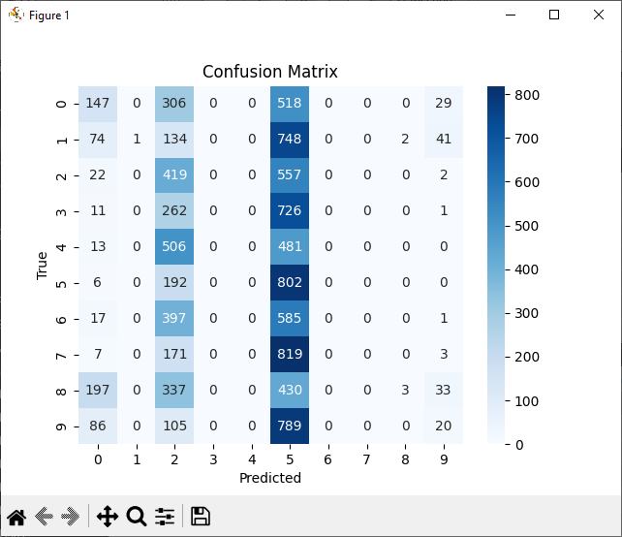
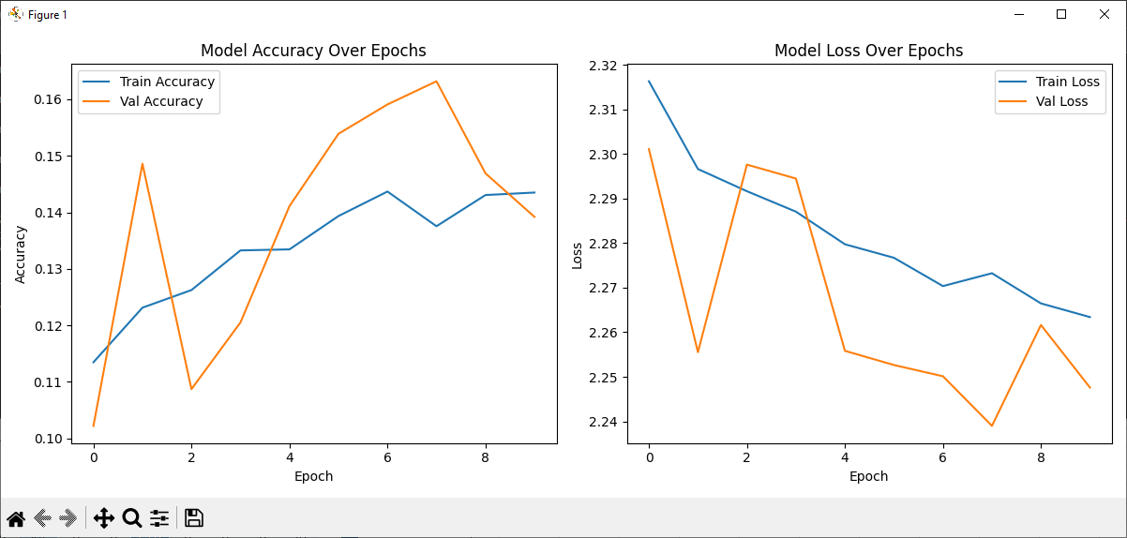
Evaluation Metrics (EfficientNetV2B0 Model) | CIFAR-10 | TF-FLOWER | Hardware Metrics: | CIFAR-10
Accuracy | 0.1392 | 0.27929155313 | Total Inference Time | 45.72 seconds
Precision | 0.22796480736 | 0.21534362191 | Throughput | 218.72 samples/sec
Recall | 0.1392 | 0.27929155313 | Average Latency | 4.57 ms/sample
F1 Score | 0.066345604125 | 0.20680175783

TF_FLOWER(EfficientNetV2B0)
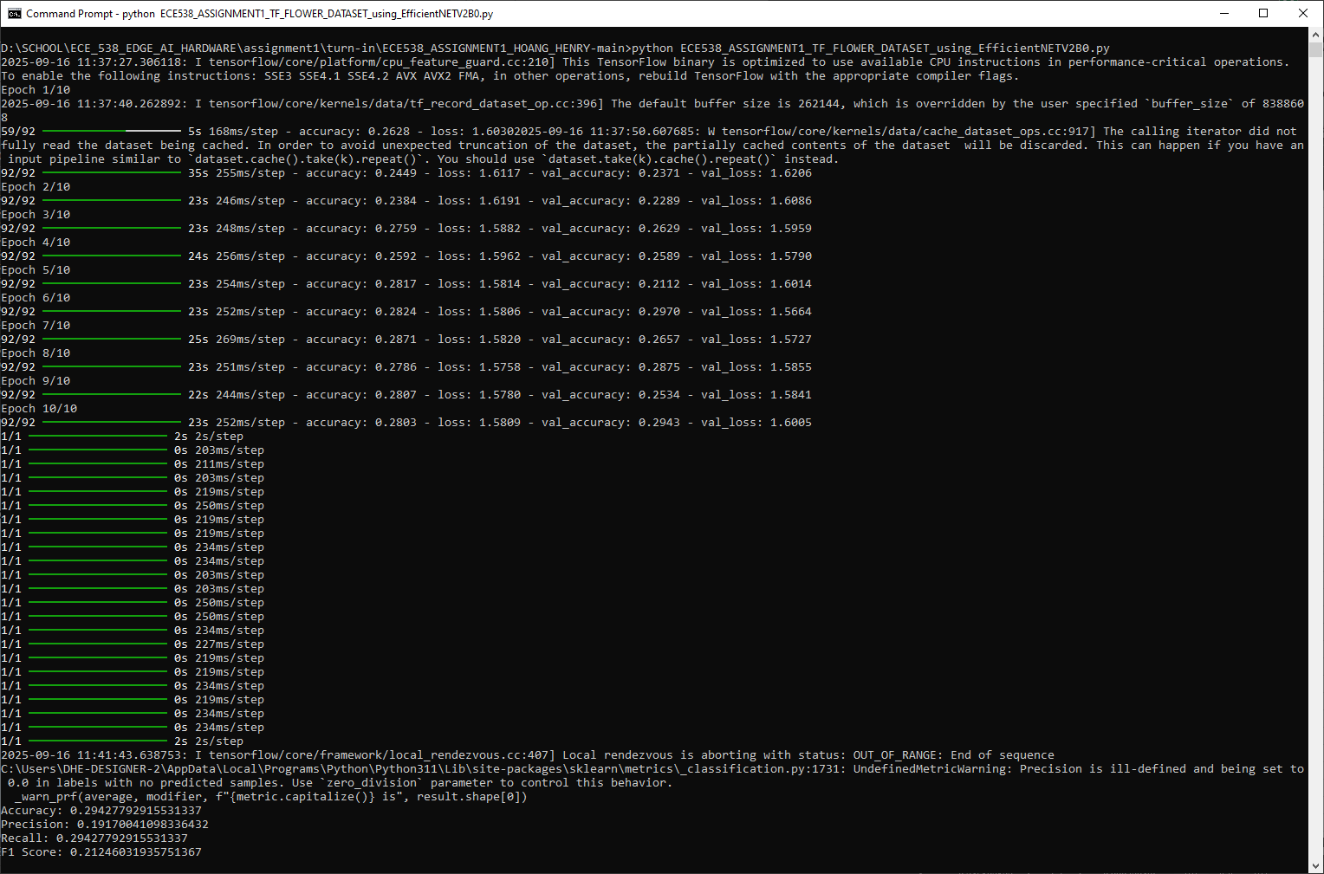
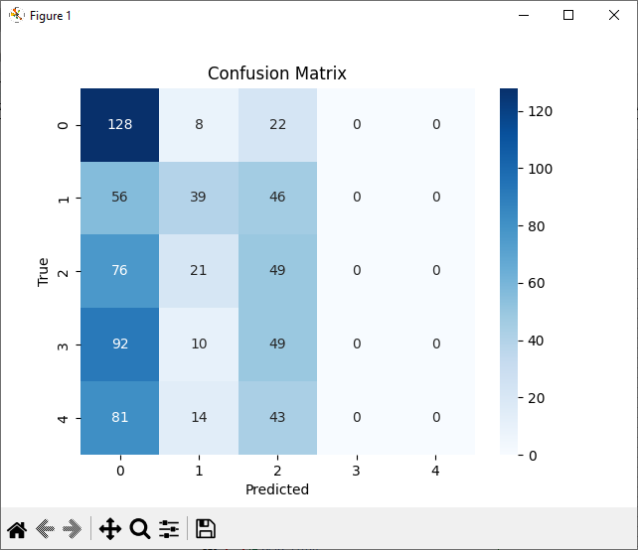
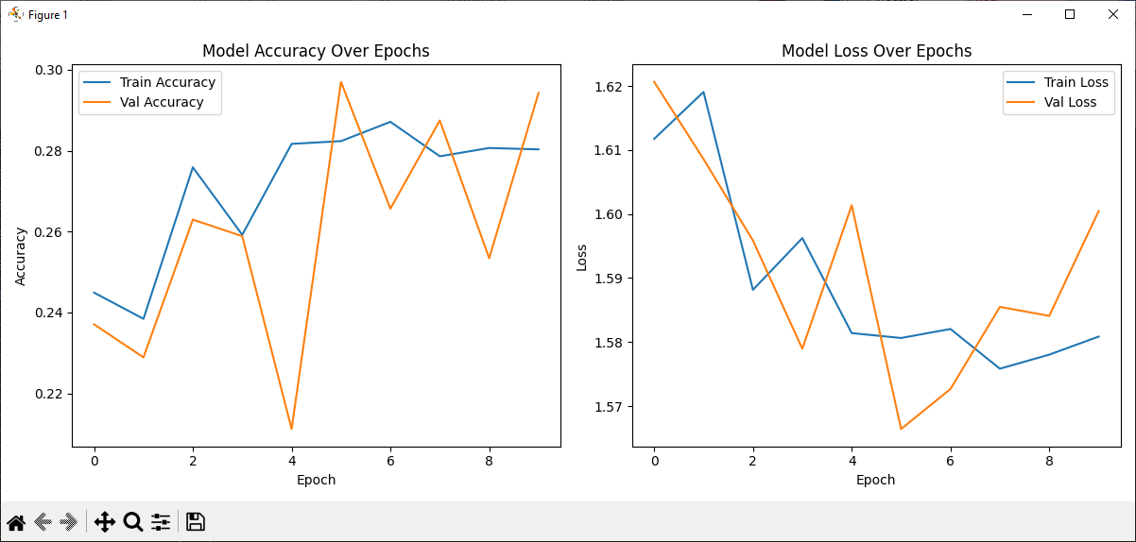
Evaluation Metrics (EfficientNetB0 Model) | TF-FLOWER | Hardware Metrics: | TF-FLOWER
Accuracy | 0.29427792916 | Total Inference Time | 10.12 seconds
Precision | 0.19170041098 | Throughput | 72.53 samples/sec
Recall | 0.29427792916 | Average Latency | 13.79 ms/sample
F1 Score | 0.21246031936

