Pre-pruned
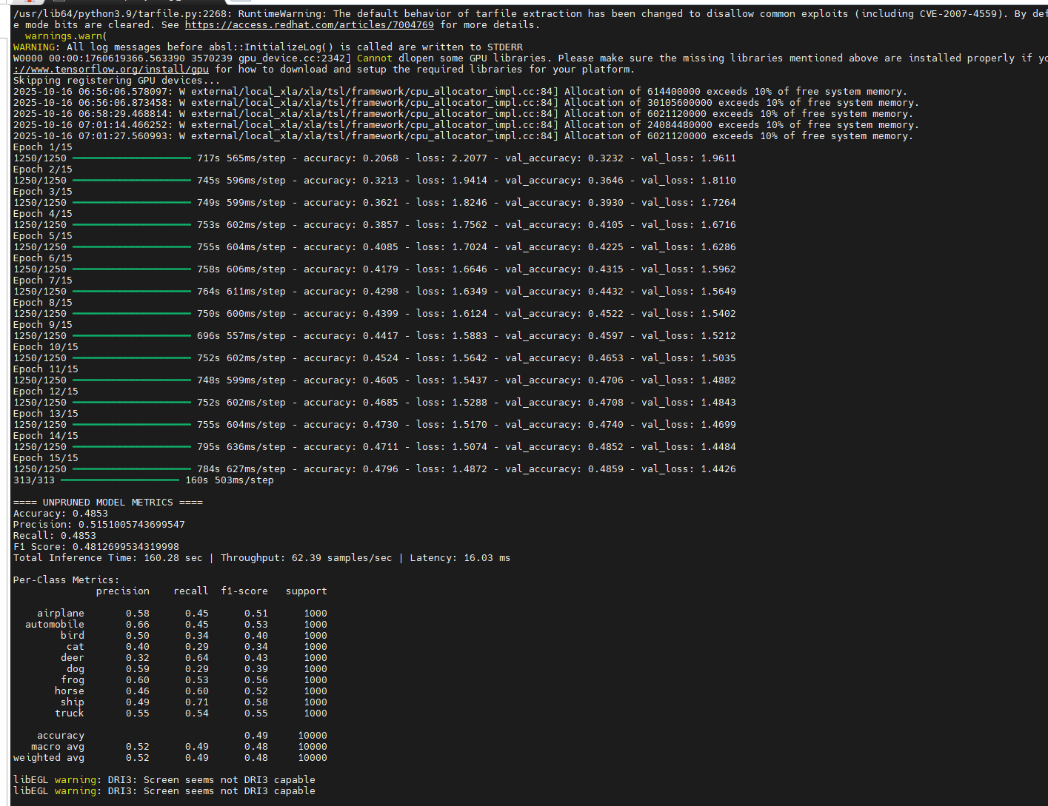
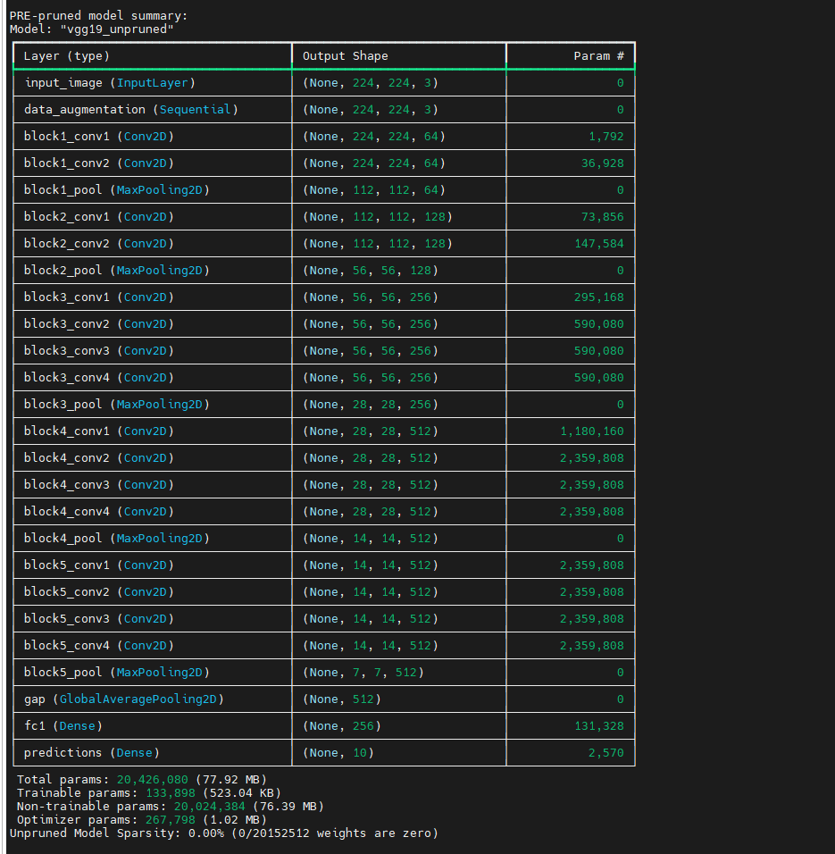
Overall Metrics: | Pre-prune VGG19 MODEL
Accuracy | 0.4853
Precision | 0.51510057437
Recall | 0.4853
F1 Score | 0.48126995343
Total Inference Time | 160.28 sec
Throughput | 62.39 samples/sec
Average Latency | 16.03 ms

Total params: | 20,426,080 (77.92 MB)
Trainable params: | 133,898 (523.04 KB)
Non-trainable params: | 20,024,384 (76.39 MB)
Optimizer params: | 267,798 (1.02 MB)
Unpruned Model Sparsity: | 0.00% (0/20152512 weights are zero)

Per-Class Metrics: | precision | recall | f1-score | support
airplane | 0.58 | 0.45 | 0.51 | 1000
automobile | 0.66 | 0.45 | 0.53 | 1000
bird | 0.5 | 0.34 | 0.4 | 1000
cat | 0.4 | 0.29 | 0.34 | 1000
deer | 0.32 | 0.64 | 0.43 | 1000
dog | 0.59 | 0.29 | 0.39 | 1000
frog | 0.6 | 0.53 | 0.56 | 1000
horse | 0.46 | 0.6 | 0.52 | 1000
ship | 0.49 | 0.71 | 0.58 | 1000
truck | 0.55 | 0.54 | 0.55 | 1000

accuracy | 0.49 | 10000 | 0.49 | 10000
macro avg | 0.52 | 0.49 | 0.48 | 10000
weighted avg | 0.52 | 0.49 | 0.48 | 10000

Pruned
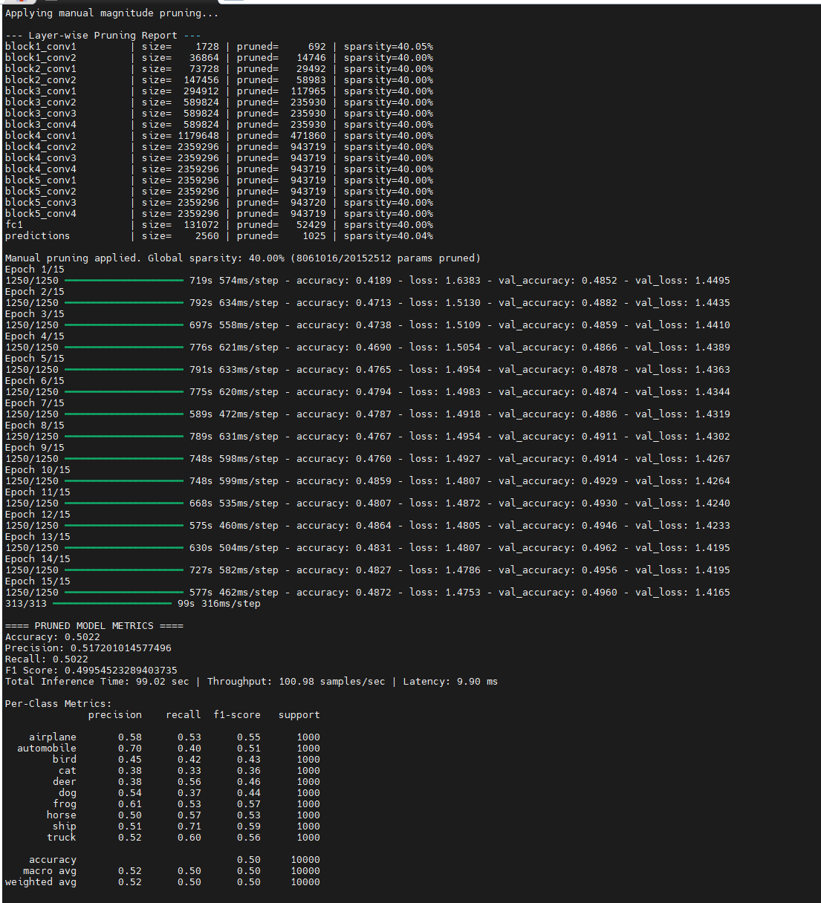
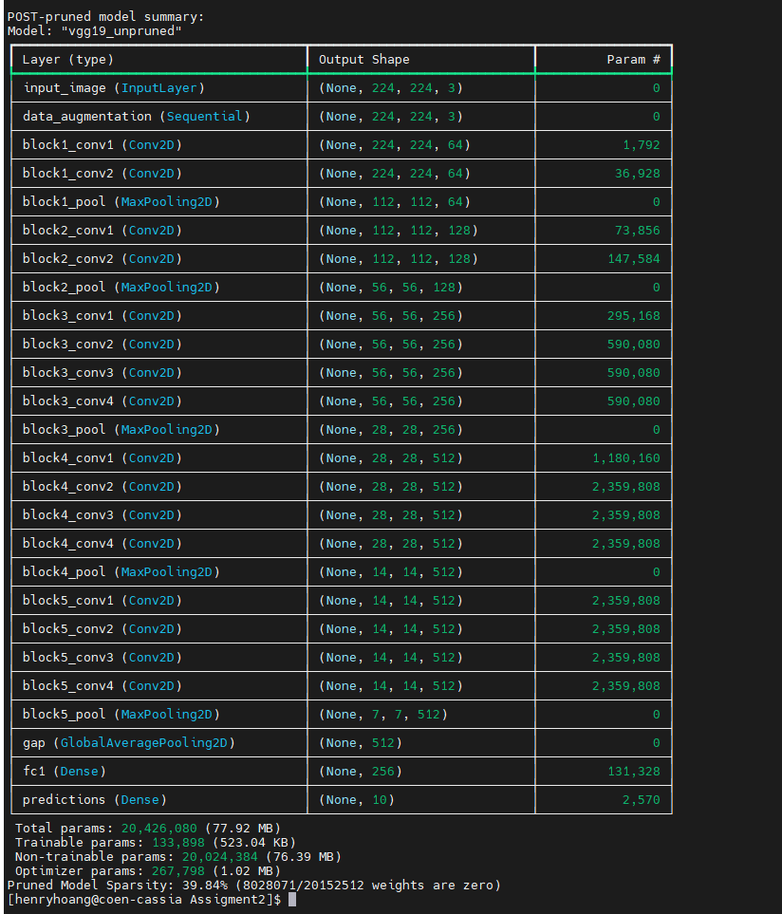
Overall Metrics: | Post-pruned VGG19 MODEL
Accuracy | 0.5022
Precision | 0.51720101458
Recall | 0.5022
F1 Score | 0.49954523289
Total Inference Time | 99.02 sec
Throughput | 100.98 samples/sec
Average Latency | 9.90 ms

Total params: | 20,426,080 (77.92 MB)
Trainable params: | 133,898 (523.04 KB)
Non-trainable params: | 20,024,384 (76.39 MB)
Optimizer params: | 267,798 (1.02 MB)
Unpruned Model Sparsity: | 39.84% (8028071/20152512 weights are zero)

Per-Class Metrics: | precision | recall | f1-score | support
airplane | 0.58 | 0.53 | 0.55 | 1000
automobile | 0.7 | 0.4 | 0.51 | 1000
bird | 0.45 | 0.42 | 0.43 | 1000
cat | 0.38 | 0.33 | 0.36 | 1000
deer | 0.38 | 0.56 | 0.46 | 1000
dog | 0.54 | 0.37 | 0.44 | 1000
frog | 0.61 | 0.53 | 0.57 | 1000
horse | 0.5 | 0.57 | 0.53 | 1000
ship | 0.51 | 0.71 | 0.59 | 1000
truck | 0.52 | 0.6 | 0.56 | 1000

accuracy | 0.5 | 10000 | 0.5 | 10000
macro avg | 0.52 | 0.5 | 0.5 | 10000
weighted avg | 0.52 | 0.5 | 0.5 | 10000

Final_Comparision
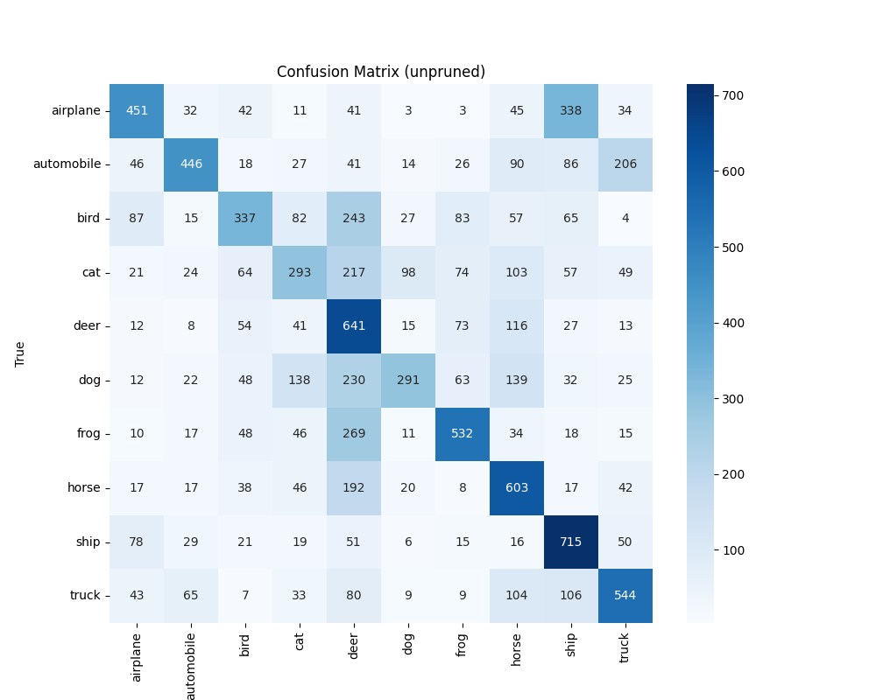
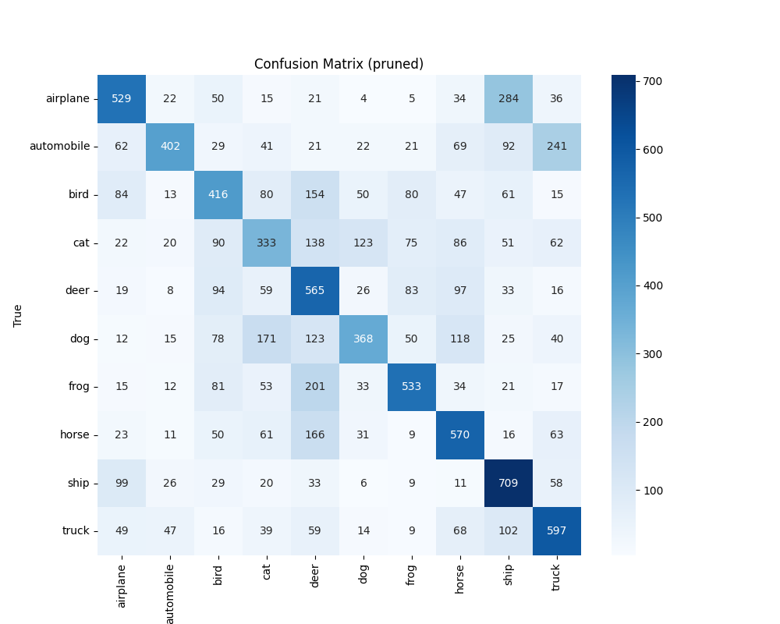
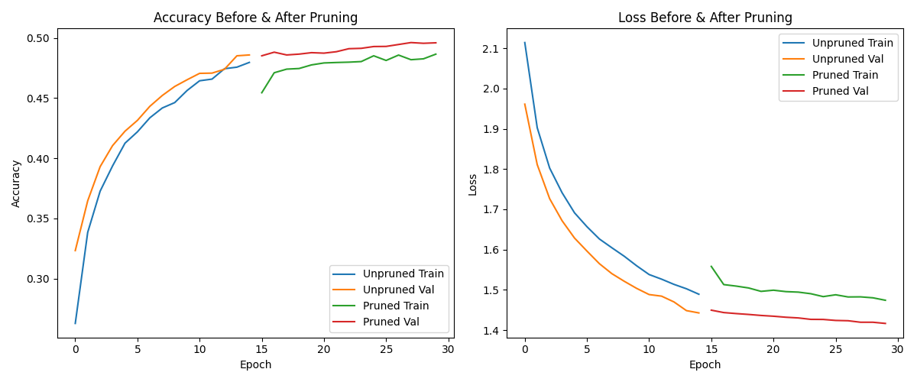
Overall Metrics: | Pre-prune VGG19 MODEL | Post-pruned VGG19 MODEL |  | Pre-prune VGG19 MODEL |  |  |  | Post-pruned VGG19 MODEL
Accuracy | 0.4853 | 0.5022 | Per-Class Metrics: | precision | recall | f1-score | support | precision | recall | f1-score | support
Precision | 0.51510057437 | 0.51720101458 | airplane | 0.58 | 0.45 | 0.51 | 1000 | 0.58 | 0.53 | 0.55 | 1000
Recall | 0.4853 | 0.5022 | automobile | 0.66 | 0.45 | 0.53 | 1000 | 0.7 | 0.4 | 0.51 | 1000
F1 Score | 0.48126995343 | 0.49954523289 | bird | 0.5 | 0.34 | 0.4 | 1000 | 0.45 | 0.42 | 0.43 | 1000
Total Inference Time | 160.28 sec | 99.02 sec | cat | 0.4 | 0.29 | 0.34 | 1000 | 0.38 | 0.33 | 0.36 | 1000
Throughput | 62.39 samples/sec | 100.98 samples/sec | deer | 0.32 | 0.64 | 0.43 | 1000 | 0.38 | 0.56 | 0.46 | 1000
Average Latency | 16.03 ms | 9.90 ms | dog | 0.59 | 0.29 | 0.39 | 1000 | 0.54 | 0.37 | 0.44 | 1000
 |  |  | frog | 0.6 | 0.53 | 0.56 | 1000 | 0.61 | 0.53 | 0.57 | 1000
Total params: | 20,426,080 (77.92 MB) | 20,426,080 (77.92 MB) | horse | 0.46 | 0.6 | 0.52 | 1000 | 0.5 | 0.57 | 0.53 | 1000
Trainable params: | 133,898 (523.04 KB) | 133,898 (523.04 KB) | ship | 0.49 | 0.71 | 0.58 | 1000 | 0.51 | 0.71 | 0.59 | 1000
Non-trainable params: | 20,024,384 (76.39 MB) | 20,024,384 (76.39 MB) | truck | 0.55 | 0.54 | 0.55 | 1000 | 0.52 | 0.6 | 0.56 | 1000
Optimizer params: | 267,798 (1.02 MB) | 267,798 (1.02 MB)
Unpruned Model Sparsity: | 0.00% (0/20152512 weights are zero) | 39.84% (8028071/20152512 weights are zero) | accuracy | 0.49 | 10000 | 0.49 | 10000 | 0.5 | 10000 | 0.5 | 10000
 |  |  | macro avg | 0.52 | 0.49 | 0.48 | 10000 | 0.52 | 0.5 | 0.5 | 10000
 |  |  | weighted avg | 0.52 | 0.49 | 0.48 | 10000 | 0.52 | 0.5 | 0.5 | 10000

