Pre-pruned
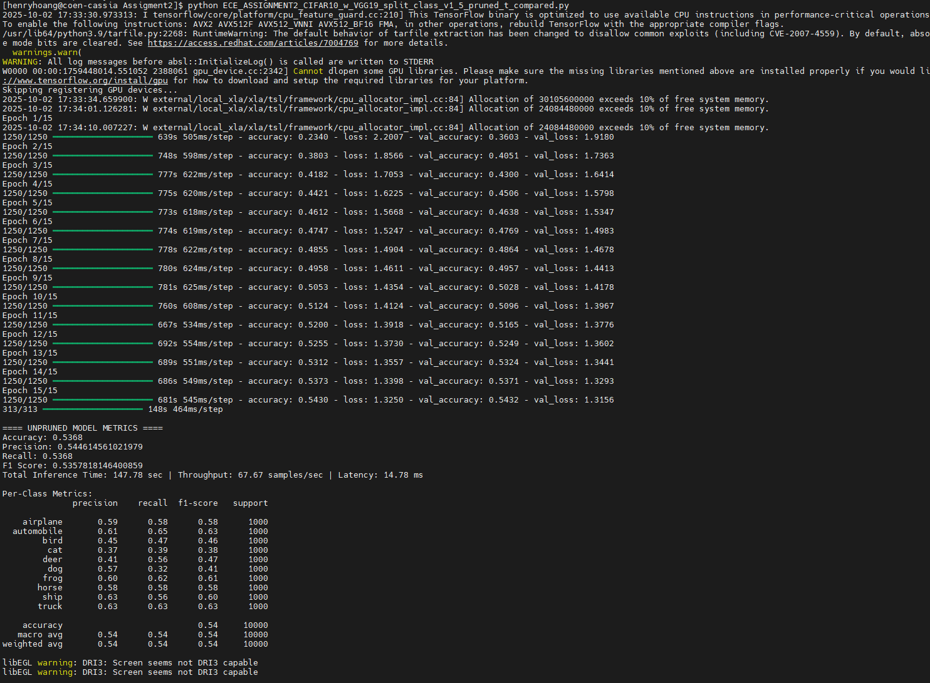
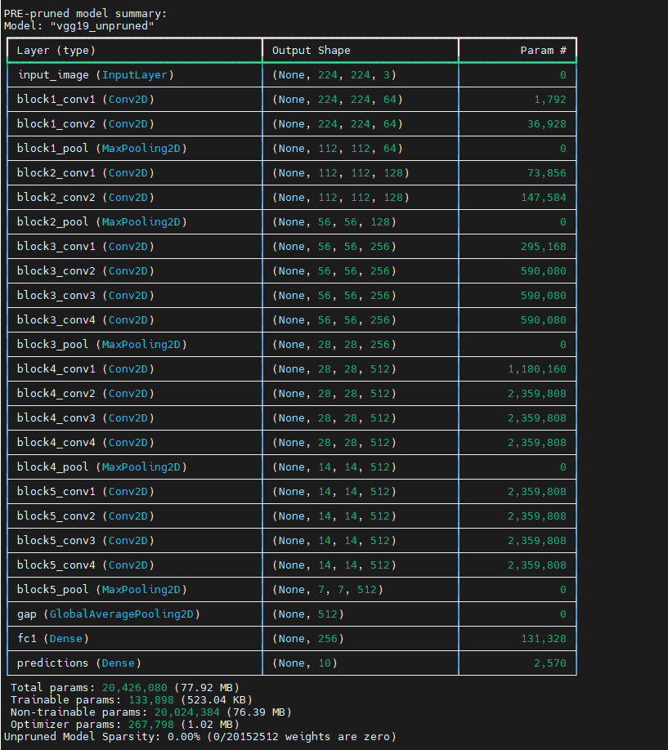
Overall Metrics: | Pre-prune VGG19 MODEL
Accuracy | 0.5368
Precision | 0.54461456102
Recall | 0.5368
F1 Score | 0.59370135434
Total Inference Time | 147.78 sec
Throughput | 67.67 samples/sec
Average Latency | 14.78 ms

Total params: | 20,426,080 (77.92 MB)
Trainable params: | 133,898 (523.04 KB)
Non-trainable params: | 20,024,384 (76.39 MB)
Optimizer params: | 267,798 (1.02 MB)
Unpruned Model Sparsity: | 0.00% (0/20152512 weights are zero)

Per-Class Metrics: | precision | recall | f1-score | support
airplane | 0.59 | 0.58 | 0.58 | 1000
automobile | 0.61 | 0.65 | 0.63 | 1000
bird | 0.45 | 0.47 | 0.46 | 1000
cat | 0.37 | 0.39 | 0.38 | 1000
deer | 0.41 | 0.56 | 0.47 | 1000
dog | 0.57 | 0.32 | 0.41 | 1000
frog | 0.6 | 0.62 | 0.61 | 1000
horse | 0.58 | 0.58 | 0.58 | 1000
ship | 0.63 | 0.56 | 0.6 | 1000
truck | 0.63 | 0.63 | 0.63 | 1000

accuracy |  |  | 0.54 | 10000
macro avg | 0.54 | 0.54 | 0.54 | 10000
weighted avg | 0.54 | 0.54 | 0.54 | 10000

Pruned
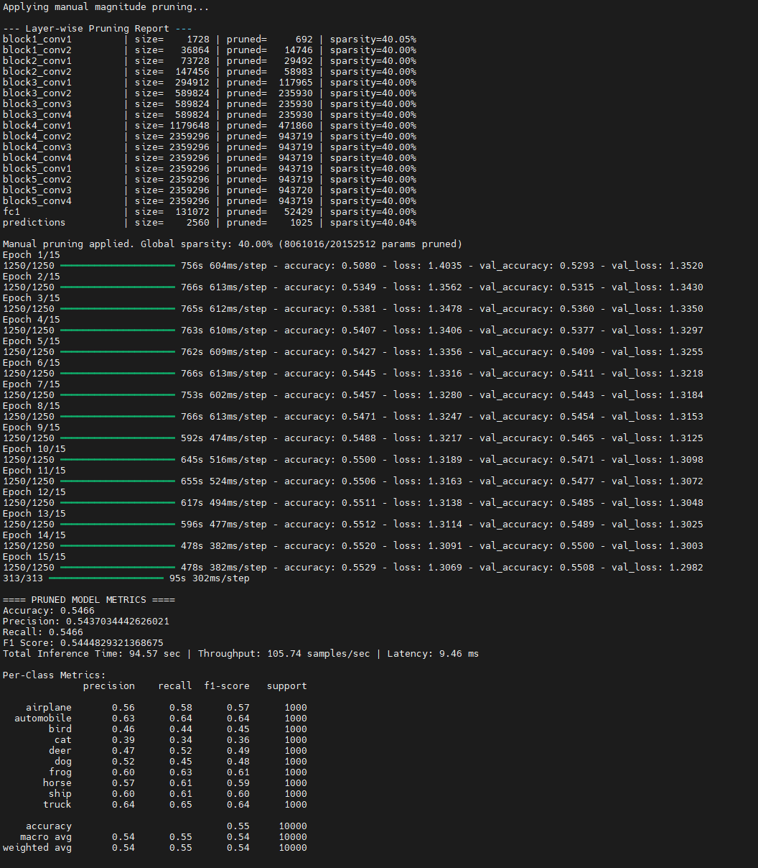
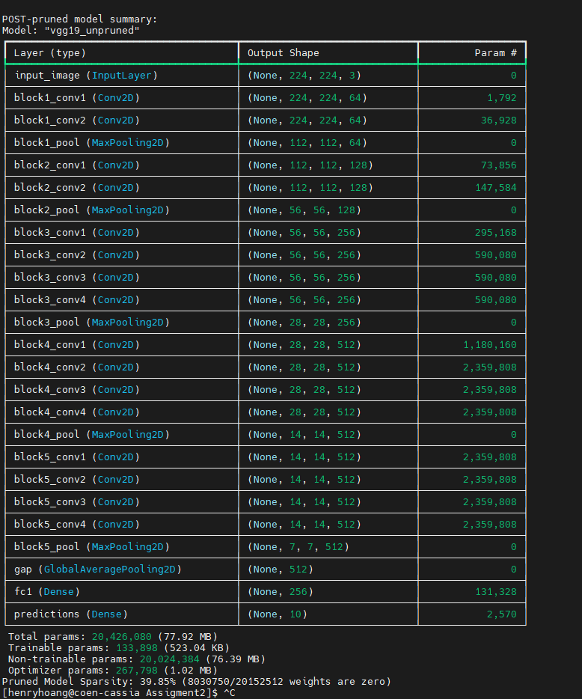
Overall Metrics: | Post-pruned VGG19 MODEL
Accuracy | 0.5466
Precision | 0.54370344426
Recall | 0.5466
F1 Score | 0.54448293214
Total Inference Time | 94.57 sec
Throughput | 105.74 samples/sec
Average Latency | 9.46 ms

Total params: | 20,426,080 (77.92 MB)
Trainable params: | 133,898 (523.04 KB)
Non-trainable params: | 20,024,384 (76.39 MB)
Optimizer params: | 267,798 (1.02 MB)
Unpruned Model Sparsity: | 39.85% (8030750/20152512 weights are zero)

Per-Class Metrics: | precision | recall | f1-score | support
airplane | 0.56 | 0.58 | 0.57 | 1000
automobile | 0.63 | 0.64 | 0.64 | 1000
bird | 0.46 | 0.44 | 0.45 | 1000
cat | 0.39 | 0.34 | 0.36 | 1000
deer | 0.47 | 0.52 | 0.49 | 1000
dog | 0.52 | 0.45 | 0.48 | 1000
frog | 0.6 | 0.63 | 0.61 | 1000
horse | 0.57 | 0.61 | 0.59 | 1000
ship | 0.6 | 0.61 | 0.6 | 1000
truck | 0.64 | 0.65 | 0.64 | 1000

accuracy |  |  | 0.55 | 10000
macro avg | 0.54 | 0.55 | 0.54 | 10000
weighted avg | 0.54 | 0.55 | 0.54 | 10000

Final_Comparision
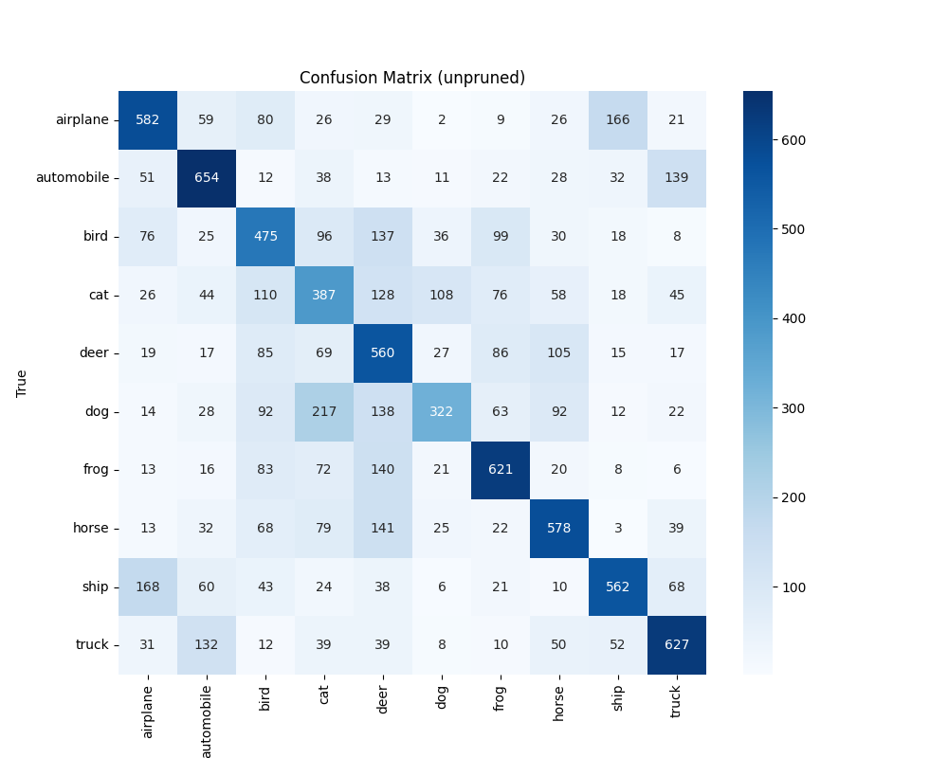
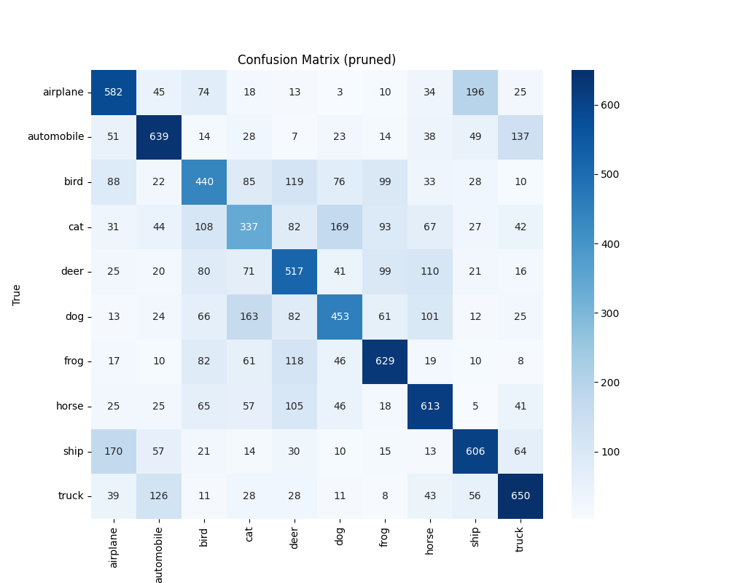
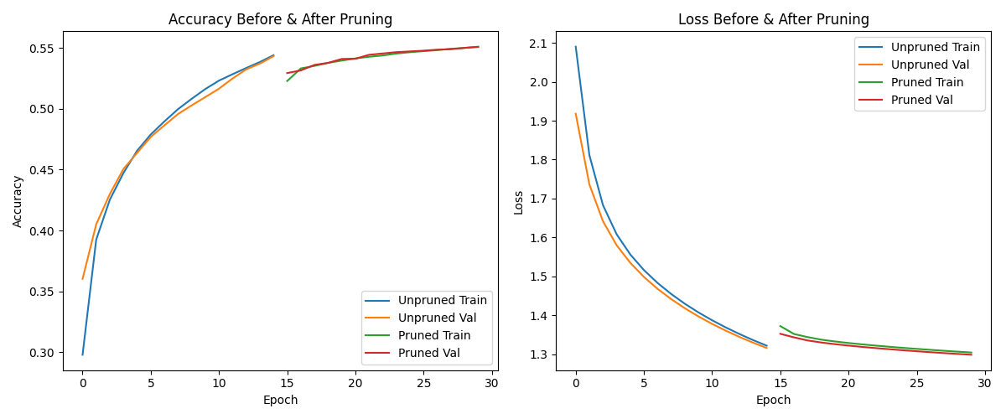
Overall Metrics: | Pre-prune VGG19 MODEL | Post-pruned VGG19 MODEL |  | Pre-prune VGG19 MODEL |  |  |  | Post-pruned VGG19 MODEL
Accuracy | 0.5368 | 0.5466 | Per-Class Metrics: | precision | recall | f1-score | support | precision | recall | f1-score | support
Precision | 0.54461456102 | 0.54370344426 | airplane | 0.59 | 0.58 | 0.58 | 1000 | 0.56 | 0.58 | 0.57 | 1000
Recall | 0.5368 | 0.5466 | automobile | 0.61 | 0.65 | 0.63 | 1000 | 0.63 | 0.64 | 0.64 | 1000
F1 Score | 0.59370135434 | 0.54448293214 | bird | 0.45 | 0.47 | 0.46 | 1000 | 0.46 | 0.44 | 0.45 | 1000
Total Inference Time | 147.78 sec | 94.57 sec | cat | 0.37 | 0.39 | 0.38 | 1000 | 0.39 | 0.34 | 0.36 | 1000
Throughput | 67.67 samples/sec | 105.74 samples/sec | deer | 0.41 | 0.56 | 0.47 | 1000 | 0.47 | 0.52 | 0.49 | 1000
Average Latency | 14.78 ms | 9.46 ms | dog | 0.57 | 0.32 | 0.41 | 1000 | 0.52 | 0.45 | 0.48 | 1000
 |  |  | frog | 0.6 | 0.62 | 0.61 | 1000 | 0.6 | 0.63 | 0.61 | 1000
Total params: | 20,426,080 (77.92 MB) | 20,426,080 (77.92 MB) | horse | 0.58 | 0.58 | 0.58 | 1000 | 0.57 | 0.61 | 0.59 | 1000
Trainable params: | 133,898 (523.04 KB) | 133,898 (523.04 KB) | ship | 0.63 | 0.56 | 0.6 | 1000 | 0.6 | 0.61 | 0.6 | 1000
Non-trainable params: | 20,024,384 (76.39 MB) | 20,024,384 (76.39 MB) | truck | 0.63 | 0.63 | 0.63 | 1000 | 0.64 | 0.65 | 0.64 | 1000
Optimizer params: | 267,798 (1.02 MB) | 267,798 (1.02 MB)
Unpruned Model Sparsity: | 0.00% (0/20152512 weights are zero) | 39.85% (8030750/20152512 weights are zero) | accuracy |  |  | 0.54 | 10000 |  |  | 0.55 | 10000
 |  |  | macro avg | 0.54 | 0.54 | 0.54 | 10000 | 0.54 | 0.55 | 0.54 | 10000
 |  |  | weighted avg | 0.54 | 0.54 | 0.54 | 10000 | 0.54 | 0.55 | 0.54 | 10000

