SeasonTotals
Name | GP | Pts | FGM | FGA | 3PM | 3PA | FTM | FTA | OREB | DREB | Reb | Ast | Stl | Blk | TO | Fouls | +/- | Minutes | FG% | 3P% | FT%
Shakir Yakubu | 18 | 323 | 117 | 283 | 41 | 123 | 48 | 79 | 33 | 77 | 110 | 38 | 29 | 1 | 52 | 26 | 38 | 269:00:00 | 41.34% | 33.33% | 60.76%
Travis Clouden | 18 | 281 | 100 | 281 | 2 | 31 | 79 | 109 | 63 | 101 | 164 | 43 | 53 | 19 | 43 | 53 | 27 | 294:00:00 | 35.59% | 6.45% | 72.48%
Tyrell Dennis | 18 | 208 | 65 | 195 | 29 | 92 | 49 | 73 | 13 | 25 | 38 | 42 | 31 | 0 | 51 | 29 | 7 | 208:00:00 | 33.33% | 31.52% | 67.12%
Edward Liu | 18 | 158 | 57 | 139 | 25 | 64 | 18 | 24 | 16 | 20 | 36 | 51 | 21 | 0 | 36 | 21 | -23 | 163:00:00 | 41.01% | 39.06% | 75.00%
Aljen Biliran | 17 | 109 | 37 | 96 | 6 | 12 | 29 | 41 | 12 | 12 | 24 | 17 | 24 | 0 | 28 | 18 | -2 | 106:00:00 | 38.54% | 50.00% | 70.73%
Cole Miller | 18 | 106 | 36 | 94 | 14 | 51 | 20 | 34 | 21 | 40 | 61 | 13 | 12 | 3 | 31 | 36 | 22 | 149:00:00 | 38.30% | 27.45% | 58.82%
Naheem Davidson | 18 | 78 | 29 | 91 | 18 | 61 | 2 | 2 | 7 | 11 | 18 | 27 | 12 | 0 | 19 | 17 | 12 | 147:00:00 | 31.87% | 29.51% | 100.00%
Dyson Rose | 18 | 72 | 24 | 64 | 1 | 9 | 23 | 36 | 21 | 27 | 48 | 15 | 18 | 1 | 31 | 21 | -21 | 115:00:00 | 37.50% | 11.11% | 63.89%
Tosin Shadare | 18 | 59 | 26 | 53 | 0 | 0 | 7 | 18 | 56 | 82 | 138 | 7 | 22 | 10 | 18 | 50 | 42 | 166:00:00 | 49.06% | 0.00% | 38.89%
Tyler Chisolm | 9 | 45 | 19 | 48 | 0 | 4 | 7 | 13 | 13 | 8 | 21 | 37 | 13 | 3 | 14 | 10 | 47 | 149:00:00 | 39.58% | 0.00% | 53.85%
Sukhraj Kang | 18 | 31 | 14 | 17 | 0 | 0 | 3 | 10 | 6 | 18 | 24 | 3 | 2 | 4 | 3 | 17 | -27 | 37:00:00 | 82.35% | 0.00% | 30.00%
Noah Lopez | 18 | 22 | 7 | 29 | 5 | 24 | 3 | 4 | 1 | 6 | 7 | 8 | 6 | 0 | 5 | 3 | 20 | 52:00:00 | 24.14% | 20.83% | 75.00%
Nathan Edjoa | 16 | 15 | 7 | 21 | 0 | 0 | 1 | 2 | 12 | 12 | 24 | 0 | 6 | 4 | 15 | 29 | -4 | 65:00:00 | 33.33% | 0.00% | 50.00%
Peace Wilson | 9 | 7 | 2 | 6 | 0 | 2 | 3 | 4 | 1 | 7 | 8 | 1 | 1 | 2 | 3 | 10 | 0 | 46:00:00 | 33.33% | 0.00% | 75.00%
Dallas Francis | 4 | 5 | 0 | 7 | 0 | 3 | 5 | 11 | 1 | 4 | 5 | 9 | 2 | 0 | 5 | 3 | -8 | 41:00:00 | 0.00% | 0.00% | 45.45%
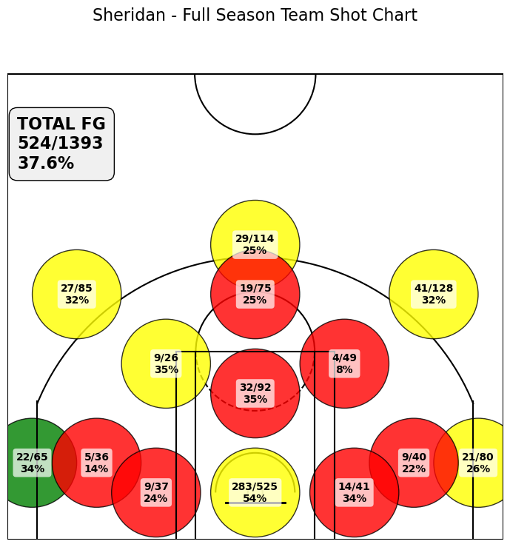
TOTALS |  | 1519 | 540 | 1424 | 141 | 476 | 297 | 460 | 276 | 450 | 726 | 311 | 252 | 47 | 354 | 343 |  |  | 37.92% | 29.62% | 64.57%

ShotCharts_Feb16
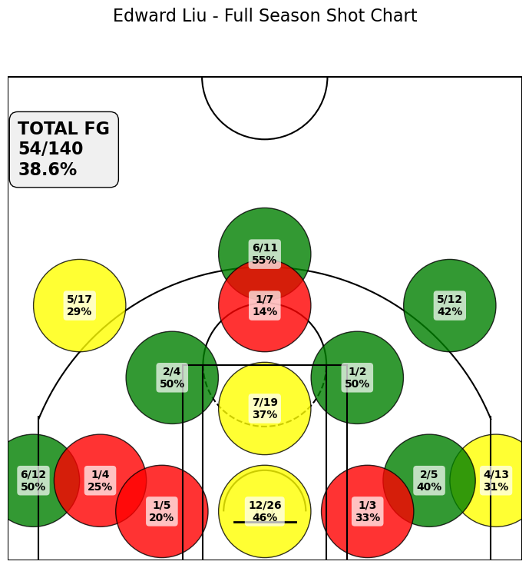
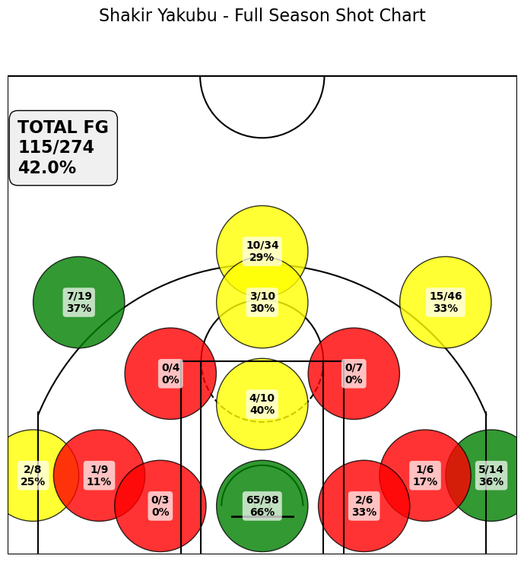
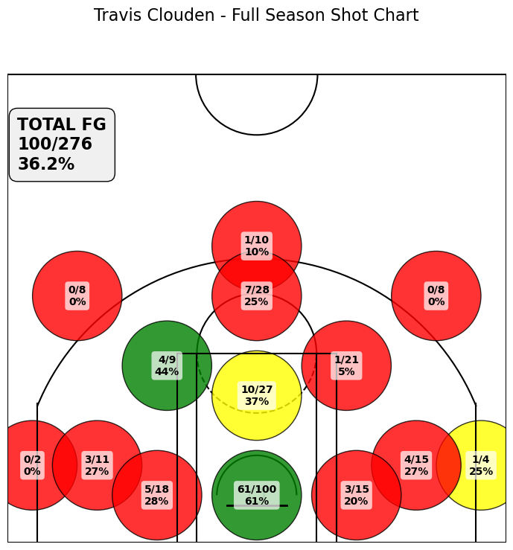
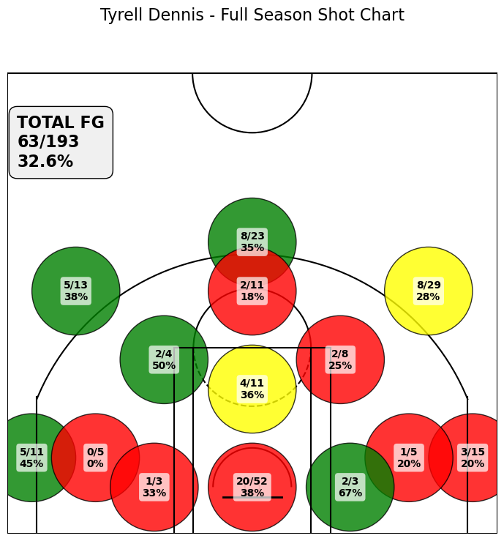
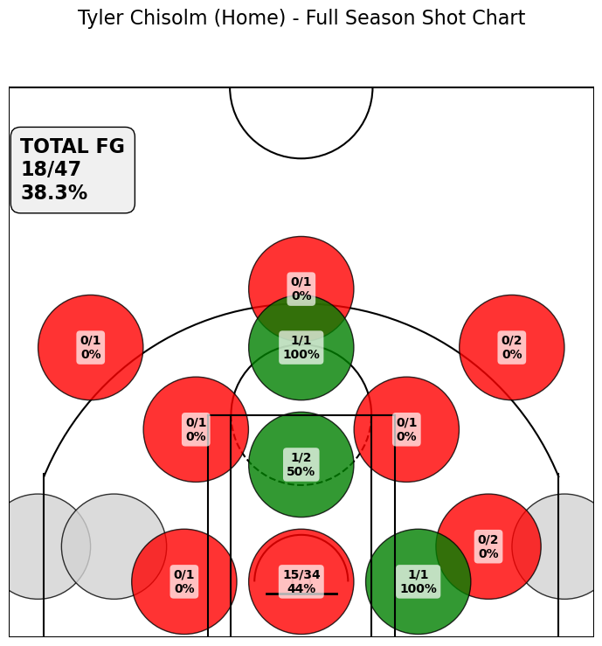

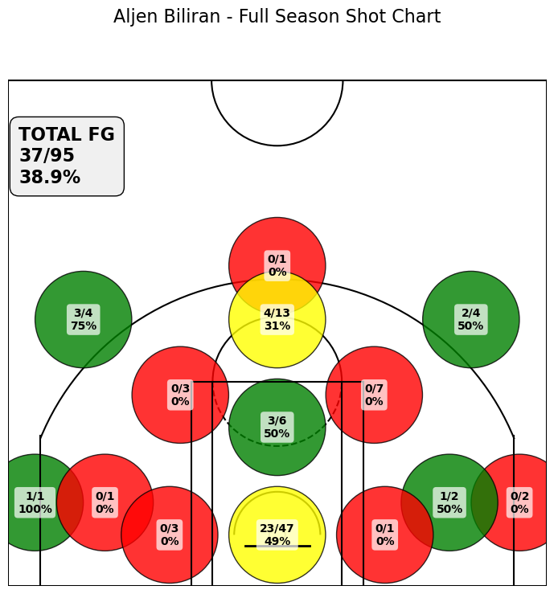
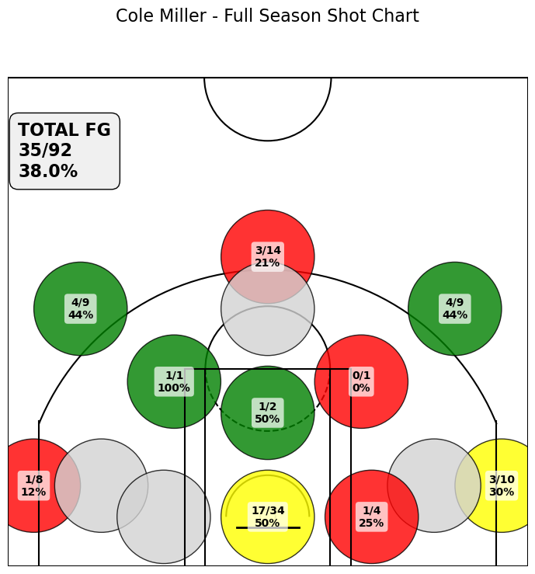
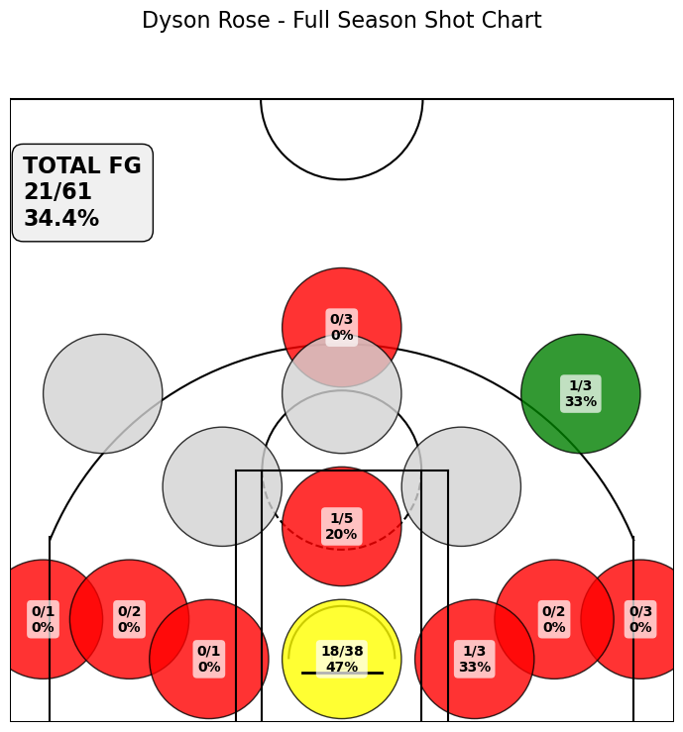
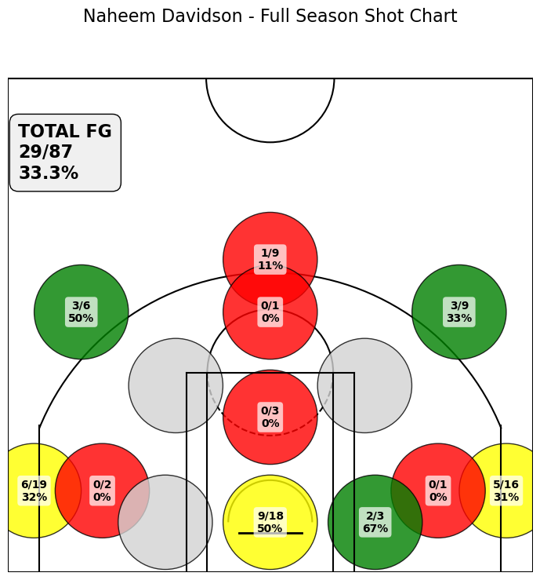
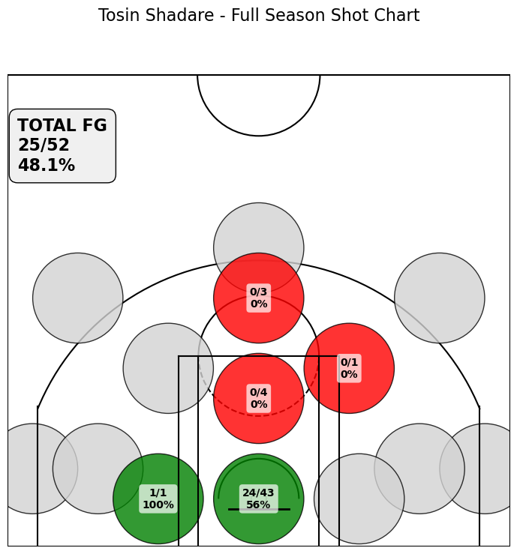

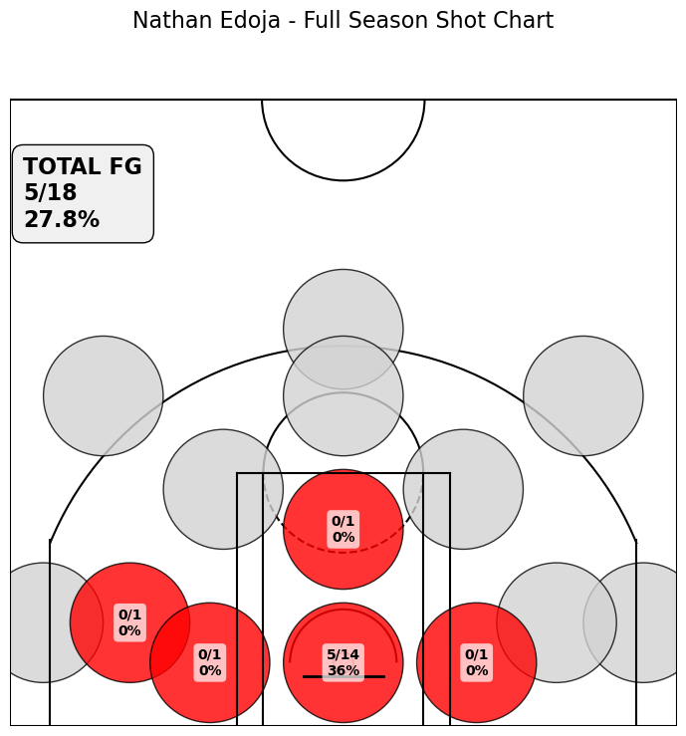
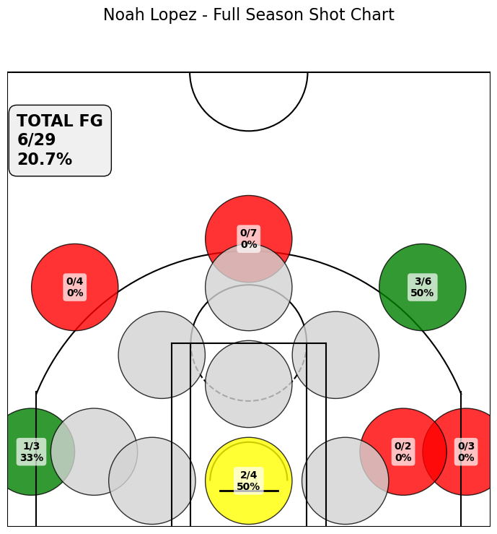
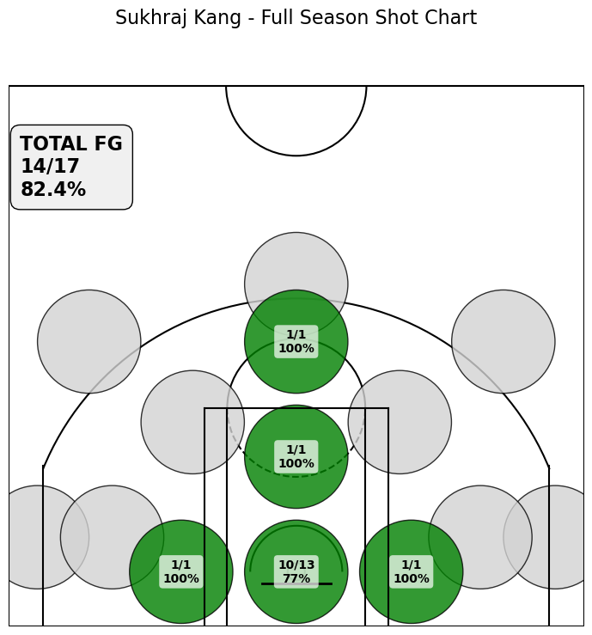

Playoff Shot Charts
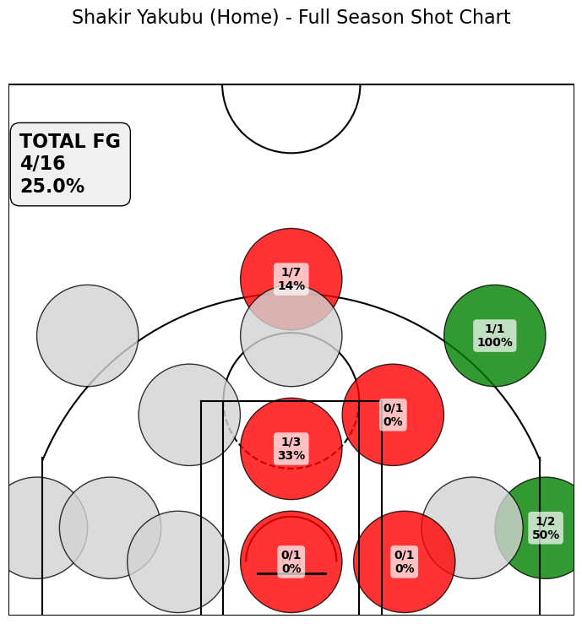
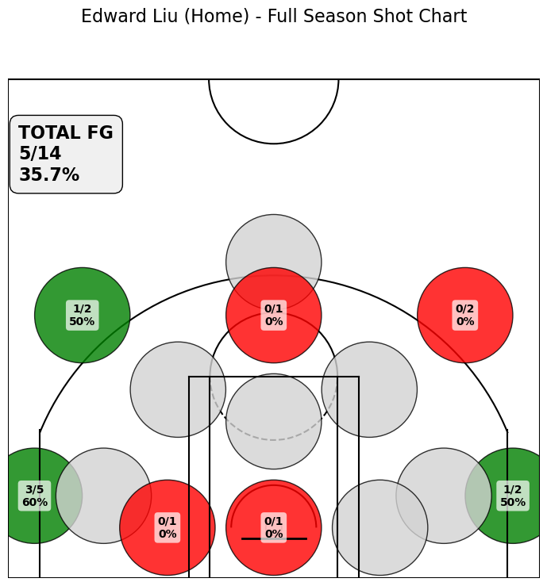
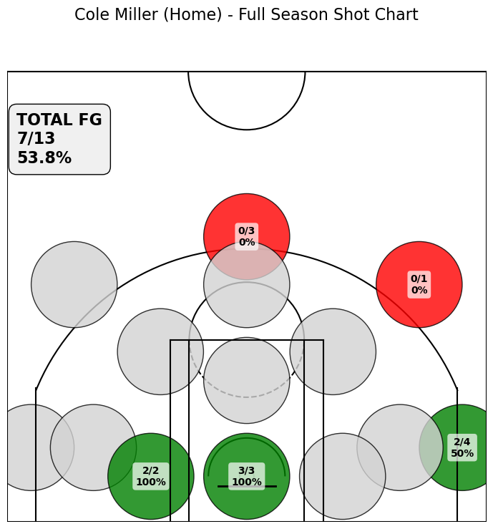
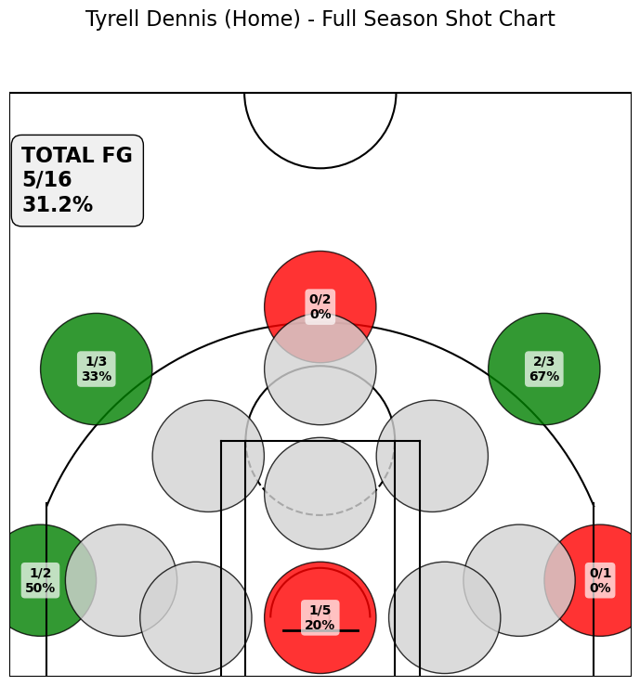
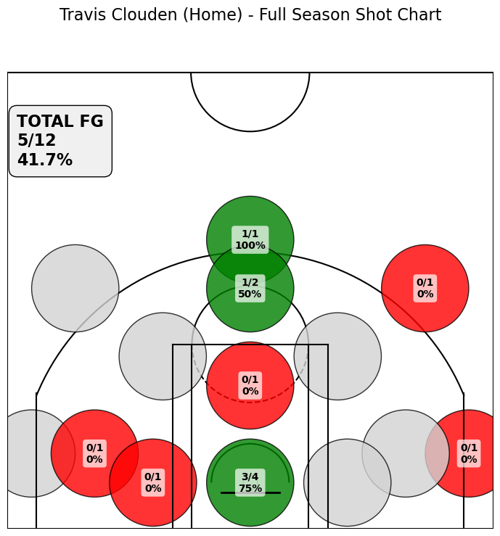

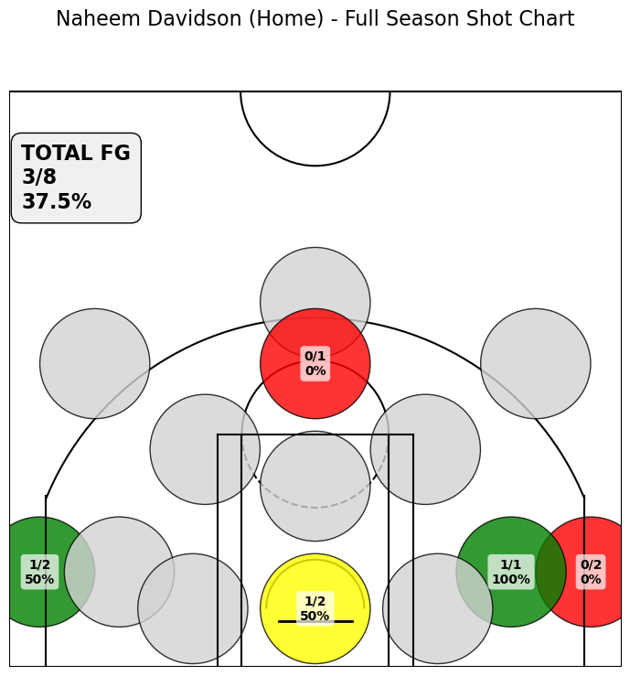
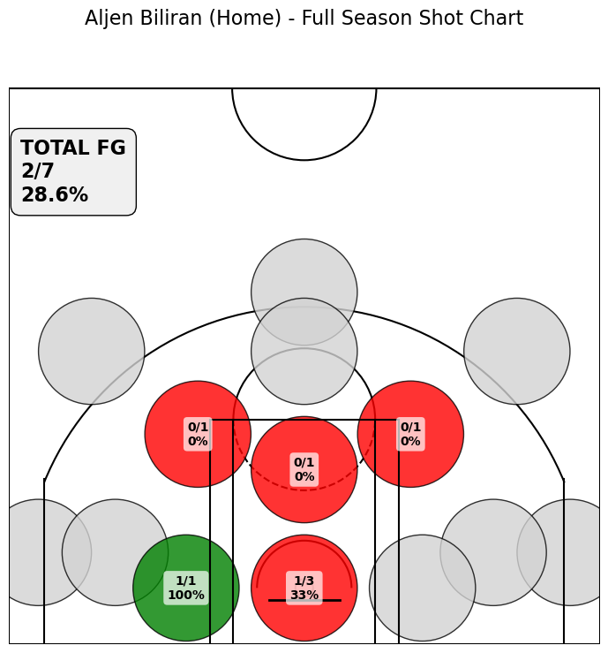
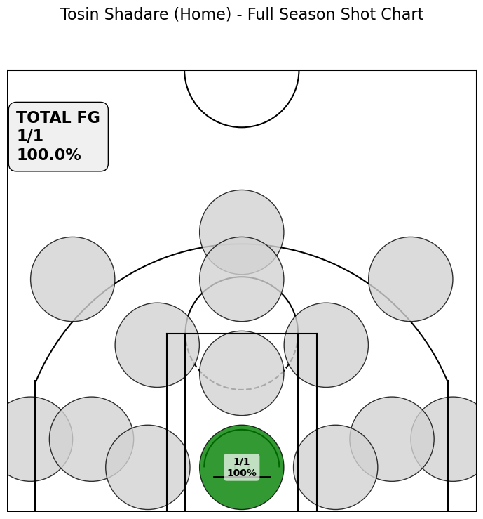
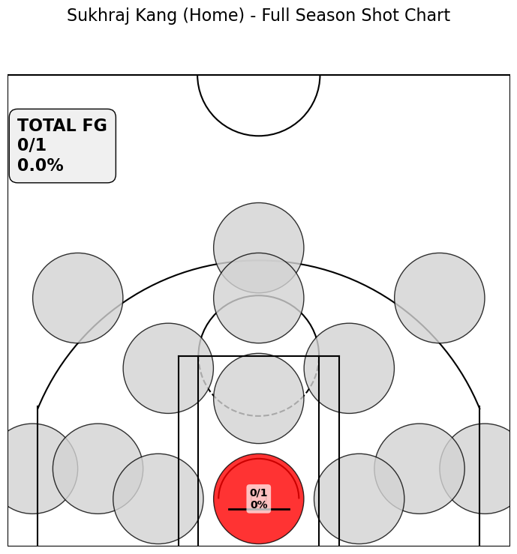

Fanshawe_Oct_17
Name | Position | Pts | FGM | FGA | FG% | 3PM | 3PA | 3P% | FTM | FTA | FT% | OREB | DREB | Reb | Ast | Stl | Blk | TO | Fouls | PlusMinus | Minutes
Naheem Davidson | G | 20 | 7 | 12 | 58 | 6 | 8 | 75 | 0 | 0 | 0 | 0 | 4 | 4 | 4 | 0 | 0 | 1 | 1 | 15 | 28:00:00
Shakir Yakubu | F | 15 | 5 | 13 | 38 | 3 | 7 | 43 | 2 | 2 | 100 | 2 | 6 | 8 | 4 | 2 | 1 | 2 | 2 | 11 | 26:00:00
Travis Clouden | F | 9 | 3 | 9 | 33 | 0 | 0 | 0 | 3 | 4 | 75 | 0 | 4 | 4 | 0 | 1 | 1 | 3 | 2 | 13 | 23:00:00
Tyrell Dennis | G | 15 | 5 | 11 | 45 | 4 | 4 | 100 | 1 | 2 | 50 | 0 | 0 | 0 | 3 | 0 | 0 | 4 | 3 | 5 | 19:00:00
Tyler Chisolm | F | 1 | 0 | 1 | 0 | 0 | 0 | 0 | 1 | 2 | 50 | 1 | 0 | 1 | 3 | 1 | 0 | 2 | 1 | 10 | 16:00:00
Edward Liu | G | 10 | 4 | 9 | 44 | 2 | 5 | 40 | 0 | 0 | 0 | 2 | 2 | 4 | 0 | 2 | 0 | 1 | 1 | 7 | 15:00:00
Cole Miller | F | 3 | 0 | 3 | 0 | 0 | 1 | 0 | 3 | 6 | 50 | 2 | 4 | 6 | 1 | 1 | 0 | 4 | 3 | 19 | 15:00:00
Dallas Francis | G | 1 | 0 | 2 | 0 | 0 | 1 | 0 | 1 | 2 | 50 | 0 | 1 | 1 | 5 | 1 | 0 | 2 | 0 | 10 | 14:00:00
Tosin Shadare | C | 4 | 2 | 2 | 100 | 0 | 0 | 0 | 0 | 0 | 0 | 0 | 3 | 3 | 0 | 1 | 0 | 1 | 5 | 9 | 13:00:00
Dyson Rose | F | 12 | 2 | 3 | 67 | 0 | 0 | 0 | 8 | 12 | 67 | 0 | 2 | 2 | 0 | 3 | 0 | 3 | 2 | 2 | 10:00:00
Peace Wilson | C | 1 | 0 | 0 | 0 | 0 | 0 | 0 | 1 | 2 | 50 | 0 | 0 | 0 | 0 | 1 | 0 | 0 | 3 | -5 | 8:00:00
Aljen Biliran | G | 0 | 0 | 2 | 0 | 0 | 0 | 0 | 0 | 0 | 0 | 0 | 0 | 0 | 0 | 1 | 0 | 0 | 0 | 5 | 5:00:00
Sukhraj Kang | C | 0 | 0 | 0 | 0 | 0 | 0 | 0 | 0 | 0 | 0 | 0 | 1 | 1 | 0 | 0 | 0 | 0 | 0 | 6 | 4:00:00
Noah Lopez | G | 0 | 0 | 0 | 0 | 0 | 0 | 0 | 0 | 0 | 0 | 0 | 0 | 0 | 1 | 0 | 0 | 0 | 0 | 3 | 2:00:00
TOTALS |  | 91 | 28 | 67 | 42 | 15 | 26 | 58 | 20 | 32 | 63 | 7 | 27 | 34 | 21 | 14 | 2 | 23 | 23

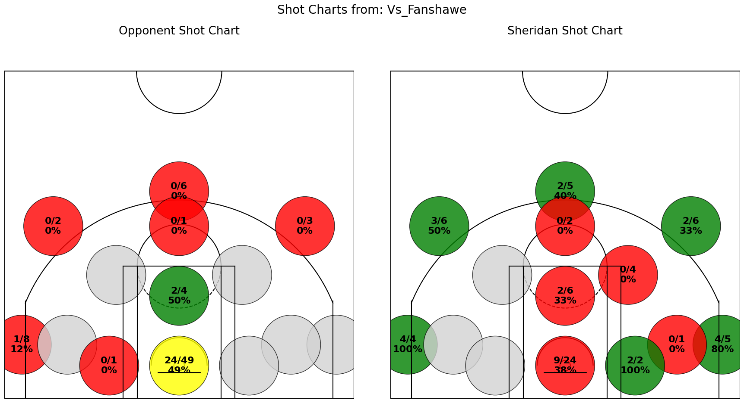
 |  |  |  |  |  |  |  |  |  |  |  |  | Sheridan 91 Fanshawe 69

Mohawk_Oct_29
Name | Position | Pts | FGM | FGA | FG% | 3PM | 3PA | 3P% | FTM | FTA | FT% | OREB | DREB | Reb | Ast | Stl | Blk | TO | Fouls | PlusMinus | Minutes
Travis Clouden | F | 13 | 5 | 12 | 42 | 0 | 2 | 0 | 3 | 4 | 75 | 4 | 9 | 13 | 4 | 2 | 0 | 2 | 4 | 5 | 31:00:00
Shakir Yakubu | F | 13 | 5 | 15 | 33 | 2 | 9 | 22 | 1 | 2 | 50 | 0 | 2 | 2 | 2 | 0 | 0 | 0 | 3 | 12 | 28:00:00
Cole Miller | F | 7 | 3 | 9 | 33 | 1 | 4 | 25 | 0 | 0 | 0 | 3 | 2 | 5 | 1 | 2 | 0 | 3 | 2 | -21 | 20:00:00
Naheem Davidson | G | 3 | 1 | 5 | 20 | 1 | 3 | 33 | 0 | 0 | 0 | 0 | 2 | 2 | 4 | 0 | 0 | 1 | 3 | -2 | 18:00:00
Tyrell Dennis | G | 7 | 2 | 11 | 18 | 1 | 5 | 20 | 2 | 4 | 50 | 0 | 2 | 2 | 2 | 1 | 0 | 3 | 1 | -6 | 17:00:00
Tosin Shadare | C | 4 | 2 | 4 | 50 | 0 | 0 | 0 | 0 | 0 | 0 | 0 | 7 | 7 | 0 | 4 | 0 | 3 | 3 | 1 | 17:00:00
Dallas Francis | G | 2 | 0 | 2 | 0 | 0 | 1 | 0 | 2 | 3 | 67 | 1 | 1 | 2 | 2 | 1 | 0 | 1 | 1 | 0 | 14:00:00
Noah Lopez | G | 8 | 3 | 6 | 50 | 2 | 5 | 40 | 0 | 0 | 0 | 0 | 1 | 1 | 0 | 0 | 0 | 1 | 2 | 9 | 14:00:00
Edward Liu | G | 4 | 2 | 3 | 67 | 0 | 0 | 0 | 0 | 0 | 0 | 1 | 0 | 1 | 0 | 2 | 0 | 0 | 2 | -6 | 13:00:00
Aljen Biliran | G | 14 | 6 | 10 | 60 | 0 | 0 | 0 | 2 | 2 | 100 | 2 | 0 | 2 | 1 | 1 | 0 | 1 | 0 | 4 | 12:00:00
Nathan Edjoa | F | 0 | 0 | 2 | 0 | 0 | 0 | 0 | 0 | 0 | 0 | 0 | 0 | 0 | 0 | 0 | 1 | 1 | 3 | -1 | 9:00:00
Dyson Rose | F | 0 | 0 | 1 | 0 | 0 | 0 | 0 | 0 | 0 | 0 | 0 | 1 | 1 | 0 | 0 | 0 | 0 | 0 | -10 | 4:00:00
Peace Wilson | C | 0 | 0 | 0 | 0 | 0 | 0 | 0 | 0 | 0 | 0 | 0 | 0 | 0 | 0 | 0 | 0 | 0 | 0 | 0 | 0:00:00
Sukhraj Kang | C | 0 | 0 | 0 | 0 | 0 | 0 | 0 | 0 | 0 | 0 | 0 | 0 | 0 | 0 | 0 | 0 | 0 | 0 | 0 | 0:00:00
Tyler Chisolm | F | 0 | 0 | 0 | 0 | 0 | 0 | 0 | 0 | 0 | 0 | 0 | 0 | 0 | 0 | 0 | 0 | 0 | 0 | 0 | 0:00:00
TOTALS |  | 75 | 29 | 80 | 36 | 7 | 29 | 24 | 10 | 15 | 67 | 11 | 27 | 38 | 16 | 13 | 1 | 16 | 24
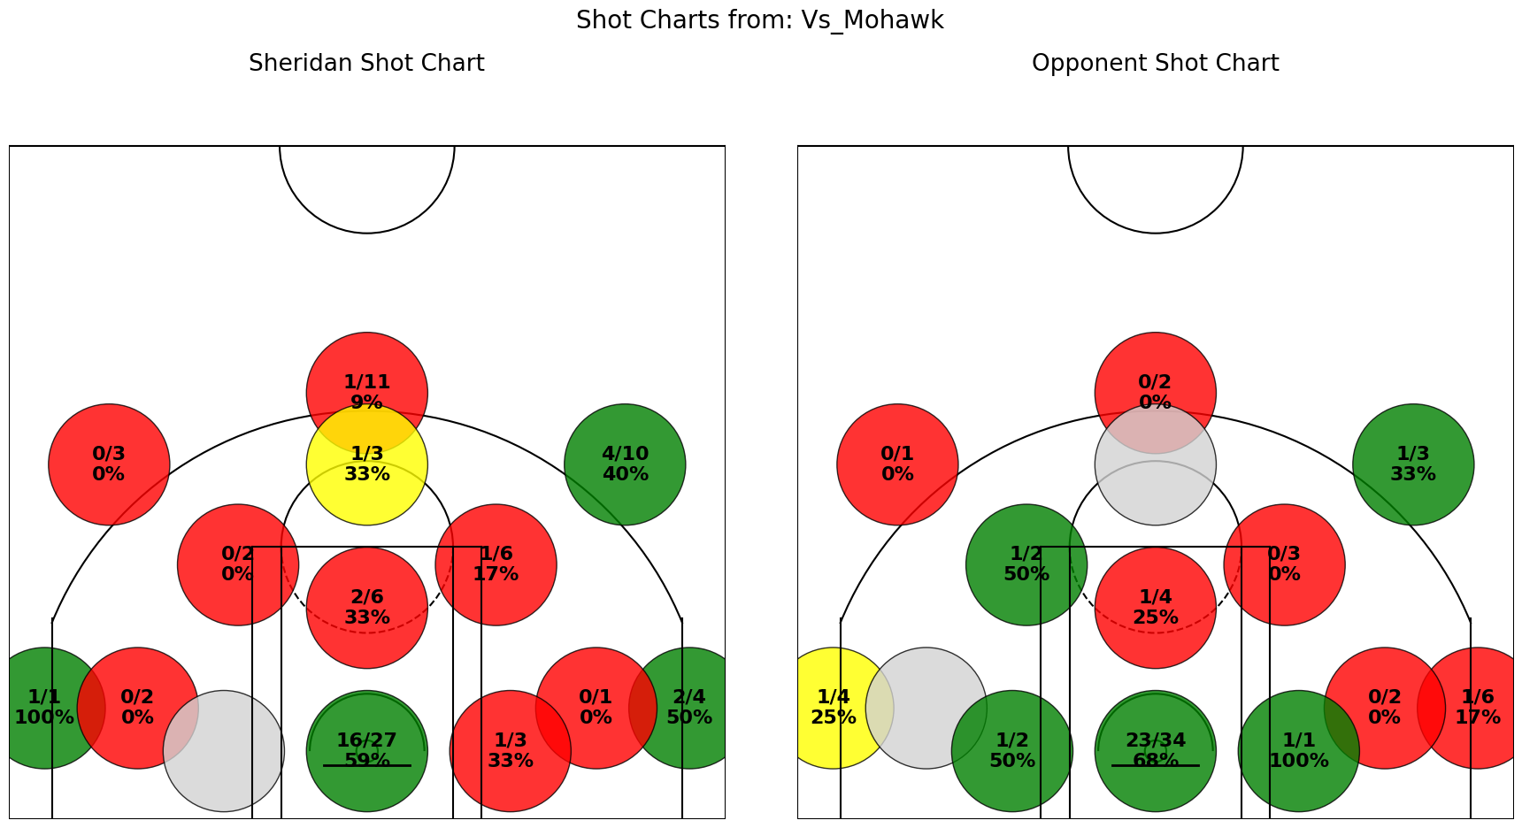
 |  |  |  |  |  |  |  |  |  |  |  |  |  |  | Mohawk 78 Sheridan 75

Niagara_Oct_31
Name | Position | Pts | FGM | FGA | FG% | 3PM | 3PA | 3P% | FTM | FTA | FT% | OREB | DREB | Reb | Ast | Stl | Blk | TO | Fouls | PlusMinus | Minutes
Travis Clouden | F | 20 | 8 | 20 | 40 | 0 | 1 | 0 | 4 | 6 | 67 | 4 | 3 | 7 | 3 | 4 | 1 | 4 | 2 | 12 | 35:00:00
Shakir Yakubu | F | 23 | 8 | 19 | 42 | 2 | 7 | 29 | 5 | 8 | 63 | 6 | 4 | 10 | 4 | 4 | 0 | 3 | 2 | 10 | 31:00:00
Tyrell Dennis | G | 15 | 3 | 10 | 30 | 1 | 4 | 25 | 8 | 9 | 89 | 1 | 1 | 2 | 2 | 1 | 0 | 4 | 1 | 5 | 25:00:00
Cole Miller | F | 11 | 3 | 3 | 100 | 2 | 2 | 100 | 3 | 6 | 50 | 0 | 3 | 3 | 0 | 1 | 0 | 0 | 0 | 12 | 20:00:00
Aljen Biliran | G | 12 | 5 | 7 | 71 | 2 | 2 | 100 | 0 | 0 | 0 | 0 | 0 | 0 | 1 | 1 | 0 | 3 | 1 | 1 | 17:00:00
Tosin Shadare | C | 3 | 1 | 2 | 50 | 0 | 0 | 0 | 1 | 2 | 50 | 2 | 1 | 3 | 0 | 1 | 0 | 0 | 5 | 7 | 14:00:00
Dyson Rose | F | 4 | 1 | 3 | 33 | 0 | 1 | 0 | 2 | 2 | 100 | 1 | 0 | 1 | 0 | 0 | 0 | 2 | 2 | -1 | 13:00:00
Tyler Chisolm | F | 6 | 1 | 5 | 20 | 0 | 0 | 0 | 4 | 4 | 100 | 2 | 1 | 3 | 3 | 1 | 0 | 4 | 2 | 7 | 13:00:00
Naheem Davidson | G | 2 | 1 | 6 | 17 | 0 | 3 | 0 | 0 | 0 | 0 | 1 | 0 | 1 | 1 | 1 | 0 | 1 | 0 | 1 | 12:00:00
Edward Liu | G | 2 | 1 | 3 | 33 | 0 | 1 | 0 | 0 | 0 | 0 | 1 | 0 | 1 | 0 | 0 | 0 | 2 | 0 | 11 | 10:00:00
Nathan Edjoa | F | 2 | 1 | 1 | 100 | 0 | 0 | 0 | 0 | 0 | 0 | 2 | 0 | 2 | 0 | 1 | 0 | 0 | 2 | -9 | 6:00:00
Dallas Francis | G | 0 | 0 | 1 | 0 | 0 | 0 | 0 | 0 | 0 | 0 | 0 | 1 | 1 | 1 | 0 | 0 | 2 | 0 | -6 | 4:00:00
Noah Lopez | G | 0 | 0 | 0 | 0 | 0 | 0 | 0 | 0 | 0 | 0 | 0 | 0 | 0 | 0 | 0 | 0 | 0 | 0 | 0 | 1:00:00
Peace Wilson | C | 0 | 0 | 0 | 0 | 0 | 0 | 0 | 0 | 0 | 0 | 0 | 0 | 0 | 0 | 0 | 0 | 0 | 0 | 0 | 0:00:00
Sukhraj Kang | C | 0 | 0 | 0 | 0 | 0 | 0 | 0 | 0 | 0 | 0 | 0 | 0 | 0 | 0 | 0 | 0 | 0 | 0 | 0 | 0:00:00
TOTALS |  | 100 | 33 | 80 | 41 | 7 | 21 | 33 | 27 | 37 | 73 | 20 | 14 | 34 | 15 | 15 | 1 | 25 | 17
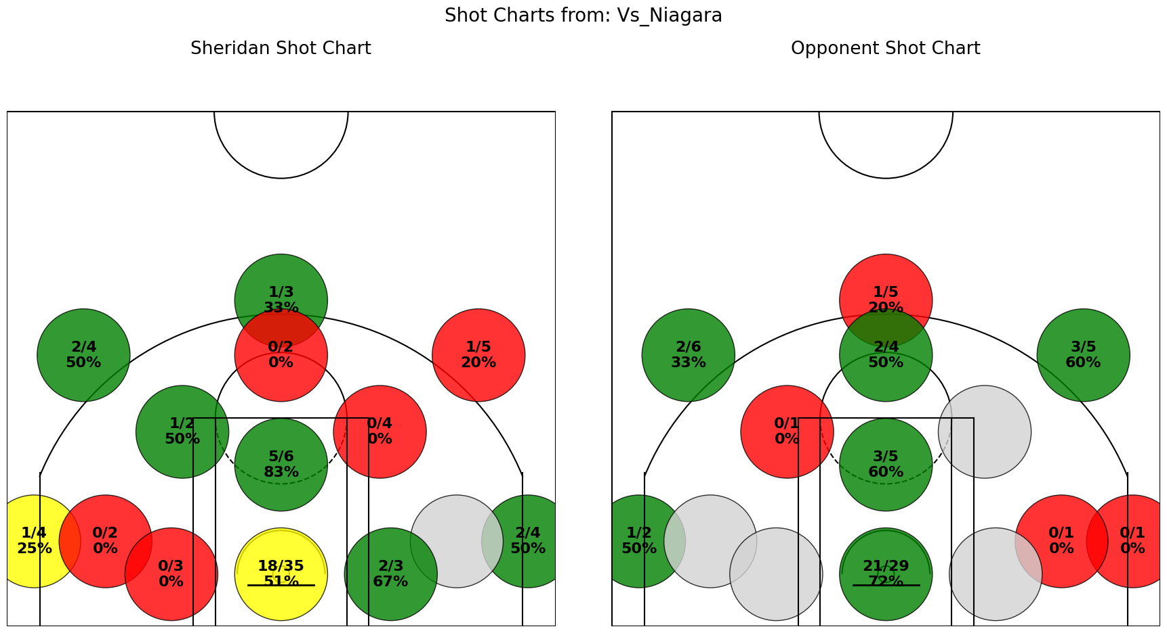
 |  |  |  |  |  |  |  |  |  |  |  |  |  |  | Sheridan 100 Niagara 90

Humber_Nov_5
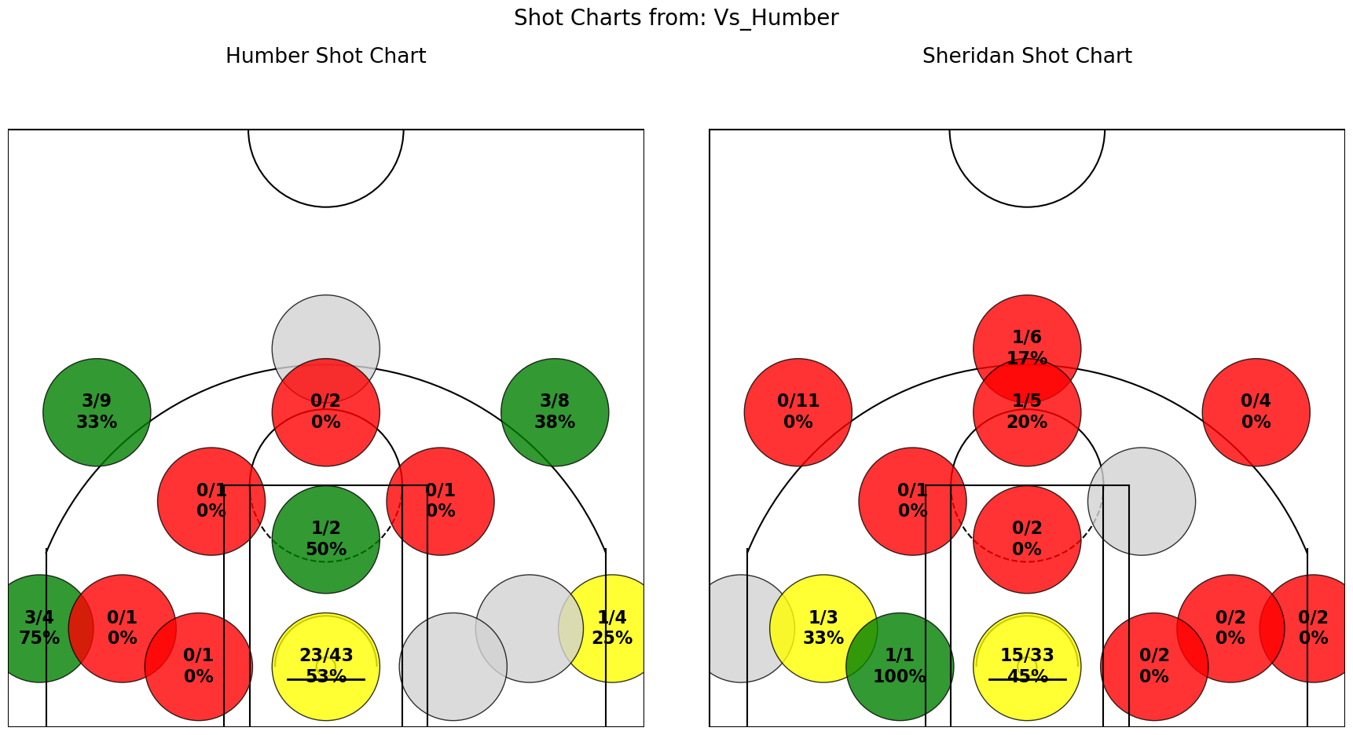
Name | Position | Pts | FGM | FGA | FG% | 3PM | 3PA | 3P% | FTM | FTA | FT% | OREB | DREB | Reb | Ast | Stl | Blk | TO | Fouls | PlusMinus | Minutes
Travis Clouden | F | 17 | 5 | 15 | 33 | 0 | 1 | 0 | 7 | 10 | 70 | 2 | 6 | 8 | 1 | 1 | 1 | 1 | 3 | -23 | 32:00:00
Shakir Yakubu | F | 8 | 3 | 11 | 27 | 0 | 3 | 0 | 2 | 2 | 100 | 1 | 3 | 4 | 0 | 2 | 0 | 4 | 2 | -24 | 23:00:00
Dyson Rose | F | 8 | 4 | 8 | 50 | 0 | 1 | 0 | 0 | 0 | 0 | 3 | 1 | 4 | 0 | 3 | 0 | 2 | 1 | -10 | 22:00:00
Tyrell Dennis | G | 14 | 3 | 9 | 33 | 1 | 5 | 20 | 7 | 12 | 58 | 0 | 6 | 6 | 1 | 1 | 0 | 5 | 3 | -18 | 20:00:00
Cole Miller | F | 4 | 1 | 9 | 11 | 0 | 5 | 0 | 2 | 2 | 100 | 1 | 1 | 2 | 0 | 2 | 0 | 4 | 4 | -19 | 20:00:00
Aljen Biliran | G | 5 | 0 | 8 | 0 | 0 | 2 | 0 | 5 | 6 | 83 | 0 | 2 | 2 | 2 | 3 | 0 | 2 | 3 | -10 | 18:00:00
Tosin Shadare | C | 2 | 1 | 1 | 100 | 0 | 0 | 0 | 0 | 0 | 0 | 1 | 4 | 5 | 0 | 0 | 1 | 2 | 0 | -8 | 11:00:00
Peace Wilson | C | 0 | 0 | 2 | 0 | 0 | 1 | 0 | 0 | 0 | 0 | 0 | 2 | 2 | 0 | 0 | 1 | 2 | 3 | -4 | 10:00:00
Edward Liu | G | 4 | 1 | 3 | 33 | 0 | 1 | 0 | 2 | 2 | 100 | 0 | 0 | 0 | 0 | 0 | 0 | 1 | 2 | 0 | 10:00:00
Dallas Francis | G | 2 | 0 | 2 | 0 | 0 | 1 | 0 | 2 | 6 | 33 | 0 | 1 | 1 | 1 | 0 | 0 | 0 | 2 | -12 | 9:00:00
Noah Lopez | G | 0 | 0 | 2 | 0 | 0 | 2 | 0 | 0 | 0 | 0 | 0 | 0 | 0 | 0 | 0 | 0 | 0 | 0 | -12 | 8:00:00
Tyler Chisolm | F | 2 | 1 | 3 | 33 | 0 | 1 | 0 | 0 | 0 | 0 | 2 | 0 | 2 | 1 | 0 | 0 | 1 | 1 | -2 | 7:00:00
Naheem Davidson | G | 0 | 0 | 0 | 0 | 0 | 0 | 0 | 0 | 0 | 0 | 0 | 0 | 0 | 0 | 1 | 0 | 2 | 0 | -8 | 5:00:00
Sukhraj Kang | C | 0 | 0 | 0 | 0 | 0 | 0 | 0 | 0 | 0 | 0 | 0 | 0 | 0 | 0 | 0 | 0 | 0 | 0 | 0 | 0:00:00
Nathan Edjoa | F | 0 | 0 | 0 | 0 | 0 | 0 | 0 | 0 | 0 | 0 | 0 | 1 | 1 | 0 | 0 | 0 | 1 | 0 | 0 | 0:00:00
TOTALS |  | 66 | 19 | 73 | 26 | 1 | 23 | 4 | 27 | 40 | 68 | 10 | 27 | 37 | 6 | 13 | 3 | 27 | 24

 |  |  |  |  |  |  |  |  |  |  |  |  |  | Humber 96 Sheridan 66

Conestoga_Nov_14
Name | Position | Pts | FGM | FGA | FG% | 3PM | 3PA | 3P% | FTM | FTA | FT% | OREB | DREB | Reb | Ast | Stl | Blk | TO | Fouls | PlusMinus | Minutes
Travis Clouden | F | 17 | 6 | 17 | 35 | 0 | 1 | 0 | 5 | 9 | 56 | 7 | 8 | 15 | 0 | 4 | 1 | 0 | 2 | 8 | 35:00:00
Shakir Yakubu | F | 24 | 9 | 18 | 50 | 5 | 7 | 71 | 1 | 1 | 100 | 1 | 2 | 3 | 2 | 1 | 0 | 2 | 1 | 5 | 32:00:00
Tyler Chisolm | F | 5 | 2 | 6 | 33 | 0 | 0 | 0 | 1 | 4 | 25 | 2 | 1 | 3 | 6 | 1 | 0 | 0 | 1 | -7 | 22:00:00
Tyrell Dennis | G | 20 | 9 | 14 | 64 | 2 | 3 | 67 | 0 | 0 | 0 | 1 | 4 | 5 | 3 | 2 | 0 | 0 | 3 | 9 | 19:00:00
Tosin Shadare | C | 0 | 0 | 1 | 0 | 0 | 0 | 0 | 0 | 0 | 0 | 1 | 4 | 5 | 0 | 2 | 0 | 2 | 2 | 11 | 19:00:00
Edward Liu | G | 8 | 3 | 8 | 38 | 2 | 3 | 67 | 0 | 0 | 0 | 0 | 0 | 0 | 2 | 1 | 0 | 0 | 0 | -9 | 15:00:00
Naheem Davidson | G | 5 | 2 | 4 | 50 | 1 | 1 | 100 | 0 | 0 | 0 | 1 | 0 | 1 | 2 | 0 | 0 | 1 | 0 | 8 | 14:00:00
Cole Miller | F | 0 | 0 | 3 | 0 | 0 | 2 | 0 | 0 | 0 | 0 | 1 | 1 | 2 | 0 | 0 | 2 | 2 | 1 | 3 | 14:00:00
Dyson Rose | F | 0 | 0 | 1 | 0 | 0 | 0 | 0 | 0 | 2 | 0 | 1 | 4 | 5 | 1 | 0 | 0 | 2 | 1 | 3 | 9:00:00
Aljen Biliran | G | 5 | 1 | 3 | 33 | 0 | 0 | 0 | 3 | 4 | 75 | 0 | 1 | 1 | 1 | 0 | 0 | 0 | 2 | 11 | 9:00:00
Sukhraj Kang | C | 2 | 1 | 1 | 100 | 0 | 0 | 0 | 0 | 0 | 0 | 0 | 1 | 1 | 0 | 0 | 1 | 0 | 3 | -7 | 8:00:00
Nathan Edjoa | F | 0 | 0 | 0 | 0 | 0 | 0 | 0 | 0 | 0 | 0 | 0 | 1 | 1 | 0 | 0 | 0 | 0 | 0 | -5 | 2:00:00
Peace Wilson | C | 0 | 0 | 0 | 0 | 0 | 0 | 0 | 0 | 0 | 0 | 0 | 0 | 0 | 0 | 0 | 0 | 0 | 0 | 0 | 0:00:00
Noah Lopez | G | 0 | 0 | 0 | 0 | 0 | 0 | 0 | 0 | 0 | 0 | 0 | 0 | 0 | 0 | 0 | 0 | 0 | 0 | 0 | 0:00:00
TOTALS |  | 86 | 33 | 76 | 43 | 10 | 17 | 59 | 10 | 20 | 50 | 15 | 27 | 42 | 17 | 11 | 4 | 9 | 16
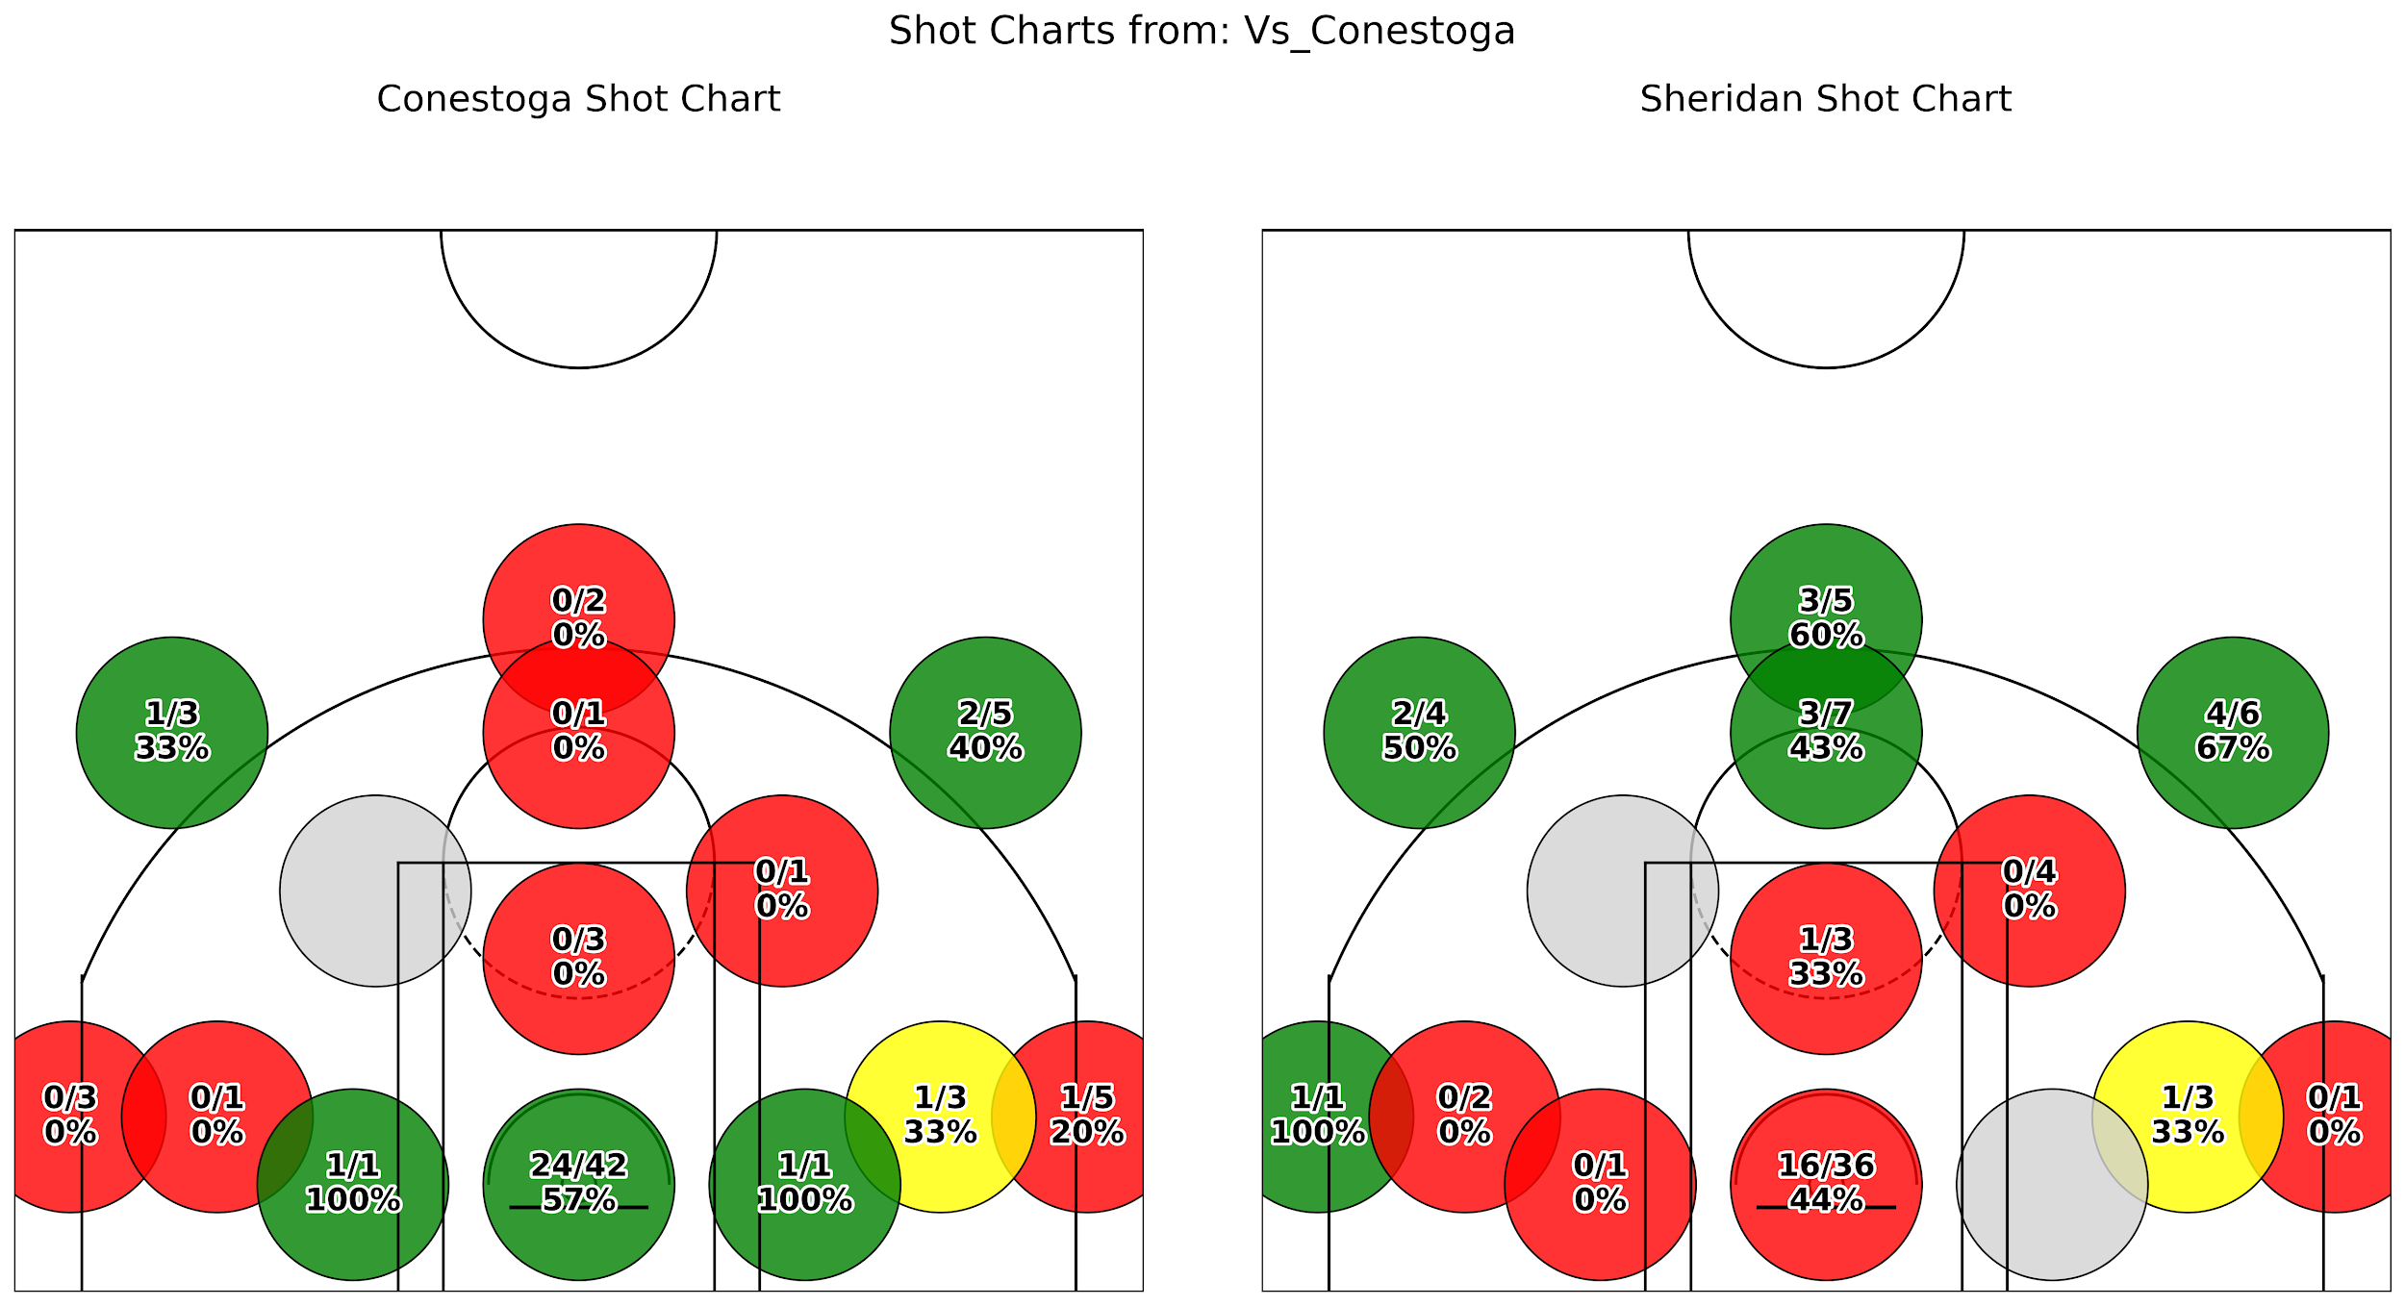
 |  |  |  |  |  |  |  |  |  |  |  |  |  | Sheridan 86 Conestoga 80

Redeemer_Nov_19
Name | Position | Pts | FGM | FGA | FG% | 3PM | 3PA | 3P% | FTM | FTA | FT% | OREB | DREB | Reb | Ast | Stl | Blk | TO | Fouls | PlusMinus | Minutes
Travis Clouden | F | 18 | 6 | 18 | 33 | 1 | 2 | 50 | 5 | 5 | 100 | 5 | 5 | 10 | 6 | 2 | 1 | 2 | 2 | 37 | 26:00:00
Naheem Davidson | G | 11 | 3 | 7 | 43 | 3 | 6 | 50 | 2 | 2 | 100 | 0 | 2 | 2 | 3 | 1 | 0 | 1 | 1 | 21 | 21:00:00
Tyrell Dennis | G | 21 | 7 | 15 | 47 | 5 | 9 | 56 | 2 | 2 | 100 | 0 | 0 | 0 | 4 | 4 | 0 | 1 | 1 | 21 | 21:00:00
Tosin Shadare | C | 0 | 0 | 1 | 0 | 0 | 0 | 0 | 0 | 0 | 0 | 5 | 6 | 11 | 1 | 0 | 0 | 0 | 2 | 18 | 20:00:00
Edward Liu | G | 10 | 4 | 10 | 40 | 2 | 5 | 40 | 0 | 0 | 0 | 0 | 3 | 3 | 2 | 0 | 0 | 1 | 0 | 24 | 19:00:00
Tyler Chisolm | F | 9 | 4 | 6 | 67 | 0 | 1 | 0 | 1 | 2 | 50 | 2 | 2 | 4 | 9 | 3 | 1 | 4 | 0 | 23 | 19:00:00
Shakir Yakubu | F | 28 | 11 | 14 | 79 | 6 | 8 | 75 | 0 | 1 | 0 | 1 | 1 | 2 | 0 | 1 | 0 | 0 | 3 | 21 | 15:00:00
Dyson Rose | F | 10 | 4 | 8 | 50 | 0 | 0 | 0 | 2 | 3 | 67 | 3 | 2 | 5 | 4 | 2 | 0 | 2 | 4 | 16 | 15:00:00
Cole Miller | F | 10 | 3 | 5 | 60 | 2 | 3 | 67 | 2 | 4 | 50 | 2 | 5 | 7 | 0 | 1 | 0 | 2 | 4 | 9 | 14:00:00
Sukhraj Kang | C | 2 | 1 | 2 | 50 | 0 | 0 | 0 | 0 | 0 | 0 | 0 | 1 | 1 | 0 | 0 | 0 | 0 | 1 | 10 | 12:00:00
Peace Wilson | C | 6 | 2 | 2 | 100 | 0 | 0 | 0 | 2 | 2 | 100 | 1 | 3 | 4 | 0 | 0 | 0 | 0 | 2 | 8 | 10:00:00
Nathan Edjoa | F | 0 | 0 | 1 | 0 | 0 | 0 | 0 | 0 | 0 | 0 | 0 | 1 | 1 | 0 | 1 | 1 | 2 | 4 | 17 | 8:00:00
Noah Lopez | G | 0 | 0 | 0 | 0 | 0 | 0 | 0 | 0 | 0 | 0 | 0 | 0 | 0 | 0 | 0 | 0 | 0 | 0 | 0 | 0:00:00
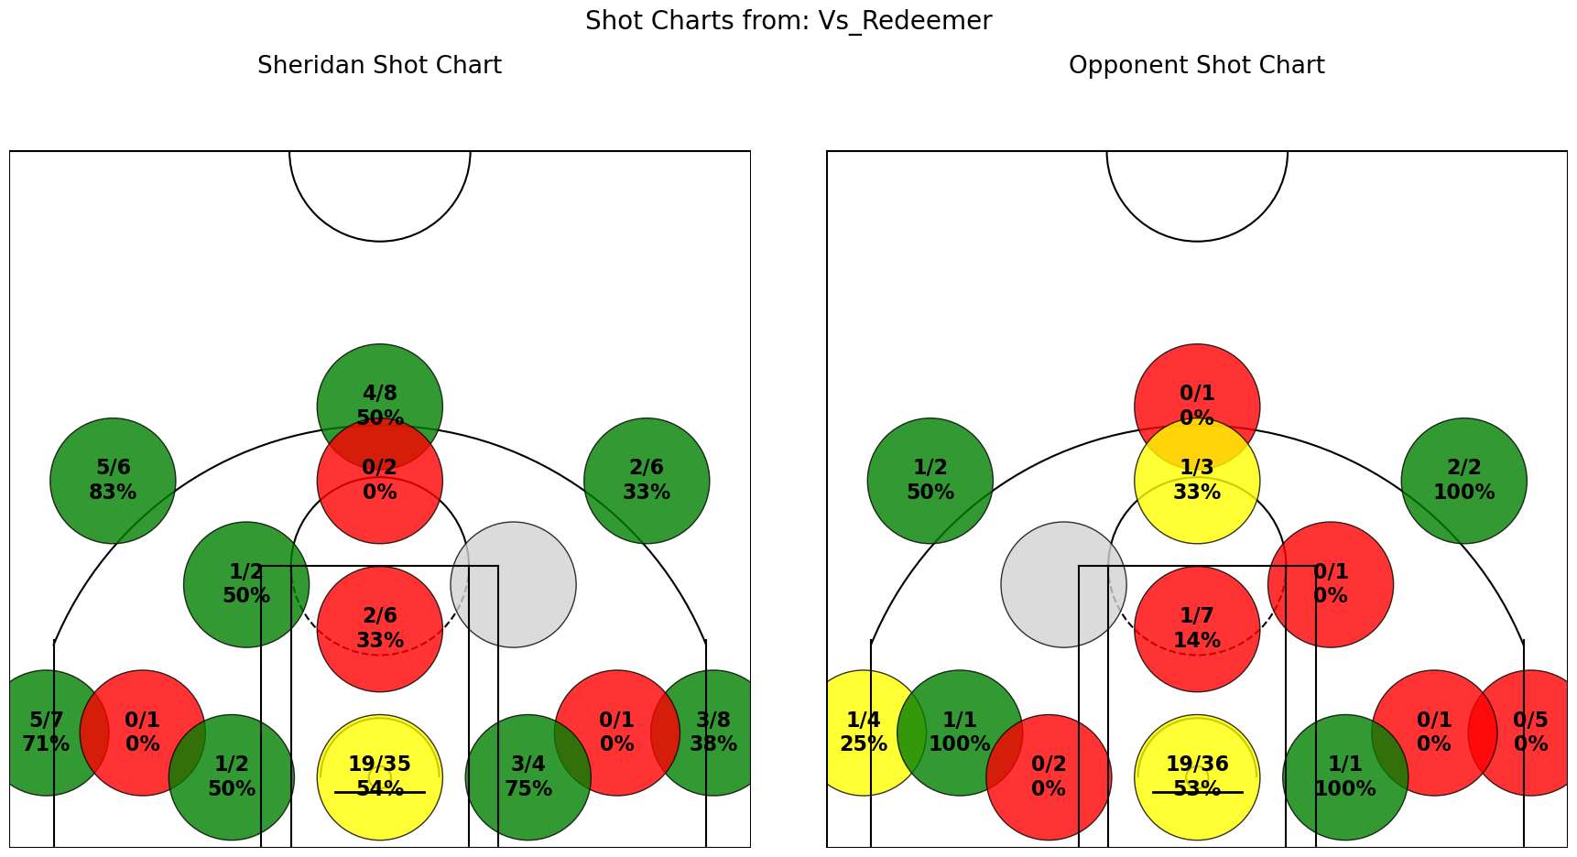
TOTALS |  | 125 | 45 | 89 | 51 | 19 | 34 | 56 | 16 | 21 | 76 | 19 | 31 | 50 | 29 | 15 | 3 | 15 | 24

 |  |  |  |  |  |  |  |  |  |  |  |  | SHERIDAN 125 Redeemer 80

Canadore_Nov_23
Name | Position | Pts | FGM | FGA | FG% | 3PM | 3PA | 3P% | FTM | FTA | FT% | OREB | DREB | Reb | Ast | Stl | Blk | TO | Fouls | PlusMinus | Minutes
Shakir Yakubu | F | 28 | 12 | 21 | 57 | 0 | 3 | 0 | 4 | 6 | 67 | 2 | 6 | 8 | 3 | 2 | 0 | 3 | 1 | 28 | 27:00:00
Travis Clouden | F | 15 | 5 | 10 | 50 | 0 | 2 | 0 | 5 | 6 | 83 | 3 | 5 | 8 | 6 | 2 | 1 | 0 | 3 | 16 | 24:00:00
Tosin Shadare | C | 0 | 0 | 2 | 0 | 0 | 0 | 0 | 0 | 0 | 0 | 5 | 5 | 10 | 2 | 4 | 1 | 0 | 4 | 25 | 23:00:00
Tyler Chisolm | F | 14 | 7 | 15 | 47 | 0 | 2 | 0 | 0 | 1 | 0 | 3 | 2 | 5 | 4 | 3 | 0 | 0 | 2 | 6 | 21:00:00
Cole Miller | F | 3 | 1 | 4 | 25 | 1 | 3 | 33 | 0 | 0 | 0 | 1 | 3 | 4 | 3 | 1 | 0 | 0 | 2 | 18 | 17:00:00
Naheem Davidson | G | 9 | 4 | 6 | 67 | 1 | 3 | 33 | 0 | 0 | 0 | 0 | 0 | 0 | 2 | 2 | 0 | 1 | 3 | 25 | 16:00:00
Tyrell Dennis | G | 14 | 5 | 10 | 50 | 2 | 4 | 50 | 2 | 6 | 33 | 0 | 1 | 1 | 6 | 2 | 0 | 1 | 1 | 21 | 14:00:00
Noah Lopez | G | 3 | 1 | 6 | 17 | 1 | 4 | 25 | 0 | 0 | 0 | 0 | 0 | 0 | 3 | 2 | 0 | 0 | 0 | 17 | 11:00:00
Nathan Edjoa | F | 6 | 3 | 5 | 60 | 0 | 0 | 0 | 0 | 0 | 0 | 4 | 1 | 5 | 0 | 1 | 1 | 1 | 3 | 9 | 10:00:00
Dyson Rose | F | 5 | 2 | 5 | 40 | 1 | 2 | 50 | 0 | 0 | 0 | 1 | 0 | 1 | 1 | 0 | 0 | 2 | 2 | 8 | 9:00:00
Edward Liu | G | 2 | 1 | 5 | 20 | 0 | 2 | 0 | 0 | 0 | 0 | 0 | 0 | 0 | 2 | 0 | 0 | 2 | 1 | -11 | 9:00:00
Aljen Biliran | G | 11 | 4 | 7 | 57 | 1 | 2 | 50 | 2 | 4 | 50 | 1 | 0 | 1 | 1 | 3 | 0 | 1 | 0 | 10 | 8:00:00
Sukhraj Kang | C | 0 | 0 | 0 | 0 | 0 | 0 | 0 | 0 | 0 | 0 | 0 | 0 | 0 | 0 | 1 | 1 | 0 | 0 | 0 | 6:00:00
Peace Wilson | C | 0 | 0 | 1 | 0 | 0 | 0 | 0 | 0 | 0 | 0 | 0 | 0 | 0 | 0 | 0 | 1 | 1 | 1 | -2 | 4:00:00
TOTALS |  | 110 | 45 | 97 | 46 | 7 | 27 | 26 | 13 | 23 | 57 | 20 | 23 | 43 | 33 | 23 | 5 | 12 | 23

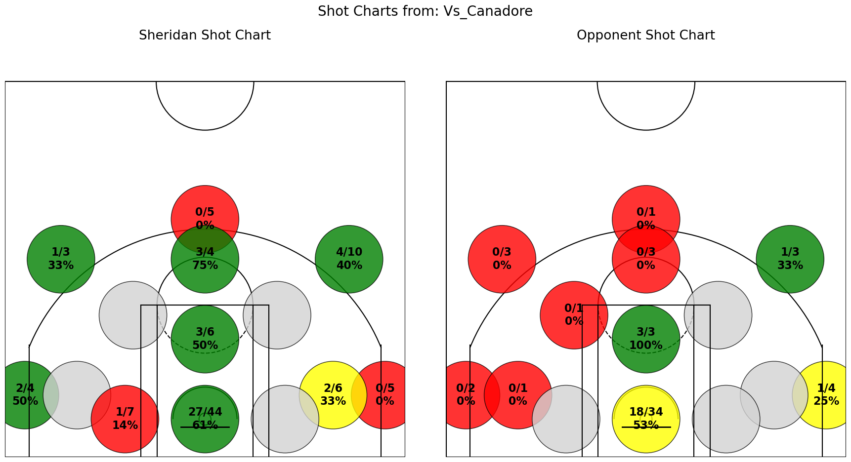
 |  |  |  |  |  |  |  |  |  |  |  |  | Sheridan 110 Canadore 76

Lambton_Nov_29
Name | Position | Pts | FGM | FGA | FG% | 3PM | 3PA | 3P% | FTM | FTA | FT% | OREB | DREB | Reb | Ast | Stl | Blk | TO | Fouls | PlusMinus | Minutes
Travis Clouden | F | 14 | 3 | 12 | 25 | 0 | 1 | 0 | 8 | 10 | 80 | 5 | 3 | 8 | 2 | 5 | 2 | 3 | 2 | 21 | 29:00:00
Shakir Yakubu | F | 14 | 7 | 14 | 50 | 0 | 3 | 0 | 0 | 3 | 0 | 1 | 4 | 5 | 2 | 1 | 0 | 4 | 3 | 14 | 25:00:00
Tyrell Dennis | G | 22 | 5 | 10 | 50 | 4 | 7 | 57 | 8 | 8 | 100 | 0 | 1 | 1 | 2 | 2 | 0 | 1 | 1 | 12 | 20:00:00
Tosin Shadare | C | 6 | 3 | 4 | 75 | 0 | 0 | 0 | 0 | 0 | 0 | 4 | 2 | 6 | 1 | 1 | 1 | 2 | 0 | 12 | 19:00:00
Tyler Chisolm | F | 4 | 2 | 5 | 40 | 0 | 0 | 0 | 0 | 0 | 0 | 0 | 1 | 1 | 7 | 3 | 2 | 1 | 2 | 23 | 19:00:00
Edward Liu | G | 23 | 8 | 10 | 80 | 6 | 8 | 75 | 1 | 2 | 50 | 0 | 3 | 3 | 3 | 1 | 0 | 1 | 1 | 21 | 18:00:00
Naheem Davidson | G | 2 | 1 | 3 | 33 | 0 | 2 | 0 | 0 | 0 | 0 | 0 | 0 | 0 | 1 | 1 | 0 | 2 | 0 | 7 | 14:00:00
Cole Miller | F | 8 | 3 | 4 | 75 | 1 | 2 | 50 | 1 | 2 | 50 | 1 | 0 | 1 | 1 | 0 | 0 | 0 | 1 | 8 | 12:00:00
Dyson Rose | F | 3 | 1 | 4 | 25 | 0 | 1 | 0 | 1 | 2 | 50 | 2 | 4 | 6 | 1 | 0 | 0 | 2 | 2 | 7 | 10:00:00
Aljen Biliran | G | 3 | 0 | 2 | 0 | 0 | 0 | 0 | 3 | 4 | 75 | 1 | 1 | 2 | 2 | 0 | 0 | 2 | 2 | 2 | 7:00:00
Noah Lopez | G | 3 | 1 | 1 | 100 | 1 | 1 | 100 | 0 | 0 | 0 | 0 | 1 | 1 | 0 | 0 | 0 | 0 | 0 | 5 | 6:00:00
Peace Wilson | C | 0 | 0 | 1 | 0 | 0 | 1 | 0 | 0 | 0 | 0 | 0 | 2 | 2 | 1 | 0 | 0 | 0 | 1 | 1 | 5:00:00
Sukhraj Kang | C | 0 | 0 | 0 | 0 | 0 | 0 | 0 | 0 | 0 | 0 | 0 | 1 | 1 | 1 | 0 | 0 | 0 | 0 | 6 | 5:00:00
Nathan Edjoa | F | 2 | 1 | 2 | 50 | 0 | 0 | 0 | 0 | 0 | 0 | 1 | 0 | 1 | 0 | 1 | 0 | 1 | 1 | 1 | 5:00:00
TOTALS |  | 104 | 35 | 72 | 49 | 12 | 26 | 46 | 22 | 31 | 71 | 15 | 23 | 38 | 24 | 15 | 5 | 19 | 16

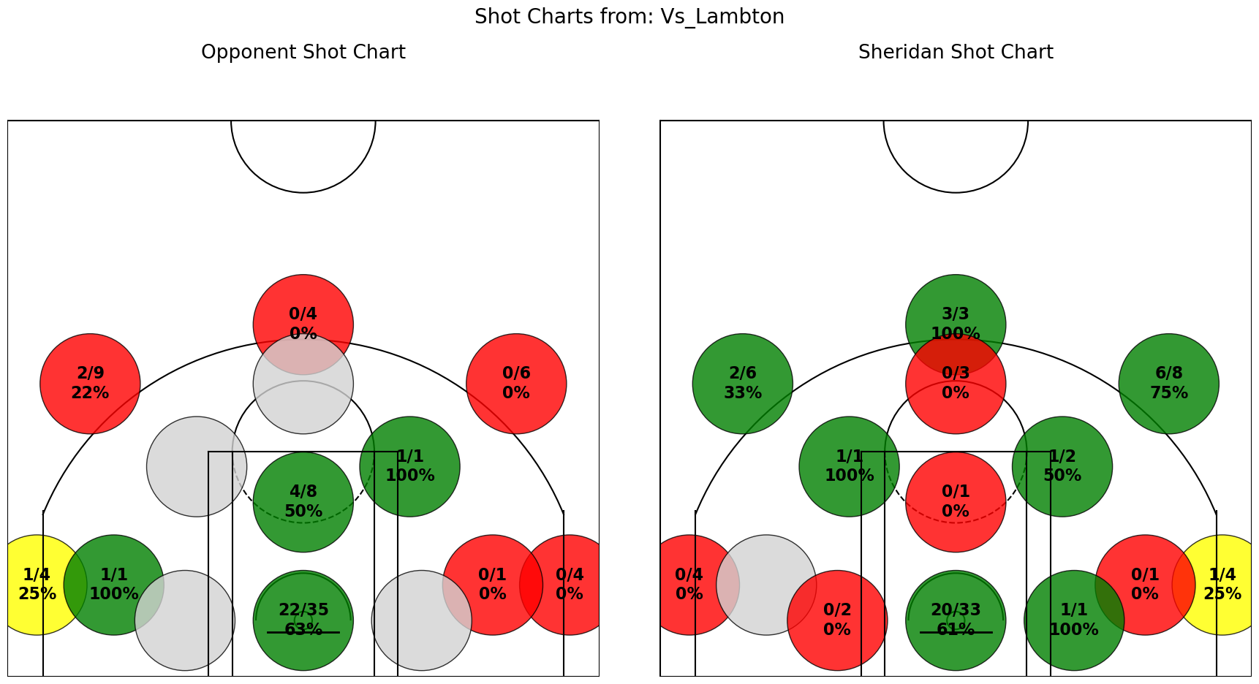
 |  |  |  |  |  |  |  |  |  |  |  |  | Sheridan 104 Lambton 75

St.Clair_Nov_30
Name | Position | Pts | FGM | FGA | FG% | 3PM | 3PA | 3P% | FTM | FTA | FT% | OREB | DREB | Reb | Ast | Stl | Blk | TO | Fouls | PlusMinus | Minutes
Shakir Yakubu | F | 16 | 6 | 15 | 40 | 1 | 7 | 14 | 3 | 6 | 50 | 3 | 6 | 9 | 4 | 1 | 0 | 2 | 1 | -19 | 33:00:00
Travis Clouden | F | 22 | 6 | 17 | 35 | 0 | 3 | 0 | 10 | 12 | 83 | 0 | 4 | 4 | 1 | 4 | 2 | 2 | 4 | -16 | 30:00:00
Tyrell Dennis | G | 10 | 4 | 11 | 36 | 1 | 6 | 17 | 1 | 2 | 50 | 1 | 2 | 3 | 1 | 0 | 0 | 4 | 2 | -12 | 22:00:00
Edward Liu | G | 10 | 3 | 6 | 50 | 1 | 3 | 33 | 3 | 3 | 100 | 1 | 1 | 2 | 0 | 0 | 0 | 0 | 1 | -10 | 22:00:00
Tosin Shadare | C | 8 | 4 | 7 | 57 | 0 | 0 | 0 | 0 | 0 | 0 | 4 | 4 | 8 | 1 | 0 | 0 | 1 | 3 | -17 | 17:00:00
Tyler Chisolm | F | 4 | 2 | 7 | 29 | 0 | 0 | 0 | 0 | 0 | 0 | 1 | 1 | 2 | 4 | 1 | 0 | 2 | 1 | -13 | 17:00:00
Cole Miller | F | 2 | 0 | 3 | 0 | 0 | 3 | 0 | 2 | 2 | 100 | 0 | 3 | 3 | 0 | 1 | 0 | 0 | 0 | 9 | 14:00:00
Naheem Davidson | G | 0 | 0 | 2 | 0 | 0 | 1 | 0 | 0 | 0 | 0 | 2 | 0 | 2 | 1 | 0 | 0 | 0 | 1 | -11 | 13:00:00
Nathan Edjoa | F | 2 | 1 | 1 | 100 | 0 | 0 | 0 | 0 | 0 | 0 | 1 | 3 | 4 | 0 | 0 | 0 | 1 | 3 | 7 | 10:00:00
Dyson Rose | F | 4 | 2 | 3 | 67 | 0 | 0 | 0 | 0 | 0 | 0 | 1 | 1 | 2 | 0 | 0 | 0 | 2 | 1 | -5 | 6:00:00
Aljen Biliran | G | 0 | 0 | 2 | 0 | 0 | 0 | 0 | 0 | 0 | 0 | 1 | 0 | 1 | 0 | 1 | 0 | 3 | 0 | 2 | 4:00:00
Noah Lopez | G | 1 | 0 | 1 | 0 | 0 | 1 | 0 | 1 | 2 | 50 | 1 | 0 | 1 | 0 | 1 | 0 | 0 | 1 | 4 | 4:00:00
Peace Wilson | C | 0 | 0 | 0 | 0 | 0 | 0 | 0 | 0 | 0 | 0 | 0 | 0 | 0 | 0 | 0 | 0 | 0 | 0 | 2 | 3:00:00
Sukhraj Kang | C | 0 | 0 | 0 | 0 | 0 | 0 | 0 | 0 | 0 | 0 | 0 | 0 | 0 | 0 | 0 | 0 | 0 | 1 | -11 | 2:00:00
TOTALS |  | 79 | 28 | 75 | 37 | 3 | 24 | 13 | 20 | 27 | 74 | 16 | 25 | 41 | 12 | 9 | 2 | 17 | 19
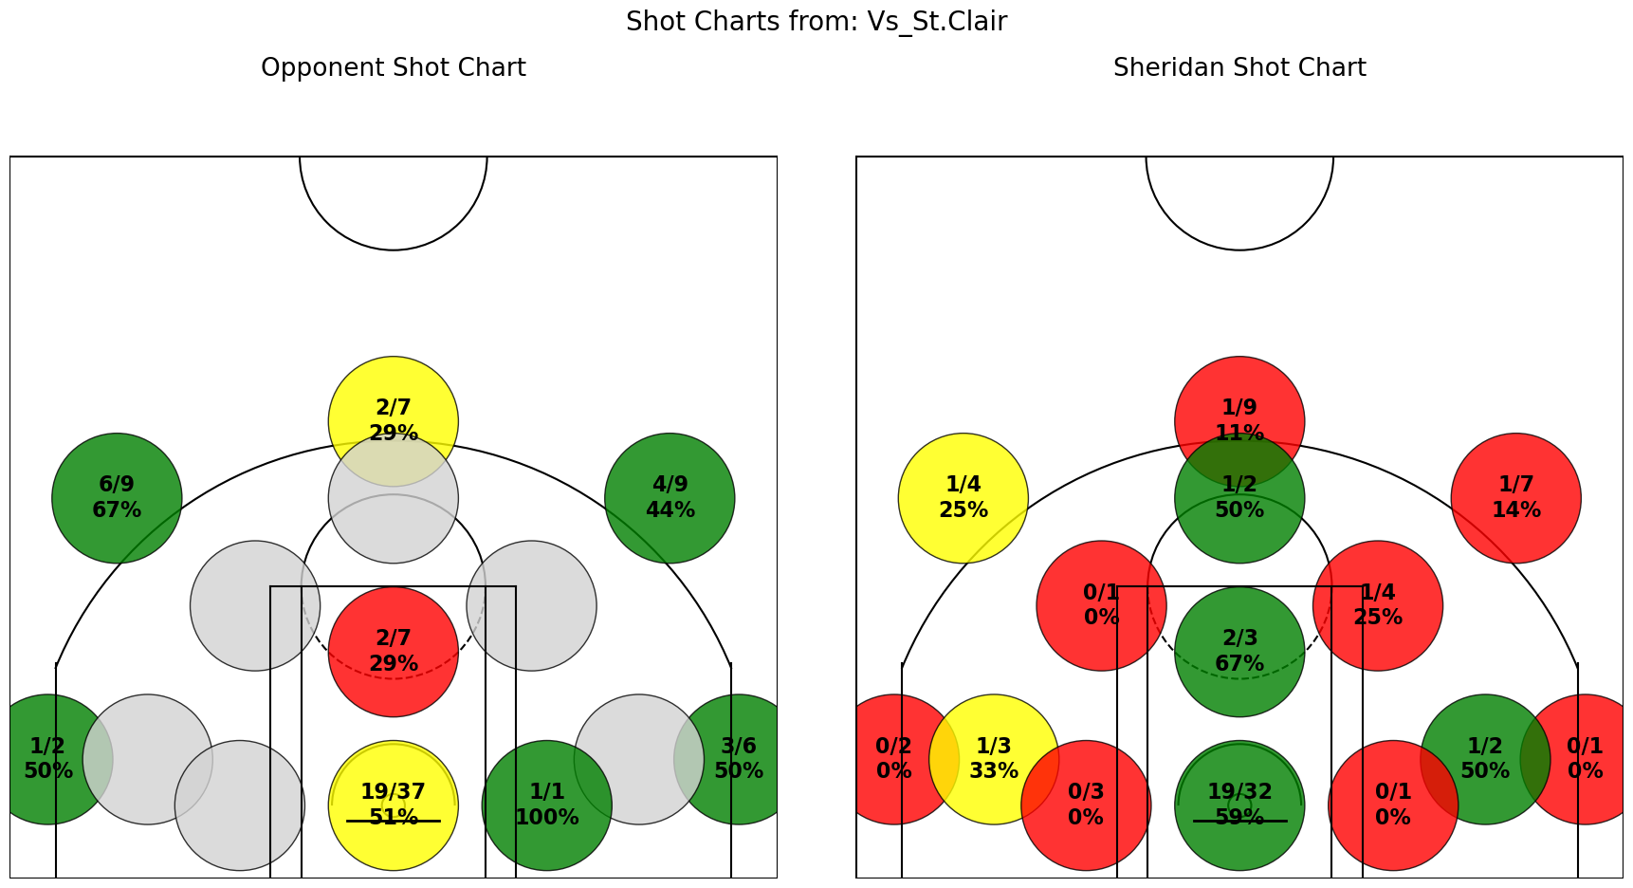

 |  |  |  |  |  |  |  |  |  |  |  |  |  | St.Clair 97 Sheridan 79

Redeemer_Jan_17
Name | Position | Pts | FGM | FGA | FG% | 3PM | 3PA | 3P% | FTM | FTA | FT% | OREB | DREB | Reb | Ast | Stl | Blk | TO | Fouls | PlusMinus | Minutes
Travis Clouden | F | 23 | 7 | 20 | 35 | 0 | 4 | 0 | 9 | 11 | 82 | 5 | 10 | 15 | 2 | 5 | 0 | 1 | 4 | 4 | 34:00
Edward Liu | G | 10 | 3 | 8 | 38 | 0 | 4 | 0 | 4 | 4 | 100 | 2 | 0 | 2 | 3 | 2 | 0 | 3 | 1 | 6 | 28:00
Tyrell Dennis | G | 11 | 4 | 9 | 44 | 2 | 3 | 67 | 1 | 1 | 100 | 0 | 2 | 2 | 1 | 1 | 0 | 3 | 2 | -1 | 23:00
Tosin Shadare | C | 0 | 0 | 5 | 0 | 0 | 0 | 0 | 0 | 2 | 0 | 7 | 10 | 17 | 0 | 0 | 2 | 2 | 5 | 9 | 23:00
Shakir Yakubu | F | 6 | 2 | 11 | 18 | 0 | 5 | 0 | 2 | 5 | 40 | 0 | 3 | 3 | 1 | 1 | 0 | 3 | 1 | -4 | 19:00
Dyson Rose | F | 6 | 2 | 5 | 40 | 0 | 3 | 0 | 2 | 5 | 40 | 2 | 2 | 4 | 2 | 5 | 0 | 3 | 3 | -3 | 17:00
Naheem Davidson | G | 2 | 1 | 4 | 25 | 0 | 3 | 0 | 0 | 0 | 0 | 0 | 2 | 2 | 2 | 0 | 0 | 3 | 1 | -4 | 16:00
Aljen Biliran | G | 6 | 2 | 9 | 22 | 0 | 0 | 0 | 2 | 3 | 67 | 1 | 1 | 2 | 0 | 5 | 0 | 2 | 2 | 7 | 13:00
Cole Miller | F | 4 | 1 | 5 | 20 | 0 | 2 | 0 | 2 | 4 | 50 | 1 | 1 | 2 | 0 | 0 | 0 | 3 | 4 | 5 | 13:00
Sukhraj Kang | C | 0 | 0 | 0 | 0 | 0 | 0 | 0 | 0 | 0 | 0 | 0 | 2 | 2 | 0 | 1 | 0 | 0 | 2 | 5 | 8:00
Nathan Edjoa | F | 0 | 0 | 2 | 0 | 0 | 0 | 0 | 0 | 0 | 0 | 0 | 1 | 1 | 0 | 0 | 0 | 0 | 3 | -4 | 5:00
Noah Lopez | G | 0 | 0 | 0 | 0 | 0 | 0 | 0 | 0 | 0 | 0 | 0 | 0 | 0 | 0 | 0 | 0 | 0 | 0 | 0 | 0:00
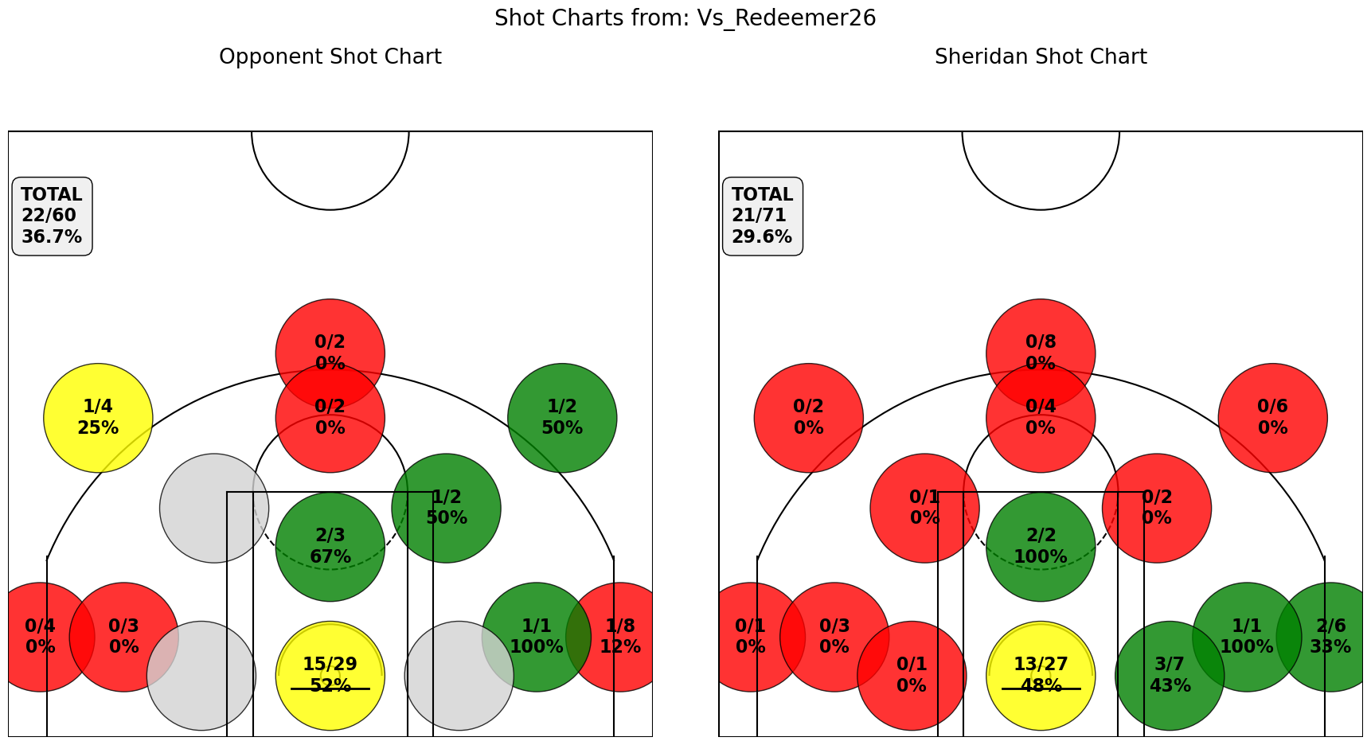
TOTALS |  | 68 | 22 | 78 | 28 | 2 | 24 | 8 | 22 | 35 | 63 | 18 | 34 | 52 | 11 | 20 | 2 | 23 | 28

 |  |  |  |  |  |  |  |  |  |  |  |  | Sherian 68 - Redemeer 64

St.Clair_Jan_24
Name | Position | Pts | FGM | FGA | FG% | 3PM | 3PA | 3P% | FTM | FTA | FT% | OREB | DREB | Reb | Ast | Stl | Blk | TO | Fouls | PlusMinus | Minutes
Shakir Yakubu | F | 17 | 6 | 18 | 33 | 3 | 8 | 38 | 2 | 2 | 100 | 1 | 4 | 5 | 0 | 2 | 0 | 1 | 1 | -15 | 33:00
Travis Clouden | F | 11 | 3 | 20 | 15 | 0 | 1 | 0 | 5 | 7 | 71 | 2 | 2 | 4 | 1 | 2 | 1 | 2 | 1 | -19 | 33:00
Tosin Shadare | C | 8 | 3 | 4 | 75 | 0 | 0 | 0 | 2 | 4 | 50 | 5 | 12 | 17 | 2 | 2 | 2 | 0 | 3 | -19 | 29:00
Edward Liu | G | 6 | 2 | 8 | 25 | 1 | 3 | 33 | 1 | 1 | 100 | 2 | 1 | 3 | 6 | 0 | 0 | 3 | 1 | -10 | 20:00
Tyrell Dennis | G | 5 | 2 | 11 | 18 | 1 | 5 | 20 | 0 | 0 | 0 | 0 | 0 | 0 | 1 | 1 | 0 | 4 | 1 | -12 | 19:00
Naheem Davidson | G | 0 | 0 | 2 | 0 | 0 | 2 | 0 | 0 | 0 | 0 | 0 | 0 | 0 | 0 | 0 | 0 | 1 | 0 | -9 | 13:00
Dyson Rose | F | 0 | 0 | 3 | 0 | 0 | 0 | 0 | 0 | 0 | 0 | 4 | 0 | 4 | 1 | 2 | 0 | 1 | 0 | -10 | 12:00
Nathan Edjoa | F | 1 | 0 | 1 | 0 | 0 | 0 | 0 | 1 | 2 | 50 | 2 | 2 | 4 | 0 | 0 | 0 | 1 | 4 | -8 | 11:00
Aljen Biliran | G | 7 | 2 | 6 | 33 | 0 | 0 | 0 | 3 | 3 | 100 | 1 | 1 | 2 | 0 | 0 | 0 | 5 | 0 | -6 | 10:00
Cole Miller | F | 2 | 1 | 4 | 25 | 0 | 1 | 0 | 0 | 0 | 0 | 0 | 2 | 2 | 0 | 0 | 0 | 1 | 1 | -7 | 8:00
Sukhraj Kang | C | 0 | 0 | 0 | 0 | 0 | 0 | 0 | 0 | 2 | 0 | 1 | 1 | 2 | 1 | 0 | 0 | 0 | 0 | -4 | 6:00
Noah Lopez | G | 0 | 0 | 1 | 0 | 0 | 1 | 0 | 0 | 0 | 0 | 0 | 0 | 0 | 0 | 0 | 0 | 1 | 0 | -1 | 3:00
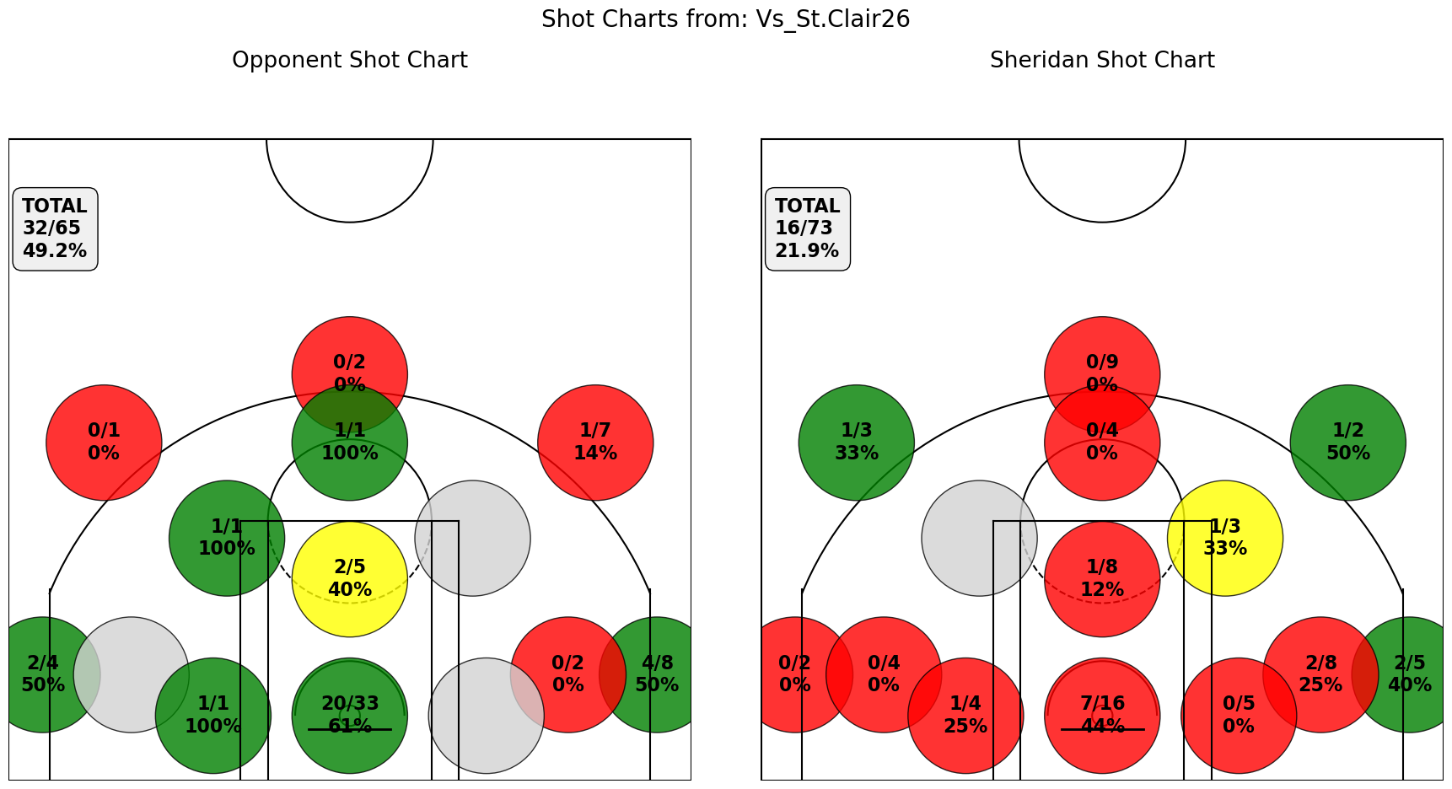
TOTALS |  | 57 | 19 | 78 | 24 | 5 | 21 | 24 | 14 | 21 | 67 | 18 | 25 | 43 | 12 | 9 | 3 | 20 | 12

 |  |  |  |  |  |  |  |  |  |  |  |  |  | St.Clair 81 - Sheridan 57

Conestoga_Jan_31
Name | Position | Pts | FGM | FGA | FG% | 3PM | 3PA | 3P% | FTM | FTA | FT% | OREB | DREB | Reb | Ast | Stl | Blk | TO | Fouls | PlusMinus | Minutes
Travis Clouden | F | 24 | 10 | 22 | 45 | 0 | 3 | 0 | 4 | 6 | 67 | 7 | 5 | 12 | 3 | 4 | 0 | 4 | 5 | -18 | 35:00
Edward Liu | G | 10 | 4 | 11 | 36 | 1 | 2 | 50 | 1 | 2 | 50 | 3 | 1 | 4 | 2 | 3 | 0 | 3 | 1 | -13 | 31:00
Tosin Shadare | C | 4 | 1 | 2 | 50 | 0 | 0 | 0 | 2 | 4 | 50 | 5 | 8 | 13 | 0 | 2 | 1 | 0 | 3 | -11 | 29:00
Shakir Yakubu | F | 5 | 2 | 14 | 14 | 1 | 7 | 14 | 0 | 0 | 0 | 1 | 1 | 2 | 0 | 0 | 0 | 3 | 0 | -13 | 25:00
Tyrell Dennis | G | 9 | 4 | 14 | 29 | 1 | 4 | 25 | 0 | 0 | 0 | 2 | 0 | 2 | 1 | 2 | 0 | 2 | 2 | -7 | 24:00
Dyson Rose | F | 3 | 1 | 5 | 20 | 0 | 0 | 0 | 1 | 2 | 50 | 1 | 2 | 3 | 1 | 0 | 0 | 1 | 0 | 7 | 15:00
Aljen Biliran | G | 2 | 1 | 6 | 17 | 0 | 1 | 0 | 0 | 0 | 0 | 2 | 0 | 2 | 2 | 2 | 0 | 0 | 1 | -6 | 13:00
Noah Lopez | G | 2 | 0 | 1 | 0 | 0 | 1 | 0 | 2 | 2 | 100 | 0 | 0 | 0 | 0 | 0 | 0 | 2 | 0 | -1 | 9:00
Naheem Davidson | G | 0 | 0 | 4 | 0 | 0 | 2 | 0 | 0 | 0 | 0 | 0 | 1 | 1 | 1 | 0 | 0 | 0 | 0 | -8 | 8:00
Nathan Edjoa | F | 0 | 0 | 1 | 0 | 0 | 0 | 0 | 0 | 0 | 0 | 0 | 0 | 0 | 0 | 0 | 1 | 0 | 1 | -3 | 7:00
Cole Miller | F | 0 | 0 | 1 | 0 | 0 | 1 | 0 | 0 | 0 | 0 | 1 | 1 | 2 | 1 | 0 | 0 | 0 | 1 | -2 | 4:00
Sukhraj Kang | C | 0 | 0 | 0 | 0 | 0 | 0 | 0 | 0 | 0 | 0 | 0 | 0 | 0 | 0 | 0 | 0 | 0 | 0 | 0 | 0:00
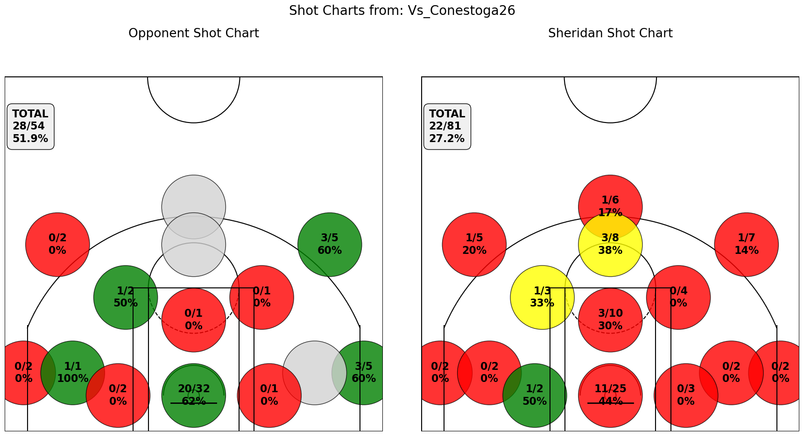
TOTALS |  | 59 | 23 | 81 | 28 | 3 | 21 | 14 | 10 | 16 | 63 | 22 | 19 | 41 | 11 | 13 | 2 | 15 | 14

 |  |  |  |  |  |  |  |  |  |  |  |  |  | Conestoga 74 Sheridan 59

Lambton_Feb_1
Name | Position | Pts | FGM | FGA | FG% | 3PM | 3PA | 3P% | FTM | FTA | FT% | OREB | DREB | Reb | Ast | Stl | Blk | TO | Fouls | PlusMinus | Minutes
Tyrell Dennis | G | 8 | 1 | 9 | 11 | 1 | 9 | 11 | 5 | 8 | 63 | 1 | 0 | 1 | 1 | 3 | 0 | 3 | 0 | -4 | 31:00
Edward Liu | G | 11 | 4 | 5 | 80 | 1 | 1 | 100 | 2 | 2 | 100 | 2 | 4 | 6 | 5 | 1 | 0 | 0 | 0 | -15 | 29:00
Travis Clouden | F | 14 | 6 | 18 | 33 | 0 | 2 | 0 | 2 | 4 | 50 | 2 | 6 | 8 | 0 | 3 | 1 | 1 | 5 | -10 | 27:00
Naheem Davidson | G | 6 | 2 | 6 | 33 | 2 | 4 | 50 | 0 | 0 | 0 | 1 | 0 | 1 | 0 | 0 | 0 | 0 | 0 | -8 | 20:00
Tosin Shadare | C | 2 | 1 | 2 | 50 | 0 | 0 | 0 | 0 | 2 | 0 | 2 | 4 | 6 | 0 | 1 | 0 | 0 | 3 | 6 | 20:00
Shakir Yakubu | F | 5 | 2 | 8 | 25 | 0 | 2 | 0 | 1 | 2 | 50 | 2 | 5 | 7 | 1 | 0 | 0 | 3 | 0 | -4 | 17:00
Dyson Rose | F | 8 | 3 | 6 | 50 | 0 | 0 | 0 | 2 | 2 | 100 | 1 | 4 | 5 | 1 | 1 | 1 | 3 | 0 | -7 | 15:00
Aljen Biliran | G | 4 | 1 | 8 | 13 | 0 | 0 | 0 | 2 | 4 | 50 | 0 | 2 | 2 | 0 | 2 | 0 | 2 | 3 | -13 | 14:00
Nathan Edjoa | F | 2 | 1 | 4 | 25 | 0 | 0 | 0 | 0 | 0 | 0 | 1 | 1 | 2 | 0 | 2 | 0 | 4 | 1 | 0 | 10:00
Cole Miller | F | 3 | 1 | 3 | 33 | 0 | 2 | 0 | 1 | 1 | 100 | 1 | 1 | 2 | 2 | 1 | 0 | 5 | 2 | -11 | 9:00
Sukhraj Kang | C | 2 | 1 | 2 | 50 | 0 | 0 | 0 | 0 | 0 | 0 | 2 | 2 | 4 | 0 | 0 | 0 | 0 | 1 | -7 | 3:00
Noah Lopez | G | 0 | 0 | 1 | 0 | 0 | 1 | 0 | 0 | 0 | 0 | 0 | 0 | 0 | 0 | 0 | 0 | 0 | 0 | -2 | 2:00
TOTALS |  | 65 | 23 | 72 | 32 | 4 | 21 | 19 | 15 | 25 | 60 | 15 | 29 | 44 | 10 | 14 | 2 | 21 | 15
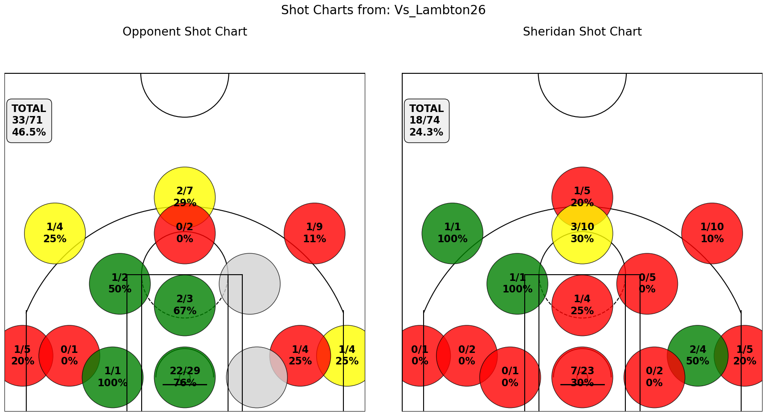
 |  |  |  |  |  |  |  |  |  |  |  |  |  | Lambton 80 Sheridan 65

Niagara_Feb_4
Name | Position | Pts | FGM | FGA | FG% | 3PM | 3PA | 3P% | FTM | FTA | FT% | OREB | DREB | Reb | Ast | Stl | Blk | TO | Fouls | PlusMinus | Minutes
Shakir Yakubu | F | 33 | 10 | 20 | 50 | 3 | 8 | 38 | 10 | 14 | 71 | 2 | 10 | 12 | 1 | 1 | 0 | 4 | 1 | 8 | 34:00
Edward Liu | G | 14 | 5 | 10 | 50 | 2 | 4 | 50 | 1 | 3 | 33 | 0 | 1 | 1 | 8 | 0 | 0 | 1 | 1 | -10 | 30:00
Cole Miller | F | 13 | 5 | 8 | 63 | 3 | 4 | 75 | 0 | 0 | 0 | 3 | 5 | 8 | 1 | 0 | 1 | 3 | 1 | 1 | 22:00
Travis Clouden | F | 4 | 2 | 8 | 25 | 0 | 1 | 0 | 0 | 0 | 0 | 0 | 7 | 7 | 0 | 0 | 0 | 4 | 5 | 1 | 21:00
Tyrell Dennis | G | 2 | 0 | 5 | 0 | 0 | 1 | 0 | 2 | 2 | 100 | 0 | 2 | 2 | 3 | 1 | 0 | 3 | 1 | -4 | 20:00
Sukhraj Kang | C | 10 | 4 | 4 | 100 | 0 | 0 | 0 | 2 | 3 | 67 | 0 | 4 | 4 | 1 | 0 | 1 | 1 | 4 | -8 | 18:00
Naheem Davidson | G | 3 | 1 | 4 | 25 | 1 | 4 | 25 | 0 | 0 | 0 | 0 | 0 | 0 | 1 | 0 | 0 | 1 | 0 | 4 | 15:00
Tosin Shadare | C | 4 | 2 | 4 | 50 | 0 | 0 | 0 | 0 | 0 | 0 | 4 | 4 | 8 | 0 | 1 | 1 | 2 | 3 | 0 | 14:00
Dyson Rose | F | 3 | 0 | 2 | 0 | 0 | 0 | 0 | 3 | 4 | 75 | 0 | 1 | 1 | 2 | 0 | 0 | 1 | 0 | -6 | 12:00
Aljen Biliran | G | 0 | 0 | 1 | 0 | 0 | 1 | 0 | 0 | 0 | 0 | 0 | 1 | 1 | 1 | 0 | 0 | 0 | 0 | 1 | 10:00
Noah Lopez | G | 0 | 0 | 2 | 0 | 0 | 2 | 0 | 0 | 0 | 0 | 0 | 0 | 0 | 0 | 0 | 0 | 0 | 0 | -2 | 2:00
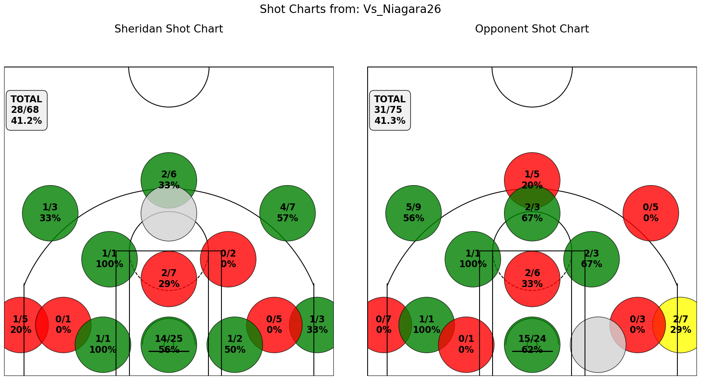
TOTALS |  | 86 | 29 | 68 | 43 | 9 | 25 | 36 | 18 | 26 | 69 | 9 | 35 | 44 | 18 | 3 | 3 | 20 | 16

 |  |  |  |  |  |  |  |  |  |  |  |  |  | Niagara 89 Sheridan 86

Mohawk_Feb_7
Name | Position | Pts | FGM | FGA | FG% | 3PM | 3PA | 3P% | FTM | FTA | FT% | OREB | DREB | Reb | Ast | Stl | Blk | TO | Fouls | PlusMinus | Minutes
Shakir Yakubu | F | 28 | 7 | 18 | 39 | 4 | 11 | 36 | 10 | 13 | 77 | 2 | 5 | 7 | 5 | 2 | 0 | 4 | 3 | -8 | 40:00
Edward Liu | G | 14 | 4 | 9 | 44 | 3 | 3 | 100 | 3 | 5 | 60 | 0 | 0 | 0 | 2 | 3 | 0 | 4 | 3 | -7 | 35:00
Tosin Shadare | C | 2 | 1 | 4 | 25 | 0 | 0 | 0 | 0 | 0 | 0 | 2 | 2 | 4 | 0 | 1 | 0 | 0 | 4 | 7 | 20:00
Travis Clouden | F | 18 | 6 | 15 | 40 | 0 | 1 | 0 | 6 | 7 | 86 | 3 | 3 | 6 | 0 | 5 | 0 | 3 | 3 | 1 | 20:00
Cole Miller | F | 4 | 1 | 5 | 20 | 0 | 4 | 0 | 2 | 4 | 50 | 0 | 4 | 4 | 1 | 1 | 0 | 1 | 3 | -9 | 20:00
Sukhraj Kang | C | 10 | 5 | 5 | 100 | 0 | 0 | 0 | 0 | 2 | 0 | 2 | 3 | 5 | 0 | 0 | 0 | 2 | 3 | -15 | 17:00
Tyrell Dennis | G | 6 | 2 | 7 | 29 | 0 | 2 | 0 | 2 | 3 | 67 | 3 | 1 | 4 | 2 | 2 | 0 | 4 | 2 | 3 | 15:00
Naheem Davidson | G | 0 | 0 | 4 | 0 | 0 | 2 | 0 | 0 | 0 | 0 | 2 | 0 | 2 | 1 | 2 | 0 | 0 | 1 | -8 | 12:00
Aljen Biliran | G | 12 | 5 | 7 | 71 | 1 | 2 | 50 | 1 | 3 | 33 | 2 | 1 | 3 | 2 | 2 | 0 | 3 | 1 | 0 | 10:00
Dyson Rose | F | 0 | 0 | 1 | 0 | 0 | 0 | 0 | 0 | 0 | 0 | 0 | 1 | 1 | 0 | 0 | 0 | 2 | 0 | -4 | 7:00
Nathan Edjoa | F | 0 | 0 | 0 | 0 | 0 | 0 | 0 | 0 | 0 | 0 | 0 | 0 | 0 | 0 | 0 | 0 | 2 | 1 | 0 | 3:00
Noah Lopez | G | 0 | 0 | 0 | 0 | 0 | 0 | 0 | 0 | 0 | 0 | 0 | 0 | 0 | 0 | 0 | 0 | 0 | 0 | 0 | 0:00
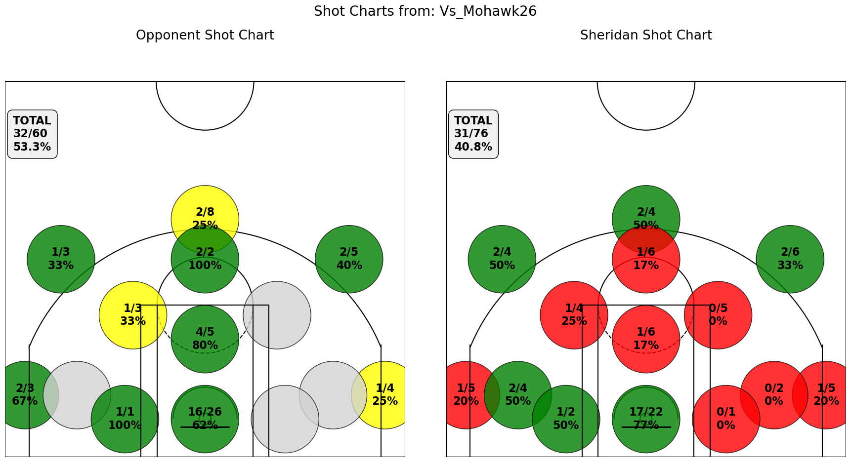
TOTALS |  | 94 | 31 | 75 | 41 | 8 | 25 | 32 | 24 | 37 | 65 | 16 | 20 | 36 | 13 | 18 | 0 | 25 | 24

 |  |  |  |  |  |  |  |  |  |  |  |  |  | Mohawk 102 Sheridan 94

Humber_Feb_11
Name | Position | Pts | FGM | FGA | FG% | 3PM | 3PA | 3P% | FTM | FTA | FT% | OREB | DREB | Reb | Ast | Stl | Blk | TO | Fouls | PlusMinus | Minutes
Shakir Yakubu | F | 20 | 7 | 18 | 39 | 3 | 9 | 33 | 3 | 6 | 50 | 1 | 7 | 8 | 0 | 0 | 0 | 5 | 1 | -12 | 36:00
Travis Clouden | F | 16 | 8 | 23 | 35 | 0 | 2 | 0 | 0 | 2 | 0 | 5 | 7 | 12 | 9 | 3 | 3 | 3 | 3 | -7 | 36:00
Edward Liu | G | 0 | 0 | 3 | 0 | 0 | 2 | 0 | 0 | 0 | 0 | 0 | 0 | 0 | 4 | 0 | 0 | 6 | 0 | -7 | 23:00
Tyrell Dennis | G | 8 | 2 | 7 | 29 | 1 | 2 | 50 | 3 | 8 | 38 | 1 | 1 | 2 | 1 | 0 | 0 | 2 | 2 | -14 | 21:00
Cole Miller | F | 10 | 4 | 8 | 50 | 1 | 4 | 25 | 1 | 2 | 50 | 1 | 2 | 3 | 1 | 0 | 0 | 0 | 4 | -1 | 20:00
Naheem Davidson | G | 5 | 2 | 8 | 25 | 1 | 5 | 20 | 0 | 0 | 0 | 0 | 0 | 0 | 1 | 0 | 0 | 3 | 1 | 1 | 19:00
Aljen Biliran | G | 15 | 4 | 9 | 44 | 1 | 1 | 100 | 6 | 7 | 86 | 1 | 0 | 1 | 3 | 3 | 0 | 1 | 0 | -4 | 16:00
Sukhraj Kang | C | 2 | 1 | 1 | 100 | 0 | 0 | 0 | 0 | 1 | 0 | 1 | 0 | 1 | 0 | 0 | 0 | 0 | 0 | -2 | 11:00
Dyson Rose | F | 2 | 1 | 1 | 100 | 0 | 0 | 0 | 0 | 0 | 0 | 0 | 0 | 0 | 0 | 0 | 0 | 1 | 0 | -8 | 7:00
Tosin Shadare | C | 0 | 0 | 0 | 0 | 0 | 0 | 0 | 0 | 0 | 0 | 1 | 1 | 2 | 0 | 0 | 0 | 0 | 2 | -6 | 4:00
Nathan Edjoa | F | 0 | 0 | 1 | 0 | 0 | 0 | 0 | 0 | 0 | 0 | 0 | 0 | 0 | 0 | 0 | 0 | 0 | 1 | 0 | 3:00
Noah Lopez | G | 0 | 0 | 0 | 0 | 0 | 0 | 0 | 0 | 0 | 0 | 0 | 0 | 0 | 0 | 0 | 0 | 0 | 0 | 0 | 0:00
TOTALS |  | 78 | 29 | 79 | 37 | 7 | 25 | 28 | 13 | 26 | 50 | 11 | 18 | 29 | 19 | 6 | 3 | 21 | 14
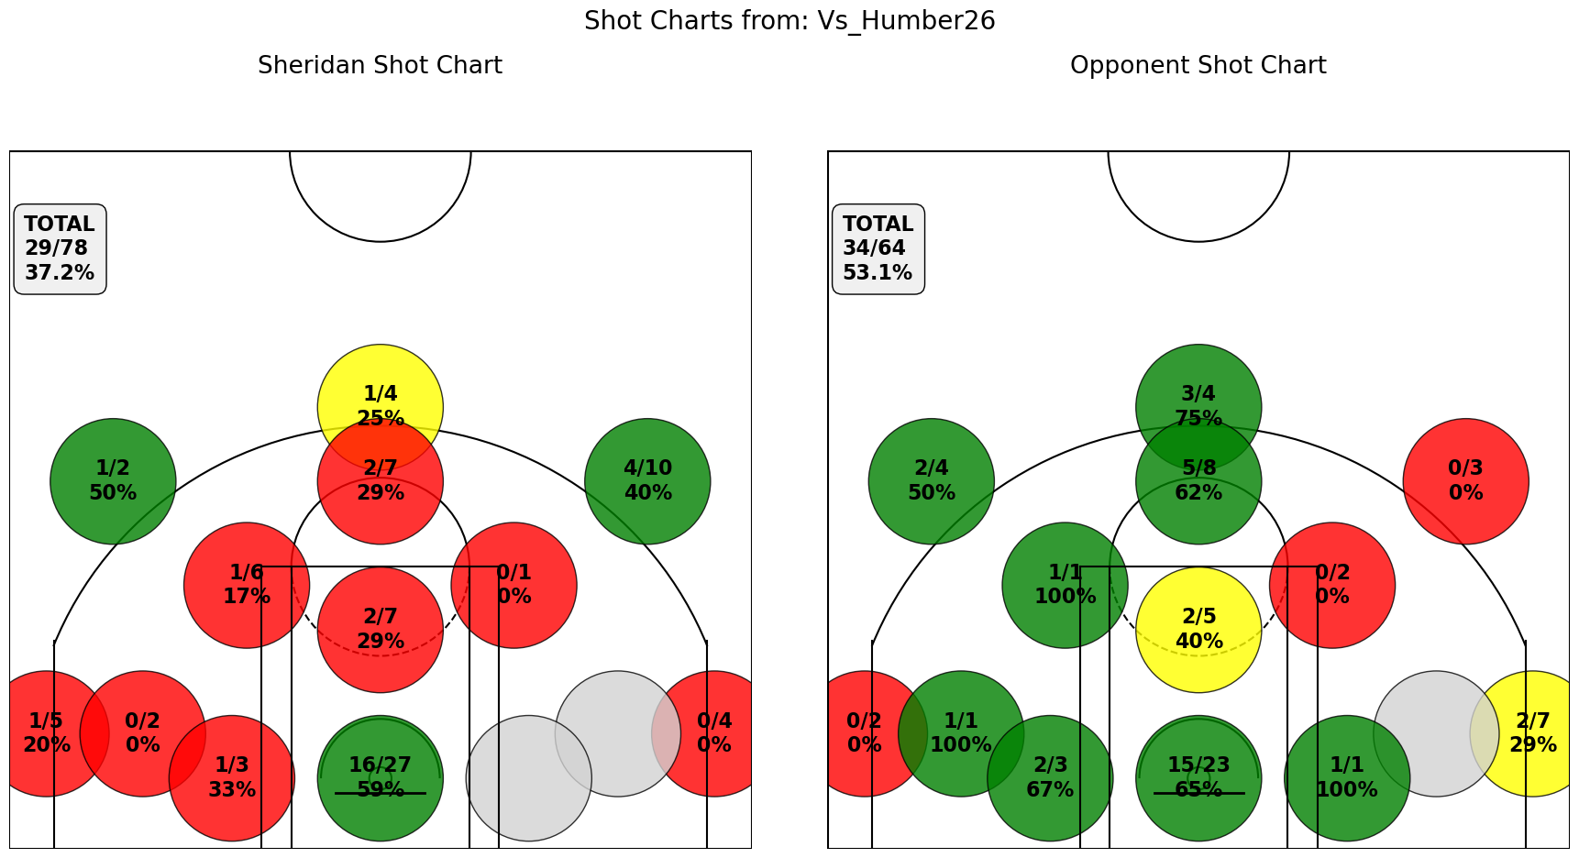
 |  |  |  |  |  |  |  |  |  |  |  |  |  | Humber 90 Sheridan 78

Canadore_Feb_15
Name | Position | Pts | FGM | FGA | FG% | 3PM | 3PA | 3P% | FTM | FTA | FT% | OREB | DREB | Reb | Ast | Stl | Blk | TO | Fouls | PlusMinus | Minutes
Shakir Yakubu | F | 26 | 9 | 21 | 43 | 7 | 14 | 50 | 1 | 2 | 50 | 3 | 2 | 5 | 5 | 6 | 0 | 4 | 0 | 22 | 33:00
Travis Clouden | F | 10 | 4 | 7 | 57 | 0 | 1 | 0 | 2 | 4 | 50 | 7 | 10 | 17 | 5 | 5 | 1 | 5 | 2 | 13 | 32:00
Edward Liu | G | 11 | 4 | 18 | 22 | 3 | 14 | 21 | 0 | 0 | 0 | 0 | 2 | 2 | 9 | 4 | 0 | 5 | 4 | 4 | 28:00
Cole Miller | F | 22 | 9 | 15 | 60 | 3 | 8 | 38 | 1 | 1 | 100 | 2 | 2 | 4 | 1 | 1 | 0 | 2 | 2 | 21 | 27:00
Tyrell Dennis | G | 12 | 4 | 15 | 27 | 2 | 10 | 20 | 2 | 2 | 100 | 3 | 1 | 4 | 5 | 4 | 0 | 3 | 1 | 1 | 24:00
Noah Lopez | G | 5 | 2 | 5 | 40 | 1 | 3 | 33 | 0 | 0 | 0 | 0 | 2 | 2 | 2 | 2 | 0 | 1 | 0 | -2 | 12:00
Naheem Davidson | G | 5 | 2 | 8 | 25 | 1 | 7 | 14 | 0 | 0 | 0 | 0 | 0 | 0 | 1 | 2 | 0 | 1 | 3 | -2 | 11:00
Tosin Shadare | C | 6 | 3 | 4 | 75 | 0 | 0 | 0 | 0 | 0 | 0 | 3 | 3 | 6 | 0 | 1 | 0 | 1 | 3 | -10 | 10:00
Aljen Biliran | G | 13 | 6 | 7 | 86 | 1 | 1 | 100 | 0 | 1 | 0 | 0 | 2 | 2 | 1 | 0 | 0 | 2 | 3 | 6 | 10:00
Sukhraj Kang | C | 0 | 0 | 1 | 0 | 0 | 0 | 0 | 0 | 0 | 0 | 0 | 2 | 2 | 0 | 0 | 0 | 0 | 2 | -9 | 8:00
Nathan Edjoa | F | 0 | 0 | 0 | 0 | 0 | 0 | 0 | 0 | 0 | 0 | 1 | 0 | 1 | 0 | 0 | 0 | 0 | 0 | 1 | 4:00
Dyson Rose | F | 0 | 0 | 0 | 0 | 0 | 0 | 0 | 0 | 0 | 0 | 0 | 0 | 0 | 0 | 0 | 0 | 0 | 0 | 0 | 0:00
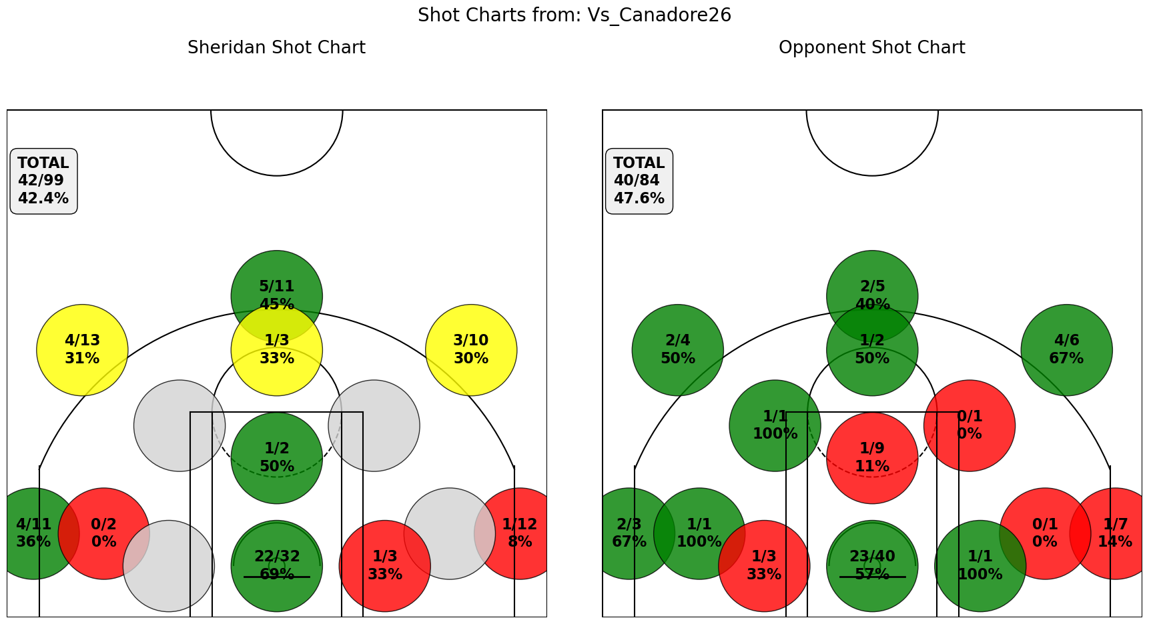
TOTALS |  | 110 | 43 | 101 | 43 | 18 | 58 | 31 | 6 | 10 | 60 | 19 | 26 | 45 | 29 | 25 | 1 | 24 | 20

 |  |  |  |  |  |  |  |  |  |  |  |  |  | Sheridan 110 Canadore 101

Georgian_Feb_21
Name | Position | Pts | FGM | FGA | FG% | 3PM | 3PA | 3P% | FTM | FTA | FT% | OREB | DREB | Reb | Ast | Stl | Blk | TO | Fouls | PlusMinus | Minutes
Shakir Yakubu | F | 16 | 4 | 17 | 24 | 3 | 11 | 27 | 5 | 6 | 83 | 1 | 4 | 5 | 8 | 3 | 0 | 2 | 3 | 3 | 40:00
Edward Liu | G | 20 | 5 | 13 | 38 | 5 | 10 | 50 | 5 | 6 | 83 | 2 | 1 | 3 | 4 | 1 | 0 | 5 | 2 | 4 | 35:00
Travis Clouden | F | 17 | 5 | 13 | 38 | 1 | 4 | 25 | 6 | 7 | 86 | 6 | 9 | 15 | 5 | 0 | 1 | 1 | 5 | 11 | 27:00
Tyrell Dennis | G | 19 | 5 | 17 | 29 | 4 | 12 | 33 | 5 | 7 | 71 | 1 | 2 | 3 | 3 | 1 | 0 | 5 | 4 | -12 | 25:00
Cole Miller | F | 19 | 7 | 13 | 54 | 2 | 8 | 25 | 3 | 6 | 50 | 3 | 7 | 10 | 2 | 0 | 0 | 2 | 5 | 7 | 23:00
Tosin Shadare | C | 2 | 1 | 2 | 50 | 0 | 0 | 0 | 0 | 0 | 0 | 5 | 7 | 12 | 0 | 1 | 1 | 3 | 5 | -6 | 20:00
Naheem Davidson | G | 7 | 3 | 8 | 38 | 1 | 4 | 25 | 0 | 2 | 0 | 2 | 1 | 3 | 1 | 0 | 0 | 0 | 0 | 8 | 12:00
Aljen Biliran | G | 4 | 2 | 7 | 29 | 0 | 0 | 0 | 0 | 0 | 0 | 1 | 0 | 1 | 1 | 2 | 0 | 1 | 0 | 5 | 9:00
Dyson Rose | F | 0 | 0 | 0 | 0 | 0 | 0 | 0 | 0 | 0 | 0 | 0 | 2 | 2 | 0 | 1 | 0 | 1 | 1 | -9 | 4:00
Sukhraj Kang | C | 0 | 0 | 1 | 0 | 0 | 0 | 0 | 0 | 0 | 0 | 0 | 1 | 1 | 0 | 0 | 0 | 0 | 0 | 4 | 3:00
Nathan Edjoa | F | 0 | 0 | 0 | 0 | 0 | 0 | 0 | 0 | 0 | 0 | 0 | 0 | 0 | 0 | 0 | 0 | 0 | 0 | 0 | 0:00
Noah Lopez | G | 0 | 0 | 0 | 0 | 0 | 0 | 0 | 0 | 0 | 0 | 0 | 0 | 0 | 0 | 0 | 0 | 0 | 0 | 0 | 0:00
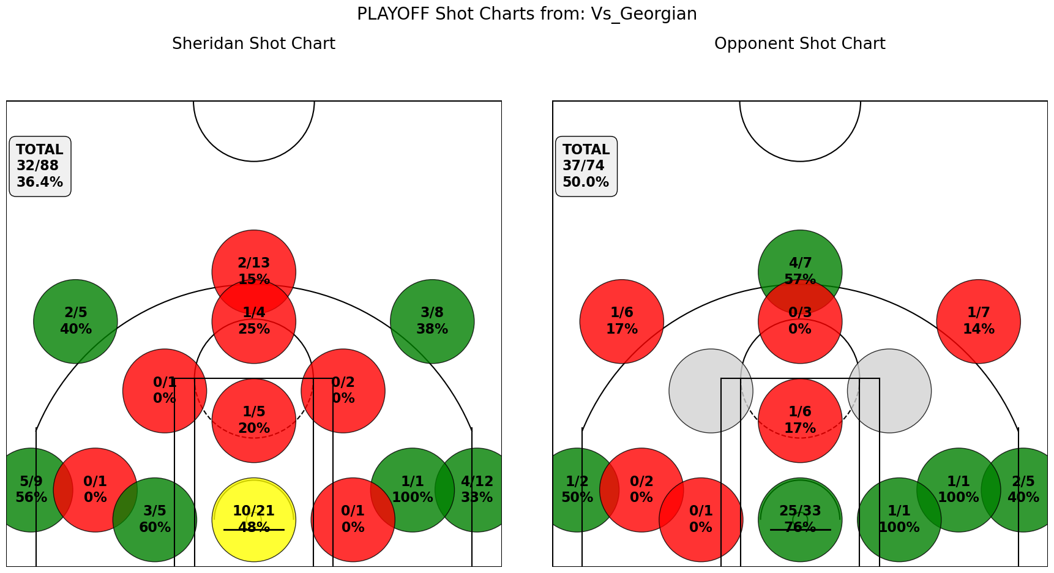
TOTALS |  | 104 | 32 | 91 | 35 | 16 | 49 | 33 | 24 | 34 | 71 | 21 | 34 | 55 | 24 | 9 | 2 | 20 | 25

 |  |  |  |  |  |  |  |  |  |  |  |  |  |  | Sheridan 104 - Georgian 101

