Sheet1
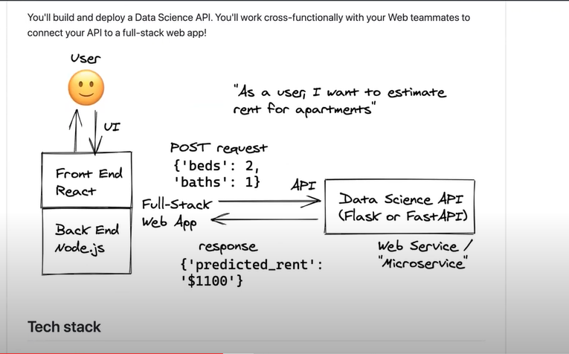

 |  | Features | user input

 |  | City | Chicago
 |  | Bedrooms | 3
 |  | Bathrooms | 2
 |  | Min_nights | 1
 |  | Max_nights | 2
 |  | Guests | 4
 |  | Accommodates | 5

click: | -->> | Price/night | $200

 |  | price/night = Model.predict(feature1, feature2, feature3, …...)

