DevOps
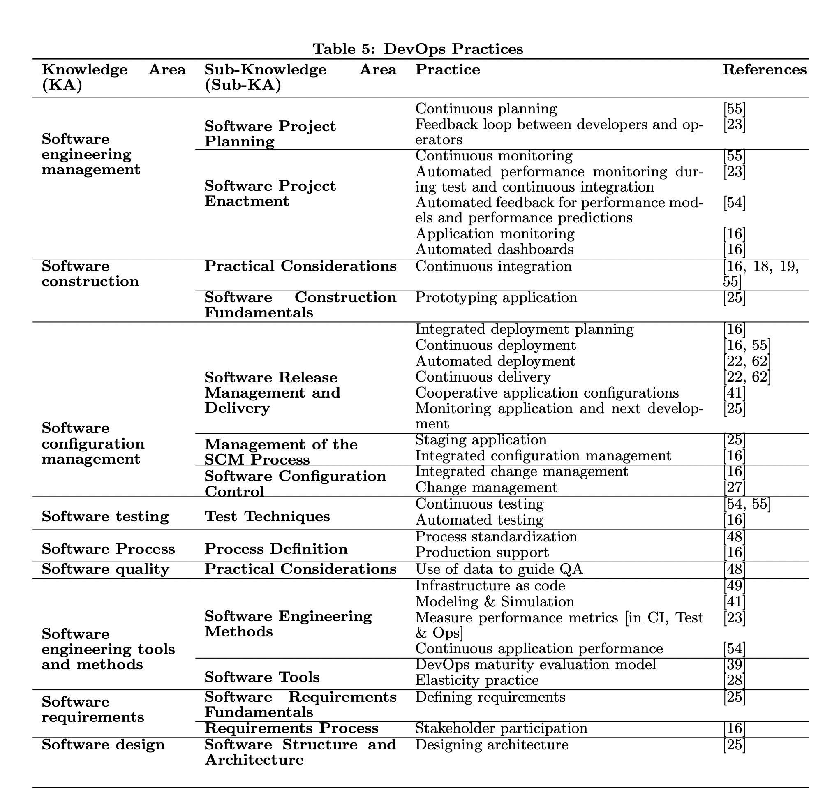
Knowledge Area (KA) | Sub-Knowledge (sub-KA) | Practice
Software Engineering Management | Software Propject Planning | Continuous planning
 |  | Feedback loop between developers and operators
 | Software Project Enactment | Continuous monitoring
 |  | automated performance monitoring during test and continuous integration
 |  | Automated feedback for performance models and performance predictions
 |  | Application Monitoring
 |  | Automated dashboards
Software construction | Practical Considerations | Continuous integration
 | Software Consutrctiuon Fundamentals | prototyping application
Software configuration management | Software Release Management and Delivery | Integrated deployment planning
 |  | Continous deployment
 |  | Automated deployment
 |  | Continuous Delivery
 |  | Cooperatuve application configurations
 |  | Monitoring application and next development
 | Management of the SCM Process | Staging application
 |  | Integrated configuration management
 | Sonftware Configuration Control | Integrated change management
 |  | Change management
Software Testing | Test Techniques | Continuous Testing
 |  | Automated Testing
Sofware Process | Process Definition | Process standardisation
 |  | Product Support
Software Quality | Practical Considerations | Use of data to guide QA
Software Engineering tools and methods | Software Engineering Methods | Infrastructure as Code
 |  | Modeling and Simulation
 |  | Measure performance metrics
 |  | Continuous application performance
 | Software tools | Devops maturity evaluation model
 |  | Elasticity practice
Software requirements | Software requirements fundamentals | Defining requirements
 | reguirements process | stakeholder participation
Software design | software structure and architecture | designing architecture

MDE-AI Expanded
Category | MDE/AI | Count | AI/MDE | Count
Model Foundations - Reasoning | - | 0 | [SP05] | 1
Model Foundations - Planning | - | 0 | - | 0
Model Foundations - Learning | [SP3][SP13][SP20][SP28][SP32][SP47][SP67][SP69][SP92][SP101][SP104][SP105][SP111][SP115][SP147][SP171] | 16 | [SP5][SP19][SP21][SP36][SP47][SP50][SP57][SP65][SP75][SP79][SP80][SP82][SP84][SP86][SP87][SP94][SP110][SP114][SP115][SP120][SP138][SP139][SP140][SP142][SP152][SP161] | 26
Model Foundations - Communication | - | 0 | [SP110][SP84] | 2
Model Foundations - Perception | - | 0 | - | 0
Model Foundations - Integration and Interaction | - | 0 | - | 0
Model Foundations - Services | - | 0 | [SP94][SP120] | 2
Model Foundations - AI Ethics and Philosophy | [SP13][SP40] | 2 | [SP47][SP84] | 2
Model Quality - Reasoning | - | 0 | [SP05][SP19][SP79] | 3
Model Quality - Planning | [SP93][104] | 2 | - | 0
Model Quality - Learning | [SP3][SP10][SP13][SP28][SP47][SP52][SP64][SP67][SP76][SP93][SP101][SP170][SP171] | 13 | [SP5][SP19][SP21][SP36][SP47][SP50][SP57][SP65][SP75][SP79][SP80][SP82][SP84][SP86][SP87][SP94][SP110][SP114][SP115][SP120][SP138][SP139][SP140][SP142][SP152][SP161] | 26
Model Quality - Communication | - | 0 | - | 0
Model Quality - Perception | - | 0 | [SP65][SP75] | 2
Model Quality - Integration and Interaction | [SP40][SP98][SP115][SP146] | 4 | - | 0
Model Quality - Services | - | 0 | [SP94][SP79] | 2
Model Quality - AI Ethics and Philosophy | - | 0 | - | 0
Analysis - Reasoning | - | 0 | - | 0
Analysis - Planning | [SP10] | 1 | - | 0
Analysis - Learning | [SP52][SP170] | 2 | [SP36][SP57] | 2
Analysis - Communication | - | 0 | [SP110][SP152] | 2
Analysis - Perception | - | 0 | - | 0
Analysis - Integration and Interaction | [SP40] | 1 | [SP75][SP138][SP139][SP142] | 4
Analysis - Services | [SP64] | 1 | - | 0
Analysis - AI Ethics and Philosophy | - | 0 | - | 0
Modeling Languages - Reasoning | - | 0 | - | 0
Modeling Languages - Planning | [SP98] | 1 | [SP94] | 1
Modeling Languages - Learning | [SP10][SP28][SP32][SP64][SP76][SP69][SP92][SP93][SP104][SP105][SP111][SP115][SP147][SP171] | 14 | [SP110][SP120][SP36][SP57][SP86][SP152] | 6
Modeling Languages - Communication | [SP3] | 1 | [SP110][SP161] | 2
Modeling Languages - Perception | - | 0 | - | 0
Modeling Languages - Integration and Interaction | [SP32][SP146] | 2 | - | 0
Modeling Languages - Services | [SP93][SP101] | 2 | [SP94][SP120] | 2
Modeling Languages - AI Ethics and Philosophy | - | 0 | - | 0
Model Representation - Reasoning | - | 0 | - | 0
Model Representation - Planning | - | 0 | - | 0
Model Representation - Learning | [SP3][SP28][SP69] | 3 | [SP36][SP57][SP86] | 3
Model Representation - Communication | - | 0 | - | 0
Model Representation - Perception | - | 0 | [SP65][SP75] | 2
Model Representation - Integration and Interaction | - | 0 | - | 0
Model Representation - Services | - | 0 | - | 0
Model Representation - AI Ethics and Philosophy | - | 0 | - | 0
Model Maintenance and Evolution - Reasoning | - | 0 | [SP50] | 1
Model Maintenance and Evolution - Planning | [SP20][SP52][SP111][SP147][SP170][171] | 6 | - | 0
Model Maintenance and Evolution - Learning | [SP3][SP20][SP67][SP76][SP101] | 5 | [SP82][SP114][SP21][SP65][SP110] | 5
Model Maintenance and Evolution - Communication | - | 0 | - | 0
Model Maintenance and Evolution - Perception | - | 0 | - | 0
Model Maintenance and Evolution - Integration and Interaction | [SP13][SP20][SP40][SP98][SP146] | 5 | - | 0
Model Maintenance and Evolution - Services | [SP10][SP40][SP92][SP98][SP146] | 5 | [SP120] | 1
Model Maintenance and Evolution - AI Ethics and Philosophy | - | 0 | - | 0
Model Execution - Reasoning | - | 0 | [SP140] | 1
Model Execution - Planning | [SP67] | 1 | [SP65][SP75][SP142] | 3
Model Execution - Learning | [SP10][SP13][SP20][SP32][SP47][SP52][SP64][SP67][SP69][SP76][SP92][SP93][SP101][SP104][SP105][SP111][SP115][SP147][SP170][SP171] | 20 | [SP5][SP19][SP21][SP36][SP47][SP50][SP57][SP65][SP75][SP79][SP80][SP82][SP84][SP86][SP87][SP94][SP110][SP114][SP115][SP120][SP138][SP139][SP140][SP142][SP152][SP161] | 26
Model Execution - Communication | - | 0 | - | 0
Model Execution - Perception | - | 0 | - | 0
Model Execution - Integration and Interaction | [SP40][SP98][SP146] | 3 | [SP75][SP138][SP139][SP142] | 4
Model Execution - Services | - | 0 | [SP94][SP65] | 2
Model Execution - AI Ethics and Philosophy | - | 0 | - | 0
Model Transformations - Reasoning | - | 0 | - | 0
Model Transformations - Planning | - | 0 | - | 0
Model Transformations - Learning | [SP10][SP13][SP20][SP32][SP47][SP52][SP64][SP67][SP69][SP76][SP92][SP93][SP101][SP104][SP105][SP111][SP115][SP147][SP170][SP171] | 20 | [SP5][SP19][SP21][SP36][SP47][SP50][SP57][SP65][SP75][SP79][SP80][SP82][SP84][SP86][SP87][SP94][SP110][SP114][SP115][SP120][SP138][SP139][SP140][SP142][SP152][SP161] | 26
Model Transformations - Communication | - | 0 | - | 0
Model Transformations - Perception | - | 0 | - | 0
Model Transformations - Integration and Interaction | [SP40][SP98][SP146] | 3 | [SP82][SP114] | 2
Model Transformations - Services | - | 0 | - | 0
Model Transformations - AI Ethics and Philosophy | - | 0 | - | 0

MDE-DevOps Expanded
Categories | MDE/DevOps | Count | MDE/DevOps | Count
Model Foundations - Software Engineering Management | SP7 | 1 | - | 0
Model Foundations - Software construction | - | 0 | - | 0
Model Foundations - Software configuration management | - | 0 | - | 0
Model Foundations - Software Testing | SP16; SP126 | 2 | - | 0
Model Foundations - Sofware Process | SP13; SP43 | 2 | - | 0
Model Foundations - Software Quality | - | 0 | - | 0
Model Foundations - Software Engineering tools and methods | SP7; SP50 | 2 | - | 0
Model Foundations - Software requirements | SP11; SP13; SP84; SP96; SP157; SP158; SP163 | 7 | - | 0
Model Foundations - Software design | SP6; SP7; SP10; SP40; SP41; SP52; SP59; SP68; SP83; SP144; SP151; SP165 | 12 | - | 0
Model Quality - Software Engineering Management | - | 0 | - | 0
Model Quality - Software construction | - | 0 | SP14 | 1
Model Quality - Software configuration management | SP48; SP49; SP50; SP33 | 3 | SP56 | 1
Model Quality - Software Testing | SP50; SP26; SP94 | 3 | SP34 | 1
Model Quality - Sofware Process | - | 0 | - | 0
Model Quality - Software Quality | - | 0 | - | 0
Model Quality - Software Engineering tools and methods | - | 0 | - | 0
Model Quality - Software requirements | - | 0 | - | 0
Model Quality - Software design | - | 0 | - | 0
Analysis - Software Engineering Management | - | 0 | - | 0
Analysis - Software construction | - | 0 | SP107 | 1
Analysis - Software configuration management | - | 0 | - | 0
Analysis - Software Testing | SP44 | 1 | SP22, SP107, SP143 | 3
Analysis - Sofware Process | - | 0 | - | 0
Analysis - Software Quality | - | 0 | - | 0
Analysis - Software Engineering tools and methods | SP170 | 1 | - | 0
Analysis - Software requirements | - | 0 | - | 0
Analysis - Software design | - | 0 | - | 0
Modeling Languages - Software Engineering Management | - | 0 | SP42 | 1
Modeling Languages - Software construction | SP9; SP71; SP106; SP123; SP153; SP160 | 6 | SP167 | 1
Modeling Languages - Software configuration management | SP12;SP63; SP101; SP30; SP32; SP42; SP72; SP89; SP107; SP166; SP168;SP45; SP46; SP53; SP124; SP128 | 16 | SP53, SP109,SP155, SP89, SP131 | 5
Modeling Languages - Software Testing | SP143; SP150 | 2 | - | 0
Modeling Languages - Sofware Process | SP63; SP25; SP74; SP148 | 4 | - | 0
Modeling Languages - Software Quality | - | 0 | - | 0
Modeling Languages - Software Engineering tools and methods | SP8; SP27;SP18; SP93 | 4 | SP63, SP156 | 2
Modeling Languages - Software requirements | - | 0 | - | 0
Modeling Languages - Software design | - | 0 | - | 0
Model Representation - Software Engineering Management | - | 0 | SP162, SP145, SP165 | 3
Model Representation - Software construction | - | 0 | - | 0
Model Representation - Software configuration management | - | 0 | - | 0
Model Representation - Software Testing | SP25; SP85; SP108; SP125; SP162 | 5 | - | 0
Model Representation - Sofware Process | - | 0 | - | 0
Model Representation - Software Quality | - | 0 | - | 0
Model Representation - Software Engineering tools and methods | - | 0 | - | 0
Model Representation - Software requirements | - | 0 | - | 0
Model Representation - Software design | - | 0 | - | 0
Model Maintenance and Evolution - Software Engineering Management | - | 0 | - | 0
Model Maintenance and Evolution - Software construction | - | 0 | - | 0
Model Maintenance and Evolution - Software configuration management | - | 0 | SP89, SP131, SP99 | 3
Model Maintenance and Evolution - Software Testing | - | 0 | - | 0
Model Maintenance and Evolution - Sofware Process | - | 0 | - | 0
Model Maintenance and Evolution - Software Quality | - | 0 | - | 0
Model Maintenance and Evolution - Software Engineering tools and methods | - | 0 | - | 0
Model Maintenance and Evolution - Software requirements | - | 0 | - | 0
Model Maintenance and Evolution - Software design | - | 0 | - | 0
Model Execution - Software Engineering Management | - | 0 | SP145, SP165 | 2
Model Execution - Software construction | - | 0 | SP107, SP167 | 2
Model Execution - Software configuration management | - | 0 | SP56 | 1
Model Execution - Software Testing | - | 0 | SP34, SP107, SP143 | 3
Model Execution - Sofware Process | - | 0 | - | 0
Model Execution - Software Quality | - | 0 | - | 0
Model Execution - Software Engineering tools and methods | - | 0 | SP156, SP164 | 2
Model Execution - Software requirements | - | 0 | - | 0
Model Execution - Software design | - | 0 | - | 0
Model Transformations - Software Engineering Management | - | 0 | - | 0
Model Transformations - Software construction | - | 0 | SP54, SP78 | 2
Model Transformations - Software configuration management | SP20; SP31; SP35; SP37; SP113; SP116; SP131; SP132; SP133; SP134; SP149; SP159; SP161;SP59; SP118; SP154;SP59;SP95; SP100; SP102 | 20 | SP99 | 1
Model Transformations - Software Testing | SP38; SP142 | 2 | - | 0
Model Transformations - Sofware Process | - | 0 | - | 0
Model Transformations - Software Quality | - | 0 | - | 0
Model Transformations - Software Engineering tools and methods | - | 0 | SP164 | 1
Model Transformations - Software requirements | - | 0 | - | 0
Model Transformations - Software design | - | 0 | - | 0

DevOps-AI Expanded
Category | DevOps/AI | Count | AI/DevOps | Count
Software Engineering Management - Reasoning |  | 0 |  | 0
Software Engineering Management - Planning | [SP18][SP73][SP77][SP93][SP121][SP127][SP130] | 7 | [SP23][SP58][SP119] | 3
Software Engineering Management - Learning | [SP01][SP18][SP73][SP93][SP121][SP127][SP130][SP66][SP101] | 9 | [SP04][SP23][SP58][SP67][SP67][SP81][SP88][SP90][SP91][SP119][SP171] | 12
Software Engineering Management - Communication |  | 0 | [SP24][SP81] | 2
Software Engineering Management - Perception |  | 0 |  | 0
Software Engineering Management - Integration and Interaction |  | 0 | [SP24][SP51][SP81][SP90] | 4
Software Engineering Management - Services |  | 0 | [SP24][SP55][SP81][SP90] | 4
Software Engineering Management - AI Ethics and Philosophy |  | 0 | [SP169] | 1
Software construction - Reasoning |  | 0 |  | 0
Software construction - Planning |  | 0 |  | 0
Software construction - Learning | [SP32] | 1 |  | 0
Software construction - Communication |  | 0 |  | 0
Software construction - Perception |  | 0 |  | 0
Software construction - Integration and Interaction |  | 0 |  | 0
Software construction - Services |  | 0 |  | 0
Software construction - AI Ethics and Philosophy |  | 0 |  | 0
Software configuration management - Reasoning |  | 0 |  | 0
Software configuration management - Planning |  | 0 | [SP58][SP88] | 2
Software configuration management - Learning | [SP32][SP130] | 2 | [SP50][SP58][SP88][SP91] | 4
Software configuration management - Communication |  | 0 |  | 0
Software configuration management - Perception |  | 0 |  | 0
Software configuration management - Integration and Interaction |  | 0 |  | 0
Software configuration management - Services |  | 0 | [SP50][SP55] | 2
Software configuration management - AI Ethics and Philosophy |  | 0 |  | 0
Software Testing - Reasoning |  | 0 |  | 0
Software Testing - Planning |  | 0 | [SP02][SP23][SP119] | 3
Software Testing - Learning | [SP66][SP93][SP101][SP121][SP127] | 5 | [SP02][SP04][SP15][SP23][SP29][SP58][SP88][SP91][SP119][SP137] | 10
Software Testing - Communication |  | 0 |  | 0
Software Testing - Perception |  | 0 |  | 0
Software Testing - Integration and Interaction |  | 0 | [SP02][SP29] | 2
Software Testing - Services |  | 0 | [SP02][SP15] | 2
Software Testing - AI Ethics and Philosophy |  | 0 |  | 0
Sofware Process - Reasoning | [SP01] | 1 |  | 0
Sofware Process - Planning |  | 0 |  | 0
Sofware Process - Learning | [SP01][SP121][SP130][SP32][SP66][SP101] | 6 | [SP67][SP81][SP90][SP171] | 4
Sofware Process - Communication |  | 0 |  | 0
Sofware Process - Perception |  | 0 |  | 0
Sofware Process - Integration and Interaction |  | 0 | [SP81][SP90] | 2
Sofware Process - Services |  | 0 | [SP81][SP90] | 2
Sofware Process - AI Ethics and Philosophy |  | 0 |  | 0
Software Quality - Reasoning | [SP01] | 1 |  | 0
Software Quality - Planning |  | 0 | [SP39]SP51] | 2
Software Quality - Learning | [SP01][SP18][SP66][SP93][SP127][SP77][SP101][SP121][SP130] | 9 | [SP81][SP169][SP39] | 3
Software Quality - Communication |  | 0 |  | 0
Software Quality - Perception |  | 0 |  | 0
Software Quality - Integration and Interaction |  | 0 |  | 0
Software Quality - Services |  | 0 |  | 0
Software Quality - AI Ethics and Philosophy |  | 0 | [SP169] | 1
Software Engineering tools and methods - Reasoning | [SP77] | 1 |  | 0
Software Engineering tools and methods - Planning |  | 0 | [SP39]SP51] | 2
Software Engineering tools and methods - Learning | [SP01][SP18][SP32][SP66][SP77][SP101][SP121][SP127][SP130] | 9 | [SP29][SP39][SP51][SP81][SP90][SP171] | 6
Software Engineering tools and methods - Communication |  | 0 | [SP81][SP90] | 2
Software Engineering tools and methods - Perception |  | 0 |  | 0
Software Engineering tools and methods - Integration and Interaction |  | 0 | [SP29][SP81][SP90] | 3
Software Engineering tools and methods - Services | [SP18][SP73][SP93][SP101][SP121][SP127] | 6 | [SP24][SP51][SP55][SP81] | 4
Software Engineering tools and methods - AI Ethics and Philosophy |  | 0 | [SP169] | 1
Software requirements - Reasoning |  | 0 |  | 0
Software requirements - Planning |  | 0 |  | 0
Software requirements - Learning | [SP73][SP130] | 2 | [SP169] | 1
Software requirements - Communication |  | 0 |  | 0
Software requirements - Perception |  | 0 |  | 0
Software requirements - Integration and Interaction |  | 0 |  | 0
Software requirements - Services |  | 0 | [SP169] | 1
Software requirements - AI Ethics and Philosophy |  | 0 | [SP169] | 1
Software design - Reasoning |  | 0 |  | 0
Software design - Planning |  | 0 |  | 0
Software design - Learning | [SP77][SP101][SP18][SP32][SP73][SP77][SP93][SP127][SP130] | 9 | [SP51] | 1
Software design - Communication |  | 0 |  | 0
Software design - Perception |  | 0 |  | 0
Software design - Integration and Interaction |  | 0 |  | 0
Software design - Services |  | 0 | [SP51] | 1
Software design - AI Ethics and Philosophy |  | 0 |  | 0

SE Activities
SE Activities | MDE-AI | AI-MDE | MDE-DevOps | DevOps-MDE | DevOps-AI | AI-DevOps | MDE-DevOps-AI
Requirements | 4 | 4 | 25 | 9 | 2 | 2 | 4
Modelling | 17 | 17 | 76 | 21 | 5 | 5 | 12
Coding | 9 | 1 | 30 | 15 | 5 | 5 | 4
Testing | 4 | 11 | 37 | 12 | 3 | 10 | 4
Monitoring | 5 | 5 | 30 | 8 | 6 | 4 | 5

