Sheet2
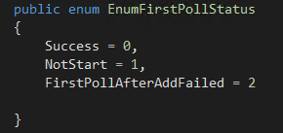
Created | 1 | Manual
WebFormSubmitted | 2 | WebForm
NoteAdded | 3 | note
CallLogAdded | 4 | CallLog
ChatLogAttached | 7 | chat
OutgoingEmail | 9 |  | 这个不知道什么时候用
IncomingEmail | 10 |  | 用户回信
OfflineMessageAttached | 11 | OfflineMessage
BounceEmail | 23 | BounceEmail
AutoFollowUpEmail | 25
OperatorRepliedWithEmailSent | 26 | AgentReply | 客服回复发邮件
OperatorForwardWithEmailSent | 27 |  | 客服回复不发邮件
OperatorRepliedOnly | 28
OperatorForwardOnly | 29
ServicePortalReplied | 30
WebReplied | 31

Sheet3
