Sheet1
Ovis dalli, also known as the Dall sheep or thinhorn sheep, is a species of wild sheep native to northwestern North America. Wildlife and ecology researchers are interested in knowing how long these sheep live on average, but longitudinally tracking the same individuals in a cohort is highly impractical. Instead, researchers go into the field, identify carcasses of these sheep, and by indirect methods (such as length and horn markings) estimate the age at which these individuals died. Below is a data set collected in the mountains of the American Northwest. It shows the estimated age at dead (in attained years, both sexes combined) and the amount of observations at each interval.

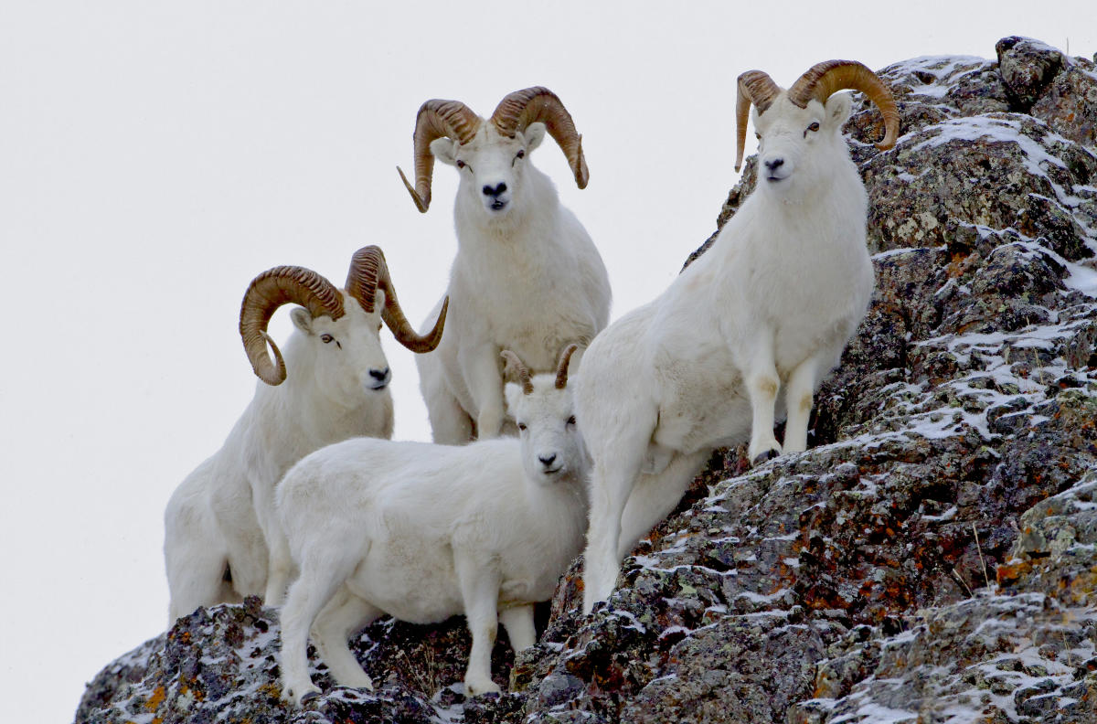

Age | d_x | Based on this information:
0 | 125 | a) Construct a life table and estimate the life expectancy at all different attained ages.
1 | 8 | b) Plot the survival curve, the probability of death curve and the ASDR curve. Give some thoughts about them.
2 | 8
3 | 8
4 | 19
5 | 29
6 | 30 | As an extra piece of information, researches found that a) During the first year of life, sheeps tended to die relatively young, with an average life span of 0.33 years, b) During the second year of life, deaths have an average life span of 0.42, c) During the last, open interval, sheeps lived on average 1.38 years. | A family of Dall sheeps near Anchorage.
7 | 43
8 | 83
9 | 117
10 | 98
11 | 56
12+ | 4

Curva de supervivientes
Curva de supervivientes
0 | 544
1 | 498
2 | 491
3 | 483
4 | 470
5 | 446
6 | 416
7 | 380
8 | 317
9 | 217
10 | 109
11 | 32
12+ | 6

Log10
Log 10
 | -0.70104963073
 | -1.7984779981
 | -1.7915152119
 | -1.7844389742
 | -1.4015819125
 | -1.2003598338
 | -1.1573560154
 | -0.96967591704
 | -0.63480493427
 | -0.37114683208
 | -0.20743101126
 | -0.029963223377
 | 0

