Query Revisi
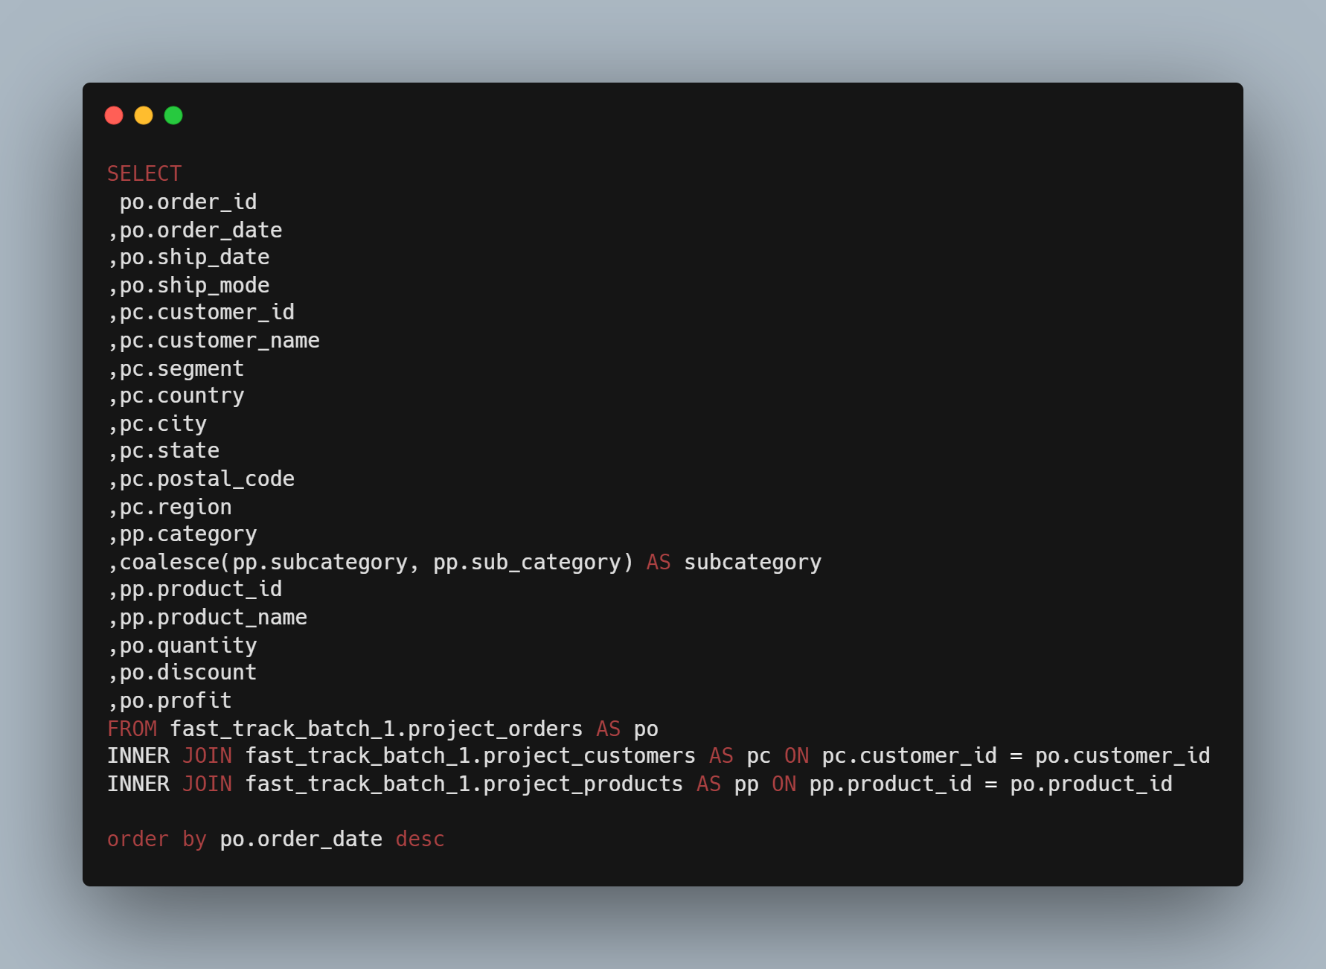

dashboard
Sales Dashboard

Sales By Profit
 | Total
Furniture | 409.8802
Office Supplies | 224.6755
Technology | 447.7385
Sales By Quantity
 | Total
Furniture | 109
Office Supplies | 199
Technology | 58

Buyer Segment By Profit
 | Total
Consumer | -54.6061
Corporate | 1050.4656
Home Office | 86.4347
Buyer Segment By Quantity
 | Total
Consumer | 155
Corporate | 191
Home Office | 20

Insight
Dapat dilihat dari dashboard penjualan di samping. Dari tahun 2014-2017 terdapat perbandingan penjualan per kategori berdasarkan profit dan kuantitas di Tennessee
Kategori penjualan dengan profit tertinggi, yakni kategori teknologi ternyata tidak menempati kategori penjualan terbanyak. Hal ini dikarenakan harga barang pada kategori teknologi lebih tinggi dari pada kategori yang lain contohnya ponsel atau alat elektronik lainnya yang memiliki harga yang cukup tinggi.
Hal ini sejalan dengan keterangan pada segmen pembeli di mana baik pada penjualan berdasarkan profit maupun kuantitas sama-sama memiliki persentase terbesar.
Terlihat juga pada Sales Trending, peminat office suplies selalu lebih banyak dari kategori yang lain di setiap kuartil.
catatan: Penjualan pertahun dan setiap wilayah akan berbeda.

Sales Tranding
 | Qtr1 | Qtr2 | Qtr3 | Qtr4
Furniture | 2 | 7 | 3 | 14
Office Supplies | 2 | 14 | 14 | 19
Technology | 1 | 5 | 1 | 7

