Sheet1
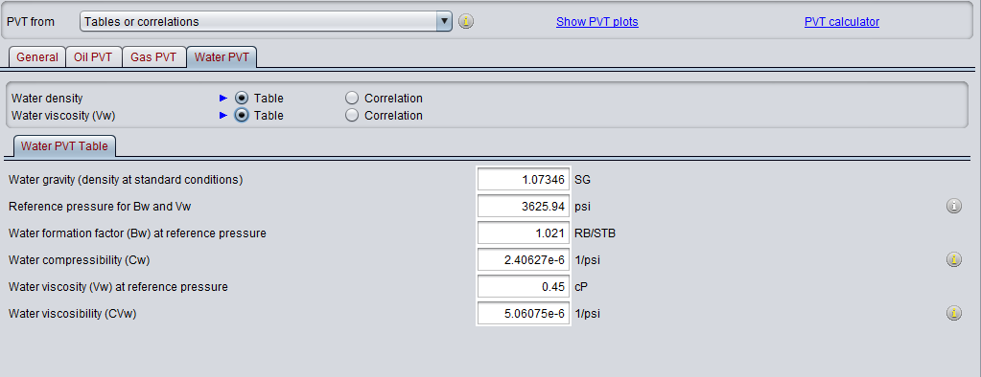
Input Data | Description
Fluid properties, PVT* | API
 | Rs | Oil PVT | Examples | Gas PVT | Examples
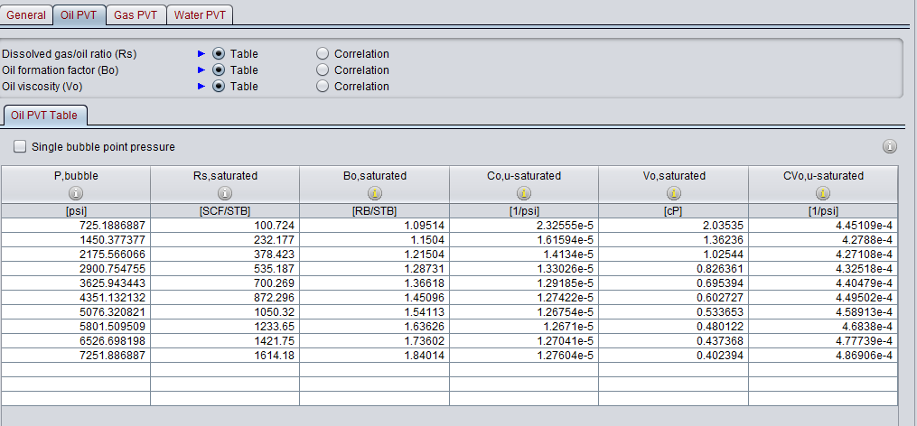
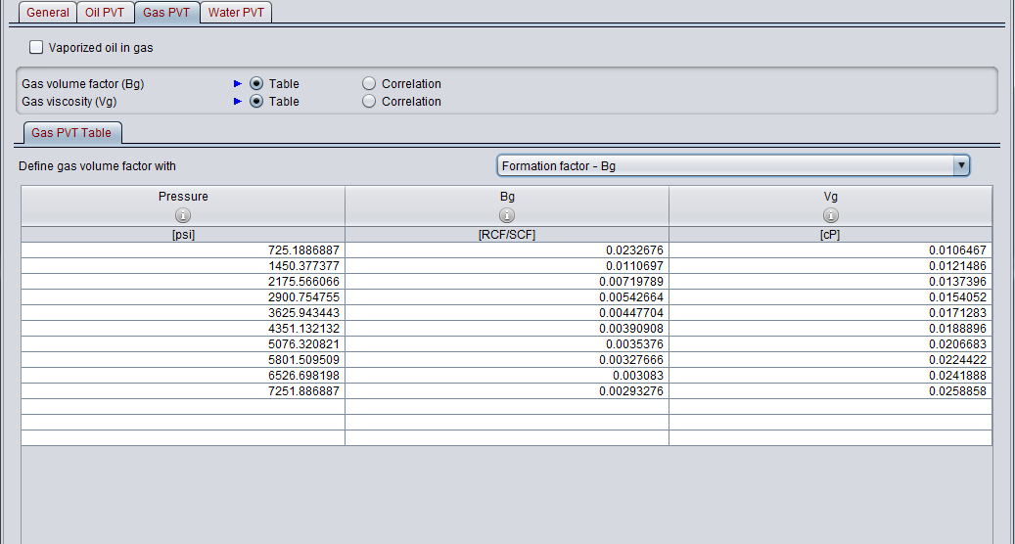
 | Saturations (Sw, Sg, So)
 | Gas Gravity
 | Reservoir Temperature
 | PVT information (PVT tables, see examples)
Reservoir* | Transmisibility
 | Reservoir Pressure
 | Skin
 | Rugosity
Rock Properties* | Permeability (kh)
 | Kv/Kh
 | Relative permeabilities
Well and Completion | Survey or Well deviation
 | Tubing lift performance (optional)
 | Completion configuration (hole diameter, casing, gravel pack, liner, ICD's, ICV's, packers, etc)

*In case no reservoir simulation available | Netool uses the reservoir simulation model from eclipse and/or Nexus.
 | Eclipse files required: .INIT, .GRIP, .UNRST

Simulation Control in Netool: | Well Type
 | Simulation Target
 | Numerical Resolution | Water PVT
 | Pipe flow model

