Sheet1
STORE DETAILS: 店铺名称： | JW PEI Direct |  |  |  |  |  | ORDER DATE: 订单创建日期： | 2026-07-16
CONTACT PERSON INFO: 联系人信息： | 李亚南15302610997 |  |  |  |  |  | SHIPMENT ID: 订单装运编号 （FBA号码）： | FBA15M0SMBPF
IMPORTER / VAT NO.: 进口商/增值税编号: |  |  |  |  |  |  | Aiduk order#: Aiduk订单号： | AZS000008159
 |  |  |  |  |  |  | DESTINATION FC COD： 目的地编号： | RUH8

PACKING LIST & INVOICE 装箱单&发票

Product Name (in English) 产品名称（英文） | Product Name (in Chinese) 产品名称（中文） | Carton No. 亚马逊箱标签号码 | Brand 品牌 | HS CODE 产品代码 | Cartons 箱数 | Quantity(units) 产品数量 | Total GW(KG) 箱子净重（KG) | L*W*H(CM) 箱规（长*宽*高） | Unit Price (USD) 单件货物价值（美元） | Total Price (USD) 总箱货物价值（美元） | Product picture 产品图片 | Electricity 是否内涵锂电池 (Y/N) | Powder/liquid 是否内含粉末或液体 (Y/N、N/Y、Y/Y、N/N)
手提包 | Handbag | FBA15M0SMBPFU000001 | JW PEI | 4202220000 | 1 | 12 | 10.9 | 57.5*31.5*61 | 17.71 | 212.57 | 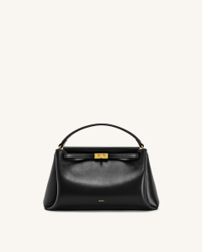 | N | N/N | 2T192-1
手提包 | Handbag | FBA15M0SMBPFU000002 | JW PEI | 4202220000 | 1 | 12 | 10.9 | 57.5*31.5*61 | 17.71 | 212.57 | 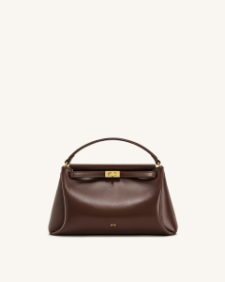 | N | N/N | 2T192-32
手提包 | Handbag | FBA15M0SMBPFU000003 | JW PEI | 4202220000 | 1 | 12 | 10.9 | 57.5*31.5*61 | 17.71 | 212.57 |  | N | N/N | 2T192-32
手提包 | Handbag | FBA15M0SMBPFU000004 | JW PEI | 4202220000 | 1 | 19 | 10.9 | 56*32*56.5 | 19.14 | 363.71 | 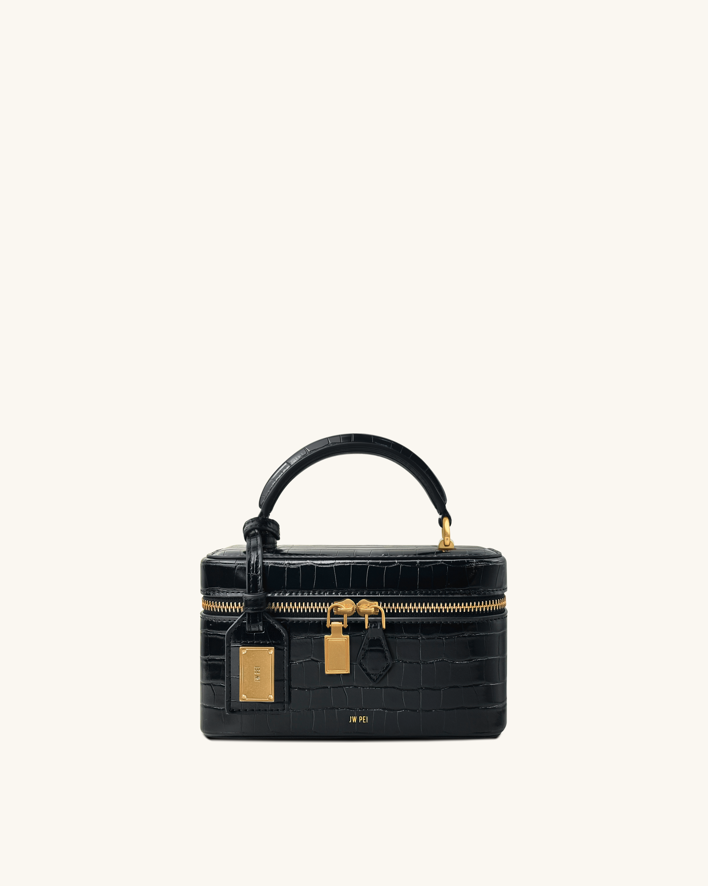 | N | N/N | 2T321-1
手提包 | Handbag | FBA15M0SMBPFU000005 | JW PEI | 4202220000 | 1 | 19 | 10.9 | 56*32*56.5 | 19.14 | 363.71 |  | N | N/N | 2T321-1
手提包 | Handbag | FBA15M0SMBPFU000006 | JW PEI | 4202220000 | 1 | 16 | 12.1 | 48*46.5*58.5 | 21.29 | 340.57 | 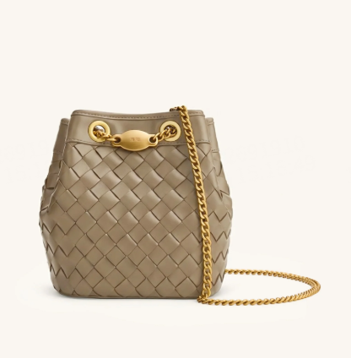 | N | N/N | 4B48-31
手提包 | Handbag | FBA15M0SMBPFU000007 | JW PEI | 4202220000 | 1 | 8 | 10.2 | 51*42.3*57 | 19.66 | 157.31 | 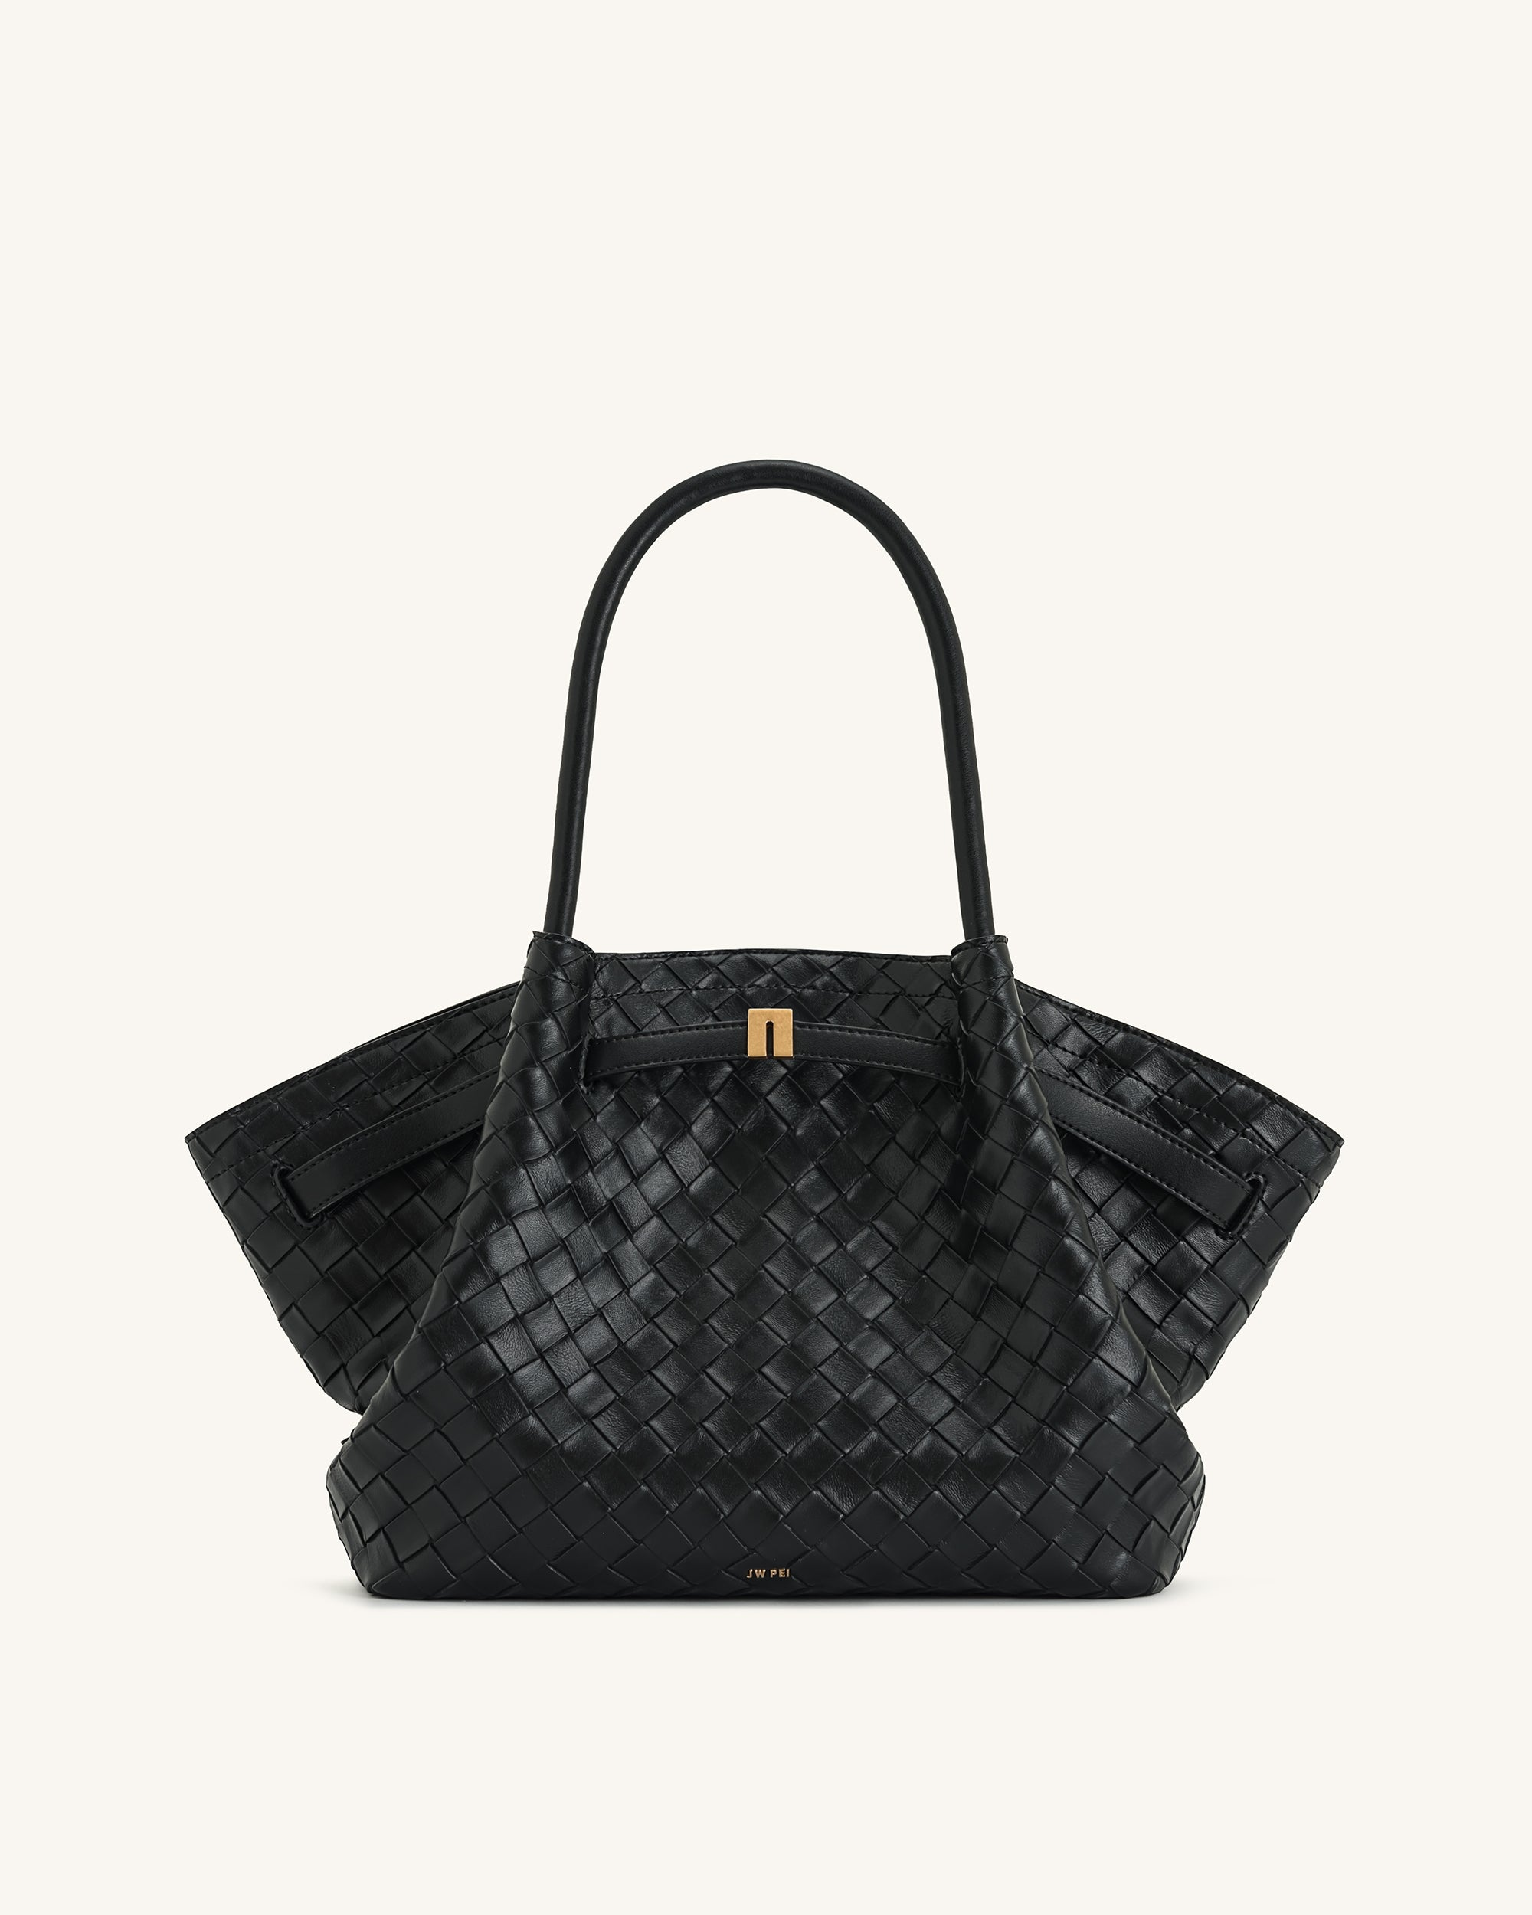 | N | N/N | JH306B04-12
手提包 | Handbag | FBA15M0SMBPFU000008 | JW PEI | 4202220000 | 1 | 8 | 10.2 | 51*42.3*57 | 19.66 | 157.31 |  | N | N/N | JH306B04-12
TOTAL： 合计： |  |  |  |  | 8 | 106 | 87 |  | 152.04 | 2020.34

REMARKS: 备注：
1. Must provide packing list and Inv and accurate product names in Chinese and English, as well as clear physical pictures; 1.必须提供中英文的包装清单和产品名称，以及清晰的实物图片;
2. If there is a brand, live, plug, liquid, powder, etc., please indicate in the remarks column. 2. 如有品牌、活物、插头、液体、粉末等，请在备注栏中注明。
3. Each product needs to have "Made In China", and the requirements of each type of product may be different, such as: mobile phone accessories products, made in China printed on the box; textiles, such as shoes, clothes, bags, etc. must have Made in China for washing water mark; Made In China with engraving or watermark for watches. 3.每种产品都需要有“中国制造”的标志，而且每种产品的要求可能不同，例如: 手机配件产品，需印在盒子上的中国制造; 纺织品，例如：鞋、衣服、包等，必须有“中国制造”的洗涤唛头; 手表需有雕刻或水印的“中国制造”。
4. Products not accepted: imitation brand products, products that conflict with Saudi religion, and products listed as prohibited by the Saudi government, such as: laser products, walkie-talkies, drones, cameras (surveillance products), cameras, Wireless routers, electronic cigarettes, Qurans, liquids, vapors, powders, medicines, health products, electric shock sticks, food, corrosive materials, flammable and explosive materials, munitions, weapons and offensive goods, and all adult toys ( Also known as sex toys), sex underwear, and other prohibited items, do not check items prohibited by airlines. Note: Please pay special attention to all products with cameras and lasers. 4.不接受的产品: 仿制品、与沙特宗教相冲突的产品、沙特政府禁止的产品，如: 激光产品、对讲机、无人机、摄像头(监控产品)、摄像头、无线路由器、电子烟、可兰经、液体、蒸汽、粉末、药品、保健品、电击棒、食品、腐蚀性材料、易燃易爆材料、军火、武器和进攻性物品，以及所有成人玩具(也称性玩具)、性内衣等，及其他航空公司禁止的物品。请特别注意：所有带照相机和激光器的产品。

