Sheet1
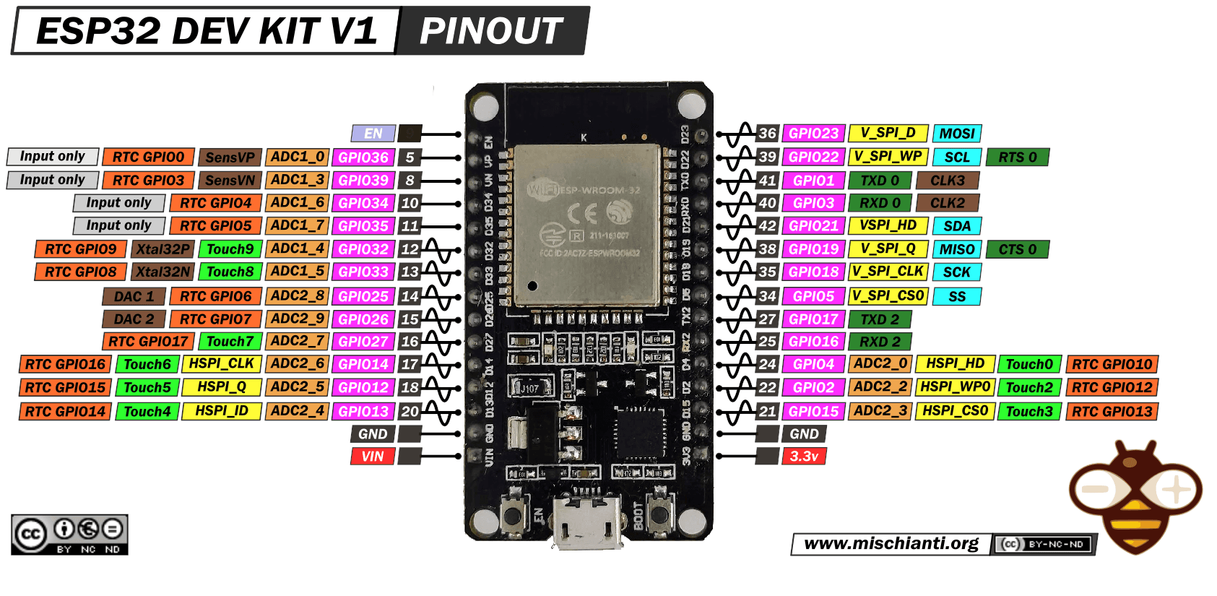
Component | Pin | ESP32
RC522 | SDA/SS | GPIO 5
RC522 | SCK | GPIO 18
RC522 | MOSI | GPIO 23
RC522 | MISO | GPIO 19
RC522 | RST | GPIO 4
RC522 | VCC | 3.3V
RC522 | GND | GND
LCD | SDA | GPIO 21
LCD | SCL | GPIO 22
LCD | VCC | 5V
LCD | GND | GND
Servo | Signal | GPIO 13
Servo | VCC | External 5V
Servo | GND | Common GND

