Fun stuff.1
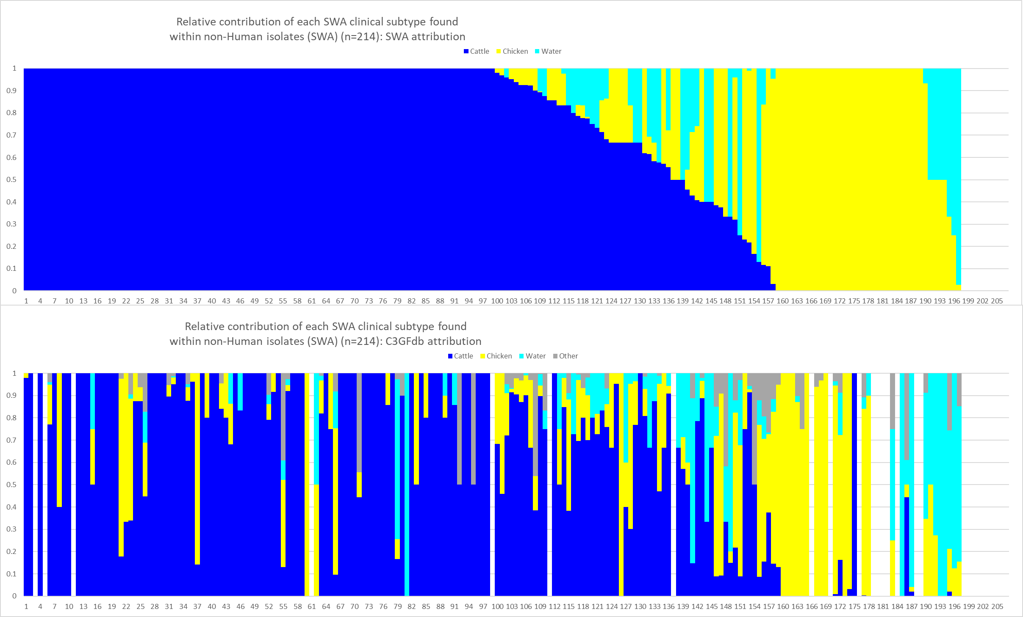

In this analysis, we calculated the pverall attribution based on 214 subtypes that had human and non-human sources. The one on top is based on source data from SWA only whereas the one in the bottom is based on source data from the CGFdb. The order of the subtypes is identical so that source estimates can be directly compared. The gaps in the CGFdb data are for subtypes that are unique to Alberta. But note how there are many subtypes that are highly mixed in source in the CGFdb that are totally cattle in SWA (despite a pretty good intensity of chicken sampling in the SWA dataset).

Fun stuff.2
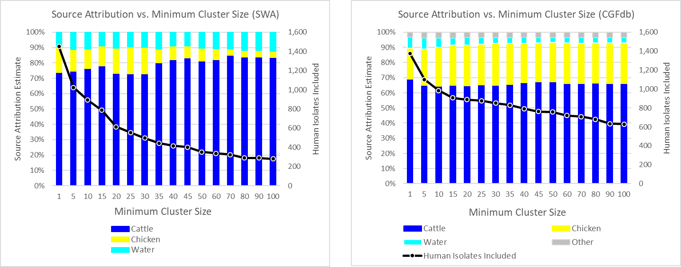

In this analysis, the attirbution model was to filter out cases from clusters smaller than a given size threshold and to do fully proportional attribution to all of the clusters that were larger than the threshold. The effect is to remove the contribution from small clusters that have a high uncertainty of attribution. The trade-off is that the more aggressively you filter, the fewer the clusters that are used in the attribution estimate and the smaller the number of human cases for which there is attribution data. But note how regardless of the threshold, the cattle contribution is huge.

Fun stuff.3
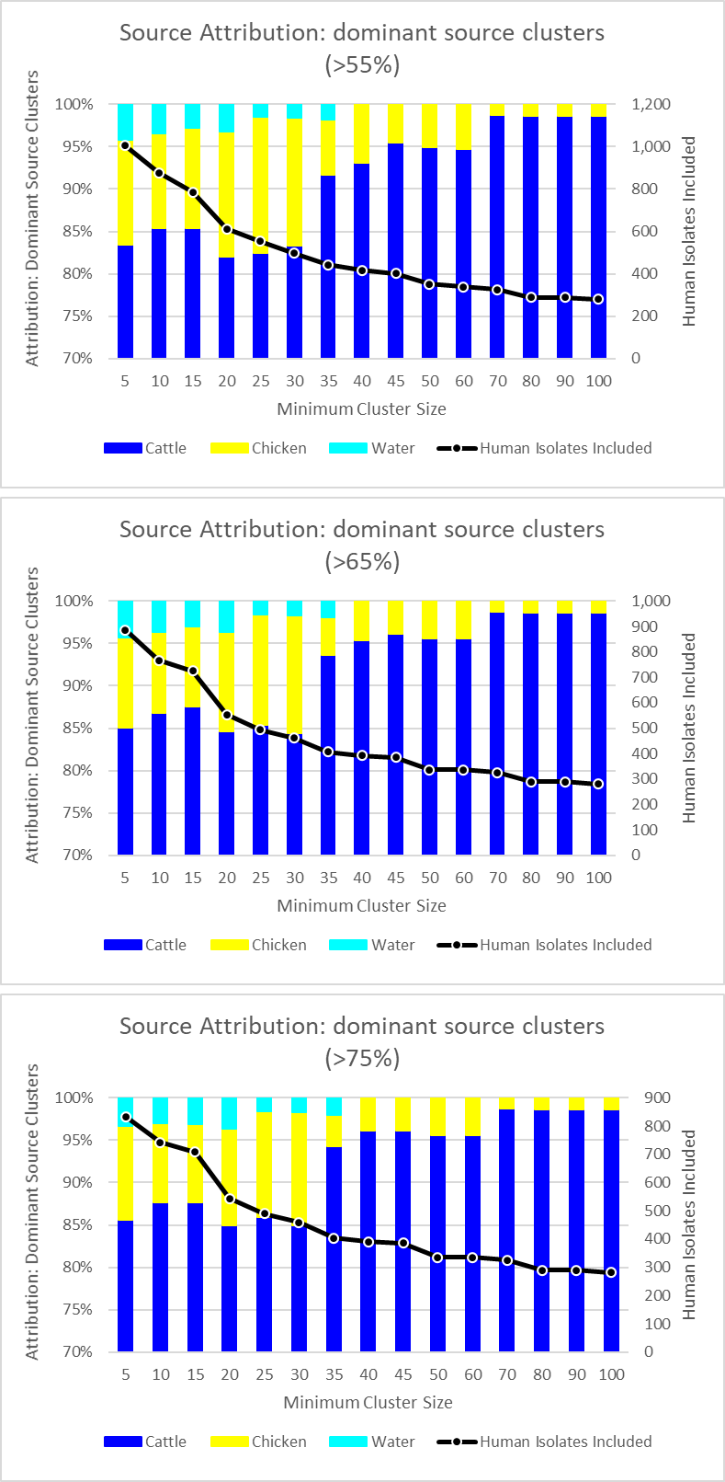

In this analysis, the attirbution model was to give all of the cases to whichever source exceeded a "dominance threshold" (55%, 65%, 75%). So only clusters that had a level of dominance above that amount contributed to the source attribution estimate. Clusters that did not have a source above the threshold were filtered out and left as "unattributable". This allows for an estimate to be generated based on clusters where there is a reasonably high level of attribution (i.e. highly mixed-source clusters are not included in the analysis).

