Sheet1
A: z-order (XML order = paint order, diamond on top)
1
2
3

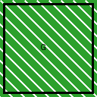
B: standalone pictures (pictures.add x2 + addPictureShape x1)

C: group of 3 shapes (rect + oval + chevron)
photo:

D: group with nested picture

E: nested groups (outer { rect, inner { tri, oval } })

