2-color Map Chart
Create a Map chart
Quickly create powerful data visualizations from geographic data
Click anywhere in the table on the left.
1
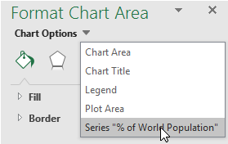
Right-click on the chart, then Format Chart Area > Series to change the chart's properties.
3
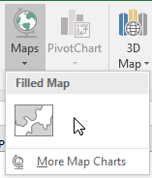
Go to Insert > Maps > Filled Map.
2
Country | % of World Population
China | 18.500%
India | 17.500%
United States | 4.340%
Brazil | 2.770%
Russia | 1.960%
Mexico | 1.640%
France | 0.900%
Argentina | 0.590%
Australia | 0.325%
Sweden | 0.134%
United Arab Emirates | 0.130%
Namibia | 0.031%
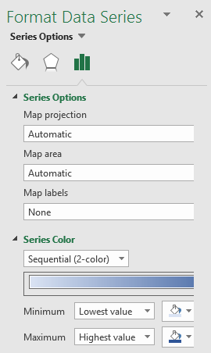
Adjust the chart properties as needed
4

NOTE: The chart will plot the first column to the right of the geography. In this example, it plots the column to the right of the country names. You can hide columns to keep them from plotting. In this example, we grouped columns C through E to hide them. If you click the ungroup button above the table you can see the chart change.

Next >

3-color Map Chart
Create a Map chart
Quickly create powerful data visualizations from geographic data
Right-click on the chart, then Format Chart Area > Series to change the chart's properties.
3
Click anywhere in the table on the left.
1
Go to Insert > Maps > Filled Map.
2
Country | Series | GDP | Population | % of World Population
China | 11 | 11,391,619 | 1,381,040,000 | 18.500%
India | 9 | 2,250,990 | 1,310,760,000 | 17.500%
United States | 8 | 18,561,930 | 324,394,000 | 4.340%
Brazil | 7 | 1,769,600 | 206,982,000 | 2.770%
Russia | 8 | 1,267,750 | 146,727,405 | 1.960%
Mexico | 10 | 1,063,610 | 122,273,000 | 1.640%
France | 7 | 2,488,280 | 66,991,000 | 0.900%
Argentina | 9 | 541,748 | 43,850,000 | 0.590%
Australia | 12 | 1,256,640 | 24,333,500 | 0.325%
Sweden | 6 | 517,440 | 9,998,740 | 0.134%
United Arab Emirates | 9 | 375,022 | 9,856,000 | 0.130%
Namibia | 11 | 10,183 | 2,324,388 | 0.031%
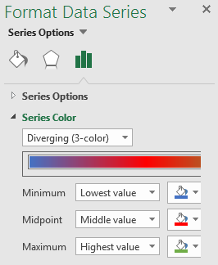
Adjust the chart properties as needed. This chart uses a diverging 3-color scale.
4

NOTE: The chart will plot the first column to the right of the geography. In this case the Series column is being mapped, but if you click the group button above the table, you'll see the chart change to plot the % of World Population column.

