TD3 hyperparmeters
 |  |  |  |  |  |  |  |  |  |  |  |  |  |  | mm |  | this is the final run
 |  | TD3 agent | TD3 agent | TD3 agent | TD3 agent | TD3 agent | TD3 agent | DDPG | SAC | DDPG | .. | TD3 Agent | TD3 Agent | TD3 Agent | TD3 Agent | DDPG | DDPG | TD3 | TD3 | PPO | TRPO | SAC | PPO | DDPG
experiment name |  | agent17985 | agent 9915 | 512(2) | 256(2) | 3(256) | 3(512) | 4(DDPG) | 4(SAC1) | 5(DDPG) | 6(TD3) | 7(TD3) | 8 | 8b | 8c | 9a | 9b | 13 | 14 | 15 | 16 | 17 | 18 | reconfiguration
learning rate |  | 1.00E-03 | 1.00E-04 | 1.00E-03 | 1.00E-03 | 1.00E-04 | 1.00E-04 | 1.00E-04 | 1.00E-04 | 1.00E-04 | 1.00E-04 | 1.00E-04 | 1.00E-03 | 1.00E-03 | 1.00E-03 | 1.00E-03 | 1.00E-03 | 1.00E-03 | 1.00E-03 | 1.00E-03 |  | 1.00E-03 |  | 1.00E-03
exploration noise variance |  | 0.6 | 0.9 | 0.6 | 0.5 | 0.65 | 0.65 | 0.3 | 2 | 0.25 | 0.7 | 0.7 | 0.5 | 0.5 | 0.5 | 0.3 | 0.3 | 0.3 | 0.3 | entropy loss = 0.05 |  | 2 |  | 0.3
exploration noise min |  | 0 | 0.4 | 0 | 0 | 0 | 0 | 0 | (-)Naction | 0 | 0 | 0 | 0 | 0 | 0 | 0 | 0 | 0 | 0 | NA |  | (-)Naction |  | 0
exploration limits |  | [-1,1] | [-1,1] | [-1,1] | [-1,1] | [-1,1] | [-1,1] | 0.3 | N | 0.3 (attraction) | [-1,1] | [-1,1] | [-0.8,0.8] | [-0.8,0.8] | [-0.8,0.8] | 0.3 | 0.3 | 0.3 | [-1,1] | NA |  | N |  | 0.3
explortaion decay rate |  | 0.00015 | 0.025 | 0.0001 | 0.00015 | 0.0001 | 0.0001 | 0.0001 | N | 0.0001 | 0.00015 | 0.00015 | 0.00015 | 0.00015 | 0.00015 | 0.0001 | 0.0001 | 0.0001 | 0.0001 | NA |  | N |  | 0.0001
reward scaling |  | N | N | N | N | N | N | N | 256 | N | N | N | N | N | N | N | N | N | N | NA |  | 256 |  | N
state scaling |  | N | N | N | N | N | N | N | 0.9 | N | N | N | N | N | Y (not reset every episode) | N | N | N | N | NA |  | 0.9 |  | N
network architecture size |  | 256 | 256 | 512 | 256 | 256 | 512 | 256 | 128 | 512 | 512 | 512 | 256 | 256 | 256 | 256 | 256 | 256 | 256 | 256 |  | 128 |  | 256
discount rate |  | 0.9 | 0.9 | 0.9 | 0.9 | 0.9 | 0.9 | 0.9 | 1 | 0.9 | 0.9 | 0.9 | 0.9 | 0.9 | 0.9 | 0.9 | 0.9 | 0.9 | 0.9 | 0.9 |  | 0.9 |  | 0.9
batch size |  | 64 | 64 | 64 | 128 | 128 | 128 | 128 | 128 | 128 | 128 | 128 | 128 | 128 | 128 | 128 | 128 | 128 | 128 | 128 |  | 128 |  | 128
update freq |  | 1 | 1 | 1 | 1 | 1 | 1 | 1 | 1 | 1 | 1 | 1 | 2 | 2 | 2 | 1 | 1 | 1 | 1 | 1 |  | 1 |  | 1
warmup |  | NA | NA | NA | NA | NA | NA | NA | 2500 | NA | NA | NA | NA | NA | NA | NA | NA | NA | NA | 2500 |  | 2500 |  | NA
episodes |  | 2.00E+04 | 1.00E+04 | 2.00E+04 | 2.00E+04 | 2.00E+04 | 2.00E+04 | 2.00E+04 | 2.00E+05 | 2.00E+04 | 2.00E+04 | 2.00E+04 | 2.00E+04 | 2.00E+04 | 2.00E+04 | 2.00E+04 | 2.00E+04 | 2.00E+04 | 2.00E+04 | 2.00E+04 |  | 2.00E+05 |  | 2.00E+04
comment |  | "step like" graph optimal solution zero action final solution [1]x5 [0] daily curt. Montonically increasing | "converged to suboptimal solution with little penalty" | "benefit C5 = -2.79, converged with Q0" | "much smoother curve with no penalties | "changed w3 from 10 -> 14 changed penalty time -> time^2 | "changed w3 from 10 -> 14 changed penalty time -> time^1.5 | can be better with exploration policy | this is with exploration policy noisy updates | w3 10 -> 12 90 clip | w3 10 -> 12 -50 clip penalty -> t^1.5 | clipped at -5 w3 12 -> 13 | this is 2 clipped -90 | clip -5 | state adaptive mean not very good as results depend on it | same strucutre as 8b | same structure but cliiped at 0 => different rewards | single -> double | same as 9b(BEST) but different agent | 2* daily and cust penaties | SHIT | gradient threshold = 5 can add PEM if time | just bad | new values in overleaf
reward |  |  | -135 | -73 | -83.7962 | -6.14E+03 | -1.30E+03 | -222.0955 | -161 | BAD | -39.9238 | BAD | -427 | -216 | -505 | -148 | -116 |  |  |  |  | -126 | ~-200 | -170
F1 |  |  | later | 4.50E+03 | 4515.646 | 4788.7096 | 4832.1264 | 4769.3186 | 4575.4741 |  | 4816.2623 |  | 4952.4295 | 4603 | 4769 | 4471.9445 | 4393.3563 | 4433.0338 | 4658.3761 |  |  | 4405.051 | TBD | 4468
F2 |  |  | later | 6.66E+02 | 667.5961 | 705.1223 | 706.7168 | 699.8676 | 672.2085 |  | 710.5588 |  | 725.2691 | 686 | 698 | 655.2502 | 650.2499 | 654.0867 | 685.3173 |  |  | 651.2399 | TBD | 634
F3 |  |  | later | 311.75 | 242.8237 | 125.3104 | 94.2622 | 103.9126 | 209.3646 |  | 35.1345 |  | 2.18E-07 | 228 | 97 | 283.71 | 370.7421 | 234 | 237.1692 |  |  | 368.8635 | TBD | 301
F4 |  |  | later | -1256.3349 | -1665.6548 | 1.01E+05 | 7.14E+04 | -1542.8193 | -1060.0032 |  | -4506.3492 |  | 0 | -192 | 2076 | 373.4207 | 176.9874 | 2016.7382 | 880.2637 |  |  | 276.4791 | TBD | 137
Q0 |  |  |  | -101 | -85 |  |  | 11 | -76 |  | BAD |  | -296 | -215 | -182.00 |  | -60 | -47 | -161 |  |  | -68 | ~100 | -45
 |  |  |  |  |  |  |  |  | reinforcement learning - Choosing "Target Entropy" for Soft-Actor-Critic (SAC) algorithm - Cross Validated this is with exploration policy |  |  |  | tried exploring -> large curtailment penalties => settled for minimal curtailment | actually MGO_profit is around 260 |  | worse version of 9b, ramp penalty at t= 24 | generated another pareto front solution without violating any penalties |  |  | not adhering to constraints? | 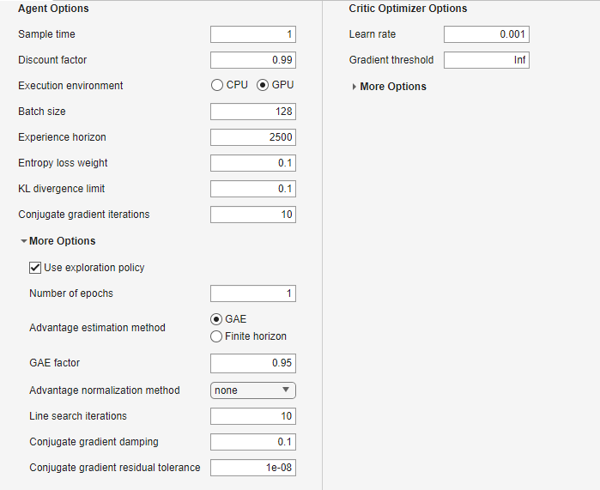

 | Case I | Case II | Case III |  | Ratios |  |  |  |  |  |  |  |  |  |  |  | 1
f1 PH | 5003 | 4432.3 | 4429.5 |  | 0.88592844293 | 0.99936827381 |  |  |  |  |  |  |  |  |  |  | 1
f2 PH | 621.52 | 594.74 | 521.77 |  | 0.83950637148 | 0.87730773111 |  |  |  |  |  |  |  |  |  |  | 10
f3 PH | 1 | 374.61 | 374.4 |  | 374.61 | 0.99943941699 |  |  |  |  |  |  |  |  |  |  | 1
CDG MWh/day | 2.38 | 2.18 | 1.57 |  | 0.91596638655 | 0.72018348624
Grid MWh/day | 65.34 | 58.26 | 58.26 |  | 0.89164370983 | 1

 |  |  |  |  |  |  |  |  |  |  |  |  |  |  |  | w1f1 | 337.95048462
 |  |  |  |  |  |  |  |  |  |  |  |  |  |  |  | w2f2 | 50.019223077
f1 AJ | 4.95E+03 | 4393.3563 | 4468 |  | 0.88711132587 | 1.0169901312 |  |  |  |  |  |  |  |  |  | w3f3 | 285.18623077
f2 AJ | 725.2691 | 650.2499 | 634 |  | 0.8965636341 | 0.97500976163 |  |  |  |  |  |  |  |  |  | w4f4 | 13.614415385
f3 AJ | 1 | 370.7421 | 301 |  | 370.7421 | 0.81188513525
CDG MWh/day | 3.2540784664 | 2.6877187233 | 2.5423067131 |  | 0.82595387635 | 0.94589760866
Grid MWh/day | 64.669451605 | 57.490461971 | 58.523008605 |  | 0.88898947716 | 1.017960312

Case 3
experiment name |  | 1 |  | 3 | 5 | 6 | 7 | 8 | 9 | 10 | 11 | 12 | 13 | 14 | 15
agent type |  |  |  | PPO | DDPG | DDPG | DDPG | DDPG | DDPG | DDPG | DDPG | DDPG | DDPG |  | DDPG
learning rate |  | 1.00E-03 |  | 1.00E-03 | 1.00E-03 |  |  | 1.00E-03 | 1.00E-03 | 1.00E-03 | 1.00E-03 | 1.00E-03 | 1.00E-03 |  | 1.00E-03
exploration noise variance |  | 0.5 |  |  | 0.3 |  |  | 0.3 | 0.3 | 0.3 | 0.3 | 0.35 | 0.35 |  | 0.5
exploration noise min |  | 0 |  |  | 0 |  |  | 0 | 0 | 0 | 0 | 0 | 0 |  | 0
exploration limits |  | [-0.8,0.8] |  |  | 0.3(attraction) |  |  | 0.3(attraction) | 0.3(attraction) | 0.3(attraction) | 0.3(attraction) | 0.3(attraction) | 0.3(attraction) |  | 0.3(attraction)
explortaion decay rate |  | 0.00015 |  |  | 0.0001 |  |  | 0.0001 | 0.0001 | 0.0001 | 0.0001 | 0.0001 | 0.0001 |  | 0.0001
reward scaling |  | N |  |  | N |  |  | N | N | N | N | N | N |  | N
state scaling |  | N |  |  | N |  |  | N | N | N | N | N | N |  | N
network architecture size |  | 256 |  |  | 256 | env3 | copyenv3 | 256 | 256 | 256 | 512 | 256 | 256 |  | 256
discount rate |  | 0.9 |  |  | 0.9 |  |  | 0.9 | 0.9 | 0.9 | 0.9 | 0.9 | 0.99 |  | 0.99
batch size |  | 128 |  |  | 128 |  |  | 128 | 128 | 128 | 128 | 128 | 128 |  | 128
update freq |  | 2 |  |  | 1 |  |  | 1 | 1 | 1 | 1 | 1 | 1 |  | 1
warmup |  | NA |  |  | NA |  |  | NA | NA | NA | NA | NA | NA |  | NA
episodes |  | 2.00E+04 |  |  | 2.00E+04 |  |  | 2.00E+04 | 2.00E+04 | 2.00E+04 | 2.00E+04 | 2.00E+04 | 2.00E+04 |  | 2.00E+04
comment |  | clip -5 action constrained |  | optimal env from last time this.SOC_min = 20; this.SOC_max = 200; this.Pbatmax = 40; this.start_SOC = 90; PF = 5 | violated ramp at the end 3 random lines of 4 everything in pu | put into table currently struggling with voltage dev | running with diff. reconfigs with max and min | changed violations to properly reflect properly interval changed LES and VDI |  | actually comparing to reconfig WITH NO DR, BAT | 1,1,20,0.5,1 no clip | 1,1,20,0.2,1 random line swithout 13 | 1,1,20,0.1,1 time/2 -> ensures early penalties not punished heavily reward changed | didn’t work without SOC constraint | changed event time 5,0.5,20,0.1,1 changed bat ref no voltage >1 | next step constrain SOC without constraining pbat
reward |  | -8.94E+06 |  |  | -488.4171 |  |  |  | -6.5902 | -5.858 | shit | -2.1734
F1 |  | 4192 |  | 4394.6225 | 4766.2375 |  |  |  | f1: 1.0981 | f1: 1.0456 |  | f1: 1.055
F2 |  | 979 |  | 513 | 671.0391 |  |  |  | f2: 1.1468 | f2: 1.1087 |  | f2: 1.0981
F3 |  | 268 |  | 331 | 83.4753 |  |  |  | f3: 0.074963 | f3: 0.052596 |  | f3: 0.2237
F4 |  | 1.00E+09 |  | 376374.012 | 7197.5776 |  |  |  | f4: 0 | f4: -2.0048 |  | f4: 0
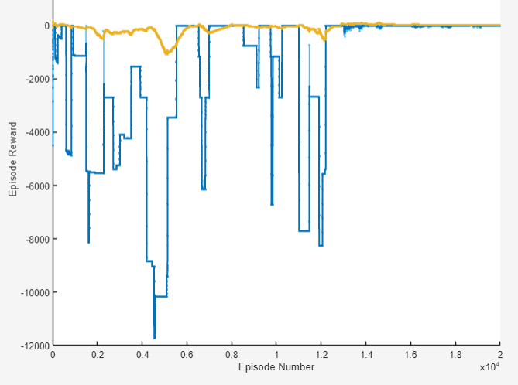
F5 |  |  |  | -173.0642 | -64.4071 |  |  |  | f5: -57.4418 | f5: -52.8356 |  | f5: -52.7444
Q0 |  | N/A
comment about result |  | ramp + gen penalty. lowered penalty factor. |  | ramp + daily penalties this was stupid because using PPO? |  |  |  | 8,13,15,16,17,18,19,20,22 no actions taken | 1,1,5,1,1 (weights) | not enough curtailment

changed weights

 | no action | 0.6bat | 0.4bat | 0.4curt | 0.4curt+bat | best_agent | best_agent2

 | -2.6371 | -2.6053 | -2.5394 | -2.0492 | -2.0224 | -2.1734 | -2.1027 | -2.0025

 | f1: 1.1182 | f1: 1.1265 | f1: 1.1112 | f1: 1.0481 | f1: 1.0412 | f1: 1.055 | f1: 1.0579 | f1: 1.0361
 | f2: 1.1668 | f2: 1.1673 | f2: 1.161 | f2: 1.0913 | f2: 1.0892 | f2: 1.0981 | f2: 1.086 | f2: 1.086
 | f3: 0 | f3: 0 | f3: 0 | f3: 0.29185 | f3: 0.29185 | f3: 0.2237 | f3: 0.29734 | f3: 0.4358
 | f4: 0 | f4: 0 | f4: 0 | f4: 0 | f4: 0 | f4: 0 | f4: 0.032258 | f4: 11.297
 | f5: -58.6327 | f5: -58.9309 | f5: -57.4035 | f5: -51.8528 | f5: -51.2336 | f5: -52.7444 | f5: -52.371 | f5: -51.7217
 | VDI: 28.4407 | VDI: 28.566 | VDI: 27.6764 | VDI: 24.9357 | VDI: 24.5324 | VDI: 25.5262 | VDI: 24.9671 | VDI: 24.839
 | LEI: 30.1921 | LEI: 30.3649 | LEI: 29.7271 | LEI: 26.9171 | LEI: 26.7012 | LEI: 27.2182 | LEI: 27.4039 | LEI: 26.8827
 | w1f1 0.048405 | w1f1 0.047936 | w1f1 0.047286 | w1f1 0.0446 | w1f1 0.044306 | w1f1 0.045474 | w1f1 0.045796 | w1f1 0.044855
 | w2f2 0.050511 | w2f2 0.049671 | w2f2 0.049403 | w2f2 0.046438 | w2f2 0.046349 | w2f2 0.047332 | w2f2 0.047012 | w2f2 0.047012
 | w3f3 0 | w3f3 0 | w3f3 0 | w3f3 0.24838 | w3f3 0.24838 | w3f3 0.19284 | w3f3 0.25743 | w3f3 0.37732
 | w4f4 0 | w4f4 0 | w4f4 0 | w4f4 0 | w4f4 0 | w4f4 0 | w4f4 0.00013964 | w4f4 0.048905
 | w5f5 -2.5382 | w5f5 -2.5077 | w5f5 -2.4427 | w5f5 -2.2065 | w5f5 -2.1802 | w5f5 -2.2735 | w5f5 -2.2671 | w5f5 -2.239

average | no action | 0.4curt+bat
reward | -2.5703 | -2

f1 | 1.11 | 1.04
f2 | 1.1385 | 1.069
f3 | 0
f4 | 0
f5 | -57.1167 | -50.149

 |  | charging | discharge

changed weights
 | no action | 0.6bat | 0.4bat | 0.4curt | 0.4curt+bat
 | -2.1413 | -2.2082 | -2.1898 | -3.9921 | -1.832

 | f1: 1.1181 | f1: 1.13 | f1: 1.1076 | f1: 1.0481 | f1: 1.0376
 | f2: 1.0888 | f2: 1.1101 | f2: 1.1059 | f2: 1.0521 | f2: 1.0382
 | f3: 0 | f3: 0 | f3: 0 | f3: 0.69443 | f3: 0.29185
 | f4: 0 | f4: 0 | f4: 0 | f4: 645.5323 | f4: 0
 | f5: -50.9566 | f5: -52.6219 | f5: -52.1651 | f5: -49.741 | f5: -48.8592
 | VDI: 25.2263 | VDI: 26.2555 | VDI: 25.6698 | VDI: 24.4157 | VDI: 23.839
 | LEI: 25.7303 | LEI: 26.3664 | LEI: 26.4953 | LEI: 25.3253 | LEI: 25.0202
 | w1f1 0.21017 | w1f1 0.21241 | w1f1 0.20819 | w1f1 0.19701 | w1f1 0.19503
 | w2f2 0.020466 | w2f2 0.020866 | w2f2 0.020787 | w2f2 0.019777 | w2f2 0.019514
 | w3f3 0 | w3f3 0 | w3f3 0 | w3f3 0.52213 | w3f3 0.21944
 | w4f4 0 | w4f4 0 | w4f4 0 | w4f4 2.4268 | w4f4 0
 | w5f5 -1.9157 | w5f5 -1.9783 | w5f5 -1.9611 | w5f5 -1.87 | w5f5 -1.8368
 | >> |  |  |  | >>

 | no action | 0.6bat | 0.4bat | 0.4curt | 0.4curt+bat
 | -2.4993 | -2.5723 | -2.4873 | -2.0174 | -1.9626

 | f1: 1.1091 | f1: 1.1265 | f1: 1.1112 | f1: 1.0481 | f1: 1.0412
 | f2: 1.136 | f2: 1.1476 | f2: 1.1162 | f2: 1.0775 | f2: 1.0598
 | f3: 0 | f3: 0 | f3: 0 | f3: 0.29185 | f3: 0.29185
 | f4: 0 | f4: 0 | f4: 0 | f4: 0 | f4: 0
 | f5: -55.7377 | f5: -57.4022 | f5: -55.4784 | f5: -50.5161 | f5: -49.2694
 | VDI: 26.8943 | VDI: 27.6597 | VDI: 27.2169 | VDI: 23.8872 | VDI: 23.3339
 | LEI: 28.8434 | LEI: 29.7425 | LEI: 28.2615 | LEI: 26.6289 | LEI: 25.9355
 | w1f1 0.047806 | w1f1 0.048556 | w1f1 0.047897 | w1f1 0.045176 | w1f1 0.044879
 | w2f2 0.048966 | w2f2 0.049463 | w2f2 0.048111 | w2f2 0.046442 | w2f2 0.04568
 | w3f3 0 | w3f3 0 | w3f3 0 | w3f3 0.2516 | w3f3 0.2516
 | w4f4 0 | w4f4 0 | w4f4 0 | w4f4 0 | w4f4 0
 | w5f5 -2.4025 | w5f5 -2.4742 | w5f5 -2.3913 | w5f5 -2.1774 | w5f5 -2.1237
 |  |  |  |  | >>

New environment with constraint
 |  | 11 | 12
experiment name | 10 | agent138, 258
learning rate | 1.00E-04 | 1.00E-03 | 1.00E-03
exploration noise variance | 2.00E-01 | 2.50E-01 | 1.00E-01
exploration noise min | 0 | 0 | 0
limits | [-0.4,1] | [-0.2,1] | [-0.2,1]
explortaion decay rate | 4.00E-04 | 9.00E-05 | 9.00E-05
reward scaling | N | N | N
state scaling | N | N | N
network architecture size | 512 | 512 | 256
discount rate | 0.9 | 0.9 | 0.9
batch size | 128 | 128 | 128
update freq | 2 | 4 | 4
warmup | 1 | 1 | 1
episodes | 1.50E+03 | 1.00E+04 | 1.00E+04
comment | update frequency good = 2 new environment with action constraint penalty falling into local optima at -300, need to incentivise taking actions | clip @-1000 t1.5 -> t w3 = 20 this is the maximum reward -> no incentive to take actions | clip @ -15 mgo_profit^3 w3 = 12 removed redundant states
reward |  | -256
F1 |  | 4670.9999
F2 |  | 688.9171
F3 |  | 16.5168
F4 |  | -3340.0697
Q0

 |  |  | this just didn’t work. I have plots to show that learning curve spretty similar => learning

 | PPO |  | SAC | DDPG | TRPO | TD3
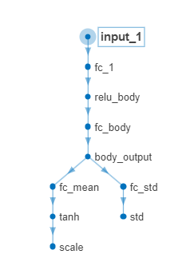
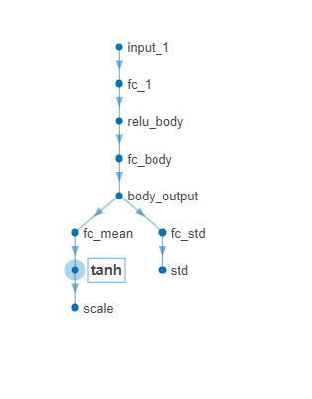
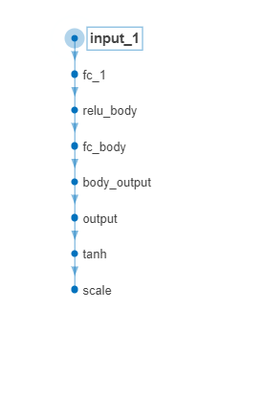
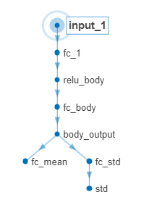
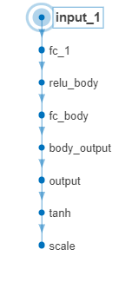

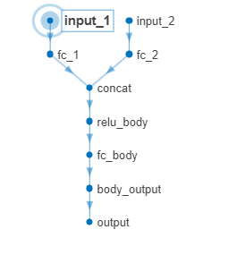
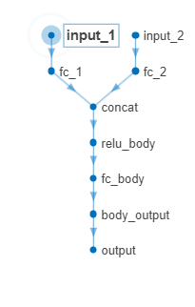
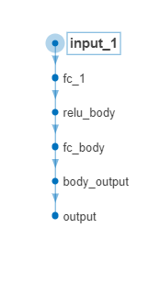
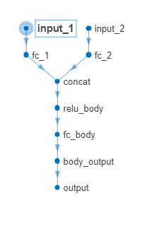

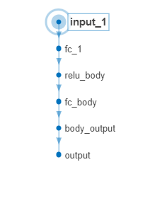

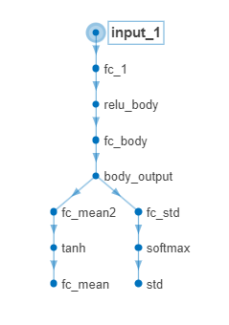

 |  |  | FIXED

