Tabelle1
# feature / data | #1 age | #2 country | #3 drinker | #4 relationship
child | 0 | - | - | -
young_adult | 1 | - | - | -
adult | 2 | - | - | -
old_adult | 3 | - | - | -
germany | - | 0 | - | -
switzerland | - | 1 | - | -
spain | - | 2 | - | -
mexico | - | 3 | - | -
drinking | - | - | 0 | -
sober | - | - | 1 | -
Anmerkung:
- family_x ≙ aus derselben Familie
- friends_x ≙ befreundet
- no_relationship ≙ keine Beziehung zu den anderen Gästen
family_1 | - | - | - | 0
family_2 | - | - | - | 1
friends_1 | - | - | - | 2
friends_2 | - | - | - | 3
friends_3 | - | - | - | 4
friends_4 | - | - | - | 5
no_relationship | - | - | - | None

person / data | Mira | Stefan | Katrin | Jorge | Juan | Liselotte | Manuel | Laura | Blanca | Luís | Robin | Daniel | Michel | Elias | Noah | Sofia | Waldemar | Valeria | Carmen | Diego
#1 age (value) | child (0) | adult (2) | adult (2) | young_adult (1) | young_adult (1) | old_adult (3) | young_adult (1) | young_adult (1) | old_adult (3) | adult (2) | adult (2) | adult (2) | child (0) | child (0) | young_adult (1) | young_adult (1) | old_adult (3) | adult (2) | adult (2) | old_adult (3)
#2 country (value) | germany (0) | germany (0) | germany (0) | mexico (3) | mexico (3) | switzerland (1) | germany (0) | germany (0) | spain (2) | mexico (3) | germany (0) | germany (0) | switzerland (1) | switzerland (1) | switzerland (1) | switzerland (1) | switzerland (1) | spain (2) | spain (2) | spain (2)
#3 drinker (value) | sober (1) | drinking (0) | sober (1) | drinking (0) | drinking (0) | sober (1) | drinking (0) | drinking (0) | drinking (0) | sober (1) | drinking (0) | drinking (0) | sober (1) | sober (1) | drinking (0) | sober (1) | drinking (0) | sober (1) | drinking (0) | drinking (0)
#4 relationship (value) | family_1 (0) | family_1 (0) | family_1 (0) | friends_1 (2) | friends_1 (2) | no_relationship (None) | no_relationship (None) | no_relationship (None) | friends_2 (3) | friends_2 (3) | friends_3 (4) | friends_3 (4) | family_2 (1) | family_2 (1) | family_2 (1) | family_2 (1) | family_2 (1) | friends_4 (5) | friends_4 (5) | no_relationship (None)

Anmerkung:
- values sind auswählbar und passen das zugehörige Attribut automatisch an
person / data | Mira | Stefan | Katrin | Jorge | Juan | Liselotte | Manuel | Laura | Blanca | Luís | Robin | Daniel | Michel | Elias | Noah | Sofia | Waldemar | Valeria | Carmen | Diego
#1 age (value) | 0 | 2 | 2 | 1 | 1 | 3 | 1 | 1 | 3 | 2 | 2 | 2 | 0 | 0 | 1 | 1 | 3 | 2 | 2 | 3
#1 age (text) | child | adult | adult | young_adult | young_adult | old_adult | young_adult | young_adult | old_adult | adult | adult | adult | child | child | young_adult | young_adult | old_adult | adult | adult | old_adult
#2 country (value) | 0 | 0 | 0 | 3 | 3 | 1 | 0 | 0 | 2 | 3 | 0 | 0 | 1 | 1 | 1 | 1 | 1 | 2 | 2 | 2
#2 country (text) | germany | germany | germany | mexico | mexico | switzerland | germany | germany | spain | mexico | germany | germany | switzerland | switzerland | switzerland | switzerland | switzerland | spain | spain | spain
#3 drinker (value) | 1 | 0 | 1 | 0 | 0 | 1 | 0 | 0 | 0 | 1 | 0 | 0 | 1 | 1 | 0 | 1 | 0 | 1 | 0 | 0
#3 drinker (text) | sober | drinking | sober | drinking | drinking | sober | drinking | drinking | drinking | sober | drinking | drinking | sober | sober | drinking | sober | drinking | sober | drinking | drinking
#4 relationship (value) | 0 | 0 | 0 | 1 | 1 | None | None | None | 2 | 2 | 4 | 4 | 1 | 1 | 1 | 1 | 1 | 5 | 5 | None
#4 relationship (text) | family_1 | family_1 | family_1 | family_2 | family_2 | no_relationship | no_relationship | no_relationship | friends_1 | friends_1 | friends_3 | friends_3 | family_2 | family_2 | family_2 | family_2 | family_2 | friends_4 | friends_4 | no_relationship

Anmerkung:
- jede Person soll mit jeder anderen Person verglichen werden
- für den Vergleich wird jedes Attribut mit dem der anderen gegenübergestellt und bewertet; z. B. wird ein Punkt für das jeweilig selbe Land vergeben oder wenn dieselbe Sprache gesprochen wird (Schweiz/DE => deutsch; Mexiko/Spanien => spanisch) usw.
- Beispiel siehe unten
- no_relationship gibt aktuell noch 0 statt 1 Punkt, da nicht umgesetzt
SCORE TABLE
#1 age | child | young_adult | adult | old_adult
child | 1 | 0.5 | 0 | 0
young_adult | 0.5 | 1 | 0.5 | 0
adult | 0 | 0.5 | 1 | 0.5
old_adult | 0 | 0 | 0.5 | 1
#2 country | germany | switzerland | spain | mexico
germany | 1 | 0.5 | 0 | 0
switzerland | 0.5 | 1 | 0 | 0
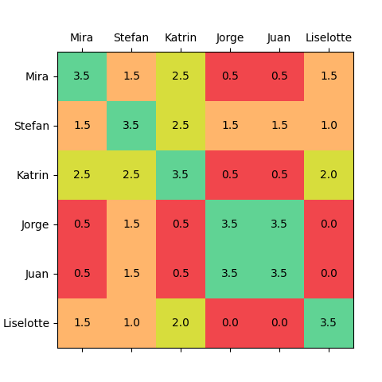
spain | 0 | 0 | 1 | 0.5
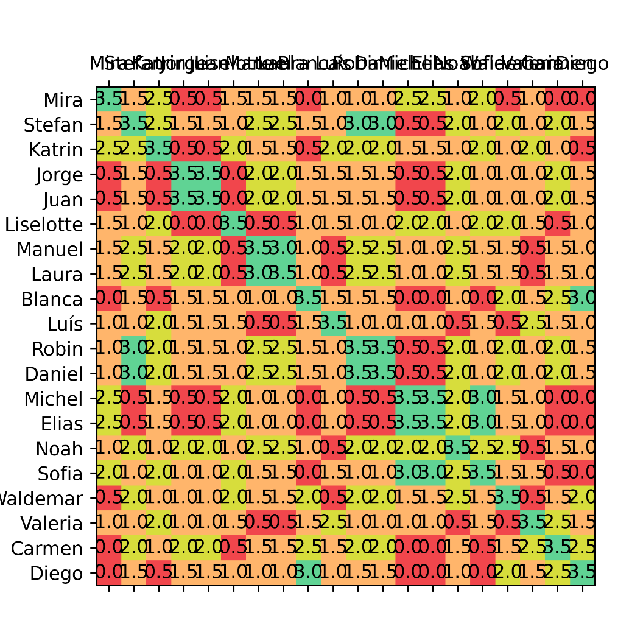
mexico | 0 | 0 | 0.5 | 1
#3 drinker | drinking | sober
drinking | 1 | 0
sober | 0 | 1
#4 relationship | family_1 | friends_1 | friends_2 | no_relationship
family_1 | 0.5 | 0 | 0 | 0
friends_1 | 0 | 0.5 | 0 | 0
friends_2 | 0 | 0 | 0.5 | 0
no_relationship | 0 | 0 | 0 | 0

