Sheet1
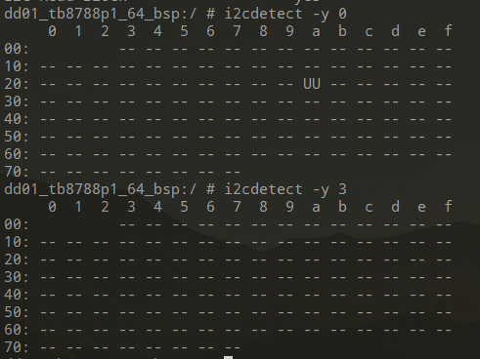
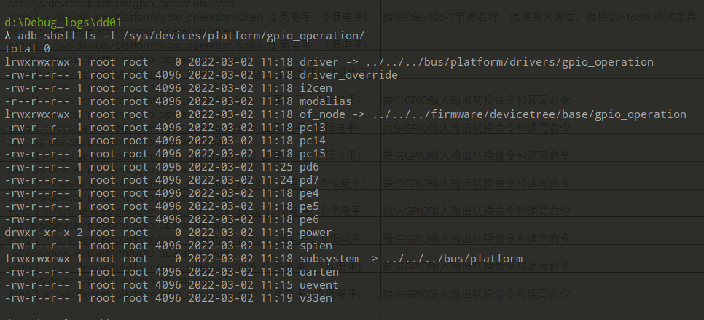
PIN | Name | Linux file node | Command | Notes
PIN37-PIN39 | I2C | /dev/i2c-3 /sys/devices/platform/gpio_operation/ | 读：cat /sys/devices/platform/gpio_operation/i2cen 写：echo 1 > /sys/devices/platform/gpio_operation/i2cen (1:高电平，0:低电平) | i2cset/i2cget/i2cdetect/i2cdump四个工具已经集成到软件，SVB板对应是i2c-3 i2cdetect -y 3
PIN30-PIN33 | SPI | /dev/spidev0.0 /sys/devices/platform/gpio_operation/ | 读：cat /sys/devices/platform/gpio_operation/spien 写：echo 1 > /sys/devices/platform/gpio_operation/spien (1:高电平，0:低电平) | spidev_test -D /dev/spidev0.0 -v -p "1234567890"
PIN25-PIN28 | UART | /sys/devices/platform/gpio_operation/ | 读：cat /sys/devices/platform/gpio_operation/uarten 写：echo 1 > /sys/devices/platform/gpio_operation/uarten (1:高电平，0:低电平) | 串口直接开两个cmd窗口，一个cat /dev/ttyS1 , 另一个 echo "1111" > /dev/ttyS1, 同时tx rx短接
PIN41 | PE4 | /sys/devices/platform/gpio_operation/ | 读：cat /sys/devices/platform/gpio_operation/pe4 写：echo 1 > /sys/devices/platform/gpio_operation/pe4 (1:高电平，0:低电平) | 提供GPIO输入输出切换命令和读写命令
PIN42 | PE5 | /sys/devices/platform/gpio_operation/ | 读：cat /sys/devices/platform/gpio_operation/pe5 写：echo 1 > /sys/devices/platform/gpio_operation/pe5 (1:高电平，0:低电平) | 提供GPIO输入输出切换命令和读写命令
PIN43 | PE6 | /sys/devices/platform/gpio_operation/ | 读：cat /sys/devices/platform/gpio_operation/pe6 写：echo 1 > /sys/devices/platform/gpio_operation/pe6 (1:高电平，0:低电平) | 提供GPIO输入输出切换命令和读写命令
PIN44 | PC13 | /sys/devices/platform/gpio_operation/ | 读：cat /sys/devices/platform/gpio_operation/pc13 写：echo 1 > /sys/devices/platform/gpio_operation/pc13 (1:高电平，0:低电平) | 提供GPIO输入输出切换命令和读写命令
PIN45 | PC14 | /sys/devices/platform/gpio_operation/ | 读：cat /sys/devices/platform/gpio_operation/pc14 写：echo 1 > /sys/devices/platform/gpio_operation/pc14 (1:高电平，0:低电平) | 提供GPIO输入输出切换命令和读写命令
PIN46 | PC15 | /sys/devices/platform/gpio_operation/ | 读：cat /sys/devices/platform/gpio_operation/pc15 写：echo 1 > /sys/devices/platform/gpio_operation/pc15 (1:高电平，0:低电平) | 提供GPIO输入输出切换命令和读写命令
PIN34 | PD6 | /sys/devices/platform/gpio_operation/ | 读：cat /sys/devices/platform/gpio_operation/pd6 写：echo 1 > /sys/devices/platform/gpio_operation/pd6 (1:高电平，0:低电平) | 提供GPIO输入输出切换命令和读写命令
PIN35 | PD7 | /sys/devices/platform/gpio_operation/ | 读：cat /sys/devices/platform/gpio_operation/pd7 写：echo 1 > /sys/devices/platform/gpio_operation/pd7 (1:高电平，0:低电平) | 提供GPIO输入输出切换命令和读写命令

