Sheet1
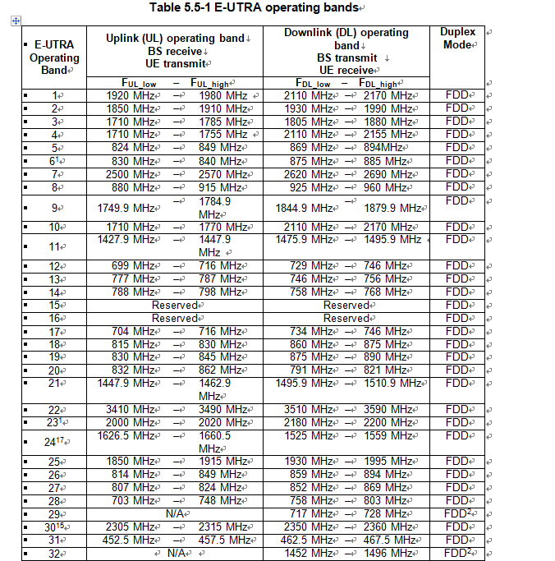
NR Operating Band | Uplink (UL) operating band |  | Downlink (DL) operating band |  | Duplex Mode
 | BS receive |  | BS transmit |  |  | NR Operating Band | ΔFRaster | Uplink | Downlink
 | UE transmit |  | UE receive |  |  | [kHz] | Range of NREF | Range of NREF
 | FUL_low – FUL_high | total BW | FDL_low – FDL_high | total BW |  |  | (First – <Step size> – Last) | (First – <Step size> – Last)
n1 | 1920 MHz-1980 MHz | 60 | 2110 MHz-2170 MHz | 60 | FDD | n1 | 100 kHz | 384000 – <20> – 396000 | 422000 – <20> – 434000
n2 | 1850 MHz-1910 MHz | 60 | 1930 MHz-1990 MHz | 60 | FDD | n2 | 100 kHz | 370000 – <20> – 382000 | 386000 – <20> – 398000
n3 | 1710 Mhz -1785 MHz | 75 | 1805 MHz-1880 MHz | 75 | FDD | n3 | 100 kHz | 342000 – <20> – 357000 | 361000 – <20> – 376000
n5 | 824 -849 MHz | 25 | 869 MHz-894MHz | 25 | FDD | n5 | 100 kHz | 164800 – <20> – 169800 | 173800 – <20> – 178800
n7 | 2500 MHz-2570 MHz | 70 | 2620 MHz-2690 MHz | 70 | FDD | n7 | 15 kHz | 500001 – <3> – 513999 | 524001 – <3> – 537999
n8 | 880 MHz-915 MHz | 35 | 925 MHz-960 MHz | 35 | FDD | n8 | 100 kHz | 176000 – <20> – 183000 | 185000 – <20> – 192000
n20 | 832 MHz-862 MHz | 30 | 791 MHz-821 MHz | 30 | FDD | n20 | 100 kHz | 166400 – <20> – 172400 | 158200 – <20> – 164200
n28 | 703 MHz-748 MHz | 45 | 758 MHz-803 MHz | 45 | FDD | n28 | 100 kHz | 140600 – <20> – 149600 | 151600 – <20> – 160600
n28a | 703 MHz-733 MHz | 45 | 758 MHz-788 MHz |  | FDD | n28a | 100 kHz
n38 | 2570 MHz-2620 MHz | 50 | 2570 MHz-2620 MHz | 50 | TDD | n38 | 15 kHz | 514002 – <3> – 523998 | 514002 – <3> – 523998
n41 | 2496 MHz-2690 MHz | 194 | 2496 MHz-2690 MHz | 194 | TDD | n41 | 15 kHz | 499200 – <3> – 537999 | 499200 – <3> – 537999
部分华为N41 | 2515MHz-2675Mhz
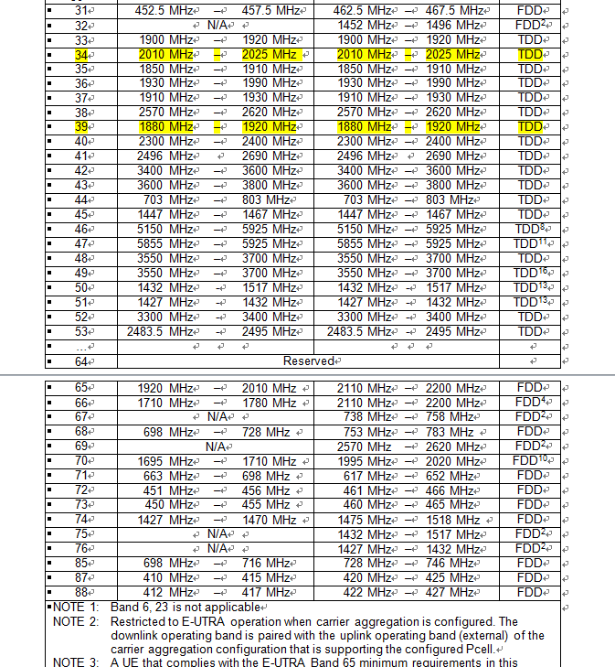
n50 | 1432 MHz-1517 MHz | 85 | 1432 MHz-1517 MHz | 85 | TDD | n50 | 100 kHz | 286400 – <20> – 303400 | 286400 – <20> – 303400
n51 | 1427 MHz-1432 MHz | 5 | 1427 MHz-1432 MHz | 5 | TDD | n51 | 100 kHz | 285400 – <20> – 286400 | 285400 – <20> – 286400
n66 | 1710 MHz-1780 MHz | 70 | 2110 MHz-2200 MHz | 90 | FDD | n66 | 100 kHz | 342000 – <20> – 356000 | 422000 – <20> – 440000
n70 | 1695 MHz-1710 MHz | 15 | 1995 MHz-2020 MHz | 25 | FDD | n70 | 100 kHz | 339000 – <20> – 342000 | 399000 – <20> – 404000
n71 | 663 MHz-698 MHz | 35 | 617 MHz-652 MHz | 35 | FDD | n71 | 100 kHz | 132600 – <20> – 139600 | 123400 – <20> – 130400
n74 | 1427 MHz-1470 MHz | 43 | 1475 MHz-1518 MHz | 43 | FDD | n74 | 100 kHz | 285400 – <20> – 294000 | 295000 – <20> – 303600
n75 | N/A |  | 1432 Mhz -1517 MHz | 85 | SDL | n75 | 100 kHz | N/A | 286400 – <20> – 303400
n76 | N/A |  | 1427 Mhz -1432 MHz | 5 | SDL | n76 | 100 kHz | N/A | 285400 – <20> – 286400
n77 | 3300 MHz- 4200 MHz | 900 | 3300 MHz - 4200 MHz | 900 | TDD | n77 | 15 kHz | 620000 – <1> – 680000 | 620000 – <1> – 680000
n78 | 3300 MHz-3800 MHz | 500 | 3300 MHz - 3800 MHz | 500 | TDD | n78 | 15 kHz | 620000 – <1> – 653333 | 620000 – <1> – 653333
n79 | 4400 MHz-5000 MHz | 600 | 4400 MHz - 5000 MHz | 600 | TDD | n79 | 15 kHz | 693333 – <1> – 733333 | 693333 – <1> – 733333
n80 | 1710 MHz-1785 MHz | 75 | N/A |  | SUL | n80 | 100 kHz | 342000 – <20> – 357000 | N/A
n81 | 880 MHz-915 MHz | 35 | N/A |  | SUL | n81 | 100 kHz | 176000 – <20> – 183000 | N/A
n82 | 832 MHz-862 MHz | 30 | N/A |  | SUL | n82 | 100 kHz | 166400 – <20> – 172400 | N/A
n83 | 703 MHz-748 MHz | 45 | N/A |  | SUL | n83 | 100 kHz | 140600 – <20> –149600 | N/A
n84 | 1920 MHz-1980 MHz | 60 | N/A |  | SUL | n84 | 100 kHz | 384000 – <20> – 396000 | N/A
n257 | 26500 MHz–29500 MHz | 3000 | 26500 MHz–29500 MHz | 3000 | FDD | n257 | 60 kHz | 2054167 – <1> – 2104166 | 2054167 – <1> – 2104166
n258 | 24250 MHz–27500 MHz | 3260 | 24250 MHz–27500 MHz | 3260 | FDD | n258 | 60 kHz | 2016667 – <1> – 2070833 | 2016667 – <1> – 2070833
n260 | 37000 MHz–40000 MHz | 3000 | 37000 MHz–40000 MHz | 3000 | FDD | n260 | 60 kHz | 2229167 – <1> – 2279166 | 2229167 – <1> – 2279166

