LSTM分類
Learning Rate | 0.001 | 0.001 | 0.001 | 0.001 | 0.001
Epochs | 1 | 2 | 3 | 4 | 5
Batch Size | 300 | 300 | 300 | 300 | 300
Accuracy
Train | 0.72 | 0.74 | 0.75 | 0.75 | 0.75
Validation | 0.75 | 0.73 | 0.75 | 0.75 | 0.75
Test | 0.75 | 0.72 | 0.75 | 0.75 | 0.75
AUC
Train | 0.85 | 0.89 | 0.89 | 0.9 | 0.9
Validation | 0.89 | 0.88 | 0.89 | 0.89 | 0.89
Test | 0.79 | 0.74 | 0.77 | 0.77 | 0.78
ROC | 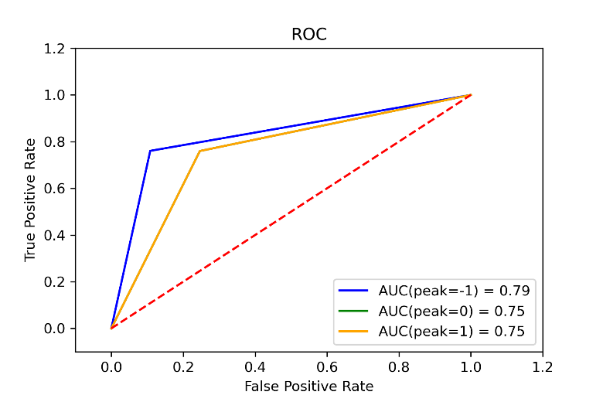 | 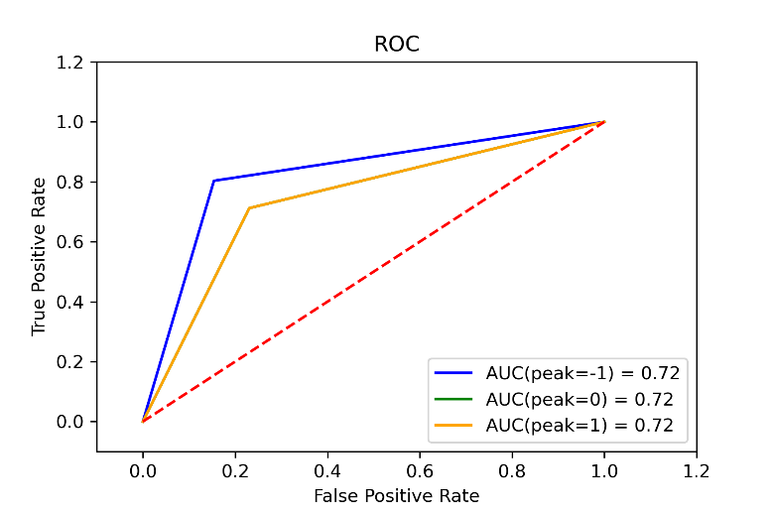 |  |  | 

LSTM回歸
Learnong Rate | 0.1 | 0.01 | 0.001
Epochs | 10 | 10 | 10
Batch Size | 300 | 300 | 300
MSE
Train | 0.0194 | 0.0196 | 0.0196
Validation | 0.0213 | 0.0217 | 0.0213
Test | 0.0194 | 0.0198 | 0.0199
MAE
Train | 0.1065 | 0.1073 | 0.1073
Validation | 0.1126 | 0.1136 | 0.113
Test | 0.1072 | 0.1079 | 0.1085
R^2
Train | 0.6098 | 0.605 | 0.6055
Validation | 0.5002 | 0.4927 | 0.5016
Test | 0.5856 | 0.5776 | 0.5759
 | 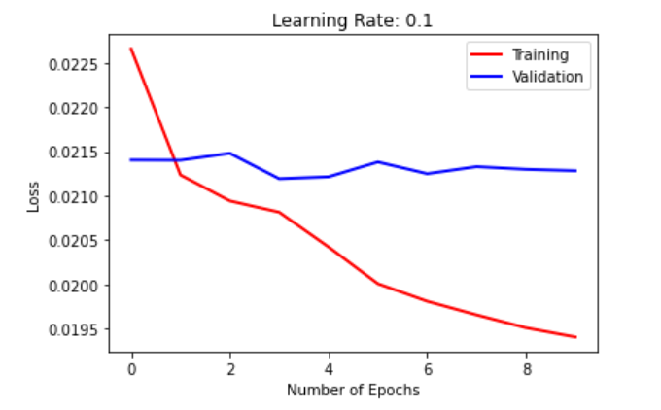 | 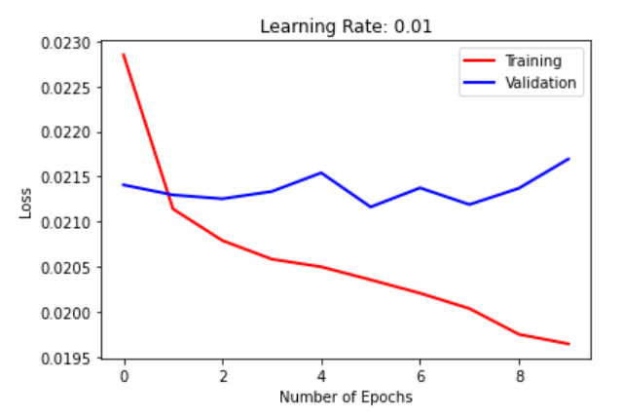 | 