3. Demographics
Opportunity youth data (50 States) |  |  |  |  | Social mobility data (50 States)
 | (Among) All youth | (Among) NEET youth | (Among) Non-NEET youth | (Among) Non-Youth earning more than living wage |  | (Among) All adults | (Among) Adult working full time | (Among) Full time adult earning more than living
SEX (Male) | 51.65% | 51.66% | 51.65% | 53.97% | SEX (Male) | 50.4% | 57.15% | 60.53%
AGE (Average) | 22.86 | 23.37 | 22.79 | 23.78 | AGE (Average) | 35.00 | 35.0 | 35.0
White (non-hispanic) | 55.18% | 46.44% | 56.36% | 63.86% | White (non-hispanic) | 59.6% | 62.49% | 67.96%
Black/African American (non-hispanic) | 10.40% | 17.06% | 9.50% | 7.13% | Black/African American (non-hispanic) | 9.2% | 7.68% | 5.15%
American Indian/Alaska Native (non-hispanic) | 0.89% | 1.97% | 0.74% | 0.54% | American Indian/Alaska Native (non-hispanic) | 0.9% | 0.66% | 0.42%
Asian American/Pacific Islander (non-hispanic) | 6.87% | 4.51% | 7.19% | 7.45% | Asian American/Pacific Islander (non-hispanic) | 7.8% | 8.19% | 10.96%
Hispanic | 21.03% | 24.39% | 20.58% | 15.64% | Hispanic | 17.5% | 16.22% | 10.85%
Other races (non-hispanic) | 5.62% | 5.63% | 5.62% | 5.38% | Other races (non-hispanic) | 4.9% | 4.77% | 4.66%
English speaking less than "well" | 1.78% | 3.66% | 1.52% | 0.99% | English speaking less than "well" | 3.6% | 2.56% | 0.75%
High school degree (including alternatives like GED) | 92.76% | 77.31% | 94.84% | 96.72% | High school degree (including alternatives like GED) | 91.35% | 94.91% | 98.41%
High school degree without four years college degree | 70.51% | 68.86% | 70.73% | 55.60% | High school degree without four years college degree | 48.76% | 44.24% | 27.37%
Four years college degree | 22.24% | 8.44% | 24.11% | 41.12% | Four years college degree | 42.58% | 50.67% | 71.03%
Median hourly wage ($) (not adjusted, because national score) | 12.50 | Not applicable | 12.50 | 27.40 | Adults working full-time | 61.5% | 100% | 100%
Connected youth who earn more than state living wage | 31.71% | Not applicable | 31.71% | 100% | Median hourly wage (not adjusted, because national score) | 19.23 | 25.0 | 38.5
Disconnected youth | 11.89% |  | 0.00% | 0% | Full time adults who earn more than living wage | 48.32% | 48.32% | 100%
Youth with disabiilities | 8.35% | 22.81% | 6.40% | 4.98% | Adults with disabilities | 8.2% | 3.85% | 2.73%
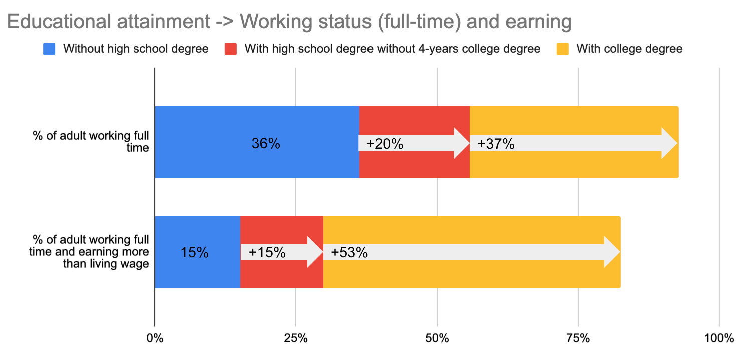
Age: 19~27 | Among youth without high school degree | Among youth with high school degree without four years college degree | Among youth with college degree |  | Age: 34~36 | Among adults without high school degree | Among adult with high school degree without four years college degree | Among adult with college degree | -> Example of visualizatoin
% of NEET youth | 37.26% | 11.62% | 4.51% |  | % of adult working full time | 36.16% | 55.82% | 73.21%
% of Non-NEET youth | 62.74% | 88.28% | 95.49% |  | % of adult working full time and earning more than living wage | 15.12% | 29.90% | 67.75%
% of Non-NEET youth earning more than living wage | 20.15% | 24.93% | 54.09%
 |  |  | * careful to interprete because the sample is 19-27 years old

Additional table for "adjusted" wage (only for the report appendix to give more information, is not used to create CR score ) => | Median of adjusted hourly wage of Non-NEET youth (%) (Note: 60% means youths usually earn 60% of state living wage, it is percentage to adjust = to compare with the state living wage) | Median of adjusted hourly wage of all adults ($)
 | 69% | 67%
 | 83% | 77%
 | 73% | 72%
 | 76% | 58%
 | 59% | 71%
 | 74% | 83%
 | 77% | 91%
 | 69% | 83%
 | 65% | 68%
 | 65% | 73%
 | 55% | 65%
 | 77% | 70%
 | 71% | 80%
 | 87% | 80%
 | 86% | 82%
 | 77% | 79%
 | 78% | 69%
 | 63% | 63%
 | 86% | 78%
 | 66% | 87%
 | 72% | 88%
 | 83% | 67%
 | 88% | 88%
 | 61% | 64%
 | 76% | 78%
 | 76% | 68%
 | 79% | 81%
 | 75% | 72%
 | 84% | 85% |  |  | *Ignore this table and below graph (but please keep this for now) and check the graph of above
 | 71% | 90% |  |  |  | Without high school degree | With high school degree without 4-years college degree | With college degree
 | 63% | 68% |  |  | % of adult working full time | 36% | 20% | 37%
 | 63% | 77% |  |  | % of adult working full time and earning more than living wage | 15% | 15% | 53%
Educational attainment -> Working status (full-time) and earning
 | 69% | 72%
 | 94% | 79%
 | 85% | 78%
 | 70% | 60%
 | 68% | 79%
 | 81% | 82%
 | 82% | 85%
 | 68% | 78%
 | 88% | 82%
 | 74% | 74%
 | 67% | 72%
 | 74% | 80%
 | 82% | 78%
 | 66% | 81%
 | 76% | 87%
 | 71% | 59%
 | 90% | 79%
 | 73% | 76%

