初期確認
 | PHPインストール

x | toyohide@toyohidenoMacBook-Pro ~ % brew -v
 | Homebrew 3.5.4
 | Homebrew/homebrew-core (git revision ade661c86f5; last commit 2022-07-12)

x | toyohide@toyohidenoMacBook-Pro ~ % brew install php

x | toyohide@toyohidenoMacBook-Pro ~ % php -v
 | PHP 8.1.8 (cli) (built: Jul 8 2022 10:46:35) (NTS)
 | Copyright (c) The PHP Group
 | Zend Engine v4.1.8, Copyright (c) Zend Technologies
 | with Zend OPcache v8.1.8, Copyright (c), by Zend Technologies

 | コンポーザーインストール

x | toyohide@toyohidenoMacBook-Pro ~ % brew install composer

x | toyohide@toyohidenoMacBook-Pro ~ % composer -v
 | ______
 | / ____/___ ____ ___ ____ ____ ________ _____
 | / / / __ \/ __ `__ \/ __ \/ __ \/ ___/ _ \/ ___/
 | / /___/ /_/ / / / / / / /_/ / /_/ (__ ) __/ /
 | \____/\____/_/ /_/ /_/ .___/\____/____/\___/_/
 | /_/
 | Composer version 2.3.10 2022-07-13 15:48:23

 | laravelインストール

x | toyohide@toyohidenoMacBook-Pro ~ % cd Desktop/hideyuki/laravel/001

x | toyohide@toyohidenoMacBook-Pro 001 % composer create-project --prefer-dist laravel/laravel laratest

x | toyohide@toyohidenoMacBook-Pro 001 % cd laratest

x | toyohide@toyohidenoMacBook-Pro laratest % php artisan --version
 | Laravel Framework 9.20.0

 | laravel起動確認

x | toyohide@toyohidenoMacBook-Pro laratest % chmod 777 bootstrap/cache
x | toyohide@toyohidenoMacBook-Pro laratest % chmod 777 storage/framework/cache
x | toyohide@toyohidenoMacBook-Pro laratest % chmod 777 storage/framework/sessions
x | toyohide@toyohidenoMacBook-Pro laratest % chmod 777 storage/framework/views
x | toyohide@toyohidenoMacBook-Pro laratest % chmod 777 storage/logs

x | toyohide@toyohidenoMacBook-Pro laratest % php artisan make:controller HelloController
 | Controller created successfully.

x | toyohide@toyohidenoMacBook-Pro laratest % cat app/Http/Controllers/HelloController.php
 | <?php

 | namespace App\Http\Controllers;

 | use Illuminate\Http\Request;

 | class HelloController extends Controller
 | {

 | public function hello(){
 | echo "hello";
 | }

 | }

x | toyohide@toyohidenoMacBook-Pro laratest % cat routes/web.php
 | <?php

 | use Illuminate\Support\Facades\Route;

 | use App\Http\Controllers\HelloController;

 | Route::get('/', function () {
 | return view('welcome');
 | });

 | Route::get('/hello',[HelloController::class, 'hello']);

x | toyohide@toyohidenoMacBook-Pro laratest % php artisan route:list |  | macだとこんな見え方なんだね

 | GET|HEAD / ......................................................................................................................
 | POST _ignition/execute-solution ............... ignition.executeSolution › Spatie\LaravelIgnition › ExecuteSolutionController
 | GET|HEAD _ignition/health-check ........................... ignition.healthCheck › Spatie\LaravelIgnition › HealthCheckController
 | POST _ignition/update-config ........................ ignition.updateConfig › Spatie\LaravelIgnition › UpdateConfigController
 | GET|HEAD api/user ...............................................................................................................
 | GET|HEAD hello ............................................................................................ HelloController@hello
 | GET|HEAD sanctum/csrf-cookie ........................................................ Laravel\Sanctum › CsrfCookieController@show

 | Showing [7] routes

x | toyohide@toyohidenoMacBook-Pro laratest % php artisan serve
 | Starting Laravel development server: http://127.0.0.1:8000
 | [Thu Jul 14 16:13:45 2022] PHP 8.1.8 Development Server (http://127.0.0.1:8000) started

x | http://127.0.0.1:8000/hello

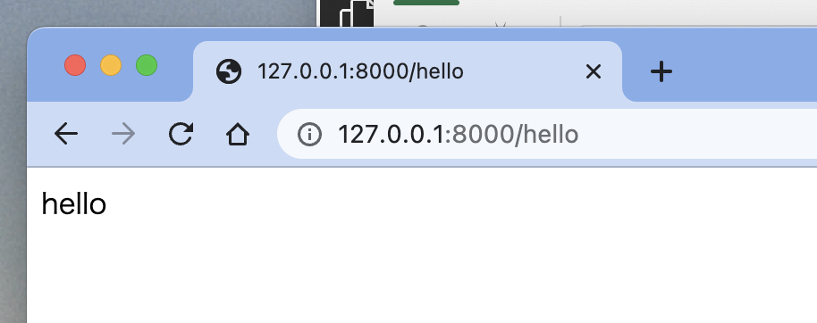

 | mysqlインストール

x | toyohide@toyohidenoMacBook-Pro ~ % brew install mysql

x | toyohide@toyohidenoMacBook-Pro ~ % brew info mysql
 | mysql: stable 8.0.29 (bottled)
 | Open source relational database management system

 |  | 起動コマンド
x | toyohide@toyohidenoMacBook-Pro ~ % mysql.server start
 | Starting MySQL
 | . SUCCESS!

 |  | ログイン
x | toyohide@toyohidenoMacBook-Pro ~ % mysql -uroot
 | Welcome to the MySQL monitor. Commands end with ; or \g.
 | Your MySQL connection id is 8
 | Server version: 8.0.29 Homebrew

 | Copyright (c) 2000, 2022, Oracle and/or its affiliates.

 | Oracle is a registered trademark of Oracle Corporation and/or its
 | affiliates. Other names may be trademarks of their respective
 | owners.

 | Type 'help;' or '\h' for help. Type '\c' to clear the current input statement.

 | mysql>

 |  | 停止コマンド
x | toyohide@toyohidenoMacBook-Pro ~ % mysql.server stop
 | Shutting down MySQL
 | . SUCCESS!

 | mysqlセキュリティ設定

x | toyohide@toyohidenoMacBook-Pro ~ % mysql.server start
 | Starting MySQL
 | . SUCCESS!

x | toyohide@toyohidenoMacBook-Pro ~ % mysql_secure_installation

 | Securing the MySQL server deployment.

 | Connecting to MySQL using a blank password.

 | VALIDATE PASSWORD COMPONENT can be used to test passwords
 | and improve security. It checks the strength of password
 | and allows the users to set only those passwords which are
 | secure enough. Would you like to setup VALIDATE PASSWORD component?

 | Press y|Y for Yes, any other key for No: yes

 | There are three levels of password validation policy:

 | LOW Length >= 8
 | MEDIUM Length >= 8, numeric, mixed case, and special characters
 | STRONG Length >= 8, numeric, mixed case, special characters and dictionary file

 | Please enter 0 = LOW, 1 = MEDIUM and 2 = STRONG: 0
 | Please set the password for root here.

 | New password:

 | Re-enter new password:

 | Estimated strength of the password: 100
 | Do you wish to continue with the password provided?(Press y|Y for Yes, any other key for No) : yes
 | By default, a MySQL installation has an anonymous user,
 | allowing anyone to log into MySQL without having to have
 | a user account created for them. This is intended only for
 | testing, and to make the installation go a bit smoother.
 | You should remove them before moving into a production
 | environment.

 | Remove anonymous users? (Press y|Y for Yes, any other key for No) : no

 | ... skipping.

 | Normally, root should only be allowed to connect from
 | 'localhost'. This ensures that someone cannot guess at
 | the root password from the network.

 | Disallow root login remotely? (Press y|Y for Yes, any other key for No) : no

 | ... skipping.
 | By default, MySQL comes with a database named 'test' that
 | anyone can access. This is also intended only for testing,
 | and should be removed before moving into a production
 | environment.

 | Remove test database and access to it? (Press y|Y for Yes, any other key for No) : no

 | ... skipping.
 | Reloading the privilege tables will ensure that all changes
 | made so far will take effect immediately.

 | Reload privilege tables now? (Press y|Y for Yes, any other key for No) : no

 | ... skipping.
 | All done!

 |  | 設定したパスワードでのログイン確認
x | toyohide@toyohidenoMacBook-Pro ~ % mysql -u root -p
 | Enter password:
 | Welcome to the MySQL monitor. Commands end with ; or \g.
 | Your MySQL connection id is 10
 | Server version: 8.0.29 Homebrew

 | Copyright (c) 2000, 2022, Oracle and/or its affiliates.

 | Oracle is a registered trademark of Oracle Corporation and/or its
 | affiliates. Other names may be trademarks of their respective
 | owners.

 | Type 'help;' or '\h' for help. Type '\c' to clear the current input statement.

 | mysql> exit
 | Bye

 | データベース作成

 | toyohide@toyohidenoMacBook-Pro ~ % mysql -u root -p
 | Enter password:
 | Welcome to the MySQL monitor. Commands end with ; or \g.
 | Your MySQL connection id is 11
 | Server version: 8.0.29 Homebrew

 | Copyright (c) 2000, 2022, Oracle and/or its affiliates.

 | Oracle is a registered trademark of Oracle Corporation and/or its
 | affiliates. Other names may be trademarks of their respective
 | owners.

 | Type 'help;' or '\h' for help. Type '\c' to clear the current input statement.

 | mysql> create user 'laraveluser'@'localhost' identified by 'hidechy4819';
 | Query OK, 0 rows affected (0.01 sec)

 | mysql> create database laratest default character set utf8 collate utf8_general_ci;
 | Query OK, 1 row affected, 2 warnings (0.01 sec)

 | mysql> grant all on laratest.* to 'laraveluser'@'localhost' with grant option;
 | Query OK, 0 rows affected (0.01 sec)

 | mysql> show databases;
 | +--------------------+
 | | Database |
 | +--------------------+
 | | information_schema |
 | | laratest |
 | | mysql |
 | | performance_schema |
 | | sys |
 | +--------------------+
 | 5 rows in set (0.00 sec)

 | mysql>
 | mysql> exit
 | Bye

 | .envの編集

x | toyohide@toyohidenoMacBook-Pro laratest % pwd
 | /Users/toyohide/Desktop/hideyuki/laravel/001/laratest

 | toyohide@toyohidenoMacBook-Pro laratest % cat .env
 | APP_NAME=laratest
 | APP_ENV=local
 | APP_KEY=base64:zH8srePehnIm3Cq5h4SFm4pWPi+sm1paPFn64LeOnBU=
 | APP_DEBUG=true
 | APP_URL=http://localhost

 | LOG_CHANNEL=stack
 | LOG_DEPRECATIONS_CHANNEL=null
 | LOG_LEVEL=debug

 | DB_CONNECTION=mysql
 | DB_HOST=127.0.0.1
 | DB_PORT=3306
 | DB_DATABASE=laratest
 | DB_USERNAME=laraveluser
 | DB_PASSWORD=hidechy4819

 | BROADCAST_DRIVER=log
 | CACHE_DRIVER=file
 | FILESYSTEM_DISK=local
 | QUEUE_CONNECTION=sync
 | SESSION_DRIVER=file
 | SESSION_LIFETIME=120

 | MEMCACHED_HOST=127.0.0.1

 | REDIS_HOST=127.0.0.1
 | REDIS_PASSWORD=null
 | REDIS_PORT=6379

 | MAIL_MAILER=smtp
 | MAIL_HOST=mailhog
 | MAIL_PORT=1025
 | MAIL_USERNAME=null
 | MAIL_PASSWORD=null
 | MAIL_ENCRYPTION=null
 | MAIL_FROM_ADDRESS="hello@example.com"
 | MAIL_FROM_NAME="${APP_NAME}"

 | AWS_ACCESS_KEY_ID=
 | AWS_SECRET_ACCESS_KEY=
 | AWS_DEFAULT_REGION=us-east-1
 | AWS_BUCKET=
 | AWS_USE_PATH_STYLE_ENDPOINT=false

 | PUSHER_APP_ID=
 | PUSHER_APP_KEY=
 | PUSHER_APP_SECRET=
 | PUSHER_HOST=
 | PUSHER_PORT=443
 | PUSHER_SCHEME=https
 | PUSHER_APP_CLUSTER=mt1

 | VITE_PUSHER_APP_KEY="${PUSHER_APP_KEY}"
 | VITE_PUSHER_HOST="${PUSHER_HOST}"
 | VITE_PUSHER_PORT="${PUSHER_PORT}"
 | VITE_PUSHER_SCHEME="${PUSHER_SCHEME}"
 | VITE_PUSHER_APP_CLUSTER="${PUSHER_APP_CLUSTER}"

 | コンフィグファイル変更

 | toyohide@toyohidenoMacBook-Pro laratest % cat config/app.php
 | <?php

 | use Illuminate\Support\Facades\Facade;

 | return [

 | /*
 | |--------------------------------------------------------------------------
 | | Application Name
 | |--------------------------------------------------------------------------
 | |
 | | This value is the name of your application. This value is used when the
 | | framework needs to place the application's name in a notification or
 | | any other location as required by the application or its packages.
 | |
 | */

 | 'name' => env('APP_NAME', 'laratest'),

 | /*
 | |--------------------------------------------------------------------------
 | | Application Environment
 | |--------------------------------------------------------------------------
 | |
 | | This value determines the "environment" your application is currently
 | | running in. This may determine how you prefer to configure various
 | | services the application utilizes. Set this in your ".env" file.
 | |
 | */

 | 'env' => env('APP_ENV', 'production'),

 | /*
 | |--------------------------------------------------------------------------
 | | Application Debug Mode
 | |--------------------------------------------------------------------------
 | |
 | | When your application is in debug mode, detailed error messages with
 | | stack traces will be shown on every error that occurs within your
 | | application. If disabled, a simple generic error page is shown.
 | |
 | */

 | 'debug' => (bool) env('APP_DEBUG', false),

 | /*
 | |--------------------------------------------------------------------------
 | | Application URL
 | |--------------------------------------------------------------------------
 | |
 | | This URL is used by the console to properly generate URLs when using
 | | the Artisan command line tool. You should set this to the root of
 | | your application so that it is used when running Artisan tasks.
 | |
 | */

 | 'url' => env('APP_URL', 'http://localhost'),

 | 'asset_url' => env('ASSET_URL'),

 | /*
 | |--------------------------------------------------------------------------
 | | Application Timezone
 | |--------------------------------------------------------------------------
 | |
 | | Here you may specify the default timezone for your application, which
 | | will be used by the PHP date and date-time functions. We have gone
 | | ahead and set this to a sensible default for you out of the box.
 | |
 | */

 | 'timezone' => 'Asia/Tokyo',

 | /*
 | |--------------------------------------------------------------------------
 | | Application Locale Configuration
 | |--------------------------------------------------------------------------
 | |
 | | The application locale determines the default locale that will be used
 | | by the translation service provider. You are free to set this value
 | | to any of the locales which will be supported by the application.
 | |
 | */

 | 'locale' => 'ja',

 | /*
 | |--------------------------------------------------------------------------
 | | Application Fallback Locale
 | |--------------------------------------------------------------------------
 | |
 | | The fallback locale determines the locale to use when the current one
 | | is not available. You may change the value to correspond to any of
 | | the language folders that are provided through your application.
 | |
 | */

 | 'fallback_locale' => 'en',

 | /*
 | |--------------------------------------------------------------------------
 | | Faker Locale
 | |--------------------------------------------------------------------------
 | |
 | | This locale will be used by the Faker PHP library when generating fake
 | | data for your database seeds. For example, this will be used to get
 | | localized telephone numbers, street address information and more.
 | |
 | */

 | 'faker_locale' => 'en_US',

 | /*
 | |--------------------------------------------------------------------------
 | | Encryption Key
 | |--------------------------------------------------------------------------
 | |
 | | This key is used by the Illuminate encrypter service and should be set
 | | to a random, 32 character string, otherwise these encrypted strings
 | | will not be safe. Please do this before deploying an application!
 | |
 | */

 | 'key' => env('APP_KEY'),

 | 'cipher' => 'AES-256-CBC',

 | /*
 | |--------------------------------------------------------------------------
 | | Maintenance Mode Driver
 | |--------------------------------------------------------------------------
 | |
 | | These configuration options determine the driver used to determine and
 | | manage Laravel's "maintenance mode" status. The "cache" driver will
 | | allow maintenance mode to be controlled across multiple machines.
 | |
 | | Supported drivers: "file", "cache"
 | |
 | */

 | 'maintenance' => [
 | 'driver' => 'file',
 | // 'store' => 'redis',
 | ],

 | /*
 | |--------------------------------------------------------------------------
 | | Autoloaded Service Providers
 | |--------------------------------------------------------------------------
 | |
 | | The service providers listed here will be automatically loaded on the
 | | request to your application. Feel free to add your own services to
 | | this array to grant expanded functionality to your applications.
 | |
 | */

 | 'providers' => [

 | /*
 | * Laravel Framework Service Providers...
 | */
 | Illuminate\Auth\AuthServiceProvider::class,
 | Illuminate\Broadcasting\BroadcastServiceProvider::class,
 | Illuminate\Bus\BusServiceProvider::class,
 | Illuminate\Cache\CacheServiceProvider::class,
 | Illuminate\Foundation\Providers\ConsoleSupportServiceProvider::class,
 | Illuminate\Cookie\CookieServiceProvider::class,
 | Illuminate\Database\DatabaseServiceProvider::class,
 | Illuminate\Encryption\EncryptionServiceProvider::class,
 | Illuminate\Filesystem\FilesystemServiceProvider::class,
 | Illuminate\Foundation\Providers\FoundationServiceProvider::class,
 | Illuminate\Hashing\HashServiceProvider::class,
 | Illuminate\Mail\MailServiceProvider::class,
 | Illuminate\Notifications\NotificationServiceProvider::class,
 | Illuminate\Pagination\PaginationServiceProvider::class,
 | Illuminate\Pipeline\PipelineServiceProvider::class,
 | Illuminate\Queue\QueueServiceProvider::class,
 | Illuminate\Redis\RedisServiceProvider::class,
 | Illuminate\Auth\Passwords\PasswordResetServiceProvider::class,
 | Illuminate\Session\SessionServiceProvider::class,
 | Illuminate\Translation\TranslationServiceProvider::class,
 | Illuminate\Validation\ValidationServiceProvider::class,
 | Illuminate\View\ViewServiceProvider::class,

 | /*
 | * Package Service Providers...
 | */

 | /*
 | * Application Service Providers...
 | */
 | App\Providers\AppServiceProvider::class,
 | App\Providers\AuthServiceProvider::class,
 | // App\Providers\BroadcastServiceProvider::class,
 | App\Providers\EventServiceProvider::class,
 | App\Providers\RouteServiceProvider::class,

 | ],

 | /*
 | |--------------------------------------------------------------------------
 | | Class Aliases
 | |--------------------------------------------------------------------------
 | |
 | | This array of class aliases will be registered when this application
 | | is started. However, feel free to register as many as you wish as
 | | the aliases are "lazy" loaded so they don't hinder performance.
 | |
 | */

 | 'aliases' => Facade::defaultAliases()->merge([
 | // 'ExampleClass' => App\Example\ExampleClass::class,
 | ])->toArray(),

 | ];

 | マイグレーション実行

 | toyohide@toyohidenoMacBook-Pro laratest % php artisan migrate
 | Migration table created successfully.
 | Migrating: 2014_10_12_000000_create_users_table
 | Migrated: 2014_10_12_000000_create_users_table (5.07ms)
 | Migrating: 2014_10_12_100000_create_password_resets_table
 | Migrated: 2014_10_12_100000_create_password_resets_table (4.04ms)
 | Migrating: 2019_08_19_000000_create_failed_jobs_table
 | Migrated: 2019_08_19_000000_create_failed_jobs_table (4.03ms)
 | Migrating: 2019_12_14_000001_create_personal_access_tokens_table
 | Migrated: 2019_12_14_000001_create_personal_access_tokens_table (6.63ms)

 | mysql> show databases;
 | +--------------------+
 | | Database |
 | +--------------------+
 | | information_schema |
 | | laratest |
 | | mysql |
 | | performance_schema |
 | | sys |
 | +--------------------+
 | 5 rows in set (0.00 sec)

 | mysql> use laratest;
 | Reading table information for completion of table and column names
 | You can turn off this feature to get a quicker startup with -A

 | Database changed

 | mysql> show tables;
 | +------------------------+
 | | Tables_in_laratest |
 | +------------------------+
 | | failed_jobs |
 | | migrations |
 | | password_resets |
 | | personal_access_tokens |
 | | users |
 | +------------------------+
 | 5 rows in set (0.00 sec)

GraphQL
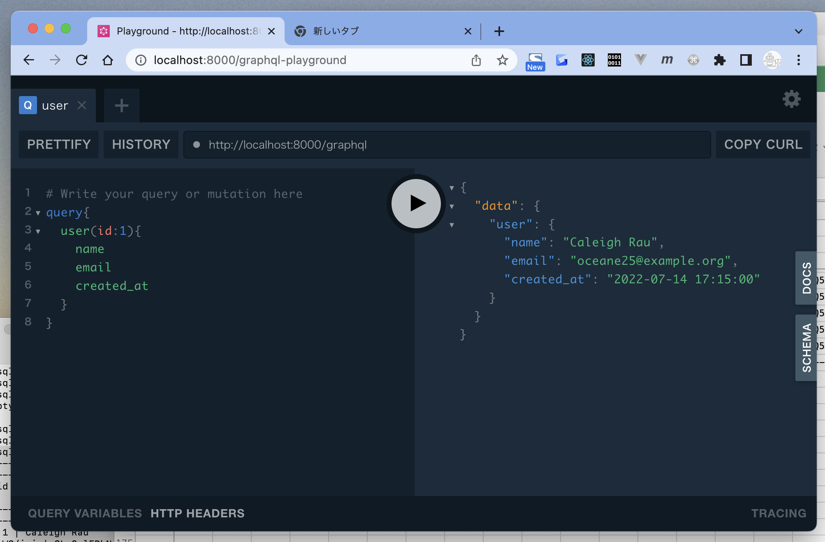
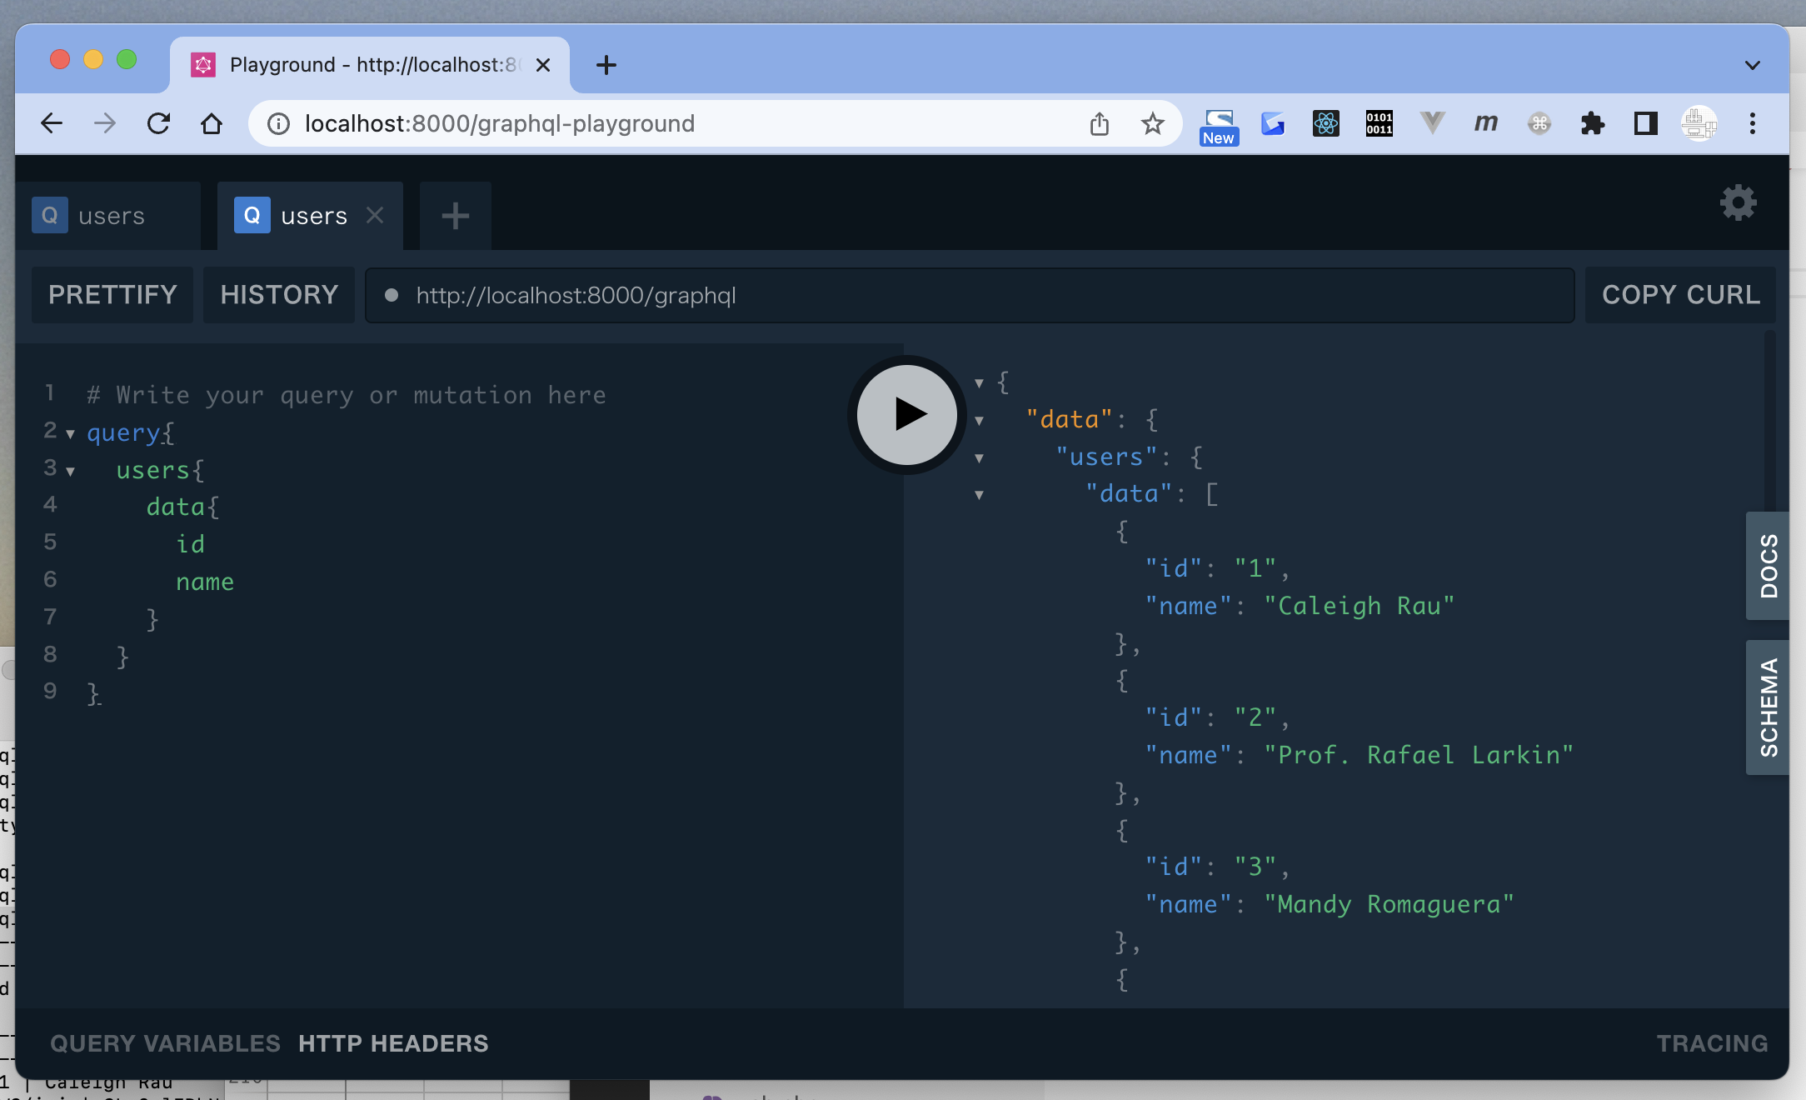
 | LaravelでGraphQLを使い倒してみた
 | https://qiita.com/TsukasaGR/items/1a8b0020e5e83e7a46c7

x | toyohide@toyohidenoMacBook-Pro laratest % composer require nuwave/lighthouse

x | toyohide@toyohidenoMacBook-Pro laratest % php artisan vendor:publish --provider="Nuwave\Lighthouse\Providers\LighthouseServiceProvider" --tag=schema
 | No publishable resources for tag [schema].
 | Publishing complete.

x | toyohide@toyohidenoMacBook-Pro laratest % php artisan vendor:publish --tag=lighthouse-schema
 | Copied File [/vendor/nuwave/lighthouse/src/default-schema.graphql] To [/graphql/schema.graphql]
 | Publishing complete.

 |  | おそらく2つ目のコマンドでできたものだと思われる
 | toyohide@toyohidenoMacBook-Pro laratest % cat graphql/schema.graphql
 | "A datetime string with format `Y-m-d H:i:s`, e.g. `2018-05-23 13:43:32`."
 | scalar DateTime @scalar(class: "Nuwave\\Lighthouse\\Schema\\Types\\Scalars\\DateTime")

 | "Indicates what fields are available at the top level of a query operation."
 | type Query {
 | "Find a single user by an identifying attribute."
 | user(
 | "Search by primary key."
 | id: ID @eq @rules(apply: ["prohibits:email", "required_without:email"])

 | "Search by email address."
 | email: String @eq @rules(apply: ["prohibits:id", "required_without:id", "email"])
 | ): User @find

 | "List multiple users."
 | users(
 | "Filters by name. Accepts SQL LIKE wildcards `%` and `_`."
 | name: String @where(operator: "like")
 | ): [User!]! @paginate(defaultCount: 10)
 | }

 | "Account of a person who utilizes this application."
 | type User {
 | "Unique primary key."
 | id: ID!

 | "Non-unique name."
 | name: String!

 | "Unique email address."
 | email: String!

 | "When the email was verified."
 | email_verified_at: DateTime

 | "When the account was created."
 | created_at: DateTime!

 | "When the account was last updated."
 | updated_at: DateTime!
 | }

x | toyohide@toyohidenoMacBook-Pro laratest % composer require mll-lab/laravel-graphql-playground

 | toyohide@toyohidenoMacBook-Pro laratest % php artisan vendor:publish --provider="MLL\GraphQLPlayground\GraphQLPlaygroundServiceProvider"
 | Copied File [/vendor/mll-lab/laravel-graphql-playground/src/graphql-playground.php] To [/config/graphql-playground.php]
 | Copied Directory [/vendor/mll-lab/laravel-graphql-playground/views] To [/resources/views/vendor/graphql-playground]
 | Publishing complete.

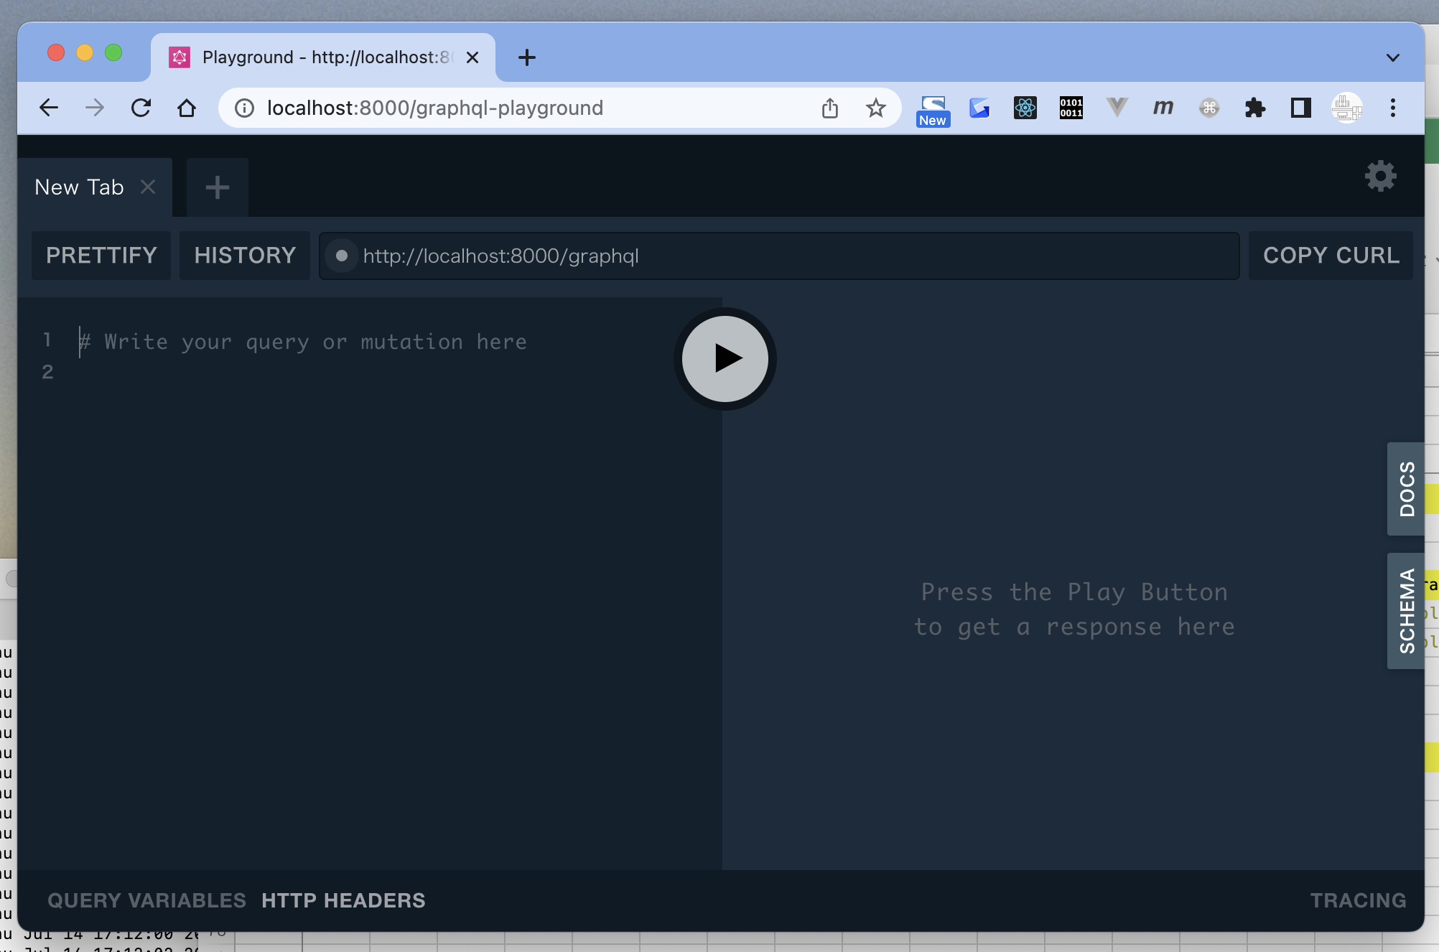

 | http://localhost:8000/graphql-playground

x | toyohide@toyohidenoMacBook-Pro laratest % cat database/seeders/DatabaseSeeder.php
 | <?php

 | namespace Database\Seeders;

 | use Illuminate\Database\Console\Seeds\WithoutModelEvents;
 | use Illuminate\Database\Seeder;

 | class DatabaseSeeder extends Seeder
 | {
 | /**
 | * Seed the application's database.
 | *
 | * @return void
 | */
 | public function run()
 | {
 | \App\Models\User::factory(10)->create();

 | // \App\Models\User::factory()->create([
 | // 'name' => 'Test User',
 | // 'email' => 'test@example.com',
 | // ]);
 | }
 | }

x | toyohide@toyohidenoMacBook-Pro laratest % php artisan db:seed
 | Database seeding completed successfully.

 | mysql> select * from users;
 | +----+---------------------------+--------------------------+---------------------+--------------------------------------------------------------+----------------+---------------------+---------------------+
 | | id | name | email | email_verified_at | password | remember_token | created_at | updated_at |
 | +----+---------------------------+--------------------------+---------------------+--------------------------------------------------------------+----------------+---------------------+---------------------+
 | | 1 | Caleigh Rau | oceane25@example.org | 2022-07-14 17:15:00 | $2y$10$92IXUNpkjO0rOQ5byMi.Ye4oKoEa3Ro9llC/.og/at2.uheWG/igi | CLc3ulEDbN | 2022-07-14 17:15:00 | 2022-07-14 17:15:00 |
 | | 2 | Prof. Rafael Larkin | grady.xavier@example.com | 2022-07-14 17:15:00 | $2y$10$92IXUNpkjO0rOQ5byMi.Ye4oKoEa3Ro9llC/.og/at2.uheWG/igi | WYBAz01KH2 | 2022-07-14 17:15:00 | 2022-07-14 17:15:00 |
 | | 3 | Mandy Romaguera | dzemlak@example.com | 2022-07-14 17:15:00 | $2y$10$92IXUNpkjO0rOQ5byMi.Ye4oKoEa3Ro9llC/.og/at2.uheWG/igi | Kmh1CR9ZuL | 2022-07-14 17:15:00 | 2022-07-14 17:15:00 |
 | | 4 | Lucienne Sanford | rau.keshawn@example.org | 2022-07-14 17:15:00 | $2y$10$92IXUNpkjO0rOQ5byMi.Ye4oKoEa3Ro9llC/.og/at2.uheWG/igi | GAeKtUHm2T | 2022-07-14 17:15:00 | 2022-07-14 17:15:00 |
 | | 5 | Richard Douglas | evert45@example.net | 2022-07-14 17:15:00 | $2y$10$92IXUNpkjO0rOQ5byMi.Ye4oKoEa3Ro9llC/.og/at2.uheWG/igi | hP1WXZ73Uy | 2022-07-14 17:15:00 | 2022-07-14 17:15:00 |
 | | 6 | Prof. Braulio Aufderhar V | hanna61@example.org | 2022-07-14 17:15:00 | $2y$10$92IXUNpkjO0rOQ5byMi.Ye4oKoEa3Ro9llC/.og/at2.uheWG/igi | kdDaeXUGkL | 2022-07-14 17:15:00 | 2022-07-14 17:15:00 |
 | | 7 | Alana Bednar | clarabelle95@example.org | 2022-07-14 17:15:00 | $2y$10$92IXUNpkjO0rOQ5byMi.Ye4oKoEa3Ro9llC/.og/at2.uheWG/igi | UfMYNolUg2 | 2022-07-14 17:15:00 | 2022-07-14 17:15:00 |
 | | 8 | Zion Johns | qbashirian@example.org | 2022-07-14 17:15:00 | $2y$10$92IXUNpkjO0rOQ5byMi.Ye4oKoEa3Ro9llC/.og/at2.uheWG/igi | bG6QPPu6zt | 2022-07-14 17:15:00 | 2022-07-14 17:15:00 |
 | | 9 | Prof. Buster Bergnaum | josefina82@example.net | 2022-07-14 17:15:00 | $2y$10$92IXUNpkjO0rOQ5byMi.Ye4oKoEa3Ro9llC/.og/at2.uheWG/igi | 0wbwKKpYuC | 2022-07-14 17:15:00 | 2022-07-14 17:15:00 |
 | | 10 | Kaela Bashirian | howard65@example.org | 2022-07-14 17:15:00 | $2y$10$92IXUNpkjO0rOQ5byMi.Ye4oKoEa3Ro9llC/.og/at2.uheWG/igi | 6D6uffyHXT | 2022-07-14 17:15:00 | 2022-07-14 17:15:00 |
 | +----+---------------------------+--------------------------+---------------------+--------------------------------------------------------------+----------------+---------------------+---------------------+
 | 10 rows in set (0.00 sec)

