アニメーション
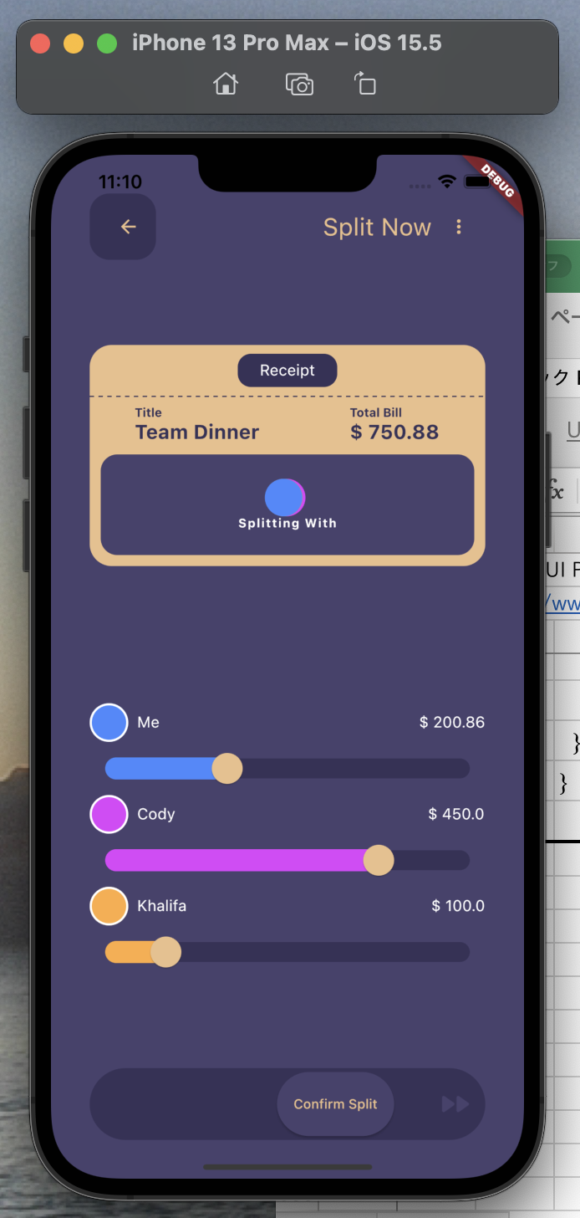
Flutter UI Practicing | Flutter Animation Slide Transition | Team Dinner UI Design.
https://www.youtube.com/watch?v=ksaXszTHoys

pubspec.yaml

 | name: test_animation
 | description: A new Flutter project.

 | publish_to: 'none'

 | version: 1.0.0+1

 | environment:
 | sdk: ">=2.17.6 <3.0.0"

 | dependencies:
 | flutter:
 | sdk: flutter

 | cupertino_icons: ^1.0.2

 | dotted_line: ^3.1.0

 | dev_dependencies:
 | flutter_test:
 | sdk: flutter

 | flutter_lints: ^2.0.0

 | flutter:

 | uses-material-design: true

lib/main.dart

 | import 'package:flutter/material.dart';

 | import 'home_screen.dart';

 | void main() {
 | runApp(const MyApp());
 | }

 | class MyApp extends StatelessWidget {
 | const MyApp({Key? key}) : super(key: key);

 | @override
 | Widget build(BuildContext context) {
 | return const MaterialApp(
 | home: HomeScreen(),
 | );
 | }
 | }

lib/home_screen.dart

 | import 'package:flutter/material.dart';

 | import 'splitter_receipt.dart';

 | class HomeScreen extends StatefulWidget {
 | const HomeScreen({Key? key}) : super(key: key);

 | @override
 | State<HomeScreen> createState() => _HomeScreenState();
 | }

 | class _HomeScreenState extends State<HomeScreen> {
 | ///
 | @override
 | Widget build(BuildContext context) {
 | return Scaffold(
 | backgroundColor: const Color.fromARGB(255, 72, 66, 109),
 | body: Padding(
 | padding: const EdgeInsets.all(35.0),
 | child: Column(
 | children: [
 | const SizedBox(height: 40),
 | myAppBar(),
 | const SplitterReceipt(),
 | ],
 | ),
 | ),
 | );
 | }

 | ///
 | Widget myAppBar() {
 | return Row(
 | mainAxisAlignment: MainAxisAlignment.spaceBetween,
 | children: [
 | Container(
 | height: 60,
 | width: 60,
 | padding: const EdgeInsets.only(left: 10),
 | decoration: BoxDecoration(
 | color: const Color.fromARGB(255, 55, 50, 88),
 | borderRadius: BorderRadius.circular(18),
 | ),
 | child: const Icon(
 | Icons.arrow_back,
 | color: Color.fromARGB(255, 235, 191, 138),
 | size: 20,
 | ),
 | ),
 | Row(
 | children: [
 | const Text(
 | 'Split Now',
 | style: TextStyle(
 | color: Color.fromARGB(255, 235, 191, 138),
 | fontSize: 22,
 | ),
 | ),
 | IconButton(
 | onPressed: () {},
 | icon: const Icon(
 | Icons.more_vert,
 | color: Color.fromARGB(255, 235, 191, 138),
 | size: 20,
 | ),
 | ),
 | ],
 | ),
 | ],
 | );
 | }
 | }

lib/splitter_receipt.dart

 | import 'package:dotted_line/dotted_line.dart';
 | import 'package:flutter/material.dart';

 | class SplitterReceipt extends StatefulWidget {
 | const SplitterReceipt({Key? key}) : super(key: key);

 | @override
 | State<SplitterReceipt> createState() => _SplitterReceiptState();
 | }

 | class _SplitterReceiptState extends State<SplitterReceipt>
 | with SingleTickerProviderStateMixin {
 | late final AnimationController _controller = AnimationController(
 | duration: const Duration(seconds: 1),
 | vsync: this,
 | )..repeat(reverse: true);

 | late final Animation<Offset> _splitAnimationToRight = Tween<Offset>(
 | begin: Offset.zero,
 | end: const Offset(0.65, 0.0),
 | ).animate(
 | CurvedAnimation(
 | parent: _controller,
 | curve: Curves.fastOutSlowIn,
 | ),
 | );

 | ///
 | @override
 | void dispose() {
 | _controller.dispose();
 | super.dispose();
 | }

 | ///
 | @override
 | Widget build(BuildContext context) {
 | return Container(
 | height: 200,
 | decoration: BoxDecoration(
 | color: const Color.fromARGB(255, 235, 191, 138),
 | borderRadius: BorderRadius.circular(20),
 | ),
 | child: Column(
 | children: [
 | Container(
 | height: 30,
 | width: 90,
 | margin: const EdgeInsets.symmetric(vertical: 8),
 | alignment: Alignment.center,
 | decoration: BoxDecoration(
 | color: const Color.fromARGB(255, 55, 50, 88),
 | borderRadius: BorderRadius.circular(12),
 | ),
 | child: const Text(
 | 'Receipt',
 | style: TextStyle(color: Colors.white),
 | ),
 | ),
 | const DottedLine(
 | dashColor: Color.fromARGB(255, 55, 50, 88),
 | ),
 | const SizedBox(height: 8),
 | Row(
 | mainAxisAlignment: MainAxisAlignment.spaceAround,
 | children: [
 | Column(
 | crossAxisAlignment: CrossAxisAlignment.start,
 | children: const [
 | Text(
 | 'Title',
 | style: TextStyle(
 | color: Color.fromARGB(255, 55, 50, 88),
 | fontSize: 11,
 | fontWeight: FontWeight.bold,
 | ),
 | ),
 | Text(
 | 'Team Dinner',
 | style: TextStyle(
 | color: Color.fromARGB(255, 55, 50, 88),
 | fontSize: 18,
 | fontWeight: FontWeight.bold,
 | ),
 | ),
 | ],
 | ),
 | Column(
 | crossAxisAlignment: CrossAxisAlignment.start,
 | children: const [
 | Text(
 | 'Total Bill',
 | style: TextStyle(
 | color: Color.fromARGB(255, 55, 50, 88),
 | fontSize: 11,
 | fontWeight: FontWeight.bold,
 | ),
 | ),
 | Text(
 | '\$ 750.88',
 | style: TextStyle(
 | color: Color.fromARGB(255, 55, 50, 88),
 | fontSize: 18,
 | fontWeight: FontWeight.bold,
 | ),
 | ),
 | ],
 | ),
 | ],
 | ),
 | Expanded(
 | child: Container(
 | margin: const EdgeInsets.all(10),
 | decoration: BoxDecoration(
 | color: const Color.fromARGB(255, 72, 66, 109),
 | borderRadius: BorderRadius.circular(15),
 | ),
 | child: Column(
 | mainAxisAlignment: MainAxisAlignment.center,
 | children: [
 | Padding(
 | padding: const EdgeInsets.only(left: 25),
 | child: Row(
 | mainAxisAlignment: MainAxisAlignment.center,
 | children: [
 | SlideTransition(
 | position: _splitAnimationToRight,
 | child: const CircleAvatar(
 | backgroundColor: Colors.purpleAccent,
 | radius: 17,
 | ),
 | ),
 | Transform(
 | transform: Matrix4.translationValues(5, 0, 0),
 | child: const CircleAvatar(
 | backgroundColor: Colors.orangeAccent,
 | radius: 17,
 | ),
 | ),
 | Transform(
 | transform: Matrix4.translationValues(-50, 0, 0),
 | child: const CircleAvatar(
 | backgroundColor: Colors.blueAccent,
 | radius: 17,
 | ),
 | ),
 | ],
 | ),
 | ),
 | const Text(
 | 'Splitting With',
 | style: TextStyle(
 | color: Colors.white,
 | fontSize: 11,
 | fontWeight: FontWeight.bold,
 | letterSpacing: 1,
 | ),
 | ),
 | ],
 | ),
 | ),
 | ),
 | ],
 | ),
 | );
 | }
 | }

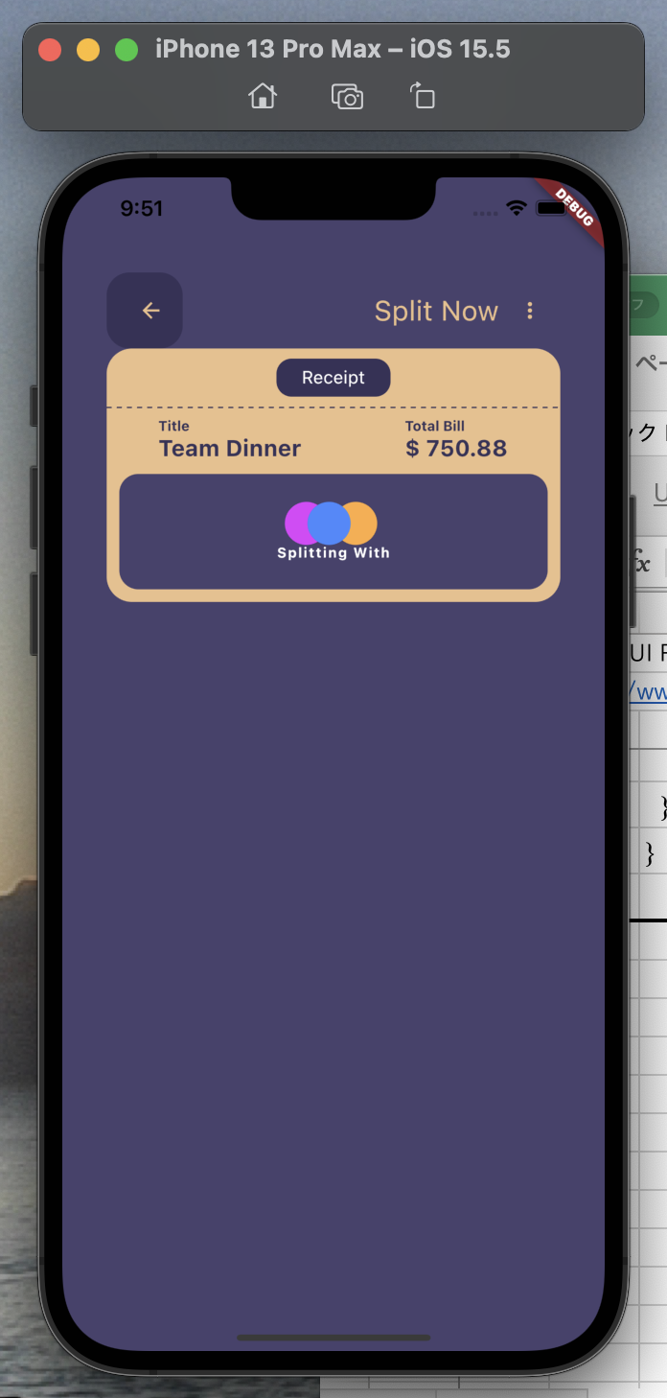

lib/splitter_receipt.dart

 | import 'package:dotted_line/dotted_line.dart';
 | import 'package:flutter/material.dart';

 | class SplitterReceipt extends StatefulWidget {
 | const SplitterReceipt({Key? key}) : super(key: key);

 | @override
 | State<SplitterReceipt> createState() => _SplitterReceiptState();
 | }

 | class _SplitterReceiptState extends State<SplitterReceipt>
 | with SingleTickerProviderStateMixin {
 | late final AnimationController _controller = AnimationController(
 | duration: const Duration(seconds: 1),
 | vsync: this,
 | )..repeat(reverse: true);

 | late final Animation<Offset> _splitAnimationToRight = Tween<Offset>(
 | begin: Offset.zero,
 | end: const Offset(0.65, 0.0),
 | ).animate(
 | CurvedAnimation(
 | parent: _controller,
 | curve: Curves.fastOutSlowIn,
 | ),
 | );

 | late final Animation<Offset> _splitAnimationToLeft = Tween<Offset>(
 | begin: Offset.zero,
 | end: const Offset(-0.65, 0.0),
 | ).animate(
 | CurvedAnimation(
 | parent: _controller,
 | curve: Curves.fastOutSlowIn,
 | ),
 | );

 | ///
 | @override
 | void dispose() {
 | _controller.dispose();
 | super.dispose();
 | }

 | ///
 | @override
 | Widget build(BuildContext context) {
 | return Container(
 | height: 200,
 | decoration: BoxDecoration(
 | color: const Color.fromARGB(255, 235, 191, 138),
 | borderRadius: BorderRadius.circular(20),
 | ),
 | child: Column(
 | children: [
 | Container(
 | height: 30,
 | width: 90,
 | margin: const EdgeInsets.symmetric(vertical: 8),
 | alignment: Alignment.center,
 | decoration: BoxDecoration(
 | color: const Color.fromARGB(255, 55, 50, 88),
 | borderRadius: BorderRadius.circular(12),
 | ),
 | child: const Text(
 | 'Receipt',
 | style: TextStyle(color: Colors.white),
 | ),
 | ),
 | const DottedLine(
 | dashColor: Color.fromARGB(255, 55, 50, 88),
 | ),
 | const SizedBox(height: 8),
 | Row(
 | mainAxisAlignment: MainAxisAlignment.spaceAround,
 | children: [
 | Column(
 | crossAxisAlignment: CrossAxisAlignment.start,
 | children: const [
 | Text(
 | 'Title',
 | style: TextStyle(
 | color: Color.fromARGB(255, 55, 50, 88),
 | fontSize: 11,
 | fontWeight: FontWeight.bold,
 | ),
 | ),
 | Text(
 | 'Team Dinner',
 | style: TextStyle(
 | color: Color.fromARGB(255, 55, 50, 88),
 | fontSize: 18,
 | fontWeight: FontWeight.bold,
 | ),
 | ),
 | ],
 | ),
 | Column(
 | crossAxisAlignment: CrossAxisAlignment.start,
 | children: const [
 | Text(
 | 'Total Bill',
 | style: TextStyle(
 | color: Color.fromARGB(255, 55, 50, 88),
 | fontSize: 11,
 | fontWeight: FontWeight.bold,
 | ),
 | ),
 | Text(
 | '\$ 750.88',
 | style: TextStyle(
 | color: Color.fromARGB(255, 55, 50, 88),
 | fontSize: 18,
 | fontWeight: FontWeight.bold,
 | ),
 | ),
 | ],
 | ),
 | ],
 | ),
 | Expanded(
 | child: Container(
 | margin: const EdgeInsets.all(10),
 | decoration: BoxDecoration(
 | color: const Color.fromARGB(255, 72, 66, 109),
 | borderRadius: BorderRadius.circular(15),
 | ),
 | child: Column(
 | mainAxisAlignment: MainAxisAlignment.center,
 | children: [
 | Padding(
 | padding: const EdgeInsets.only(left: 25),
 | child: Row(
 | mainAxisAlignment: MainAxisAlignment.center,
 | children: [
 | SlideTransition(
 | position: _splitAnimationToRight,
 | child: const CircleAvatar(
 | backgroundColor: Colors.purpleAccent,
 | radius: 17,
 | ),
 | ),
 | SlideTransition(
 | position: _splitAnimationToLeft,
 | child: Transform(
 | transform: Matrix4.translationValues(5, 0, 0),
 | child: const CircleAvatar(
 | backgroundColor: Colors.orangeAccent,
 | radius: 17,
 | ),
 | ),
 | ),
 | Transform(
 | transform: Matrix4.translationValues(-50, 0, 0),
 | child: const CircleAvatar(
 | backgroundColor: Colors.blueAccent,
 | radius: 17,
 | ),
 | ),
 | ],
 | ),
 | ),
 | const Text(
 | 'Splitting With',
 | style: TextStyle(
 | color: Colors.white,
 | fontSize: 11,
 | fontWeight: FontWeight.bold,
 | letterSpacing: 1,
 | ),
 | ),
 | ],
 | ),
 | ),
 | ),
 | ],
 | ),
 | );
 | }
 | }

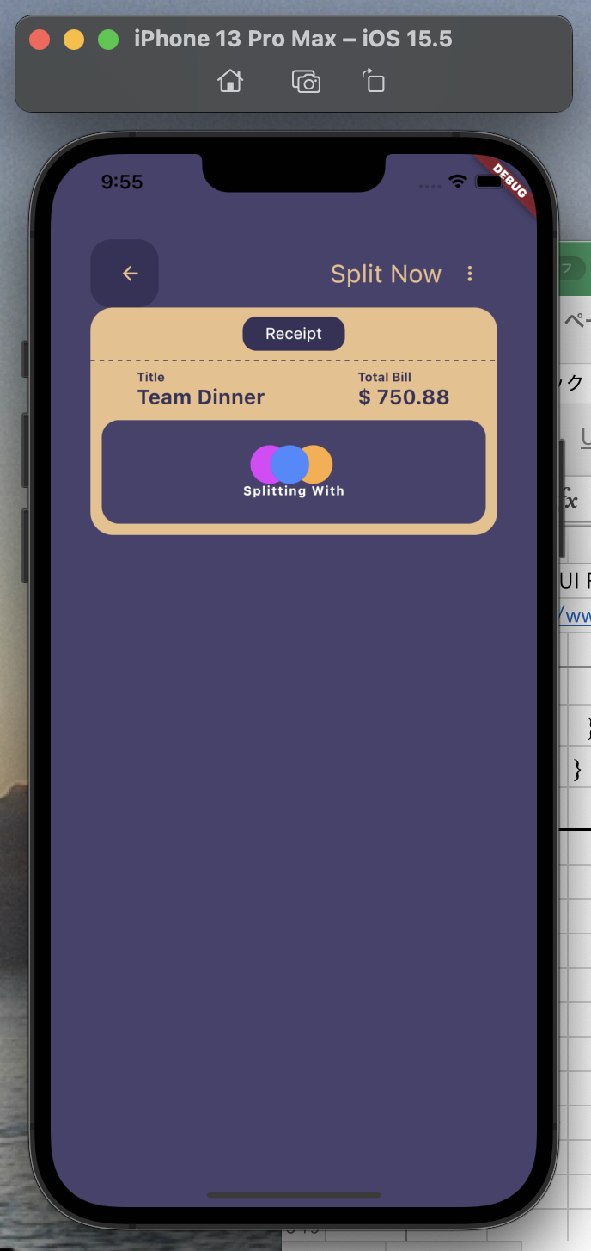

lib/home_screen.dart

 | import 'package:flutter/material.dart';

 | import 'split_slider.dart';
 | import 'splitter_receipt.dart';

 | class HomeScreen extends StatefulWidget {
 | const HomeScreen({Key? key}) : super(key: key);

 | @override
 | State<HomeScreen> createState() => _HomeScreenState();
 | }

 | class _HomeScreenState extends State<HomeScreen> {
 | ///
 | @override
 | Widget build(BuildContext context) {
 | return Scaffold(
 | backgroundColor: const Color.fromARGB(255, 72, 66, 109),
 | body: Padding(
 | padding: const EdgeInsets.all(35.0),
 | child: Column(
 | children: [
 | const SizedBox(height: 40),
 | myAppBar(),
 | const SplitterReceipt(),
 | const SplitSlider(),
 | ],
 | ),
 | ),
 | );
 | }

 | ///
 | Widget myAppBar() {
 | return Row(
 | mainAxisAlignment: MainAxisAlignment.spaceBetween,
 | children: [
 | Container(
 | height: 60,
 | width: 60,
 | padding: const EdgeInsets.only(left: 10),
 | decoration: BoxDecoration(
 | color: const Color.fromARGB(255, 55, 50, 88),
 | borderRadius: BorderRadius.circular(18),
 | ),
 | child: const Icon(
 | Icons.arrow_back,
 | color: Color.fromARGB(255, 235, 191, 138),
 | size: 20,
 | ),
 | ),
 | Row(
 | children: [
 | const Text(
 | 'Split Now',
 | style: TextStyle(
 | color: Color.fromARGB(255, 235, 191, 138),
 | fontSize: 22,
 | ),
 | ),
 | IconButton(
 | onPressed: () {},
 | icon: const Icon(
 | Icons.more_vert,
 | color: Color.fromARGB(255, 235, 191, 138),
 | size: 20,
 | ),
 | ),
 | ],
 | ),
 | ],
 | );
 | }
 | }

lib/model/dinner.dart

 | import 'package:flutter/material.dart';

 | class Dinner {
 | final Color colors;
 | final String teams;
 | double price;

 | Dinner({
 | required this.colors,
 | required this.teams,
 | required this.price,
 | });
 | }

 | //////////////////////////////////////////////

 | final dinnerTeamLists = [
 | Dinner(
 | colors: Colors.blueAccent,
 | teams: 'Me',
 | price: 200.86,
 | ),
 | Dinner(
 | colors: Colors.purpleAccent,
 | teams: 'Cody',
 | price: 450,
 | ),
 | Dinner(
 | colors: Colors.orangeAccent,
 | teams: 'Khalifa',
 | price: 100,
 | ),
 | ];

lib/split_slider.dart

 | import 'package:flutter/material.dart';

 | import 'model/dinner.dart';

 | class SplitSlider extends StatefulWidget {
 | const SplitSlider({Key? key}) : super(key: key);

 | @override
 | State<SplitSlider> createState() => _SplitSliderState();
 | }

 | class _SplitSliderState extends State<SplitSlider> {
 | double selectedValue = 0.5;

 | final List<Dinner> dinnerTeams = dinnerTeamLists;

 | ///
 | @override
 | Widget build(BuildContext context) {
 | return SizedBox(
 | height: 300,
 | child: ListView.builder(
 | itemCount: dinnerTeams.length,
 | itemBuilder: (context, index) {
 | final dinnerTeam = dinnerTeams[index];

 | return Column(
 | children: [
 | Row(
 | mainAxisAlignment: MainAxisAlignment.spaceBetween,
 | children: [
 | Row(
 | children: [
 | Container(
 | height: 35,
 | width: 35,
 | decoration: BoxDecoration(
 | color: dinnerTeam.colors,
 | shape: BoxShape.circle,
 | border: Border.all(
 | width: 2,
 | color: Colors.white,
 | ),
 | ),
 | ),
 | const SizedBox(width: 8),
 | Text(
 | dinnerTeam.teams,
 | style: const TextStyle(color: Colors.white),
 | ),
 | ],
 | ),
 | Text(
 | '\$ ${dinnerTeam.price}',
 | style: const TextStyle(color: Colors.white),
 | ),
 | ],
 | ),
 | SliderTheme(
 | data: SliderThemeData(
 | overlayShape: SliderComponentShape.noOverlay,
 | activeTrackColor: dinnerTeam.colors,
 | inactiveTrackColor: const Color.fromARGB(255, 55, 50, 88),
 | trackHeight: 18,
 | thumbShape: const RoundSliderThumbShape(
 | enabledThumbRadius: 14,
 | ),
 | ),
 | child: Padding(
 | padding: const EdgeInsets.symmetric(vertical: 10),
 | child: Slider(
 | min: 0,
 | max: 100,
 | thumbColor: const Color.fromARGB(255, 235, 191, 138),
 | value: dinnerTeam.price / 6,
 | onChanged: (double? newValue) {
 | setState(() {
 | dinnerTeam.price = newValue!;
 | });
 | },
 | ),
 | ),
 | ),
 | ],
 | );
 | },
 | ),
 | );
 | }
 | }

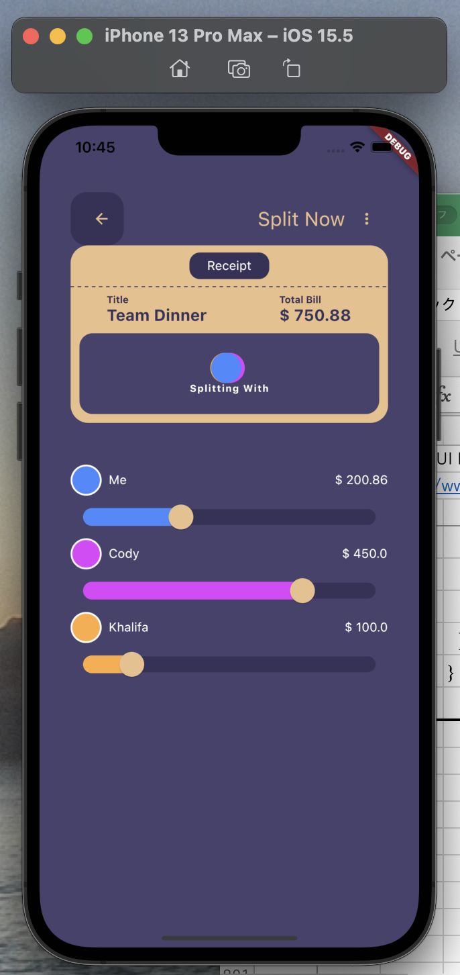

lib/home_screen.dart

 | import 'package:flutter/material.dart';

 | import 'split_slider.dart';
 | import 'splitter_receipt.dart';

 | class HomeScreen extends StatefulWidget {
 | const HomeScreen({Key? key}) : super(key: key);

 | @override
 | State<HomeScreen> createState() => _HomeScreenState();
 | }

 | class _HomeScreenState extends State<HomeScreen>
 | with SingleTickerProviderStateMixin {
 | late final AnimationController _controller = AnimationController(
 | duration: const Duration(seconds: 1),
 | vsync: this,
 | )..repeat(reverse: true);

 | late final Animation<Offset> _animation = Tween<Offset>(
 | begin: Offset.zero,
 | end: const Offset(1.6, 0.0),
 | ).animate(
 | CurvedAnimation(
 | parent: _controller,
 | curve: Curves.fastOutSlowIn, | ///
 | ), | @override
 | ); | void dispose() {
 |  | _controller.dispose();
 | /// | super.dispose();
 | @override | }
 | Widget build(BuildContext context) {
 | return Scaffold(
 | backgroundColor: const Color.fromARGB(255, 72, 66, 109),
 | body: Padding(
 | padding: const EdgeInsets.all(35.0),
 | child: Column(
 | mainAxisAlignment: MainAxisAlignment.spaceBetween,
 | children: [
 | myAppBar(),
 | const SplitterReceipt(),
 | const SplitSlider(),
 | confirmButton(),
 | ],
 | ),
 | ),
 | );
 | }

 | ///
 | Widget confirmButton() {
 | return Container(
 | height: 65,
 | padding: const EdgeInsets.symmetric(horizontal: 10),
 | decoration: const BoxDecoration(
 | color: Color.fromARGB(255, 55, 50, 88),
 | borderRadius: BorderRadius.horizontal(
 | left: Radius.circular(60),
 | right: Radius.circular(60),
 | ),
 | ),
 | child: Row(
 | mainAxisAlignment: MainAxisAlignment.spaceBetween,
 | children: [
 | SlideTransition(
 | position: _animation,
 | child: ElevatedButton(
 | style: ElevatedButton.styleFrom(
 | primary: const Color.fromARGB(255, 72, 66, 109),
 | shape: const RoundedRectangleBorder(
 | borderRadius: BorderRadius.horizontal(
 | left: Radius.circular(60),
 | right: Radius.circular(60),
 | ),
 | ),
 | padding: const EdgeInsets.symmetric(
 | horizontal: 15,
 | vertical: 22,
 | )),
 | onPressed: () {},
 | child: const Text(
 | 'Confirm Split',
 | style: TextStyle(
 | color: Color.fromARGB(255, 235, 191, 138),
 | fontSize: 12,
 | ),
 | ),
 | ),
 | ),
 | const Icon(
 | Icons.fast_forward_rounded,
 | size: 35,
 | color: Color.fromARGB(255, 72, 66, 109),
 | ),
 | ],
 | ),
 | );
 | }

 | ///
 | Widget myAppBar() {
 | return Row(
 | mainAxisAlignment: MainAxisAlignment.spaceBetween,
 | children: [
 | Container(
 | height: 60,
 | width: 60,
 | padding: const EdgeInsets.only(left: 10),
 | decoration: BoxDecoration(
 | color: const Color.fromARGB(255, 55, 50, 88),
 | borderRadius: BorderRadius.circular(18),
 | ),
 | child: const Icon(
 | Icons.arrow_back,
 | color: Color.fromARGB(255, 235, 191, 138),
 | size: 20,
 | ),
 | ),
 | Row(
 | children: [
 | const Text(
 | 'Split Now',
 | style: TextStyle(
 | color: Color.fromARGB(255, 235, 191, 138),
 | fontSize: 22,
 | ),
 | ),
 | IconButton(
 | onPressed: () {},
 | icon: const Icon(
 | Icons.more_vert,
 | color: Color.fromARGB(255, 235, 191, 138),
 | size: 20,
 | ),
 | ),
 | ],
 | ),
 | ],
 | );
 | }
 | }

splash
toyohide@toyohidenoMacBook-Pro test_splash % pwd
/Users/toyohide/StudioProjects/test_splash

toyohide@toyohidenoMacBook-Pro test_splash % cat pubspec.yaml
name: test_splash
description: A new Flutter project.

publish_to: 'none'

version: 1.0.0+1

environment:
sdk: ">=2.17.6 <3.0.0"

dependencies:

animated_splash_screen: ^1.3.0
cupertino_icons: ^1.0.2

flutter:
sdk: flutter

dev_dependencies:
flutter_test:
sdk: flutter

flutter_lints: ^2.0.0

flutter:

uses-material-design: true

assets:
- assets/images/

toyohide@toyohidenoMacBook-Pro test_splash % cat analysis_options.yaml
include: package:flutter_lints/flutter.yaml
analyzer:
strong-mode:
implicit-casts: false
implicit-dynamic: false
errors:
missing_required_param: warning
missing_return: warning
flutter_style_todos: ignore
require_trailing_commas: ignore
always_use_package_imports: ignore
public_member_api_docs: ignore
lines_longer_than_80_chars: ignore
avoid_function_literals_in_foreach_calls: ignore
implicit_dynamic_parameter: ignore
implicit_dynamic_type: ignore
implicit_dynamic_map_literal: ignore
implicit_dynamic_method: ignore
implicit_dynamic_list_literal: ignore
implicit_dynamic_variable: ignore
implicit_dynamic_function: ignore
avoid_setters_without_getters: ignore
use_setters_to_change_properties: ignore
inference_failure_on_function_return_type: ignore
inference_failure_on_function_invocation: ignore
inference_failure_on_instance_creation: ignore
invalid_annotation_target: ignore
language:
strict-inference: true
strict-raw-types: true
linter:
rules:
- always_declare_return_types
- always_put_control_body_on_new_line
- avoid_bool_literals_in_conditional_expressions
- avoid_catches_without_on_clauses
- avoid_catching_errors
- avoid_classes_with_only_static_members
- avoid_double_and_int_checks
- avoid_dynamic_calls
- avoid_field_initializers_in_const_classes
- avoid_final_parameters
- avoid_implementing_value_types
- avoid_js_rounded_ints
- avoid_multiple_declarations_per_line
- avoid_positional_boolean_parameters
- avoid_private_typedef_functions
- avoid_redundant_argument_values
- avoid_returning_null
- avoid_returning_this
- avoid_setters_without_getters
- avoid_slow_async_io
- avoid_type_to_string
- avoid_unused_constructor_parameters
- avoid_void_async
- cancel_subscriptions
- cascade_invocations
- cast_nullable_to_non_nullable
- close_sinks
- comment_references
- deprecated_consistency
- directives_ordering
- eol_at_end_of_file
- flutter_style_todos
- invariant_booleans
- join_return_with_assignment
- lines_longer_than_80_chars
- literal_only_boolean_expressions
- no_adjacent_strings_in_list
- no_default_cases
- noop_primitive_operations
- omit_local_variable_types
- one_member_abstracts
- only_throw_errors
- package_api_docs
- parameter_assignments
- prefer_asserts_in_initializer_lists
- prefer_constructors_over_static_methods
- prefer_final_in_for_each
- prefer_final_locals
- prefer_foreach
- prefer_int_literals
- prefer_single_quotes
- require_trailing_commas
- secure_pubspec_urls
- sized_box_shrink_expand
- sort_constructors_first
- sort_pub_dependencies
- sort_unnamed_constructors_first
- test_types_in_equals
- throw_in_finally
- tighten_type_of_initializing_formals
- type_annotate_public_apis
- unawaited_futures
- unnecessary_await_in_return
- unnecessary_lambdas
- unnecessary_null_checks
- unnecessary_parenthesis
- unnecessary_statements
- unsafe_html
- use_colored_box
- use_decorated_box
- use_enums
- use_is_even_rather_than_modulo
- use_late_for_private_fields_and_variables
- use_named_constants
- use_setters_to_change_properties
- use_string_buffers
- use_super_parameters
- use_test_throws_matchers
- use_to_and_as_if_applicable

lib/main.dart

 | import 'package:animated_splash_screen/animated_splash_screen.dart';
 | import 'package:flutter/material.dart';

 | void main() {
 | runApp(const MyApp());
 | }

 | class MyApp extends StatelessWidget {
 | const MyApp({super.key});

 | @override
 | Widget build(BuildContext context) {
 | return MaterialApp(
 | theme: ThemeData(
 | primarySwatch: Colors.blue,
 | ),
 | home: const SplashScreen(),
 | );
 | }
 | }

 | /////////////////////////////////////////////////////////////////

 | class SplashScreen extends StatelessWidget {
 | const SplashScreen({super.key});

 | @override
 | Widget build(BuildContext context) {
 | return AnimatedSplashScreen(
 | splash: Column(
 | children: [
 | SizedBox(
 | width: 200,
 | height: 200,
 | child: Image.asset('assets/images/launcher.png'),
 | ),
 | const Text(
 | 'splash',
 | style: TextStyle(
 | fontSize: 40,
 | fontWeight: FontWeight.bold,
 | color: Colors.white,
 | ),
 | ),
 | Expanded(child: Container()),
 | ],
 | ),
 | backgroundColor: Colors.redAccent,
 | nextScreen: const HomeScreen(),
 | splashIconSize: 250,
 | );
 | }
 | }

 | /////////////////////////////////////////////////////////////////

 | class HomeScreen extends StatelessWidget {
 | const HomeScreen({super.key});

 | @override
 | Widget build(BuildContext context) {
 | return Scaffold(
 | appBar: AppBar(
 | title: const Text('Home'),
 | ),
 | );
 | }
 | }

 | import 'package:animated_splash_screen/animated_splash_screen.dart';
 | import 'package:flutter/material.dart';

 | void main() {
 | runApp(const MyApp());
 | }

 | class MyApp extends StatelessWidget {
 | const MyApp({super.key});

 | @override
 | Widget build(BuildContext context) {
 | return MaterialApp(
 | theme: ThemeData(
 | primarySwatch: Colors.blue,
 | ),
 | home: const SplashScreen(),
 | );
 | }
 | }

 | /////////////////////////////////////////////////////////////////

 | class SplashScreen extends StatelessWidget {
 | const SplashScreen({super.key});

 | @override
 | Widget build(BuildContext context) {
 | return AnimatedSplashScreen(
 | splash: Column(
 | children: [
 | SizedBox(
 | width: 200,
 | height: 200,
 | child: Image.asset('assets/images/launcher.png'),
 | ),
 | const Text(
 | 'splash',
 | style: TextStyle(
 | fontSize: 40,
 | fontWeight: FontWeight.bold,
 | color: Colors.white,
 | ),
 | ),
 | Expanded(child: Container()),
 | ],
 | ),
 | backgroundColor: Colors.redAccent,
 | nextScreen: const HomeScreen(),
 | splashIconSize: 250,
 | duration: 4000,
 | splashTransition: SplashTransition.slideTransition,
 | );
 | }
 | }

 | /////////////////////////////////////////////////////////////////

 | class HomeScreen extends StatelessWidget {
 | const HomeScreen({super.key});

 | @override
 | Widget build(BuildContext context) {
 | return Scaffold(
 | appBar: AppBar(
 | title: const Text('Home'),
 | ),
 | );
 | }
 | }

 | import 'package:animated_splash_screen/animated_splash_screen.dart';
 | import 'package:flutter/material.dart';

 | import 'package:page_transition/page_transition.dart';

 | void main() {
 | runApp(const MyApp());
 | }

 | class MyApp extends StatelessWidget {
 | const MyApp({super.key});

 | @override
 | Widget build(BuildContext context) {
 | return MaterialApp(
 | theme: ThemeData(
 | primarySwatch: Colors.blue,
 | ),
 | home: const SplashScreen(),
 | );
 | }
 | }

 | /////////////////////////////////////////////////////////////////

 | class SplashScreen extends StatelessWidget {
 | const SplashScreen({super.key});

 | @override
 | Widget build(BuildContext context) {
 | return AnimatedSplashScreen(
 | splash: Column(
 | children: [
 | SizedBox(
 | width: 200,
 | height: 200,
 | child: Image.asset('assets/images/launcher.png'),
 | ),
 | const Text(
 | 'splash',
 | style: TextStyle(
 | fontSize: 40,
 | fontWeight: FontWeight.bold,
 | color: Colors.white,
 | ),
 | ),
 | Expanded(child: Container()),
 | ],
 | ),
 | backgroundColor: Colors.redAccent,
 | nextScreen: const HomeScreen(),
 | splashIconSize: 250,
 | duration: 4000,
 | splashTransition: SplashTransition.slideTransition,

 | //
 | pageTransitionType: PageTransitionType.leftToRight,
 | //
 | );
 | }
 | }

 | /////////////////////////////////////////////////////////////////

 | class HomeScreen extends StatelessWidget {
 | const HomeScreen({super.key});

 | @override
 | Widget build(BuildContext context) {
 | return Scaffold(
 | appBar: AppBar(
 | title: const Text('Home'),
 | ),
 | );
 | }
 | }

 | // ignore_for_file: depend_on_referenced_packages

 | import 'package:animated_splash_screen/animated_splash_screen.dart';
 | import 'package:flutter/material.dart';

 | import 'package:page_transition/page_transition.dart';

 | void main() {
 | runApp(const MyApp());
 | }

 | class MyApp extends StatelessWidget {
 | const MyApp({super.key});

 | @override
 | Widget build(BuildContext context) {
 | return MaterialApp(
 | theme: ThemeData(
 | primarySwatch: Colors.blue,
 | ),
 | home: const SplashScreen(),
 | );
 | }
 | }

 | /////////////////////////////////////////////////////////////////

 | class SplashScreen extends StatelessWidget {
 | const SplashScreen({super.key});

 | @override
 | Widget build(BuildContext context) {
 | return AnimatedSplashScreen(
 | splash: Column(
 | children: [
 | SizedBox(
 | width: 200,
 | height: 200,
 | child: Image.asset('assets/images/launcher.png'),
 | ),
 | const Text(
 | 'splash',
 | style: TextStyle(
 | fontSize: 40,
 | fontWeight: FontWeight.bold,
 | color: Colors.white,
 | ),
 | ),
 | Expanded(child: Container()),
 | ],
 | ),
 | backgroundColor: Colors.redAccent,
 | nextScreen: const HomeScreen(),
 | splashIconSize: 250,
 | duration: 4000,

 | // splashTransition: SplashTransition.slideTransition,
 | // pageTransitionType: PageTransitionType.leftToRight,

 | splashTransition: SplashTransition.sizeTransition,
 | pageTransitionType: PageTransitionType.leftToRightWithFade,

 | //
 | animationDuration: const Duration(seconds: 1),
 | );
 | }
 | }

 | /////////////////////////////////////////////////////////////////

 | class HomeScreen extends StatelessWidget {
 | const HomeScreen({super.key});

 | @override
 | Widget build(BuildContext context) {
 | return Scaffold(
 | appBar: AppBar(
 | title: const Text('Home'),
 | ),
 | );
 | }
 | }

another package

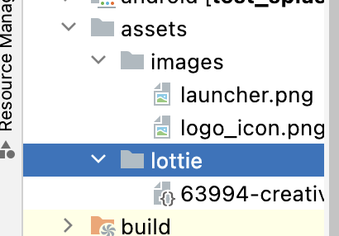
lottiefiles
https://lottiefiles.com/

pubspec.yaml

 | name: test_splash
 | description: A new Flutter project.

 | publish_to: 'none'

 | version: 1.0.0+1

 | environment:
 | sdk: ">=2.17.6 <3.0.0"

 | dependencies:

 | animated_splash_screen: ^1.3.0
 | cupertino_icons: ^1.0.2

 | flutter:
 | sdk: flutter
 | lottie: ^1.4.2

 | dev_dependencies:

 | flutter_lints: ^2.0.0

 | flutter_test:
 | sdk: flutter

 | flutter:

 | uses-material-design: true

 | assets:
 | - assets/images/
 | - assets/lottie/

lib/main.dart

 | // ignore_for_file: depend_on_referenced_packages

 | import 'package:animated_splash_screen/animated_splash_screen.dart';
 | import 'package:flutter/material.dart';
 | import 'package:lottie/lottie.dart';

 | import 'package:page_transition/page_transition.dart';

 | void main() {
 | runApp(const MyApp());
 | }

 | class MyApp extends StatelessWidget {
 | const MyApp({super.key});

 | @override
 | Widget build(BuildContext context) {
 | return MaterialApp(
 | theme: ThemeData(
 | primarySwatch: Colors.blue,
 | ),
 | home: const SplashScreen(),
 | );
 | }
 | }

 | /////////////////////////////////////////////////////////////////

 | class SplashScreen extends StatelessWidget {
 | const SplashScreen({super.key});

 | @override
 | Widget build(BuildContext context) {
 | return AnimatedSplashScreen(
 | splash: Lottie.asset('assets/lottie/loading_icon.json'),

 | //
 | // Column(
 | // children: [
 | // SizedBox(
 | // width: 200,
 | // height: 200,
 | // child: Image.asset('assets/images/launcher.png'),
 | // ),
 | // const Text(
 | // 'splash',
 | // style: TextStyle(
 | // fontSize: 40,
 | // fontWeight: FontWeight.bold,
 | // color: Colors.white,
 | // ),
 | // ),
 | // Expanded(child: Container()),
 | // ],
 | // ),
 | //

 | backgroundColor: Colors.redAccent,
 | nextScreen: const HomeScreen(),
 | splashIconSize: 250,
 | duration: 4000,

 | // splashTransition: SplashTransition.slideTransition,
 | // pageTransitionType: PageTransitionType.leftToRight,

 | splashTransition: SplashTransition.sizeTransition,
 | pageTransitionType: PageTransitionType.leftToRightWithFade,

 | //
 | animationDuration: const Duration(seconds: 1),
 | );
 | }
 | }

 | /////////////////////////////////////////////////////////////////

 | class HomeScreen extends StatelessWidget {
 | const HomeScreen({super.key});

 | @override
 | Widget build(BuildContext context) {
 | return Scaffold(
 | appBar: AppBar(
 | title: const Text('Home'),
 | ),
 | );
 | }
 | }

 | // ignore_for_file: depend_on_referenced_packages

 | import 'package:animated_splash_screen/animated_splash_screen.dart';
 | import 'package:flutter/material.dart';
 | import 'package:lottie/lottie.dart';

 | import 'package:page_transition/page_transition.dart';

 | void main() {
 | runApp(const MyApp());
 | }

 | class MyApp extends StatelessWidget {
 | const MyApp({super.key});

 | @override
 | Widget build(BuildContext context) {
 | return MaterialApp(
 | theme: ThemeData(
 | primarySwatch: Colors.blue,
 | ),
 | home: const SplashScreen(),
 | );
 | }
 | }

 | /////////////////////////////////////////////////////////////////

 | class SplashScreen extends StatelessWidget {
 | const SplashScreen({super.key});

 | @override
 | Widget build(BuildContext context) {
 | return AnimatedSplashScreen(
 | splash: Lottie.asset('assets/lottie/loading_icon.json'),

 | //
 | // Column(
 | // children: [
 | // SizedBox(
 | // width: 200,
 | // height: 200,
 | // child: Image.asset('assets/images/launcher.png'),
 | // ),
 | // const Text(
 | // 'splash',
 | // style: TextStyle(
 | // fontSize: 40,
 | // fontWeight: FontWeight.bold,
 | // color: Colors.white,
 | // ),
 | // ),
 | // Expanded(child: Container()),
 | // ],
 | // ),
 | //

 | backgroundColor: Colors.redAccent,
 | nextScreen: const HomeScreen(),
 | splashIconSize: 250,
 | duration: 4000,

 | // splashTransition: SplashTransition.slideTransition,
 | // pageTransitionType: PageTransitionType.leftToRight,

 | // splashTransition: SplashTransition.sizeTransition,
 | pageTransitionType: PageTransitionType.leftToRightWithFade,

 | //

 | splashTransition: SplashTransition.fadeTransition,

 | //
 | animationDuration: const Duration(seconds: 1),
 | );
 | }
 | }

 | /////////////////////////////////////////////////////////////////

 | class HomeScreen extends StatelessWidget {
 | const HomeScreen({super.key});

 | @override
 | Widget build(BuildContext context) {
 | return Scaffold(
 | appBar: AppBar(
 | title: const Text('Home'),
 | ),
 | );
 | }
 | }

三浦のやつ①
[Flutter] hooks_riverpod + StateNotifier + freezed でカウンターアプリチュートリアル
https://runble1.com/flutter-hooks-riverpod-statenotifier-freezed-counter/

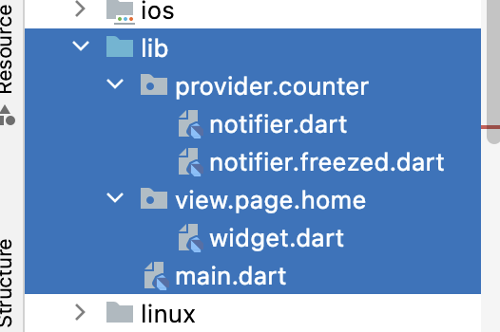

toyohide@toyohidenoMacBook-Pro lib % tree
.
├── main.dart
├── provider
│ └── counter
│ ├── notifier.dart
│ └── notifier.freezed.dart
└── view
└── page
└── home
└── widget.dart

5 directories, 4 files

 |  | flutter pub run build_runner build --delete-conflicting-outputs
toyohide@toyohidenoMacBook-Pro tutorial_hooks_freezed % flutter pub run build_runner build --delete-conflicting-outputs

lib/main.dart

 | import 'package:flutter/material.dart';
 | import 'package:hooks_riverpod/hooks_riverpod.dart';

 | import 'view/page/home/widget.dart';

 | void main() {
 | runApp(
 | const ProviderScope(child: App()),
 | );
 | }

 | class App extends StatelessWidget {
 | const App({Key? key}) : super(key: key);

 | @override
 | Widget build(BuildContext context) {
 | return const MaterialApp(
 | home: MyHomePage(),
 | );
 | }
 | }

lib/view/page/home/widget.dart

 | import 'package:flutter/material.dart';
 | import 'package:hooks_riverpod/hooks_riverpod.dart';

 | import '../../../provider/counter/notifier.dart';

 | class MyHomePage extends HookConsumerWidget {
 | const MyHomePage({Key? key}) : super(key: key);

 | @override
 | Widget build(BuildContext context, WidgetRef ref) {
 | final counter = ref.watch(counterProvider);

 | return Scaffold(
 | appBar: AppBar(
 | title: const Text('Riverpod counter example'),
 | ),
 | body: Center(
 | child: Text(
 | '${counter.count}',
 | style: Theme.of(context).textTheme.headline4,
 | ),
 | ),
 | floatingActionButton: FloatingActionButton(
 | onPressed: () {
 | ref.read(counterProvider.notifier).increment();
 | },
 | child: const Icon(Icons.add),
 | ),
 | );
 | }
 | }

lib/provider/counter/notifier.dart

 | import 'package:hooks_riverpod/hooks_riverpod.dart';

 | import 'package:freezed_annotation/freezed_annotation.dart';

 | part 'notifier.freezed.dart';

 | //////////////////////////////////////////////////////

 | @freezed
 | class CounterState with _$CounterState {
 | const factory CounterState({
 | //NullSafetyのためデフォルト値の指定が必須
 | @Default(0) int count,
 | }) = _Counter;
 | }

 | //////////////////////////////////////////////////////

 | final counterProvider = StateNotifierProvider<CounterNotifier, CounterState>(
 | (ref) => CounterNotifier(const CounterState()),
 | );

 | class CounterNotifier extends StateNotifier<CounterState> {
 | CounterNotifier(CounterState state) : super(state);

 | // state は immutable なため、copyWith で複製する
 | void increment() {
 | state = state.copyWith(count: state.count + 1);
 | }
 | }

カスタムタブバー
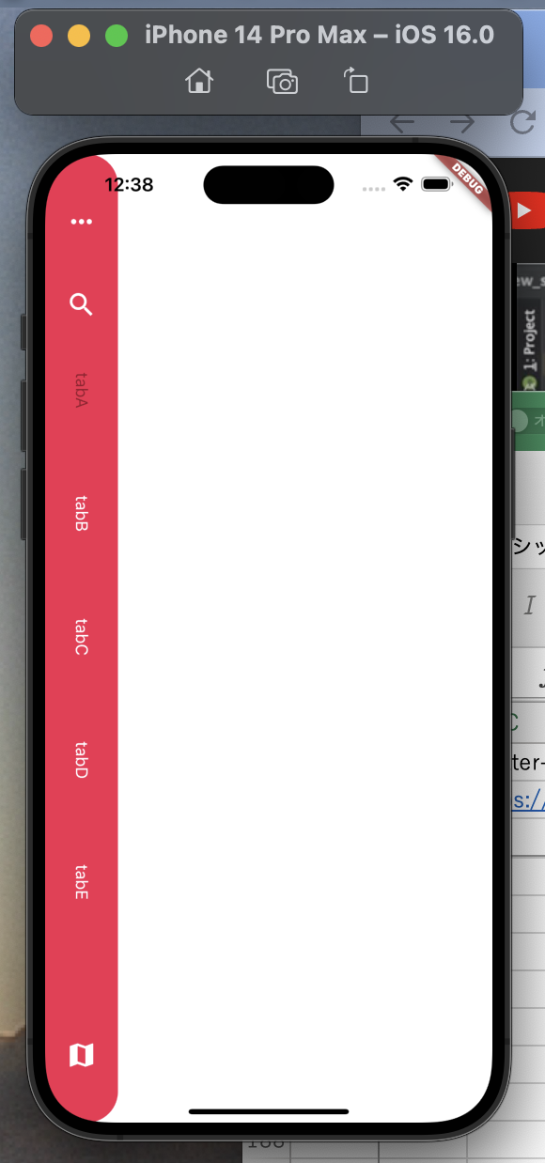
Flutter-custom tabbar-speedcode
https://www.youtube.com/watch?v=_jaITT4Icy8

lib/main.dart

 | import 'package:flutter/material.dart';

 | import 'home_screen.dart';

 | void main() {
 | runApp(const MyApp());
 | }

 | class MyApp extends StatelessWidget {
 | const MyApp({Key? key}) : super(key: key);

 | @override
 | Widget build(BuildContext context) {
 | return const MaterialApp(
 | home: HomeScreen(),
 | );
 | }
 | }

lib/home_screen.dart

 | import 'package:flutter/material.dart';

 | class HomeScreen extends StatelessWidget {
 | const HomeScreen({Key? key}) : super(key: key);

 | @override
 | Widget build(BuildContext context) {
 | return Scaffold(
 | backgroundColor: Colors.white,
 | body: Row(
 | children: const [
 | LeftWidget(),
 | Expanded(child: RightWidget()),
 | ],
 | ),
 | );
 | }
 | }

 | ///////////////////////////////////

 | class LeftWidget extends StatefulWidget {
 | const LeftWidget({Key? key}) : super(key: key);

 | @override
 | State<LeftWidget> createState() => _LeftWidgetState();
 | }

 | class _LeftWidgetState extends State<LeftWidget> {
 | List<String> tabNames = ['tabA', 'tabB', 'tabC', 'tabD', 'tabE'];

 | int checkedIndex = 0;

 | ///
 | @override
 | Widget build(BuildContext context) {
 | return Container(
 | width: 70,
 | decoration: BoxDecoration(
 | color: const Color(0xfff42b51),
 | borderRadius: BorderRadius.circular(30),
 | ),
 | child: Column(
 | children: _buildList(),
 | ),
 | );
 | }

 | List<Widget> _buildList() {
 | List<Widget> list = [];

 | list.add(
 | const Padding(
 | padding: EdgeInsets.only(top: 50),
 | child: Icon(
 | Icons.more_horiz,
 | color: Colors.white,
 | size: 30,
 | ),
 | ),
 | );

 | list.add(
 | const Padding(
 | padding: EdgeInsets.only(
 | top: 50,
 | bottom: 50,
 | ),
 | child: Icon(
 | Icons.search,
 | color: Colors.white,
 | size: 30,
 | ),
 | ),
 | );

 | for (var i = 0; i < tabNames.length; i++) {
 | list.add(
 | Expanded(
 | child: GestureDetector(
 | onTap: () {
 | indexChecked(index: i);
 | },
 | child: VerticalText(
 | name: tabNames[i],
 | checked: (checkedIndex == i),
 | ),
 | ),
 | ),
 | );
 | }

 | list.add(
 | const Padding(
 | padding: EdgeInsets.only(
 | top: 50,
 | bottom: 50,
 | ),
 | child: Icon(
 | Icons.map,
 | color: Colors.white,
 | size: 30,
 | ),
 | ),
 | );

 | return list;
 | }

 | ///
 | void indexChecked({required int index}) {
 | if (checkedIndex == index) return;

 | setState(() {
 | checkedIndex = index;
 | });
 | }
 | }

 | //////////////////////

 | class VerticalText extends StatelessWidget {
 | final String name;
 | final bool checked;

 | const VerticalText({
 | Key? key,
 | required this.name,
 | required this.checked,
 | }) : super(key: key);

 | @override
 | Widget build(BuildContext context) {
 | return RotatedBox(
 | quarterTurns: 1,
 | child: Text(
 | name,
 | style: TextStyle(
 | color: (checked) ? const Color(0xff98162d) : Colors.white,
 | fontSize: 16,
 | ),
 | ),
 | );
 | }
 | }

 | ///////////////////////////////////

 | class RightWidget extends StatelessWidget {
 | const RightWidget({Key? key}) : super(key: key);

 | @override
 | Widget build(BuildContext context) {
 | return Container();
 | }
 | }

ui household
Flutter UI design | Flutter TabBar, Bottom Navigation Bar, Image preview | Household App UI Design.
https://www.youtube.com/watch?v=xb8MIoxu2mU

pubspec.yaml

 | name: test_flutter_ui_1106
 | description: A new Flutter project.

 | publish_to: 'none'

 | version: 1.0.0+1

 | environment:
 | sdk: '>=2.18.2 <3.0.0'

 | dependencies:

 | cupertino_icons: ^1.0.2

 | flutter:
 | sdk: flutter

 | dev_dependencies:

 | flutter_lints: ^2.0.0

 | flutter_test:
 | sdk: flutter

 | flutter:

 | uses-material-design: true

 | assets:
 | - assets/

lib/main.dart

 | import 'package:flutter/material.dart';

 | import 'bottom_nav.dart';

 | void main() {
 | runApp(const MyApp());
 | }

 | class MyApp extends StatelessWidget {
 | const MyApp({super.key});

 | @override
 | Widget build(BuildContext context) {
 | return MaterialApp(
 | theme: ThemeData(
 | primarySwatch: Colors.blue,
 | ),
 | home: const BottomNav(),
 | );
 | }
 | }

lib/bottom_nav.dart

 | // ignore_for_file: inference_failure_on_untyped_parameter, duplicate_ignore, type_annotate_public_apis

 | // ignore_for_file: inference_failure_on_untyped_parameter

 | import 'package:flutter/material.dart';

 | import 'home_page.dart';

 | class BottomNav extends StatefulWidget {
 | const BottomNav({super.key});

 | @override
 | State<BottomNav> createState() => _BottomNavState();
 | }

 | class _BottomNavState extends State<BottomNav> {
 | int _currentIndex = 0;

 | ///
 | Widget getWidgets(index) {
 | switch (index) {
 | case 0:
 | return const HomePage();
 | case 1:
 | return Center(
 | child: Text(
 | 'Dashboard',
 | style: TextStyle(
 | fontWeight: FontWeight.bold,
 | color: Colors.yellowAccent.shade700,
 | fontSize: 50,
 | ),
 | ),
 | );
 | case 2:
 | return Center(
 | child: Text(
 | 'Cart',
 | style: TextStyle(
 | fontWeight: FontWeight.bold,
 | color: Colors.yellowAccent.shade700,
 | fontSize: 50,
 | ),
 | ),
 | );
 | case 3:
 | return Center(
 | child: Text(
 | 'Profile',
 | style: TextStyle(
 | fontWeight: FontWeight.bold,
 | color: Colors.yellowAccent.shade700,
 | fontSize: 50,
 | ),
 | ),
 | );
 | }

 | return Container();
 | }

 | ///
 | @override
 | Widget build(BuildContext context) {
 | return Scaffold(
 | body: getWidgets(_currentIndex),
 | bottomNavigationBar: BottomNavigationBar(
 | currentIndex: _currentIndex,
 | type: BottomNavigationBarType.fixed,
 | showSelectedLabels: false,
 | showUnselectedLabels: false,
 | selectedItemColor: Colors.yellowAccent.shade700,
 | unselectedItemColor: Colors.yellowAccent.shade700.withOpacity(0.6),
 | items: const [
 | BottomNavigationBarItem(
 | icon: Icon(Icons.home),
 | label: 'Home',
 | ),
 | BottomNavigationBarItem(
 | icon: Icon(Icons.dashboard),
 | label: 'Dashboard',
 | ),
 | BottomNavigationBarItem(
 | icon: Icon(Icons.shopping_cart),
 | label: 'Cart',
 | ),
 | BottomNavigationBarItem(
 | icon: Icon(Icons.person),
 | label: 'Profile',
 | ),
 | ],
 | onTap: (int index) {
 | setState(() {
 | _currentIndex = index;
 | });
 | },
 | ),
 | );
 | }
 | }

lib/home_page.dart

 | import 'package:flutter/material.dart';

 | class HomePage extends StatefulWidget {
 | const HomePage({super.key});

 | @override
 | State<HomePage> createState() => _HomePageState();
 | }

 | class _HomePageState extends State<HomePage>
 | with SingleTickerProviderStateMixin {
 | late final TabController _tabController =
 | TabController(length: 4, vsync: this);

 | @override
 | Widget build(BuildContext context) {
 | return Scaffold(
 | backgroundColor: Colors.white,
 | body: Padding(
 | padding: const EdgeInsets.symmetric(horizontal: 18),
 | child: Column(
 | children: [
 | const SizedBox(height: 50),
 | homeAppBar(),
 | Divider(
 | height: 40,
 | color: Colors.yellowAccent.shade700,
 | thickness: 0.5,
 | ),
 | TabBar(
 | controller: _tabController,
 | indicator: BoxDecoration(
 | border: Border.all(color: Colors.blueAccent),
 | ),
 | overlayColor: MaterialStateProperty.all(Colors.transparent),
 | tabs: [
 | CircleAvatar(
 | backgroundColor: Colors.yellowAccent.shade700,
 | radius: 25,
 | child: Image.asset(
 | 'assets/sofa_icon.png',
 | height: 30,
 | width: 30,
 | fit: BoxFit.cover,
 | ),
 | ),
 | CircleAvatar(
 | backgroundColor: Colors.yellowAccent.shade700,
 | radius: 25,
 | child: Image.asset(
 | 'assets/bed_icon.png',
 | height: 30,
 | width: 30,
 | fit: BoxFit.cover,
 | ),
 | ),
 | CircleAvatar(
 | backgroundColor: Colors.yellowAccent.shade700,
 | radius: 25,
 | child: Image.asset(
 | 'assets/bathtub_icon.png',
 | height: 30,
 | width: 30,
 | fit: BoxFit.cover,
 | ),
 | ),
 | CircleAvatar(
 | backgroundColor: Colors.yellowAccent.shade700,
 | radius: 25,
 | child: Image.asset(
 | 'assets/lamp_icon.png',
 | height: 30,
 | width: 30,
 | fit: BoxFit.cover,
 | ),
 | ),
 | ],
 | ),
 | Expanded(
 | child: TabBarView(
 | controller: _tabController,
 | children: [
 | tabDetails(text: 'Sofa'),
 | const Center(child: Text('Bed')),
 | const Center(child: Text('Bathtub')),
 | const Center(child: Text('Lamp')),
 | ],
 | ),
 | ),
 | ],
 | ),
 | ),
 | );
 | }

 | ///
 | Widget tabDetails({required String text}) {
 | return Column(
 | children: [
 | const SizedBox(height: 10),
 | Row(
 | mainAxisAlignment: MainAxisAlignment.spaceBetween,
 | children: [
 | Text(
 | 'Modern - $text',
 | style: const TextStyle(
 | fontSize: 16,
 | fontWeight: FontWeight.w700,
 | ),
 | ),
 | Row(
 | children: const [
 | Text(
 | 'See all',
 | style: TextStyle(
 | fontSize: 12,
 | fontWeight: FontWeight.w700,
 | ),
 | ),
 | SizedBox(width: 5),
 | Icon(Icons.arrow_forward_ios),
 | ],
 | ),
 | ],
 | ),
 | const SizedBox(height: 15),
 | Expanded(
 | child: Stack(
 | children: [
 | Row(
 | children: [
 | RotatedBox(
 | quarterTurns: 1,
 | child: Text(
 | 'household'.toUpperCase(),
 | style: TextStyle(
 | fontSize: 80,
 | fontWeight: FontWeight.w900,
 | color: Colors.grey.shade200,
 | ),
 | ),
 | ),
 | const SizedBox(width: 30),
 | Expanded(
 | child: Container(
 | padding: const EdgeInsets.all(20),
 | alignment: Alignment.bottomCenter,
 | decoration: BoxDecoration(
 | color: Colors.yellowAccent.shade700,
 | borderRadius: const BorderRadius.only(
 | topLeft: Radius.circular(40),
 | bottomRight: Radius.circular(40),
 | ),
 | ),
 | child: Row(
 | mainAxisAlignment: MainAxisAlignment.spaceBetween,
 | children: [
 | const Text(
 | '\$299',
 | style: TextStyle(
 | fontSize: 25,
 | fontWeight: FontWeight.w700,
 | color: Colors.white,
 | ),
 | ),
 | CircleAvatar(
 | backgroundColor: Colors.white,
 | child: Icon(
 | Icons.add,
 | size: 30,
 | color: Colors.yellowAccent.shade700,
 | ),
 | ),
 | ],
 | ),
 | ),
 | ),
 | ],
 | ),
 | Positioned(
 | right: 20,
 | top: 50,
 | child: Image.asset(
 | 'assets/yellow_chair.png',
 | height: 400,
 | width: 350,
 | fit: BoxFit.cover,
 | ),
 | ),
 | ],
 | ),
 | ),
 | ],
 | );
 | }

 | ///
 | Widget homeAppBar() {
 | return Row(
 | mainAxisAlignment: MainAxisAlignment.spaceBetween,
 | children: [
 | Column(
 | crossAxisAlignment: CrossAxisAlignment.start,
 | children: const [
 | Text(
 | 'Products',
 | style: TextStyle(
 | fontSize: 28,
 | fontWeight: FontWeight.w800,
 | ),
 | ),
 | Text(
 | 'best household collection',
 | style: TextStyle(fontSize: 12, color: Colors.grey),
 | ),
 | ],
 | ),
 | const Icon(Icons.shopping_cart_outlined),
 | ],
 | );
 | }
 | }

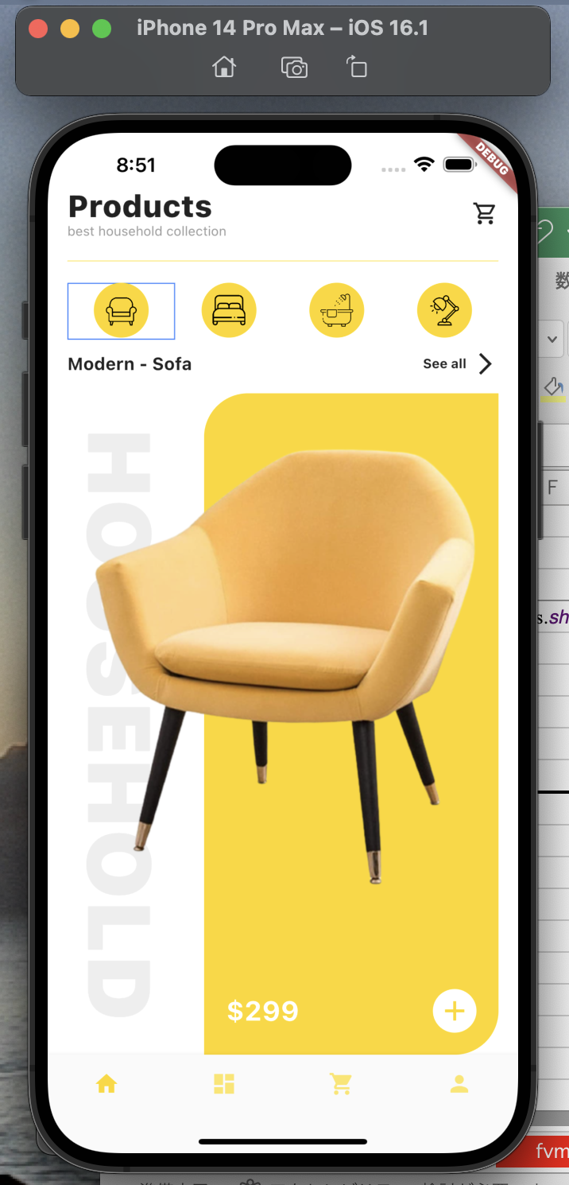

13:34

