docker laravel
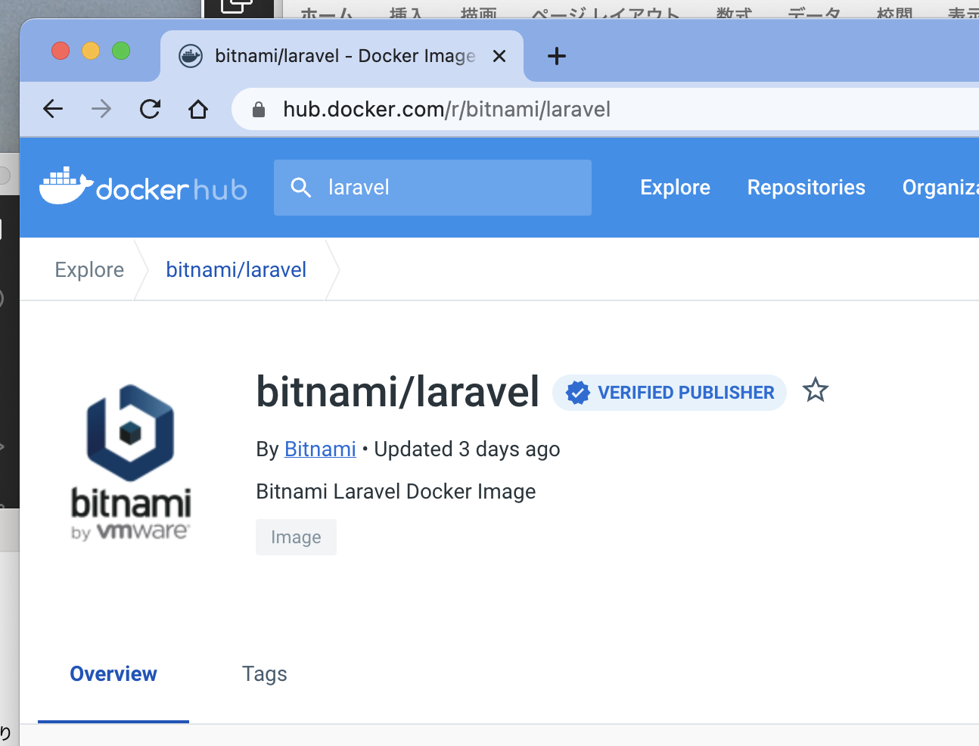
toyohide@toyohidenoMacBook-Pro docker_study % mkdir 20221002

toyohide@toyohidenoMacBook-Pro docker_study % cd 20221002

toyohide@toyohidenoMacBook-Pro 20221002 % curl -LO https://raw.githubusercontent.com/bitnami/containers/main/bitnami/laravel/docker-compose.yml
% Total % Received % Xferd Average Speed Time Time Time Current
Dload Upload Total Spent Left Speed
100 539 100 539 0 0 1534 0 --:--:-- --:--:-- --:--:-- 1562

 | /Users/toyohide/Desktop/hideyuki/docker_study/20221002/docker-compose.yml

 |  | version: '2'

 |  | services:
 |  | mariadb:
 |  | image: docker.io/bitnami/mariadb:10.6
 |  | environment:
 |  | # ALLOW_EMPTY_PASSWORD is recommended only for development.
 |  | - ALLOW_EMPTY_PASSWORD=yes
 |  | - MARIADB_USER=bn_myapp
 |  | - MARIADB_DATABASE=bitnami_myapp
 |  | myapp:
 |  | image: docker.io/bitnami/laravel:9
 |  | ports:
 |  | - '8000:8000'
 |  | environment:
 |  | - DB_HOST=mariadb
 |  | - DB_PORT=3306
 |  | - DB_USERNAME=bn_myapp
 |  | - DB_DATABASE=bitnami_myapp
 |  | volumes:
 |  | - './my-project:/app'
 |  | depends_on:
 |  | - mariadb

toyohide@toyohidenoMacBook-Pro 20221002 % code .

toyohide@toyohidenoMacBook-Pro 20221002 % docker-compose up
[+] Running 5/5
⠿ myapp Pulled 17.7s
⠿ 1d8866550bdd Pull complete 4.2s
⠿ 082092940fce Pull complete 14.7s
⠿ mariadb Pulled 13.1s
⠿ 6b93ceb2006b Pull complete 9.8s
[+] Running 3/2
⠿ Network 20221002_default Created 0.0s
⠿ Container 20221002-mariadb-1 Created 0.4s
⠿ Container 20221002-myapp-1 Created 0.0s
Attaching to 20221002-mariadb-1, 20221002-myapp-1
20221002-mariadb-1 | mariadb 10:06:58.90
20221002-mariadb-1 | mariadb 10:06:58.92 Welcome to the Bitnami mariadb container
20221002-mariadb-1 | mariadb 10:06:58.94 Subscribe to project updates by watching https://github.com/bitnami/containers
20221002-mariadb-1 | mariadb 10:06:58.96 Submit issues and feature requests at https://github.com/bitnami/containers/issues
20221002-mariadb-1 | mariadb 10:06:58.98
20221002-mariadb-1 | mariadb 10:06:59.01 INFO ==> ** Starting MariaDB setup **
20221002-mariadb-1 | mariadb 10:06:59.17 INFO ==> Validating settings in MYSQL_*/MARIADB_* env vars
20221002-myapp-1 | laravel 10:06:59.17
20221002-myapp-1 | laravel 10:06:59.19 Welcome to the Bitnami laravel container
20221002-mariadb-1 | mariadb 10:06:59.19 WARN ==> You set the environment variable ALLOW_EMPTY_PASSWORD=yes. For safety reasons, do not use this flag in a production environment.
20221002-myapp-1 | laravel 10:06:59.21 Subscribe to project updates by watching https://github.com/bitnami/containers
20221002-myapp-1 | laravel 10:06:59.23 Submit issues and feature requests at https://github.com/bitnami/containers/issues
20221002-mariadb-1 | mariadb 10:06:59.24 INFO ==> Initializing mariadb database
20221002-myapp-1 | laravel 10:06:59.25
20221002-myapp-1 | laravel 10:06:59.27 INFO ==> ** Running Laravel setup **
20221002-mariadb-1 | mariadb 10:06:59.39 INFO ==> Updating 'my.cnf' with custom configuration
20221002-mariadb-1 | mariadb 10:06:59.45 INFO ==> Setting user option
20221002-myapp-1 | laravel 10:06:59.52 INFO ==> Configuring PHP options
20221002-mariadb-1 | mariadb 10:06:59.53 INFO ==> Setting slow_query_log option
20221002-myapp-1 | laravel 10:06:59.54 INFO ==> Setting PHP opcache.enable option
20221002-mariadb-1 | mariadb 10:06:59.61 INFO ==> Setting long_query_time option
20221002-myapp-1 | laravel 10:06:59.64 INFO ==> Setting PHP expose_php option
20221002-mariadb-1 | mariadb 10:06:59.70 INFO ==> Installing database
20221002-myapp-1 | laravel 10:06:59.88 INFO ==> Validating settings in LARAVEL_* environment variables...
20221002-myapp-1 | laravel 10:07:00.01 INFO ==> Creating Laravel application in /app
20221002-mariadb-1 | 2022-10-02 10:07:00 0 [Warning] InnoDB: Linux Native AIO disabled.
20221002-mariadb-1 | mariadb 10:07:03.21 INFO ==> Starting mariadb in background
20221002-mariadb-1 | 2022-10-02 10:07:03 0 [Note] InnoDB: Compressed tables use zlib 1.2.11
20221002-mariadb-1 | 2022-10-02 10:07:03 0 [Note] InnoDB: Number of pools: 1
20221002-mariadb-1 | 2022-10-02 10:07:03 0 [Note] InnoDB: Using crc32 + pclmulqdq instructions
20221002-mariadb-1 | 2022-10-02 10:07:03 0 [Note] mysqld: O_TMPFILE is not supported on /opt/bitnami/mariadb/tmp (disabling future attempts)
20221002-mariadb-1 | 2022-10-02 10:07:03 0 [Warning] InnoDB: Linux Native AIO disabled.
20221002-mariadb-1 | 2022-10-02 10:07:03 0 [Note] InnoDB: Initializing buffer pool, total size = 134217728, chunk size = 134217728
20221002-mariadb-1 | 2022-10-02 10:07:03 0 [Note] InnoDB: Completed initialization of buffer pool
20221002-mariadb-1 | 2022-10-02 10:07:03 0 [Note] InnoDB: 128 rollback segments are active.
20221002-mariadb-1 | 2022-10-02 10:07:03 0 [Note] InnoDB: Creating shared tablespace for temporary tables
20221002-mariadb-1 | 2022-10-02 10:07:03 0 [Note] InnoDB: Setting file './ibtmp1' size to 12 MB. Physically writing the file full; Please wait ...
20221002-mariadb-1 | 2022-10-02 10:07:03 0 [Note] InnoDB: File './ibtmp1' size is now 12 MB.
20221002-mariadb-1 | 2022-10-02 10:07:03 0 [Note] InnoDB: 10.6.10 started; log sequence number 42108; transaction id 14
20221002-mariadb-1 | 2022-10-02 10:07:03 0 [Note] InnoDB: Loading buffer pool(s) from /bitnami/mariadb/data/ib_buffer_pool
20221002-mariadb-1 | 2022-10-02 10:07:03 0 [Note] Plugin 'FEEDBACK' is disabled.
20221002-mariadb-1 | 2022-10-02 10:07:03 0 [Note] InnoDB: Buffer pool(s) load completed at 221002 10:07:03
20221002-mariadb-1 | 2022-10-02 10:07:03 0 [Note] Server socket created on IP: '127.0.0.1'.
20221002-mariadb-1 | 2022-10-02 10:07:03 0 [Warning] 'user' entry 'root@500f27931345' ignored in --skip-name-resolve mode.
20221002-mariadb-1 | 2022-10-02 10:07:03 0 [Warning] 'user' entry '@500f27931345' ignored in --skip-name-resolve mode.
20221002-mariadb-1 | 2022-10-02 10:07:03 0 [Warning] 'proxies_priv' entry '@% root@500f27931345' ignored in --skip-name-resolve mode.
20221002-mariadb-1 | 2022-10-02 10:07:03 0 [Note] /opt/bitnami/mariadb/sbin/mysqld: ready for connections.
20221002-mariadb-1 | Version: '10.6.10-MariaDB' socket: '/opt/bitnami/mariadb/tmp/mysql.sock' port: 3306 Source distribution
20221002-mariadb-1 | mariadb 10:07:05.43 INFO ==> Configuring authentication
20221002-mariadb-1 | 2022-10-02 10:07:05 5 [Warning] 'proxies_priv' entry '@% root@500f27931345' ignored in --skip-name-resolve mode.
20221002-mariadb-1 | mariadb 10:07:06.77 INFO ==> Running mysql_upgrade
20221002-mariadb-1 | 2022-10-02 10:07:12 23 [Warning] 'proxies_priv' entry '@% root@500f27931345' ignored in --skip-name-resolve mode.
20221002-mariadb-1 | find: '/docker-entrypoint-startdb.d/': No such file or directory
20221002-mariadb-1 | mariadb 10:07:12.56 INFO ==> Stopping mariadb
20221002-mariadb-1 | 2022-10-02 10:07:12 0 [Note] /opt/bitnami/mariadb/sbin/mysqld (initiated by: unknown): Normal shutdown
20221002-mariadb-1 | 2022-10-02 10:07:12 0 [Note] InnoDB: FTS optimize thread exiting.
20221002-mariadb-1 | 2022-10-02 10:07:12 0 [Note] InnoDB: Starting shutdown...
20221002-mariadb-1 | 2022-10-02 10:07:12 0 [Note] InnoDB: Dumping buffer pool(s) to /bitnami/mariadb/data/ib_buffer_pool
20221002-mariadb-1 | 2022-10-02 10:07:12 0 [Note] InnoDB: Buffer pool(s) dump completed at 221002 10:07:12
20221002-mariadb-1 | 2022-10-02 10:07:12 0 [Note] InnoDB: Removed temporary tablespace data file: "./ibtmp1"
20221002-mariadb-1 | 2022-10-02 10:07:12 0 [Note] InnoDB: Shutdown completed; log sequence number 42120; transaction id 18
20221002-mariadb-1 | 2022-10-02 10:07:12 0 [Note] /opt/bitnami/mariadb/sbin/mysqld: Shutdown complete
20221002-mariadb-1 |
20221002-mariadb-1 | mariadb 10:07:13.81 INFO ==> ** MariaDB setup finished! **
20221002-mariadb-1 |
20221002-mariadb-1 | mariadb 10:07:14.05 INFO ==> ** Starting MariaDB **
20221002-mariadb-1 | 2022-10-02 10:07:14 0 [Note] /opt/bitnami/mariadb/sbin/mysqld (server 10.6.10-MariaDB) starting as process 1 ...
20221002-mariadb-1 | 2022-10-02 10:07:14 0 [Note] InnoDB: Compressed tables use zlib 1.2.11
20221002-mariadb-1 | 2022-10-02 10:07:14 0 [Note] InnoDB: Number of pools: 1
20221002-mariadb-1 | 2022-10-02 10:07:14 0 [Note] InnoDB: Using crc32 + pclmulqdq instructions
20221002-mariadb-1 | 2022-10-02 10:07:14 0 [Note] mysqld: O_TMPFILE is not supported on /opt/bitnami/mariadb/tmp (disabling future attempts)
20221002-mariadb-1 | 2022-10-02 10:07:14 0 [Warning] InnoDB: Linux Native AIO disabled.
20221002-mariadb-1 | 2022-10-02 10:07:14 0 [Note] InnoDB: Initializing buffer pool, total size = 134217728, chunk size = 134217728
20221002-mariadb-1 | 2022-10-02 10:07:14 0 [Note] InnoDB: Completed initialization of buffer pool
20221002-mariadb-1 | 2022-10-02 10:07:14 0 [Note] InnoDB: 128 rollback segments are active.
20221002-mariadb-1 | 2022-10-02 10:07:14 0 [Note] InnoDB: Creating shared tablespace for temporary tables
20221002-mariadb-1 | 2022-10-02 10:07:14 0 [Note] InnoDB: Setting file './ibtmp1' size to 12 MB. Physically writing the file full; Please wait ...
20221002-mariadb-1 | 2022-10-02 10:07:14 0 [Note] InnoDB: File './ibtmp1' size is now 12 MB.
20221002-mariadb-1 | 2022-10-02 10:07:14 0 [Note] InnoDB: 10.6.10 started; log sequence number 42120; transaction id 14
20221002-mariadb-1 | 2022-10-02 10:07:14 0 [Note] InnoDB: Loading buffer pool(s) from /bitnami/mariadb/data/ib_buffer_pool
20221002-mariadb-1 | 2022-10-02 10:07:14 0 [Note] Plugin 'FEEDBACK' is disabled.
20221002-mariadb-1 | 2022-10-02 10:07:14 0 [Note] InnoDB: Buffer pool(s) load completed at 221002 10:07:14
20221002-mariadb-1 | 2022-10-02 10:07:14 0 [Note] Server socket created on IP: '0.0.0.0'.
20221002-mariadb-1 | 2022-10-02 10:07:14 0 [Warning] 'proxies_priv' entry '@% root@500f27931345' ignored in --skip-name-resolve mode.
20221002-mariadb-1 | 2022-10-02 10:07:14 0 [Note] /opt/bitnami/mariadb/sbin/mysqld: ready for connections.
20221002-mariadb-1 | Version: '10.6.10-MariaDB' socket: '/opt/bitnami/mariadb/tmp/mysql.sock' port: 3306 Source distribution
20221002-myapp-1 | laravel 10:07:23.62 INFO ==> Regenerating APP_KEY
20221002-myapp-1 | laravel 10:07:26.11 Updating dependencies
20221002-myapp-1 | laravel 10:08:29.25 INFO ==> Trying to connect to the database server
20221002-mariadb-1 | 2022-10-02 10:08:29 3 [Warning] Aborted connection 3 to db: 'unconnected' user: 'unauthenticated' host: '172.18.0.3' (This connection closed normally without authentication)
20221002-myapp-1 | laravel 10:08:29.36 INFO ==> Executing database migrations
20221002-myapp-1 | laravel 10:08:46.35 INFO ==> ** Laravel setup finished! **
20221002-myapp-1 |
20221002-myapp-1 | laravel 10:08:46.43 INFO ==> ** Starting Laravel project **
20221002-myapp-1 |
20221002-myapp-1 | INFO Server running on [http://0.0.0.0:8000].
20221002-myapp-1 |
20221002-myapp-1 | Press Ctrl+C to stop the server
20221002-myapp-1 |
20221002-myapp-1 | 2022-10-02 10:09:05 ................................................... ~ 1s
20221002-myapp-1 | 2022-10-02 10:09:05 /favicon.ico ...................................... ~ 1s

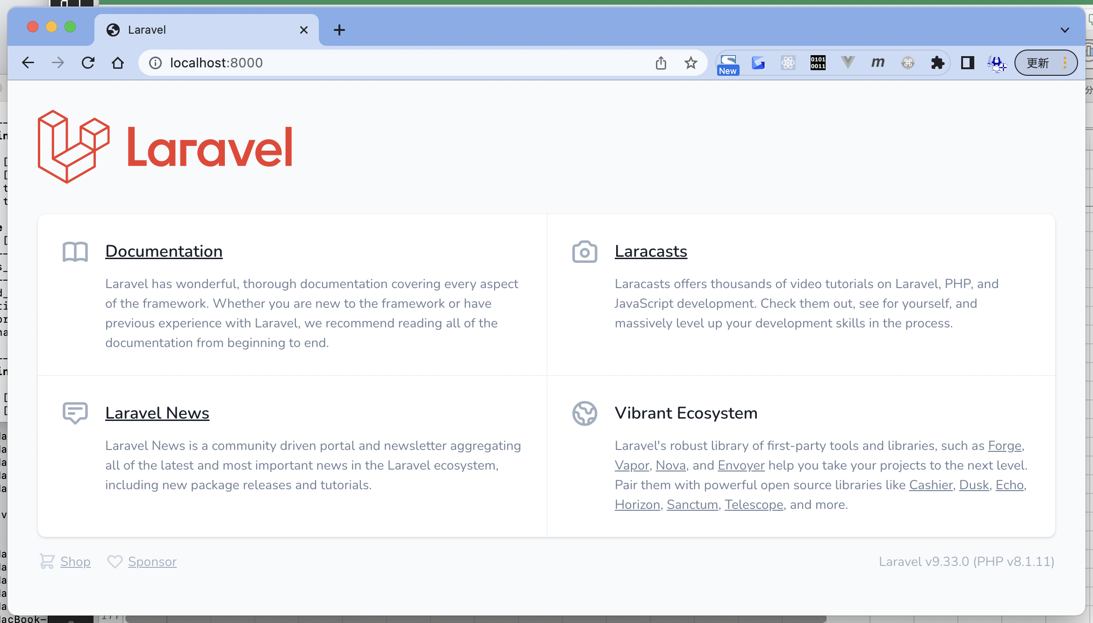

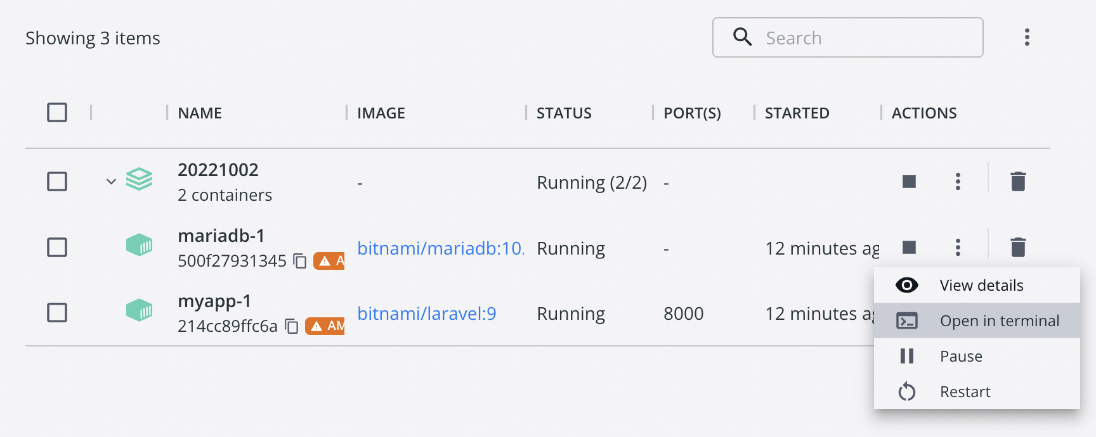

Last login: Sun Oct 2 19:05:25 on ttys001
toyohide@toyohidenoMacBook-Pro ~ % docker exec -it 500f27931345a6d8873933543286315b7f438ed5a510e18e2d5fc795cc428010 /bin/sh
$ mysql -u root -p
Enter password: |  |  | パスなし
Welcome to the MariaDB monitor. Commands end with ; or \g.
Your MariaDB connection id is 5
Server version: 10.6.10-MariaDB Source distribution

Copyright (c) 2000, 2018, Oracle, MariaDB Corporation Ab and others.

Type 'help;' or '\h' for help. Type '\c' to clear the current input statement.

MariaDB [(none)]> show databases;
+--------------------+
| Database |
+--------------------+
| bitnami_myapp |
| information_schema |
| mysql |
| performance_schema |
| sys |
| test |
+--------------------+
6 rows in set (0.010 sec)

MariaDB [(none)]> use bitnami_myapp
Reading table information for completion of table and column names
You can turn off this feature to get a quicker startup with -A

Database changed
MariaDB [bitnami_myapp]> show tables;
+-------------------------+
| Tables_in_bitnami_myapp |
+-------------------------+
| failed_jobs |
| migrations |
| password_resets |
| personal_access_tokens |
| users |
+-------------------------+
5 rows in set (0.005 sec)

MariaDB [bitnami_myapp]>
MariaDB [bitnami_myapp]> exit
Bye

