アニメーション
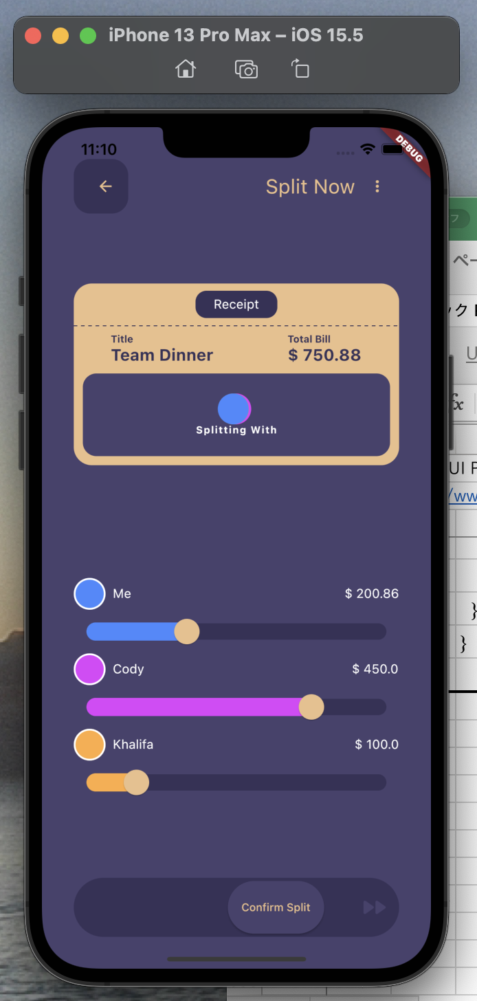
Flutter UI Practicing | Flutter Animation Slide Transition | Team Dinner UI Design.
https://www.youtube.com/watch?v=ksaXszTHoys

pubspec.yaml

 | name: test_animation
 | description: A new Flutter project.

 | publish_to: 'none'

 | version: 1.0.0+1

 | environment:
 | sdk: ">=2.17.6 <3.0.0"

 | dependencies:
 | flutter:
 | sdk: flutter

 | cupertino_icons: ^1.0.2

 | dotted_line: ^3.1.0

 | dev_dependencies:
 | flutter_test:
 | sdk: flutter

 | flutter_lints: ^2.0.0

 | flutter:

 | uses-material-design: true

lib/main.dart

 | import 'package:flutter/material.dart';

 | import 'home_screen.dart';

 | void main() {
 | runApp(const MyApp());
 | }

 | class MyApp extends StatelessWidget {
 | const MyApp({Key? key}) : super(key: key);

 | @override
 | Widget build(BuildContext context) {
 | return const MaterialApp(
 | home: HomeScreen(),
 | );
 | }
 | }

lib/home_screen.dart

 | import 'package:flutter/material.dart';

 | import 'splitter_receipt.dart';

 | class HomeScreen extends StatefulWidget {
 | const HomeScreen({Key? key}) : super(key: key);

 | @override
 | State<HomeScreen> createState() => _HomeScreenState();
 | }

 | class _HomeScreenState extends State<HomeScreen> {
 | ///
 | @override
 | Widget build(BuildContext context) {
 | return Scaffold(
 | backgroundColor: const Color.fromARGB(255, 72, 66, 109),
 | body: Padding(
 | padding: const EdgeInsets.all(35.0),
 | child: Column(
 | children: [
 | const SizedBox(height: 40),
 | myAppBar(),
 | const SplitterReceipt(),
 | ],
 | ),
 | ),
 | );
 | }

 | ///
 | Widget myAppBar() {
 | return Row(
 | mainAxisAlignment: MainAxisAlignment.spaceBetween,
 | children: [
 | Container(
 | height: 60,
 | width: 60,
 | padding: const EdgeInsets.only(left: 10),
 | decoration: BoxDecoration(
 | color: const Color.fromARGB(255, 55, 50, 88),
 | borderRadius: BorderRadius.circular(18),
 | ),
 | child: const Icon(
 | Icons.arrow_back,
 | color: Color.fromARGB(255, 235, 191, 138),
 | size: 20,
 | ),
 | ),
 | Row(
 | children: [
 | const Text(
 | 'Split Now',
 | style: TextStyle(
 | color: Color.fromARGB(255, 235, 191, 138),
 | fontSize: 22,
 | ),
 | ),
 | IconButton(
 | onPressed: () {},
 | icon: const Icon(
 | Icons.more_vert,
 | color: Color.fromARGB(255, 235, 191, 138),
 | size: 20,
 | ),
 | ),
 | ],
 | ),
 | ],
 | );
 | }
 | }

lib/splitter_receipt.dart

 | import 'package:dotted_line/dotted_line.dart';
 | import 'package:flutter/material.dart';

 | class SplitterReceipt extends StatefulWidget {
 | const SplitterReceipt({Key? key}) : super(key: key);

 | @override
 | State<SplitterReceipt> createState() => _SplitterReceiptState();
 | }

 | class _SplitterReceiptState extends State<SplitterReceipt>
 | with SingleTickerProviderStateMixin {
 | late final AnimationController _controller = AnimationController(
 | duration: const Duration(seconds: 1),
 | vsync: this,
 | )..repeat(reverse: true);

 | late final Animation<Offset> _splitAnimationToRight = Tween<Offset>(
 | begin: Offset.zero,
 | end: const Offset(0.65, 0.0),
 | ).animate(
 | CurvedAnimation(
 | parent: _controller,
 | curve: Curves.fastOutSlowIn,
 | ),
 | );

 | ///
 | @override
 | void dispose() {
 | _controller.dispose();
 | super.dispose();
 | }

 | ///
 | @override
 | Widget build(BuildContext context) {
 | return Container(
 | height: 200,
 | decoration: BoxDecoration(
 | color: const Color.fromARGB(255, 235, 191, 138),
 | borderRadius: BorderRadius.circular(20),
 | ),
 | child: Column(
 | children: [
 | Container(
 | height: 30,
 | width: 90,
 | margin: const EdgeInsets.symmetric(vertical: 8),
 | alignment: Alignment.center,
 | decoration: BoxDecoration(
 | color: const Color.fromARGB(255, 55, 50, 88),
 | borderRadius: BorderRadius.circular(12),
 | ),
 | child: const Text(
 | 'Receipt',
 | style: TextStyle(color: Colors.white),
 | ),
 | ),
 | const DottedLine(
 | dashColor: Color.fromARGB(255, 55, 50, 88),
 | ),
 | const SizedBox(height: 8),
 | Row(
 | mainAxisAlignment: MainAxisAlignment.spaceAround,
 | children: [
 | Column(
 | crossAxisAlignment: CrossAxisAlignment.start,
 | children: const [
 | Text(
 | 'Title',
 | style: TextStyle(
 | color: Color.fromARGB(255, 55, 50, 88),
 | fontSize: 11,
 | fontWeight: FontWeight.bold,
 | ),
 | ),
 | Text(
 | 'Team Dinner',
 | style: TextStyle(
 | color: Color.fromARGB(255, 55, 50, 88),
 | fontSize: 18,
 | fontWeight: FontWeight.bold,
 | ),
 | ),
 | ],
 | ),
 | Column(
 | crossAxisAlignment: CrossAxisAlignment.start,
 | children: const [
 | Text(
 | 'Total Bill',
 | style: TextStyle(
 | color: Color.fromARGB(255, 55, 50, 88),
 | fontSize: 11,
 | fontWeight: FontWeight.bold,
 | ),
 | ),
 | Text(
 | '\$ 750.88',
 | style: TextStyle(
 | color: Color.fromARGB(255, 55, 50, 88),
 | fontSize: 18,
 | fontWeight: FontWeight.bold,
 | ),
 | ),
 | ],
 | ),
 | ],
 | ),
 | Expanded(
 | child: Container(
 | margin: const EdgeInsets.all(10),
 | decoration: BoxDecoration(
 | color: const Color.fromARGB(255, 72, 66, 109),
 | borderRadius: BorderRadius.circular(15),
 | ),
 | child: Column(
 | mainAxisAlignment: MainAxisAlignment.center,
 | children: [
 | Padding(
 | padding: const EdgeInsets.only(left: 25),
 | child: Row(
 | mainAxisAlignment: MainAxisAlignment.center,
 | children: [
 | SlideTransition(
 | position: _splitAnimationToRight,
 | child: const CircleAvatar(
 | backgroundColor: Colors.purpleAccent,
 | radius: 17,
 | ),
 | ),
 | Transform(
 | transform: Matrix4.translationValues(5, 0, 0),
 | child: const CircleAvatar(
 | backgroundColor: Colors.orangeAccent,
 | radius: 17,
 | ),
 | ),
 | Transform(
 | transform: Matrix4.translationValues(-50, 0, 0),
 | child: const CircleAvatar(
 | backgroundColor: Colors.blueAccent,
 | radius: 17,
 | ),
 | ),
 | ],
 | ),
 | ),
 | const Text(
 | 'Splitting With',
 | style: TextStyle(
 | color: Colors.white,
 | fontSize: 11,
 | fontWeight: FontWeight.bold,
 | letterSpacing: 1,
 | ),
 | ),
 | ],
 | ),
 | ),
 | ),
 | ],
 | ),
 | );
 | }
 | }

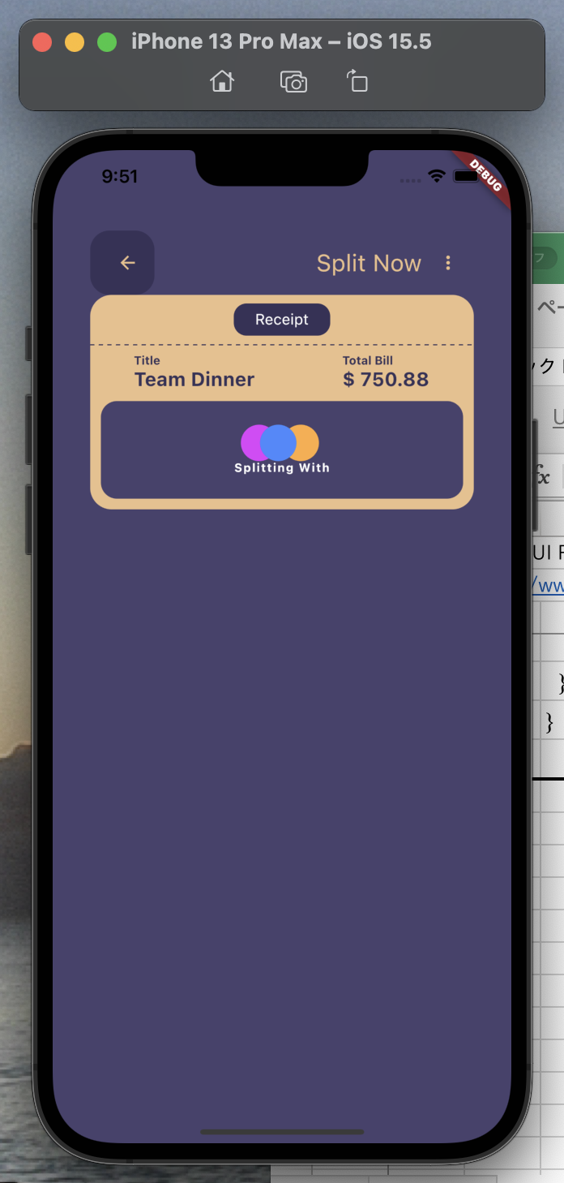

lib/splitter_receipt.dart

 | import 'package:dotted_line/dotted_line.dart';
 | import 'package:flutter/material.dart';

 | class SplitterReceipt extends StatefulWidget {
 | const SplitterReceipt({Key? key}) : super(key: key);

 | @override
 | State<SplitterReceipt> createState() => _SplitterReceiptState();
 | }

 | class _SplitterReceiptState extends State<SplitterReceipt>
 | with SingleTickerProviderStateMixin {
 | late final AnimationController _controller = AnimationController(
 | duration: const Duration(seconds: 1),
 | vsync: this,
 | )..repeat(reverse: true);

 | late final Animation<Offset> _splitAnimationToRight = Tween<Offset>(
 | begin: Offset.zero,
 | end: const Offset(0.65, 0.0),
 | ).animate(
 | CurvedAnimation(
 | parent: _controller,
 | curve: Curves.fastOutSlowIn,
 | ),
 | );

 | late final Animation<Offset> _splitAnimationToLeft = Tween<Offset>(
 | begin: Offset.zero,
 | end: const Offset(-0.65, 0.0),
 | ).animate(
 | CurvedAnimation(
 | parent: _controller,
 | curve: Curves.fastOutSlowIn,
 | ),
 | );

 | ///
 | @override
 | void dispose() {
 | _controller.dispose();
 | super.dispose();
 | }

 | ///
 | @override
 | Widget build(BuildContext context) {
 | return Container(
 | height: 200,
 | decoration: BoxDecoration(
 | color: const Color.fromARGB(255, 235, 191, 138),
 | borderRadius: BorderRadius.circular(20),
 | ),
 | child: Column(
 | children: [
 | Container(
 | height: 30,
 | width: 90,
 | margin: const EdgeInsets.symmetric(vertical: 8),
 | alignment: Alignment.center,
 | decoration: BoxDecoration(
 | color: const Color.fromARGB(255, 55, 50, 88),
 | borderRadius: BorderRadius.circular(12),
 | ),
 | child: const Text(
 | 'Receipt',
 | style: TextStyle(color: Colors.white),
 | ),
 | ),
 | const DottedLine(
 | dashColor: Color.fromARGB(255, 55, 50, 88),
 | ),
 | const SizedBox(height: 8),
 | Row(
 | mainAxisAlignment: MainAxisAlignment.spaceAround,
 | children: [
 | Column(
 | crossAxisAlignment: CrossAxisAlignment.start,
 | children: const [
 | Text(
 | 'Title',
 | style: TextStyle(
 | color: Color.fromARGB(255, 55, 50, 88),
 | fontSize: 11,
 | fontWeight: FontWeight.bold,
 | ),
 | ),
 | Text(
 | 'Team Dinner',
 | style: TextStyle(
 | color: Color.fromARGB(255, 55, 50, 88),
 | fontSize: 18,
 | fontWeight: FontWeight.bold,
 | ),
 | ),
 | ],
 | ),
 | Column(
 | crossAxisAlignment: CrossAxisAlignment.start,
 | children: const [
 | Text(
 | 'Total Bill',
 | style: TextStyle(
 | color: Color.fromARGB(255, 55, 50, 88),
 | fontSize: 11,
 | fontWeight: FontWeight.bold,
 | ),
 | ),
 | Text(
 | '\$ 750.88',
 | style: TextStyle(
 | color: Color.fromARGB(255, 55, 50, 88),
 | fontSize: 18,
 | fontWeight: FontWeight.bold,
 | ),
 | ),
 | ],
 | ),
 | ],
 | ),
 | Expanded(
 | child: Container(
 | margin: const EdgeInsets.all(10),
 | decoration: BoxDecoration(
 | color: const Color.fromARGB(255, 72, 66, 109),
 | borderRadius: BorderRadius.circular(15),
 | ),
 | child: Column(
 | mainAxisAlignment: MainAxisAlignment.center,
 | children: [
 | Padding(
 | padding: const EdgeInsets.only(left: 25),
 | child: Row(
 | mainAxisAlignment: MainAxisAlignment.center,
 | children: [
 | SlideTransition(
 | position: _splitAnimationToRight,
 | child: const CircleAvatar(
 | backgroundColor: Colors.purpleAccent,
 | radius: 17,
 | ),
 | ),
 | SlideTransition(
 | position: _splitAnimationToLeft,
 | child: Transform(
 | transform: Matrix4.translationValues(5, 0, 0),
 | child: const CircleAvatar(
 | backgroundColor: Colors.orangeAccent,
 | radius: 17,
 | ),
 | ),
 | ),
 | Transform(
 | transform: Matrix4.translationValues(-50, 0, 0),
 | child: const CircleAvatar(
 | backgroundColor: Colors.blueAccent,
 | radius: 17,
 | ),
 | ),
 | ],
 | ),
 | ),
 | const Text(
 | 'Splitting With',
 | style: TextStyle(
 | color: Colors.white,
 | fontSize: 11,
 | fontWeight: FontWeight.bold,
 | letterSpacing: 1,
 | ),
 | ),
 | ],
 | ),
 | ),
 | ),
 | ],
 | ),
 | );
 | }
 | }

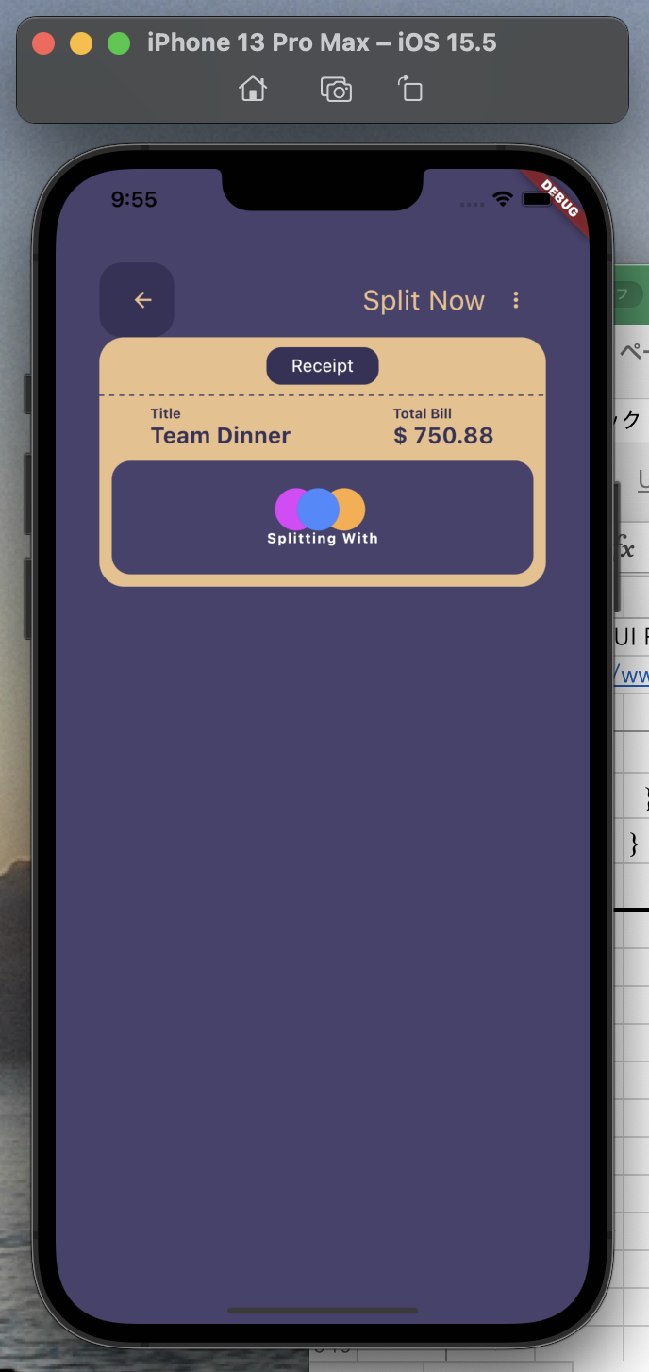

lib/home_screen.dart

 | import 'package:flutter/material.dart';

 | import 'split_slider.dart';
 | import 'splitter_receipt.dart';

 | class HomeScreen extends StatefulWidget {
 | const HomeScreen({Key? key}) : super(key: key);

 | @override
 | State<HomeScreen> createState() => _HomeScreenState();
 | }

 | class _HomeScreenState extends State<HomeScreen> {
 | ///
 | @override
 | Widget build(BuildContext context) {
 | return Scaffold(
 | backgroundColor: const Color.fromARGB(255, 72, 66, 109),
 | body: Padding(
 | padding: const EdgeInsets.all(35.0),
 | child: Column(
 | children: [
 | const SizedBox(height: 40),
 | myAppBar(),
 | const SplitterReceipt(),
 | const SplitSlider(),
 | ],
 | ),
 | ),
 | );
 | }

 | ///
 | Widget myAppBar() {
 | return Row(
 | mainAxisAlignment: MainAxisAlignment.spaceBetween,
 | children: [
 | Container(
 | height: 60,
 | width: 60,
 | padding: const EdgeInsets.only(left: 10),
 | decoration: BoxDecoration(
 | color: const Color.fromARGB(255, 55, 50, 88),
 | borderRadius: BorderRadius.circular(18),
 | ),
 | child: const Icon(
 | Icons.arrow_back,
 | color: Color.fromARGB(255, 235, 191, 138),
 | size: 20,
 | ),
 | ),
 | Row(
 | children: [
 | const Text(
 | 'Split Now',
 | style: TextStyle(
 | color: Color.fromARGB(255, 235, 191, 138),
 | fontSize: 22,
 | ),
 | ),
 | IconButton(
 | onPressed: () {},
 | icon: const Icon(
 | Icons.more_vert,
 | color: Color.fromARGB(255, 235, 191, 138),
 | size: 20,
 | ),
 | ),
 | ],
 | ),
 | ],
 | );
 | }
 | }

lib/model/dinner.dart

 | import 'package:flutter/material.dart';

 | class Dinner {
 | final Color colors;
 | final String teams;
 | double price;

 | Dinner({
 | required this.colors,
 | required this.teams,
 | required this.price,
 | });
 | }

 | //////////////////////////////////////////////

 | final dinnerTeamLists = [
 | Dinner(
 | colors: Colors.blueAccent,
 | teams: 'Me',
 | price: 200.86,
 | ),
 | Dinner(
 | colors: Colors.purpleAccent,
 | teams: 'Cody',
 | price: 450,
 | ),
 | Dinner(
 | colors: Colors.orangeAccent,
 | teams: 'Khalifa',
 | price: 100,
 | ),
 | ];

lib/split_slider.dart

 | import 'package:flutter/material.dart';

 | import 'model/dinner.dart';

 | class SplitSlider extends StatefulWidget {
 | const SplitSlider({Key? key}) : super(key: key);

 | @override
 | State<SplitSlider> createState() => _SplitSliderState();
 | }

 | class _SplitSliderState extends State<SplitSlider> {
 | double selectedValue = 0.5;

 | final List<Dinner> dinnerTeams = dinnerTeamLists;

 | ///
 | @override
 | Widget build(BuildContext context) {
 | return SizedBox(
 | height: 300,
 | child: ListView.builder(
 | itemCount: dinnerTeams.length,
 | itemBuilder: (context, index) {
 | final dinnerTeam = dinnerTeams[index];

 | return Column(
 | children: [
 | Row(
 | mainAxisAlignment: MainAxisAlignment.spaceBetween,
 | children: [
 | Row(
 | children: [
 | Container(
 | height: 35,
 | width: 35,
 | decoration: BoxDecoration(
 | color: dinnerTeam.colors,
 | shape: BoxShape.circle,
 | border: Border.all(
 | width: 2,
 | color: Colors.white,
 | ),
 | ),
 | ),
 | const SizedBox(width: 8),
 | Text(
 | dinnerTeam.teams,
 | style: const TextStyle(color: Colors.white),
 | ),
 | ],
 | ),
 | Text(
 | '\$ ${dinnerTeam.price}',
 | style: const TextStyle(color: Colors.white),
 | ),
 | ],
 | ),
 | SliderTheme(
 | data: SliderThemeData(
 | overlayShape: SliderComponentShape.noOverlay,
 | activeTrackColor: dinnerTeam.colors,
 | inactiveTrackColor: const Color.fromARGB(255, 55, 50, 88),
 | trackHeight: 18,
 | thumbShape: const RoundSliderThumbShape(
 | enabledThumbRadius: 14,
 | ),
 | ),
 | child: Padding(
 | padding: const EdgeInsets.symmetric(vertical: 10),
 | child: Slider(
 | min: 0,
 | max: 100,
 | thumbColor: const Color.fromARGB(255, 235, 191, 138),
 | value: dinnerTeam.price / 6,
 | onChanged: (double? newValue) {
 | setState(() {
 | dinnerTeam.price = newValue!;
 | });
 | },
 | ),
 | ),
 | ),
 | ],
 | );
 | },
 | ),
 | );
 | }
 | }

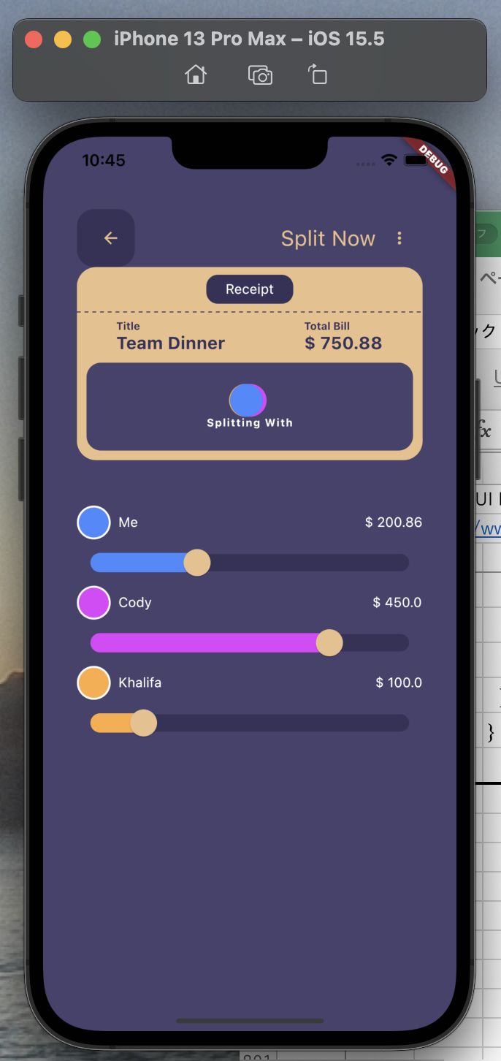

lib/home_screen.dart

 | import 'package:flutter/material.dart';

 | import 'split_slider.dart';
 | import 'splitter_receipt.dart';

 | class HomeScreen extends StatefulWidget {
 | const HomeScreen({Key? key}) : super(key: key);

 | @override
 | State<HomeScreen> createState() => _HomeScreenState();
 | }

 | class _HomeScreenState extends State<HomeScreen>
 | with SingleTickerProviderStateMixin {
 | late final AnimationController _controller = AnimationController(
 | duration: const Duration(seconds: 1),
 | vsync: this,
 | )..repeat(reverse: true);

 | late final Animation<Offset> _animation = Tween<Offset>(
 | begin: Offset.zero,
 | end: const Offset(1.6, 0.0),
 | ).animate(
 | CurvedAnimation(
 | parent: _controller,
 | curve: Curves.fastOutSlowIn, | ///
 | ), | @override
 | ); | void dispose() {
 |  | _controller.dispose();
 | /// | super.dispose();
 | @override | }
 | Widget build(BuildContext context) {
 | return Scaffold(
 | backgroundColor: const Color.fromARGB(255, 72, 66, 109),
 | body: Padding(
 | padding: const EdgeInsets.all(35.0),
 | child: Column(
 | mainAxisAlignment: MainAxisAlignment.spaceBetween,
 | children: [
 | myAppBar(),
 | const SplitterReceipt(),
 | const SplitSlider(),
 | confirmButton(),
 | ],
 | ),
 | ),
 | );
 | }

 | ///
 | Widget confirmButton() {
 | return Container(
 | height: 65,
 | padding: const EdgeInsets.symmetric(horizontal: 10),
 | decoration: const BoxDecoration(
 | color: Color.fromARGB(255, 55, 50, 88),
 | borderRadius: BorderRadius.horizontal(
 | left: Radius.circular(60),
 | right: Radius.circular(60),
 | ),
 | ),
 | child: Row(
 | mainAxisAlignment: MainAxisAlignment.spaceBetween,
 | children: [
 | SlideTransition(
 | position: _animation,
 | child: ElevatedButton(
 | style: ElevatedButton.styleFrom(
 | primary: const Color.fromARGB(255, 72, 66, 109),
 | shape: const RoundedRectangleBorder(
 | borderRadius: BorderRadius.horizontal(
 | left: Radius.circular(60),
 | right: Radius.circular(60),
 | ),
 | ),
 | padding: const EdgeInsets.symmetric(
 | horizontal: 15,
 | vertical: 22,
 | )),
 | onPressed: () {},
 | child: const Text(
 | 'Confirm Split',
 | style: TextStyle(
 | color: Color.fromARGB(255, 235, 191, 138),
 | fontSize: 12,
 | ),
 | ),
 | ),
 | ),
 | const Icon(
 | Icons.fast_forward_rounded,
 | size: 35,
 | color: Color.fromARGB(255, 72, 66, 109),
 | ),
 | ],
 | ),
 | );
 | }

 | ///
 | Widget myAppBar() {
 | return Row(
 | mainAxisAlignment: MainAxisAlignment.spaceBetween,
 | children: [
 | Container(
 | height: 60,
 | width: 60,
 | padding: const EdgeInsets.only(left: 10),
 | decoration: BoxDecoration(
 | color: const Color.fromARGB(255, 55, 50, 88),
 | borderRadius: BorderRadius.circular(18),
 | ),
 | child: const Icon(
 | Icons.arrow_back,
 | color: Color.fromARGB(255, 235, 191, 138),
 | size: 20,
 | ),
 | ),
 | Row(
 | children: [
 | const Text(
 | 'Split Now',
 | style: TextStyle(
 | color: Color.fromARGB(255, 235, 191, 138),
 | fontSize: 22,
 | ),
 | ),
 | IconButton(
 | onPressed: () {},
 | icon: const Icon(
 | Icons.more_vert,
 | color: Color.fromARGB(255, 235, 191, 138),
 | size: 20,
 | ),
 | ),
 | ],
 | ),
 | ],
 | );
 | }
 | }

