Sheet1
● | toyohide@toyohidenoMacBook-Pro ~ % cd /Users/toyohide/Desktop/hideyuki/react/002

● | toyohide@toyohidenoMacBook-Pro 002 % pip3 install django==3.0.7

● | toyohide@toyohidenoMacBook-Pro 002 % pip3 install djangorestframework==3.10

● | toyohide@toyohidenoMacBook-Pro 002 % pip3 install djangorestframework-simplejwt==4.1.2

● | toyohide@toyohidenoMacBook-Pro 002 % pip3 install djoser

● | toyohide@toyohidenoMacBook-Pro 002 % pip3 install django-cors-headers

● | toyohide@toyohidenoMacBook-Pro 002 % pip3 install Pillow

● | toyohide@toyohidenoMacBook-Pro backend % pwd
 | /Users/toyohide/Desktop/hideyuki/react/002/backend

● | toyohide@toyohidenoMacBook-Pro backend % django-admin startproject api_insta .

● | toyohide@toyohidenoMacBook-Pro backend % django-admin startapp api

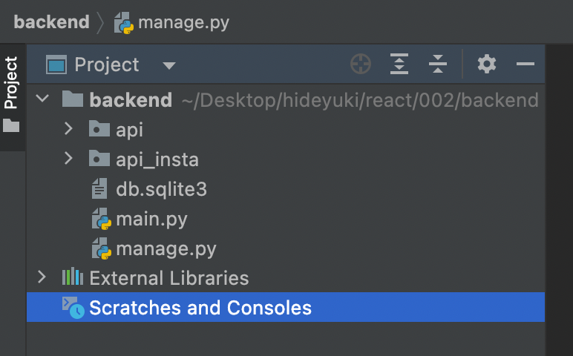

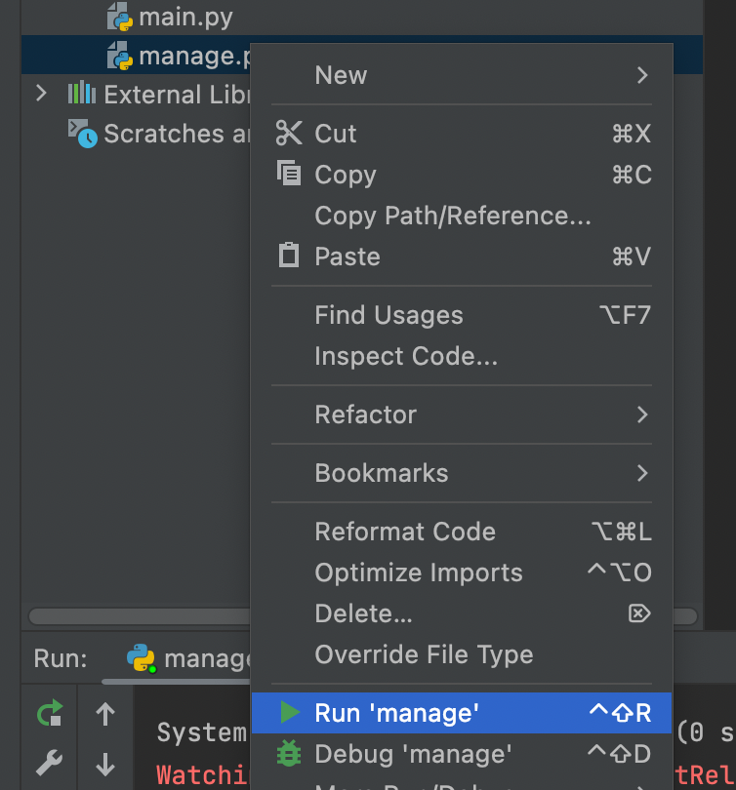

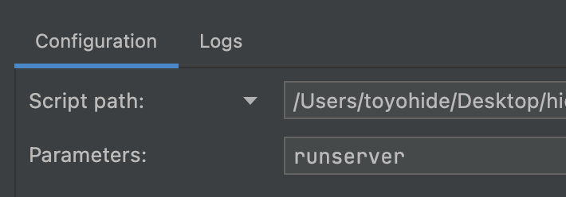

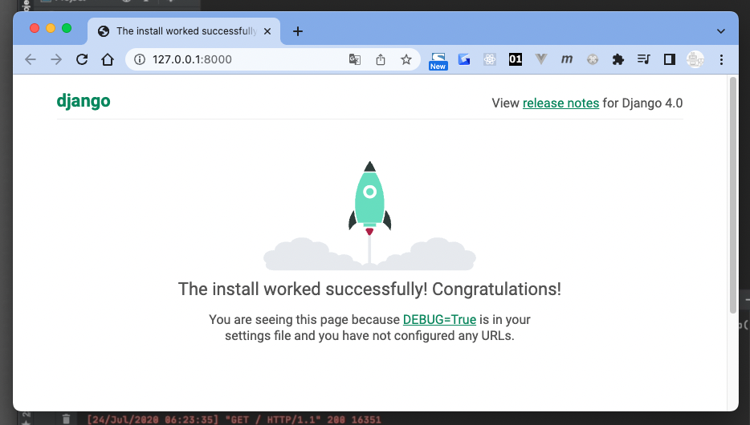

 | toyohide@toyohidenoMacBook-Pro 002 % cd backend

 | toyohide@toyohidenoMacBook-Pro backend % python3 manage.py runserver

 | backend/api/models.py

 |  | from tkinter import CASCADE
 |  | from django.db import models
 |  | from django.contrib.auth.models import AbstractBaseUser, BaseUserManager, PermissionsMixin
 |  | from django.conf import settings

 |  | def upload_avatar_path(instance, filename):
 |  | ext = filename.split('.')[-1]
 |  | return '/'.join(['avatars', str(instance.userProfile.id) + str(instance.nickName) + str('.') + str(ext)])

 |  | def upload_post_path(instance, filename):
 |  | ext = filename.split('.')[-1]
 |  | return '/'.join(['posts', str(instance.userProfile.id) + str(instance.title) + str('.') + str(ext)])

 |  | class UserManager(BaseUserManager):

 |  | def create_user(self, email, password=None):

 |  | if not email:
 |  | raise ValueError('email is must')

 |  | user = self.model(email=self.normalize_email(email))
 |  | user.set_password(password)
 |  | user.save(using=self._db)

 |  | return user

 |  | def create_superuser(self, email, password):

 |  | user = self.create_user(email, password)
 |  | user.is_staff = True
 |  | user.is_superuser = True
 |  | user.save(using=self._db)

 |  | return user

 |  | class User(AbstractBaseUser, PermissionsMixin):

 |  | email = models.EmailField(max_length=50, unique=True)
 |  | is_active = models.BooleanField(default=True)
 |  | is_staff = models.BooleanField(default=False)

 |  | objects = UserManager()

 |  | USERNAME_FIELD = 'email'

 |  | def __str__(self):
 |  | return self.email

 |  | class Profile(models.Model):

 |  | nickname = models.CharField(max_length=20)
 |  | userProfile = models.OneToOneField(
 |  | settings.AUTH_USER_MODEL, related_name='userProfile',
 |  | on_delete=models.CASCADE
 |  | )
 |  | created_on = models.DateTimeField(auto_now_add=True)
 |  | img = models.ImageField(blank=True, null=True, upload_to=upload_avatar_path)

 |  | def __str__(self):
 |  | return self.nickname

 |  | class Post(models.Model):

 |  | title = models.CharField(max_length=100)
 |  | userPost = models.ForeignKey(
 |  | settings.AUTH_USER_MODEL, related_name='userPost',
 |  | on_delete=models.CASCADE
 |  | )
 |  | created_on = models.DateTimeField(auto_now_add=True)
 |  | img = models.ImageField(blank=True, null=True, upload_to=upload_post_path)
 |  | liked = models.ManyToManyField(settings.AUTH_USER_MODEL, related_name='liked', blank=True)

 |  | def __str__(self):
 |  | return self.title

 |  | class Comment(models.Model):

 |  | text = models.CharField(max_length=100)
 |  | userComment = models.ForeignKey(
 |  | settings.AUTH_USER_MODEL, related_name='userComment',
 |  | on_delete=CASCADE
 |  | )
 |  | post = models.ForeignKey(Post, on_delete=models.CASCADE)

 |  | def __str__(self):
 |  | return self.text

 | backend/api_insta/settings.py

 |  | """
 |  | Django settings for api_insta project.

 |  | Generated by 'django-admin startproject' using Django 4.0.6.

 |  | For more information on this file, see
 |  | https://docs.djangoproject.com/en/4.0/topics/settings/

 |  | For the full list of settings and their values, see
 |  | https://docs.djangoproject.com/en/4.0/ref/settings/
 |  | """

 |  | import os

 |  | from pathlib import Path

 |  | from datetime import timedelta

 |  | # Build paths inside the project like this: BASE_DIR / 'subdir'.
 |  | BASE_DIR = Path(__file__).resolve().parent.parent

 |  | # Quick-start development settings - unsuitable for production
 |  | # See https://docs.djangoproject.com/en/4.0/howto/deployment/checklist/

 |  | # SECURITY WARNING: keep the secret key used in production secret!
 |  | SECRET_KEY = 'django-insecure-)1t=f#7y8vp)ll8m6m*6zuk+m4b_w#mvw&-=gy%f*rj=f#*-x+'

 |  | # SECURITY WARNING: don't run with debug turned on in production!
 |  | DEBUG = True

 |  | ALLOWED_HOSTS = []

 |  | # Application definition

 |  | INSTALLED_APPS = [
 |  | 'django.contrib.admin',
 |  | 'django.contrib.auth',
 |  | 'django.contrib.contenttypes',
 |  | 'django.contrib.sessions',
 |  | 'django.contrib.messages',
 |  | 'django.contrib.staticfiles',

 |  | 'rest_framework',
 |  | 'djoser',
 |  | 'api.apps.ApiConfig',
 |  | 'corsheaders',

 |  | ]

 |  | MIDDLEWARE = [
 |  | 'django.middleware.security.SecurityMiddleware',
 |  | 'django.contrib.sessions.middleware.SessionMiddleware',
 |  | 'django.middleware.common.CommonMiddleware',
 |  | 'django.middleware.csrf.CsrfViewMiddleware',
 |  | 'django.contrib.auth.middleware.AuthenticationMiddleware',
 |  | 'django.contrib.messages.middleware.MessageMiddleware',
 |  | 'django.middleware.clickjacking.XFrameOptionsMiddleware',

 |  | 'corsheaders.middleware.CorsMiddleware',

 |  | ]

 |  | CORS_ORIGIN_WHITELIST = [
 |  | "http://localhost:3000"
 |  | ]

 |  | ROOT_URLCONF = 'api_insta.urls'

 |  | TEMPLATES = [
 |  | {
 |  | 'BACKEND': 'django.template.backends.django.DjangoTemplates',
 |  | 'DIRS': [],
 |  | 'APP_DIRS': True,
 |  | 'OPTIONS': {
 |  | 'context_processors': [
 |  | 'django.template.context_processors.debug',
 |  | 'django.template.context_processors.request',
 |  | 'django.contrib.auth.context_processors.auth',
 |  | 'django.contrib.messages.context_processors.messages',
 |  | ],
 |  | },
 |  | },
 |  | ]

 |  | WSGI_APPLICATION = 'api_insta.wsgi.application'

 |  | REST_FRAMEWORK = {
 |  | 'DEFAULT_PERMISSION_CLASSES': [
 |  | 'rest_framework.permissions.IsAuthenticated'
 |  | ],

 |  | 'DEFAULT_AUTHENTICATION_CLASSES': [
 |  | 'rest_framework_simplejwt.authentication.JWTAuthentication'
 |  | ]
 |  | }

 |  | SIMPLE_JWT = {
 |  | 'AUTH_HEADER_TYPES': ('JWT'),
 |  | 'ACCESS_TOKEN_LIFETIME': timedelta(minutes=60)
 |  | }

 |  | # Database
 |  | # https://docs.djangoproject.com/en/4.0/ref/settings/#databases

 |  | DATABASES = {
 |  | 'default': {
 |  | 'ENGINE': 'django.db.backends.sqlite3',
 |  | 'NAME': BASE_DIR / 'db.sqlite3',
 |  | }
 |  | }

 |  | # Password validation
 |  | # https://docs.djangoproject.com/en/4.0/ref/settings/#auth-password-validators

 |  | AUTH_PASSWORD_VALIDATORS = [
 |  | {
 |  | 'NAME': 'django.contrib.auth.password_validation.UserAttributeSimilarityValidator',
 |  | },
 |  | {
 |  | 'NAME': 'django.contrib.auth.password_validation.MinimumLengthValidator',
 |  | },
 |  | {
 |  | 'NAME': 'django.contrib.auth.password_validation.CommonPasswordValidator',
 |  | },
 |  | {
 |  | 'NAME': 'django.contrib.auth.password_validation.NumericPasswordValidator',
 |  | },
 |  | ]

 |  | # Internationalization
 |  | # https://docs.djangoproject.com/en/4.0/topics/i18n/

 |  | LANGUAGE_CODE = 'en-us'

 |  | # TIME_ZONE = 'UTC'
 |  | TIME_ZONE = 'Asia/Tokyo'

 |  | USE_I18N = True

 |  | USE_TZ = True

 |  | AUTH_USER_MODEL = 'api.User'

 |  | # Static files (CSS, JavaScript, Images)
 |  | # https://docs.djangoproject.com/en/4.0/howto/static-files/

 |  | STATIC_URL = 'static/'

 |  | MEDIA_ROOT = os.path.join(BASE_DIR, 'media')
 |  | MEDIA_URL = '/media/'

 |  | # Default primary key field type
 |  | # https://docs.djangoproject.com/en/4.0/ref/settings/#default-auto-field

 |  | DEFAULT_AUTO_FIELD = 'django.db.models.BigAutoField'

